Sheet1
/Users/as16542/Downloads/10m32xl88x2b61zlkkgz3fml17/identification/images/train/003/000079.jpg | 1 |  |  | 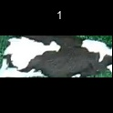
/Users/as16542/Downloads/10m32xl88x2b61zlkkgz3fml17/identification/images/train/003/000071.jpg | 1 |  |  | 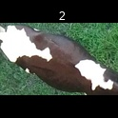
/Users/as16542/Downloads/10m32xl88x2b61zlkkgz3fml17/identification/images/train/003/000053.jpg | 1 |  |  | 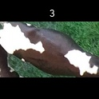
/Users/as16542/Downloads/10m32xl88x2b61zlkkgz3fml17/identification/images/train/003/000077.jpg | 0 | 
/Users/as16542/Downloads/10m32xl88x2b61zlkkgz3fml17/identification/images/train/003/000066.jpg | 1 |  |  | 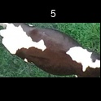
/Users/as16542/Downloads/10m32xl88x2b61zlkkgz3fml17/identification/images/train/003/000095.jpg | 1 |  |  | 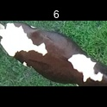
/Users/as16542/Downloads/10m32xl88x2b61zlkkgz3fml17/identification/images/train/003/000056.jpg | 1 |  |  | 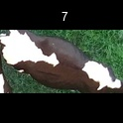
/Users/as16542/Downloads/10m32xl88x2b61zlkkgz3fml17/identification/images/train/003/000009.jpg | 1 |  |  | 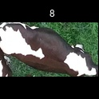
/Users/as16542/Downloads/10m32xl88x2b61zlkkgz3fml17/identification/images/train/003/000015.jpg | 0 | 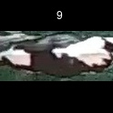
/Users/as16542/Downloads/10m32xl88x2b61zlkkgz3fml17/identification/images/train/003/000093.jpg | 2 |  |  |  | 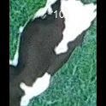
/Users/as16542/Downloads/10m32xl88x2b61zlkkgz3fml17/identification/images/train/003/000091.jpg | 0 | 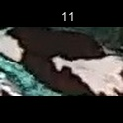
/Users/as16542/Downloads/10m32xl88x2b61zlkkgz3fml17/identification/images/train/003/000075.jpg | 1 |  |  | 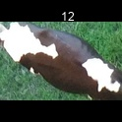
/Users/as16542/Downloads/10m32xl88x2b61zlkkgz3fml17/identification/images/train/003/000048.jpg | 0 | 
/Users/as16542/Downloads/10m32xl88x2b61zlkkgz3fml17/identification/images/train/003/000050.jpg | 1 |  |  | 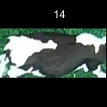
/Users/as16542/Downloads/10m32xl88x2b61zlkkgz3fml17/identification/images/train/003/000052.jpg | 1 |  |  | 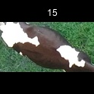
/Users/as16542/Downloads/10m32xl88x2b61zlkkgz3fml17/identification/images/train/003/000043.jpg | 1 |  |  | 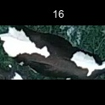
/Users/as16542/Downloads/10m32xl88x2b61zlkkgz3fml17/identification/images/train/003/000086.jpg | 0 | 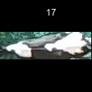
/Users/as16542/Downloads/10m32xl88x2b61zlkkgz3fml17/identification/images/train/003/000037.jpg | 1 |  |  | 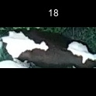
/Users/as16542/Downloads/10m32xl88x2b61zlkkgz3fml17/identification/images/train/003/000014.jpg | 1 |  |  | 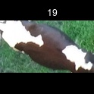
/Users/as16542/Downloads/10m32xl88x2b61zlkkgz3fml17/identification/images/train/003/000057.jpg | 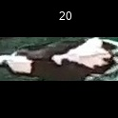 0
/Users/as16542/Downloads/10m32xl88x2b61zlkkgz3fml17/identification/images/train/003/000019.jpg | 1 |  | 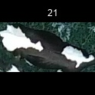
/Users/as16542/Downloads/10m32xl88x2b61zlkkgz3fml17/identification/images/train/003/000040.jpg | 0 | 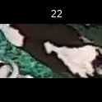
/Users/as16542/Downloads/10m32xl88x2b61zlkkgz3fml17/identification/images/train/003/000069.jpg | 2 |  |  |  | 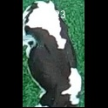
/Users/as16542/Downloads/10m32xl88x2b61zlkkgz3fml17/identification/images/train/003/000060.jpg | 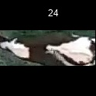 0
/Users/as16542/Downloads/10m32xl88x2b61zlkkgz3fml17/identification/images/train/003/000046.jpg | 1 |  | 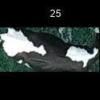
/Users/as16542/Downloads/10m32xl88x2b61zlkkgz3fml17/identification/images/train/003/000089.jpg | 3 |  |  |  |  |  | 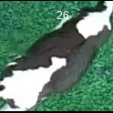
/Users/as16542/Downloads/10m32xl88x2b61zlkkgz3fml17/identification/images/train/003/000051.jpg | 2 |  |  |  | 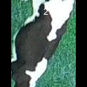
/Users/as16542/Downloads/10m32xl88x2b61zlkkgz3fml17/identification/images/train/003/000072.jpg | 0 | 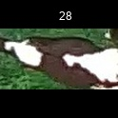
/Users/as16542/Downloads/10m32xl88x2b61zlkkgz3fml17/identification/images/train/003/000044.jpg | 2 |  |  |  | 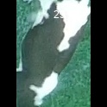
/Users/as16542/Downloads/10m32xl88x2b61zlkkgz3fml17/identification/images/train/003/000078.jpg | 3 |  |  |  |  | 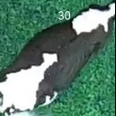
/Users/as16542/Downloads/10m32xl88x2b61zlkkgz3fml17/identification/images/train/003/000011.jpg | 0 | 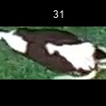
/Users/as16542/Downloads/10m32xl88x2b61zlkkgz3fml17/identification/images/train/003/000063.jpg | 0 | 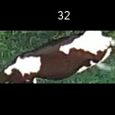
/Users/as16542/Downloads/10m32xl88x2b61zlkkgz3fml17/identification/images/train/003/000002.jpg |  0
/Users/as16542/Downloads/10m32xl88x2b61zlkkgz3fml17/identification/images/train/003/000081.jpg | 1 |  | 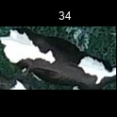
/Users/as16542/Downloads/10m32xl88x2b61zlkkgz3fml17/identification/images/train/003/000041.jpg | 1 |  | 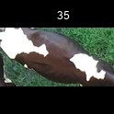
/Users/as16542/Downloads/10m32xl88x2b61zlkkgz3fml17/identification/images/train/003/000003.jpg | 1 |  | 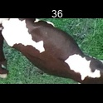
/Users/as16542/Downloads/10m32xl88x2b61zlkkgz3fml17/identification/images/train/003/000032.jpg | 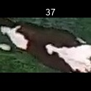 0
/Users/as16542/Downloads/10m32xl88x2b61zlkkgz3fml17/identification/images/train/003/000025.jpg | 1 |  |  | 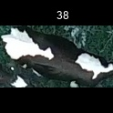
/Users/as16542/Downloads/10m32xl88x2b61zlkkgz3fml17/identification/images/train/003/000067.jpg | 1 |  |  | 
/Users/as16542/Downloads/10m32xl88x2b61zlkkgz3fml17/identification/images/train/003/000097.jpg | 0 | 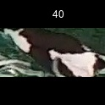
/Users/as16542/Downloads/10m32xl88x2b61zlkkgz3fml17/identification/images/train/003/000012.jpg | 1 |  |  | 
/Users/as16542/Downloads/10m32xl88x2b61zlkkgz3fml17/identification/images/train/003/000058.jpg | 1 |  |  | 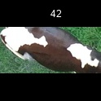
/Users/as16542/Downloads/10m32xl88x2b61zlkkgz3fml17/identification/images/train/003/000018.jpg | 0 | 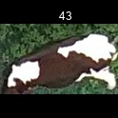
/Users/as16542/Downloads/10m32xl88x2b61zlkkgz3fml17/identification/images/train/003/000013.jpg | 1 |  |  | 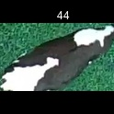
/Users/as16542/Downloads/10m32xl88x2b61zlkkgz3fml17/identification/images/train/003/000068.jpg | 0 | 
/Users/as16542/Downloads/10m32xl88x2b61zlkkgz3fml17/identification/images/train/003/000017.jpg | 1 |  |  | 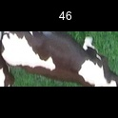
/Users/as16542/Downloads/10m32xl88x2b61zlkkgz3fml17/identification/images/train/003/000008.jpg | 1 |  |  | 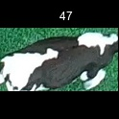
/Users/as16542/Downloads/10m32xl88x2b61zlkkgz3fml17/identification/images/train/003/000035.jpg | 1 |  |  | 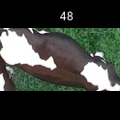
/Users/as16542/Downloads/10m32xl88x2b61zlkkgz3fml17/identification/images/train/003/000005.jpg | 0 | 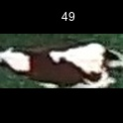
/Users/as16542/Downloads/10m32xl88x2b61zlkkgz3fml17/identification/images/train/003/000070.jpg | 1 |  |  | 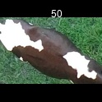
/Users/as16542/Downloads/10m32xl88x2b61zlkkgz3fml17/identification/images/train/003/000001.jpg | 1 |  |  | 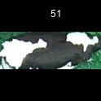
/Users/as16542/Downloads/10m32xl88x2b61zlkkgz3fml17/identification/images/train/003/000085.jpg | 1 |  |  | 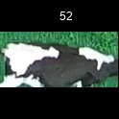
/Users/as16542/Downloads/10m32xl88x2b61zlkkgz3fml17/identification/images/train/003/000099.jpg | 1 |  |  | 
/Users/as16542/Downloads/10m32xl88x2b61zlkkgz3fml17/identification/images/train/003/000006.jpg | 1 |  |  | 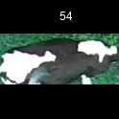
/Users/as16542/Downloads/10m32xl88x2b61zlkkgz3fml17/identification/images/train/003/000062.jpg | 2 |  |  |  | 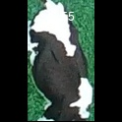
/Users/as16542/Downloads/10m32xl88x2b61zlkkgz3fml17/identification/images/train/003/000023.jpg | 0 | 
/Users/as16542/Downloads/10m32xl88x2b61zlkkgz3fml17/identification/images/train/003/000026.jpg | 2 |  |  |  | 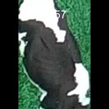
/Users/as16542/Downloads/10m32xl88x2b61zlkkgz3fml17/identification/images/train/003/000036.jpg | 1 |  |  | 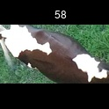
/Users/as16542/Downloads/10m32xl88x2b61zlkkgz3fml17/identification/images/train/003/000010.jpg | 1 |  |  | 
/Users/as16542/Downloads/10m32xl88x2b61zlkkgz3fml17/identification/images/train/003/000083.jpg | 0 | 
/Users/as16542/Downloads/10m32xl88x2b61zlkkgz3fml17/identification/images/train/003/000039.jpg | 1 |  | 
/Users/as16542/Downloads/10m32xl88x2b61zlkkgz3fml17/identification/images/train/003/000059.jpg | 1 |  | 
/Users/as16542/Downloads/10m32xl88x2b61zlkkgz3fml17/identification/images/train/003/000004.jpg | 1 |  | 
/Users/as16542/Downloads/10m32xl88x2b61zlkkgz3fml17/identification/images/train/003/000084.jpg | 1 |  | 
/Users/as16542/Downloads/10m32xl88x2b61zlkkgz3fml17/identification/images/train/003/000092.jpg | 3 |  |  |  |  |  | 
/Users/as16542/Downloads/10m32xl88x2b61zlkkgz3fml17/identification/images/train/003/000033.jpg | 2 |  |  |  | 
/Users/as16542/Downloads/10m32xl88x2b61zlkkgz3fml17/identification/images/train/003/000034.jpg | 1 |  | 
/Users/as16542/Downloads/10m32xl88x2b61zlkkgz3fml17/identification/images/train/003/000061.jpg | 0 | 
/Users/as16542/Downloads/10m32xl88x2b61zlkkgz3fml17/identification/images/train/003/000028.jpg | 3 |  |  |  |  | 
/Users/as16542/Downloads/10m32xl88x2b61zlkkgz3fml17/identification/images/train/003/000082.jpg | 1 |  |  | 
/Users/as16542/Downloads/10m32xl88x2b61zlkkgz3fml17/identification/images/train/003/000098.jpg | 4 |  |  |  |  |  |  | 
/Users/as16542/Downloads/10m32xl88x2b61zlkkgz3fml17/identification/images/train/003/000030.jpg | 0 | 
/Users/as16542/Downloads/10m32xl88x2b61zlkkgz3fml17/identification/images/train/003/000045.jpg | 1 |  |  | 
/Users/as16542/Downloads/10m32xl88x2b61zlkkgz3fml17/identification/images/train/003/000080.jpg | 1 |  |  | 
/Users/as16542/Downloads/10m32xl88x2b61zlkkgz3fml17/identification/images/train/003/000074.jpg | 0 | 
/Users/as16542/Downloads/10m32xl88x2b61zlkkgz3fml17/identification/images/train/003/000029.jpg | 4 |  |  |  |  |  |  | 
/Users/as16542/Downloads/10m32xl88x2b61zlkkgz3fml17/identification/images/train/003/000103.jpg | 2 |  |  |  | 
/Users/as16542/Downloads/10m32xl88x2b61zlkkgz3fml17/identification/images/train/003/000064.jpg | 1 |  |  | 
/Users/as16542/Downloads/10m32xl88x2b61zlkkgz3fml17/identification/images/train/003/000042.jpg | 1 |  |  | 
/Users/as16542/Downloads/10m32xl88x2b61zlkkgz3fml17/identification/images/train/003/000031.jpg |  0
/Users/as16542/Downloads/10m32xl88x2b61zlkkgz3fml17/identification/images/train/003/000073.jpg | 1 |  |  | 
/Users/as16542/Downloads/10m32xl88x2b61zlkkgz3fml17/identification/images/train/003/000021.jpg | 1 |  |  | 
/Users/as16542/Downloads/10m32xl88x2b61zlkkgz3fml17/identification/images/train/003/000094.jpg | 1 |  |  | 
/Users/as16542/Downloads/10m32xl88x2b61zlkkgz3fml17/identification/images/train/003/000022.jpg |  0
/Users/as16542/Downloads/10m32xl88x2b61zlkkgz3fml17/identification/images/train/003/000101.jpg |  0
/Users/as16542/Downloads/10m32xl88x2b61zlkkgz3fml17/identification/images/train/003/000047.jpg | 1 |  |  | 
/Users/as16542/Downloads/10m32xl88x2b61zlkkgz3fml17/identification/images/train/003/000055.jpg | 1 |  |  | 
/Users/as16542/Downloads/10m32xl88x2b61zlkkgz3fml17/identification/images/train/003/000049.jpg | 3 |  |  |  |  |  | 
/Users/as16542/Downloads/10m32xl88x2b61zlkkgz3fml17/identification/images/train/003/000096.jpg | 1 |  |  | 
/Users/as16542/Downloads/10m32xl88x2b61zlkkgz3fml17/identification/images/train/003/000076.jpg | 2 |  |  |  | 
/Users/as16542/Downloads/10m32xl88x2b61zlkkgz3fml17/identification/images/train/003/000038.jpg | 0 | 
/Users/as16542/Downloads/10m32xl88x2b61zlkkgz3fml17/identification/images/train/003/000016.jpg | 1 |  |  | 
/Users/as16542/Downloads/10m32xl88x2b61zlkkgz3fml17/identification/images/train/003/000087.jpg | 1 |  |  | 
/Users/as16542/Downloads/10m32xl88x2b61zlkkgz3fml17/identification/images/train/003/000027.jpg | 0 | 
/Users/as16542/Downloads/10m32xl88x2b61zlkkgz3fml17/identification/images/train/003/000090.jpg | 4 |  |  |  |  |  |  | 
/Users/as16542/Downloads/10m32xl88x2b61zlkkgz3fml17/identification/images/train/003/000100.jpg | 0 | 
/Users/as16542/Downloads/10m32xl88x2b61zlkkgz3fml17/identification/images/train/003/000065.jpg | 1 |  |  | 
/Users/as16542/Downloads/10m32xl88x2b61zlkkgz3fml17/identification/images/train/003/000024.jpg | 1 |  |  | 
/Users/as16542/Downloads/10m32xl88x2b61zlkkgz3fml17/identification/images/train/003/000054.jpg | 1 |  |  | 
/Users/as16542/Downloads/10m32xl88x2b61zlkkgz3fml17/identification/images/train/003/000007.jpg | 0 | 
/Users/as16542/Downloads/10m32xl88x2b61zlkkgz3fml17/identification/images/train/003/000102.jpg | 3 |  |  |  |  |  | 
/Users/as16542/Downloads/10m32xl88x2b61zlkkgz3fml17/identification/images/train/003/000020.jpg | 4 |  |  |  |  |  |  | 

