Sheet1
/Users/as16542/Downloads/10m32xl88x2b61zlkkgz3fml17/identification/images/train/007/000079.jpg | 0 | 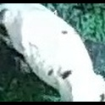
/Users/as16542/Downloads/10m32xl88x2b61zlkkgz3fml17/identification/images/train/007/000071.jpg | 1 |  | 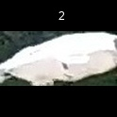
/Users/as16542/Downloads/10m32xl88x2b61zlkkgz3fml17/identification/images/train/007/000116.jpg | 1 |  | 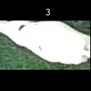
/Users/as16542/Downloads/10m32xl88x2b61zlkkgz3fml17/identification/images/train/007/000053.jpg | 3 |  |  |  |  | 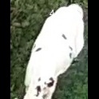
/Users/as16542/Downloads/10m32xl88x2b61zlkkgz3fml17/identification/images/train/007/000077.jpg | 1 |  | 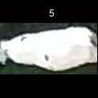
/Users/as16542/Downloads/10m32xl88x2b61zlkkgz3fml17/identification/images/train/007/000107.jpg | 1 |  | 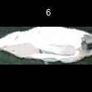
/Users/as16542/Downloads/10m32xl88x2b61zlkkgz3fml17/identification/images/train/007/000124.jpg | 1 |  | 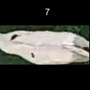
/Users/as16542/Downloads/10m32xl88x2b61zlkkgz3fml17/identification/images/train/007/000066.jpg | 1 |  | 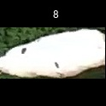
/Users/as16542/Downloads/10m32xl88x2b61zlkkgz3fml17/identification/images/train/007/000095.jpg | 0 | 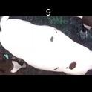
/Users/as16542/Downloads/10m32xl88x2b61zlkkgz3fml17/identification/images/train/007/000056.jpg | 2 |  |  |  | 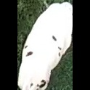
/Users/as16542/Downloads/10m32xl88x2b61zlkkgz3fml17/identification/images/train/007/000009.jpg | 0 | 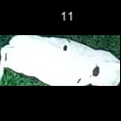
/Users/as16542/Downloads/10m32xl88x2b61zlkkgz3fml17/identification/images/train/007/000015.jpg | 1 |  | 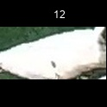
/Users/as16542/Downloads/10m32xl88x2b61zlkkgz3fml17/identification/images/train/007/000120.jpg | 0 | 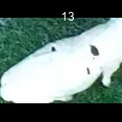
/Users/as16542/Downloads/10m32xl88x2b61zlkkgz3fml17/identification/images/train/007/000093.jpg | 2 |  |  |  | 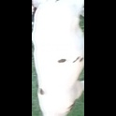
/Users/as16542/Downloads/10m32xl88x2b61zlkkgz3fml17/identification/images/train/007/000118.jpg | 3 |  |  |  |  | 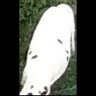
/Users/as16542/Downloads/10m32xl88x2b61zlkkgz3fml17/identification/images/train/007/000091.jpg | 1 |  | 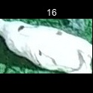
/Users/as16542/Downloads/10m32xl88x2b61zlkkgz3fml17/identification/images/train/007/000075.jpg | 0 | 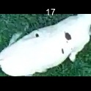
/Users/as16542/Downloads/10m32xl88x2b61zlkkgz3fml17/identification/images/train/007/000048.jpg | 0 | 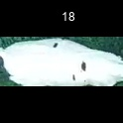
/Users/as16542/Downloads/10m32xl88x2b61zlkkgz3fml17/identification/images/train/007/000050.jpg | 1 |  | 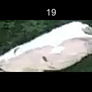
/Users/as16542/Downloads/10m32xl88x2b61zlkkgz3fml17/identification/images/train/007/000112.jpg | 0 | 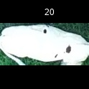
/Users/as16542/Downloads/10m32xl88x2b61zlkkgz3fml17/identification/images/train/007/000052.jpg | 2 |  |  |  | 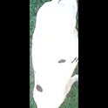
/Users/as16542/Downloads/10m32xl88x2b61zlkkgz3fml17/identification/images/train/007/000043.jpg | 4 |  |  |  |  |  | 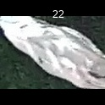
/Users/as16542/Downloads/10m32xl88x2b61zlkkgz3fml17/identification/images/train/007/000115.jpg | 2 |  |  |  | 
/Users/as16542/Downloads/10m32xl88x2b61zlkkgz3fml17/identification/images/train/007/000086.jpg | 2 |  |  |  | 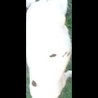
/Users/as16542/Downloads/10m32xl88x2b61zlkkgz3fml17/identification/images/train/007/000037.jpg | 0 | 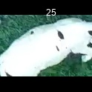
/Users/as16542/Downloads/10m32xl88x2b61zlkkgz3fml17/identification/images/train/007/000014.jpg | 2 |  |  |  | 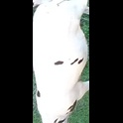
/Users/as16542/Downloads/10m32xl88x2b61zlkkgz3fml17/identification/images/train/007/000057.jpg | 0 | 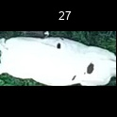
/Users/as16542/Downloads/10m32xl88x2b61zlkkgz3fml17/identification/images/train/007/000019.jpg | 0 | 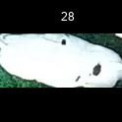
/Users/as16542/Downloads/10m32xl88x2b61zlkkgz3fml17/identification/images/train/007/000040.jpg | 3 |  |  |  |  | 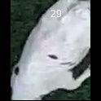
/Users/as16542/Downloads/10m32xl88x2b61zlkkgz3fml17/identification/images/train/007/000069.jpg | 0 | 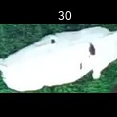
/Users/as16542/Downloads/10m32xl88x2b61zlkkgz3fml17/identification/images/train/007/000060.jpg | 2 |  |  |  | 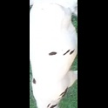
/Users/as16542/Downloads/10m32xl88x2b61zlkkgz3fml17/identification/images/train/007/000046.jpg | 0 | 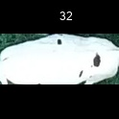
/Users/as16542/Downloads/10m32xl88x2b61zlkkgz3fml17/identification/images/train/007/000105.jpg | 1 |  | 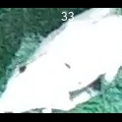
/Users/as16542/Downloads/10m32xl88x2b61zlkkgz3fml17/identification/images/train/007/000089.jpg | 2 |  |  |  | 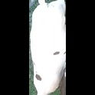
/Users/as16542/Downloads/10m32xl88x2b61zlkkgz3fml17/identification/images/train/007/000051.jpg | 2 |  |  |  | 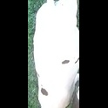
/Users/as16542/Downloads/10m32xl88x2b61zlkkgz3fml17/identification/images/train/007/000072.jpg | 2 |  |  |  | 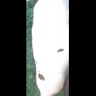
/Users/as16542/Downloads/10m32xl88x2b61zlkkgz3fml17/identification/images/train/007/000044.jpg | 3 |  |  |  |  | 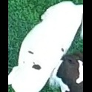
/Users/as16542/Downloads/10m32xl88x2b61zlkkgz3fml17/identification/images/train/007/000078.jpg | 1 |  | 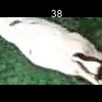
/Users/as16542/Downloads/10m32xl88x2b61zlkkgz3fml17/identification/images/train/007/000011.jpg | 2 |  |  |  | 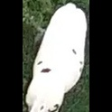
/Users/as16542/Downloads/10m32xl88x2b61zlkkgz3fml17/identification/images/train/007/000128.jpg | 2 |  |  |  | 
/Users/as16542/Downloads/10m32xl88x2b61zlkkgz3fml17/identification/images/train/007/000063.jpg | 1 |  | 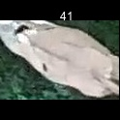
/Users/as16542/Downloads/10m32xl88x2b61zlkkgz3fml17/identification/images/train/007/000002.jpg | 3 |  |  |  |  | 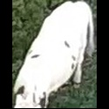
/Users/as16542/Downloads/10m32xl88x2b61zlkkgz3fml17/identification/images/train/007/000081.jpg | 1 |  | 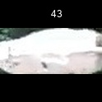
/Users/as16542/Downloads/10m32xl88x2b61zlkkgz3fml17/identification/images/train/007/000041.jpg | 0 | 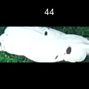
/Users/as16542/Downloads/10m32xl88x2b61zlkkgz3fml17/identification/images/train/007/000003.jpg | 1 |  | 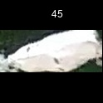
/Users/as16542/Downloads/10m32xl88x2b61zlkkgz3fml17/identification/images/train/007/000032.jpg | 1 |  | 
/Users/as16542/Downloads/10m32xl88x2b61zlkkgz3fml17/identification/images/train/007/000025.jpg | 0 | 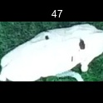
/Users/as16542/Downloads/10m32xl88x2b61zlkkgz3fml17/identification/images/train/007/000067.jpg | 2 |  |  |  | 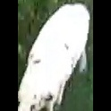
/Users/as16542/Downloads/10m32xl88x2b61zlkkgz3fml17/identification/images/train/007/000097.jpg | 2 |  |  |  | 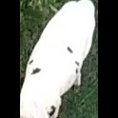
/Users/as16542/Downloads/10m32xl88x2b61zlkkgz3fml17/identification/images/train/007/000012.jpg | 0 | 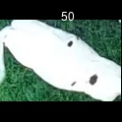
/Users/as16542/Downloads/10m32xl88x2b61zlkkgz3fml17/identification/images/train/007/000058.jpg | 0 | 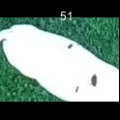
/Users/as16542/Downloads/10m32xl88x2b61zlkkgz3fml17/identification/images/train/007/000018.jpg | 2 |  |  |  | 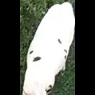
/Users/as16542/Downloads/10m32xl88x2b61zlkkgz3fml17/identification/images/train/007/000013.jpg | 1 |  | 
/Users/as16542/Downloads/10m32xl88x2b61zlkkgz3fml17/identification/images/train/007/000129.jpg | 1 |  | 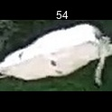
/Users/as16542/Downloads/10m32xl88x2b61zlkkgz3fml17/identification/images/train/007/000068.jpg | 2 |  |  |  | 
/Users/as16542/Downloads/10m32xl88x2b61zlkkgz3fml17/identification/images/train/007/000017.jpg | 4 |  |  |  |  |  | 
/Users/as16542/Downloads/10m32xl88x2b61zlkkgz3fml17/identification/images/train/007/000008.jpg | 0 | 
/Users/as16542/Downloads/10m32xl88x2b61zlkkgz3fml17/identification/images/train/007/000035.jpg | 0 | 
/Users/as16542/Downloads/10m32xl88x2b61zlkkgz3fml17/identification/images/train/007/000108.jpg | 3 |  |  |  |  | 
/Users/as16542/Downloads/10m32xl88x2b61zlkkgz3fml17/identification/images/train/007/000005.jpg | 0 | 
/Users/as16542/Downloads/10m32xl88x2b61zlkkgz3fml17/identification/images/train/007/000070.jpg | 0 | 
/Users/as16542/Downloads/10m32xl88x2b61zlkkgz3fml17/identification/images/train/007/000001.jpg | 2 |  |  |  | 
/Users/as16542/Downloads/10m32xl88x2b61zlkkgz3fml17/identification/images/train/007/000085.jpg | 3 |  |  |  |  | 
/Users/as16542/Downloads/10m32xl88x2b61zlkkgz3fml17/identification/images/train/007/000111.jpg | 3 |  |  |  |  | 
/Users/as16542/Downloads/10m32xl88x2b61zlkkgz3fml17/identification/images/train/007/000127.jpg | 2 |  |  |  | 
/Users/as16542/Downloads/10m32xl88x2b61zlkkgz3fml17/identification/images/train/007/000104.jpg | 0 | 
/Users/as16542/Downloads/10m32xl88x2b61zlkkgz3fml17/identification/images/train/007/000099.jpg | 1 |  | 
/Users/as16542/Downloads/10m32xl88x2b61zlkkgz3fml17/identification/images/train/007/000006.jpg | 1 |  | 
/Users/as16542/Downloads/10m32xl88x2b61zlkkgz3fml17/identification/images/train/007/000062.jpg | 1 |  | 
/Users/as16542/Downloads/10m32xl88x2b61zlkkgz3fml17/identification/images/train/007/000023.jpg | 2 |  |  |  | 
/Users/as16542/Downloads/10m32xl88x2b61zlkkgz3fml17/identification/images/train/007/000026.jpg | 3 |  |  |  |  | 
/Users/as16542/Downloads/10m32xl88x2b61zlkkgz3fml17/identification/images/train/007/000036.jpg | 0 | 
/Users/as16542/Downloads/10m32xl88x2b61zlkkgz3fml17/identification/images/train/007/000010.jpg | 1 |  | 
/Users/as16542/Downloads/10m32xl88x2b61zlkkgz3fml17/identification/images/train/007/000114.jpg | 0 | 
/Users/as16542/Downloads/10m32xl88x2b61zlkkgz3fml17/identification/images/train/007/000083.jpg | 4 |  |  |  |  |  | 
/Users/as16542/Downloads/10m32xl88x2b61zlkkgz3fml17/identification/images/train/007/000119.jpg | 2 |  |  |  | 
/Users/as16542/Downloads/10m32xl88x2b61zlkkgz3fml17/identification/images/train/007/000039.jpg | 0 | 
/Users/as16542/Downloads/10m32xl88x2b61zlkkgz3fml17/identification/images/train/007/000059.jpg | 2 |  |  |  | 
/Users/as16542/Downloads/10m32xl88x2b61zlkkgz3fml17/identification/images/train/007/000110.jpg | 4 |  |  |  |  |  | 
/Users/as16542/Downloads/10m32xl88x2b61zlkkgz3fml17/identification/images/train/007/000113.jpg | 2 |  |  |  | 
/Users/as16542/Downloads/10m32xl88x2b61zlkkgz3fml17/identification/images/train/007/000004.jpg | 1 |  | 
/Users/as16542/Downloads/10m32xl88x2b61zlkkgz3fml17/identification/images/train/007/000084.jpg | 2 |  |  |  | 
/Users/as16542/Downloads/10m32xl88x2b61zlkkgz3fml17/identification/images/train/007/000092.jpg | 0 | 
/Users/as16542/Downloads/10m32xl88x2b61zlkkgz3fml17/identification/images/train/007/000033.jpg | 2 |  |  |  | 
/Users/as16542/Downloads/10m32xl88x2b61zlkkgz3fml17/identification/images/train/007/000034.jpg | 2 |  |  | 
/Users/as16542/Downloads/10m32xl88x2b61zlkkgz3fml17/identification/images/train/007/000061.jpg | 2 |  |  |  | 
/Users/as16542/Downloads/10m32xl88x2b61zlkkgz3fml17/identification/images/train/007/000028.jpg | 0 | 
/Users/as16542/Downloads/10m32xl88x2b61zlkkgz3fml17/identification/images/train/007/000082.jpg | 2 |  |  |  | 
/Users/as16542/Downloads/10m32xl88x2b61zlkkgz3fml17/identification/images/train/007/000098.jpg | 0 | 
/Users/as16542/Downloads/10m32xl88x2b61zlkkgz3fml17/identification/images/train/007/000030.jpg | 0 | 
/Users/as16542/Downloads/10m32xl88x2b61zlkkgz3fml17/identification/images/train/007/000045.jpg | 2 |  |  |  | 
/Users/as16542/Downloads/10m32xl88x2b61zlkkgz3fml17/identification/images/train/007/000080.jpg | 2 |  |  |  | 
/Users/as16542/Downloads/10m32xl88x2b61zlkkgz3fml17/identification/images/train/007/000117.jpg | 1 |  | 
/Users/as16542/Downloads/10m32xl88x2b61zlkkgz3fml17/identification/images/train/007/000074.jpg | 3 |  |  |  |  | 
/Users/as16542/Downloads/10m32xl88x2b61zlkkgz3fml17/identification/images/train/007/000029.jpg |  0
/Users/as16542/Downloads/10m32xl88x2b61zlkkgz3fml17/identification/images/train/007/000103.jpg | 0 | 
/Users/as16542/Downloads/10m32xl88x2b61zlkkgz3fml17/identification/images/train/007/000064.jpg | 0 | 
/Users/as16542/Downloads/10m32xl88x2b61zlkkgz3fml17/identification/images/train/007/000121.jpg | 3 |  |  |  |  | 
/Users/as16542/Downloads/10m32xl88x2b61zlkkgz3fml17/identification/images/train/007/000042.jpg | 3 |  |  |  |  | 
/Users/as16542/Downloads/10m32xl88x2b61zlkkgz3fml17/identification/images/train/007/000109.jpg | 1 |  | 
/Users/as16542/Downloads/10m32xl88x2b61zlkkgz3fml17/identification/images/train/007/000031.jpg | 2 |  |  |  | 
/Users/as16542/Downloads/10m32xl88x2b61zlkkgz3fml17/identification/images/train/007/000073.jpg | 1 |  | 
/Users/as16542/Downloads/10m32xl88x2b61zlkkgz3fml17/identification/images/train/007/000021.jpg | 1 |  | 
/Users/as16542/Downloads/10m32xl88x2b61zlkkgz3fml17/identification/images/train/007/000122.jpg | 0 | 
/Users/as16542/Downloads/10m32xl88x2b61zlkkgz3fml17/identification/images/train/007/000094.jpg | 0 | 
/Users/as16542/Downloads/10m32xl88x2b61zlkkgz3fml17/identification/images/train/007/000022.jpg | 1 |  | 
/Users/as16542/Downloads/10m32xl88x2b61zlkkgz3fml17/identification/images/train/007/000101.jpg | 1 |  | 
/Users/as16542/Downloads/10m32xl88x2b61zlkkgz3fml17/identification/images/train/007/000047.jpg | 3 |  |  |  |  | 
/Users/as16542/Downloads/10m32xl88x2b61zlkkgz3fml17/identification/images/train/007/000055.jpg | 2 |  |  |  | 
/Users/as16542/Downloads/10m32xl88x2b61zlkkgz3fml17/identification/images/train/007/000049.jpg | 0 | 
/Users/as16542/Downloads/10m32xl88x2b61zlkkgz3fml17/identification/images/train/007/000096.jpg | 2 |  |  |  | 
/Users/as16542/Downloads/10m32xl88x2b61zlkkgz3fml17/identification/images/train/007/000076.jpg | 2 |  |  |  | 
/Users/as16542/Downloads/10m32xl88x2b61zlkkgz3fml17/identification/images/train/007/000125.jpg | 2 |  |  |  | 
/Users/as16542/Downloads/10m32xl88x2b61zlkkgz3fml17/identification/images/train/007/000038.jpg | 0 | 
/Users/as16542/Downloads/10m32xl88x2b61zlkkgz3fml17/identification/images/train/007/000016.jpg | 2 |  |  |  | 
/Users/as16542/Downloads/10m32xl88x2b61zlkkgz3fml17/identification/images/train/007/000087.jpg | 2 |  |  |  | 
/Users/as16542/Downloads/10m32xl88x2b61zlkkgz3fml17/identification/images/train/007/000027.jpg | 1 |  | 
/Users/as16542/Downloads/10m32xl88x2b61zlkkgz3fml17/identification/images/train/007/000106.jpg | 2 |  |  |  | 
/Users/as16542/Downloads/10m32xl88x2b61zlkkgz3fml17/identification/images/train/007/000090.jpg | 1 |  | 
/Users/as16542/Downloads/10m32xl88x2b61zlkkgz3fml17/identification/images/train/007/000126.jpg | 0 | 
/Users/as16542/Downloads/10m32xl88x2b61zlkkgz3fml17/identification/images/train/007/000100.jpg | 3 |  |  |  |  | 
/Users/as16542/Downloads/10m32xl88x2b61zlkkgz3fml17/identification/images/train/007/000123.jpg | 0 | 
/Users/as16542/Downloads/10m32xl88x2b61zlkkgz3fml17/identification/images/train/007/000065.jpg | 1 |  | 
/Users/as16542/Downloads/10m32xl88x2b61zlkkgz3fml17/identification/images/train/007/000024.jpg | 1 |  | 
/Users/as16542/Downloads/10m32xl88x2b61zlkkgz3fml17/identification/images/train/007/000054.jpg | 2 |  |  |  | 
/Users/as16542/Downloads/10m32xl88x2b61zlkkgz3fml17/identification/images/train/007/000007.jpg | 0 | 
/Users/as16542/Downloads/10m32xl88x2b61zlkkgz3fml17/identification/images/train/007/000102.jpg | 2 |  |  |  | 
/Users/as16542/Downloads/10m32xl88x2b61zlkkgz3fml17/identification/images/train/007/000020.jpg | 0 | 

