Sheet1
/Users/as16542/Downloads/10m32xl88x2b61zlkkgz3fml17/identification/images/train/009/000053.jpg | 4 |  |  |  | 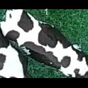
/Users/as16542/Downloads/10m32xl88x2b61zlkkgz3fml17/identification/images/train/009/000066.jpg | 2 |  | 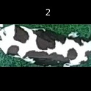
/Users/as16542/Downloads/10m32xl88x2b61zlkkgz3fml17/identification/images/train/009/000056.jpg | 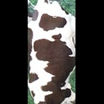 0
/Users/as16542/Downloads/10m32xl88x2b61zlkkgz3fml17/identification/images/train/009/000009.jpg | 2 |  | 
/Users/as16542/Downloads/10m32xl88x2b61zlkkgz3fml17/identification/images/train/009/000015.jpg | 4 |  |  |  | 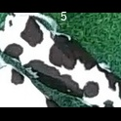
/Users/as16542/Downloads/10m32xl88x2b61zlkkgz3fml17/identification/images/train/009/000075.jpg | 4 |  |  |  | 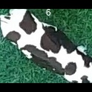
/Users/as16542/Downloads/10m32xl88x2b61zlkkgz3fml17/identification/images/train/009/000048.jpg | 2 |  | 
/Users/as16542/Downloads/10m32xl88x2b61zlkkgz3fml17/identification/images/train/009/000050.jpg | 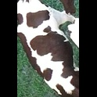 0
/Users/as16542/Downloads/10m32xl88x2b61zlkkgz3fml17/identification/images/train/009/000052.jpg | 4 |  |  |  | 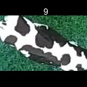
/Users/as16542/Downloads/10m32xl88x2b61zlkkgz3fml17/identification/images/train/009/000043.jpg | 1 | 
/Users/as16542/Downloads/10m32xl88x2b61zlkkgz3fml17/identification/images/train/009/000037.jpg | 4 |  |  |  | 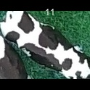
/Users/as16542/Downloads/10m32xl88x2b61zlkkgz3fml17/identification/images/train/009/000014.jpg |  0
/Users/as16542/Downloads/10m32xl88x2b61zlkkgz3fml17/identification/images/train/009/000057.jpg | 1 | 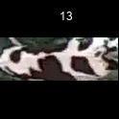
/Users/as16542/Downloads/10m32xl88x2b61zlkkgz3fml17/identification/images/train/009/000019.jpg | 4 |  |  |  | 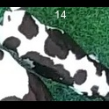
/Users/as16542/Downloads/10m32xl88x2b61zlkkgz3fml17/identification/images/train/009/000040.jpg | 5 |  |  |  |  | 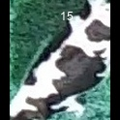
/Users/as16542/Downloads/10m32xl88x2b61zlkkgz3fml17/identification/images/train/009/000069.jpg | 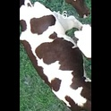 0
/Users/as16542/Downloads/10m32xl88x2b61zlkkgz3fml17/identification/images/train/009/000060.jpg | 4 |  |  |  | 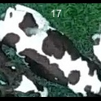
/Users/as16542/Downloads/10m32xl88x2b61zlkkgz3fml17/identification/images/train/009/000046.jpg | 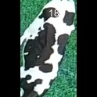 0
/Users/as16542/Downloads/10m32xl88x2b61zlkkgz3fml17/identification/images/train/009/000051.jpg | 1 | 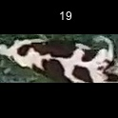
/Users/as16542/Downloads/10m32xl88x2b61zlkkgz3fml17/identification/images/train/009/000072.jpg | 1 | 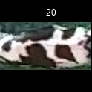
/Users/as16542/Downloads/10m32xl88x2b61zlkkgz3fml17/identification/images/train/009/000044.jpg | 4 |  |  |  | 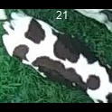
/Users/as16542/Downloads/10m32xl88x2b61zlkkgz3fml17/identification/images/train/009/000011.jpg | 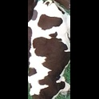 0
/Users/as16542/Downloads/10m32xl88x2b61zlkkgz3fml17/identification/images/train/009/000063.jpg | 4 |  |  |  | 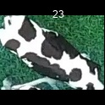
/Users/as16542/Downloads/10m32xl88x2b61zlkkgz3fml17/identification/images/train/009/000002.jpg | 1 | 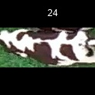
/Users/as16542/Downloads/10m32xl88x2b61zlkkgz3fml17/identification/images/train/009/000041.jpg | 3 |  |  | 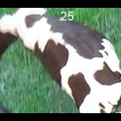
/Users/as16542/Downloads/10m32xl88x2b61zlkkgz3fml17/identification/images/train/009/000003.jpg | 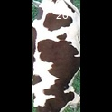 0
/Users/as16542/Downloads/10m32xl88x2b61zlkkgz3fml17/identification/images/train/009/000032.jpg | 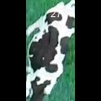 0
/Users/as16542/Downloads/10m32xl88x2b61zlkkgz3fml17/identification/images/train/009/000025.jpg | 2 |  | 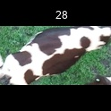
/Users/as16542/Downloads/10m32xl88x2b61zlkkgz3fml17/identification/images/train/009/000067.jpg | 4 |  |  |  | 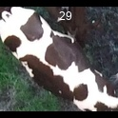
/Users/as16542/Downloads/10m32xl88x2b61zlkkgz3fml17/identification/images/train/009/000012.jpg | 2 |  | 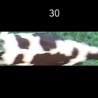
/Users/as16542/Downloads/10m32xl88x2b61zlkkgz3fml17/identification/images/train/009/000058.jpg | 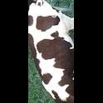 0
/Users/as16542/Downloads/10m32xl88x2b61zlkkgz3fml17/identification/images/train/009/000018.jpg | 2 |  | 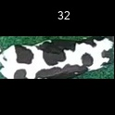
/Users/as16542/Downloads/10m32xl88x2b61zlkkgz3fml17/identification/images/train/009/000013.jpg | 1 | 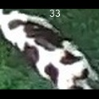
/Users/as16542/Downloads/10m32xl88x2b61zlkkgz3fml17/identification/images/train/009/000068.jpg | 4 |  |  |  | 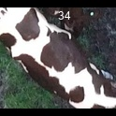
/Users/as16542/Downloads/10m32xl88x2b61zlkkgz3fml17/identification/images/train/009/000017.jpg | 1 | 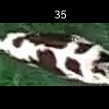
/Users/as16542/Downloads/10m32xl88x2b61zlkkgz3fml17/identification/images/train/009/000008.jpg | 3 |  |  | 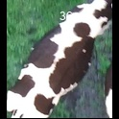
/Users/as16542/Downloads/10m32xl88x2b61zlkkgz3fml17/identification/images/train/009/000035.jpg | 1 | 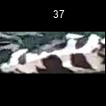
/Users/as16542/Downloads/10m32xl88x2b61zlkkgz3fml17/identification/images/train/009/000005.jpg | 1 | 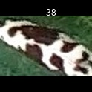
/Users/as16542/Downloads/10m32xl88x2b61zlkkgz3fml17/identification/images/train/009/000070.jpg | 1 | 
/Users/as16542/Downloads/10m32xl88x2b61zlkkgz3fml17/identification/images/train/009/000001.jpg |  0
/Users/as16542/Downloads/10m32xl88x2b61zlkkgz3fml17/identification/images/train/009/000006.jpg | 2 |  | 
/Users/as16542/Downloads/10m32xl88x2b61zlkkgz3fml17/identification/images/train/009/000062.jpg | 1 | 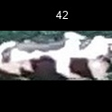
/Users/as16542/Downloads/10m32xl88x2b61zlkkgz3fml17/identification/images/train/009/000023.jpg | 4 |  |  |  | 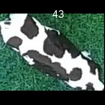
/Users/as16542/Downloads/10m32xl88x2b61zlkkgz3fml17/identification/images/train/009/000026.jpg | 2 |  | 
/Users/as16542/Downloads/10m32xl88x2b61zlkkgz3fml17/identification/images/train/009/000036.jpg | 1 | 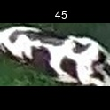
/Users/as16542/Downloads/10m32xl88x2b61zlkkgz3fml17/identification/images/train/009/000010.jpg | 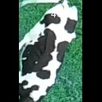 0
/Users/as16542/Downloads/10m32xl88x2b61zlkkgz3fml17/identification/images/train/009/000039.jpg | 1 | 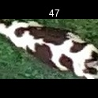
/Users/as16542/Downloads/10m32xl88x2b61zlkkgz3fml17/identification/images/train/009/000059.jpg | 5 |  |  |  |  | 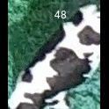
/Users/as16542/Downloads/10m32xl88x2b61zlkkgz3fml17/identification/images/train/009/000004.jpg | 3 |  |  | 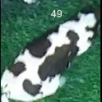
/Users/as16542/Downloads/10m32xl88x2b61zlkkgz3fml17/identification/images/train/009/000033.jpg | 4 |  |  |  | 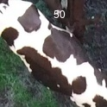
/Users/as16542/Downloads/10m32xl88x2b61zlkkgz3fml17/identification/images/train/009/000034.jpg | 4 |  |  |  | 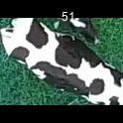
/Users/as16542/Downloads/10m32xl88x2b61zlkkgz3fml17/identification/images/train/009/000061.jpg | 1 | 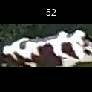
/Users/as16542/Downloads/10m32xl88x2b61zlkkgz3fml17/identification/images/train/009/000028.jpg | 2 |  | 
/Users/as16542/Downloads/10m32xl88x2b61zlkkgz3fml17/identification/images/train/009/000030.jpg | 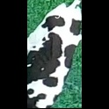 0
/Users/as16542/Downloads/10m32xl88x2b61zlkkgz3fml17/identification/images/train/009/000045.jpg | 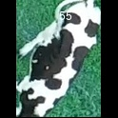 0
/Users/as16542/Downloads/10m32xl88x2b61zlkkgz3fml17/identification/images/train/009/000074.jpg | 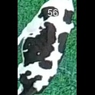 0
/Users/as16542/Downloads/10m32xl88x2b61zlkkgz3fml17/identification/images/train/009/000029.jpg | 1 | 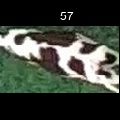
/Users/as16542/Downloads/10m32xl88x2b61zlkkgz3fml17/identification/images/train/009/000064.jpg | 4 |  |  |  | 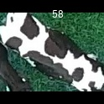
/Users/as16542/Downloads/10m32xl88x2b61zlkkgz3fml17/identification/images/train/009/000042.jpg | 1 | 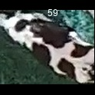
/Users/as16542/Downloads/10m32xl88x2b61zlkkgz3fml17/identification/images/train/009/000031.jpg | 2 |  | 
/Users/as16542/Downloads/10m32xl88x2b61zlkkgz3fml17/identification/images/train/009/000073.jpg |  0
/Users/as16542/Downloads/10m32xl88x2b61zlkkgz3fml17/identification/images/train/009/000021.jpg | 1 | 
/Users/as16542/Downloads/10m32xl88x2b61zlkkgz3fml17/identification/images/train/009/000022.jpg |  0
/Users/as16542/Downloads/10m32xl88x2b61zlkkgz3fml17/identification/images/train/009/000047.jpg | 3 |  |  | 
/Users/as16542/Downloads/10m32xl88x2b61zlkkgz3fml17/identification/images/train/009/000055.jpg |  0
/Users/as16542/Downloads/10m32xl88x2b61zlkkgz3fml17/identification/images/train/009/000049.jpg |  0
/Users/as16542/Downloads/10m32xl88x2b61zlkkgz3fml17/identification/images/train/009/000038.jpg | 1 | 
/Users/as16542/Downloads/10m32xl88x2b61zlkkgz3fml17/identification/images/train/009/000016.jpg |  0
/Users/as16542/Downloads/10m32xl88x2b61zlkkgz3fml17/identification/images/train/009/000027.jpg | 1 | 
/Users/as16542/Downloads/10m32xl88x2b61zlkkgz3fml17/identification/images/train/009/000065.jpg |  0
/Users/as16542/Downloads/10m32xl88x2b61zlkkgz3fml17/identification/images/train/009/000024.jpg | 1 | 
/Users/as16542/Downloads/10m32xl88x2b61zlkkgz3fml17/identification/images/train/009/000054.jpg |  0
/Users/as16542/Downloads/10m32xl88x2b61zlkkgz3fml17/identification/images/train/009/000007.jpg | 2 |  | 
/Users/as16542/Downloads/10m32xl88x2b61zlkkgz3fml17/identification/images/train/009/000020.jpg | 3 |  |  | 

