Sheet1
/Users/as16542/Downloads/10m32xl88x2b61zlkkgz3fml17/identification/images/train/016/000088.jpg | 2 |  |  |  | 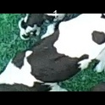
/Users/as16542/Downloads/10m32xl88x2b61zlkkgz3fml17/identification/images/train/016/000079.jpg | 1 |  | 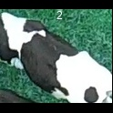
/Users/as16542/Downloads/10m32xl88x2b61zlkkgz3fml17/identification/images/train/016/000071.jpg | 3 |  |  |  |  | 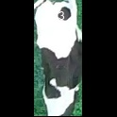
/Users/as16542/Downloads/10m32xl88x2b61zlkkgz3fml17/identification/images/train/016/000165.jpg | 3 |  |  |  |  | 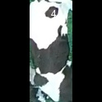
/Users/as16542/Downloads/10m32xl88x2b61zlkkgz3fml17/identification/images/train/016/000116.jpg | 3 |  |  |  |  | 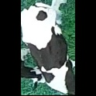
/Users/as16542/Downloads/10m32xl88x2b61zlkkgz3fml17/identification/images/train/016/000053.jpg | 3 |  |  |  |  | 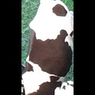
/Users/as16542/Downloads/10m32xl88x2b61zlkkgz3fml17/identification/images/train/016/000077.jpg | 3 |  |  |  |  | 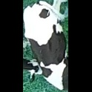
/Users/as16542/Downloads/10m32xl88x2b61zlkkgz3fml17/identification/images/train/016/000107.jpg | 3 |  |  |  |  | 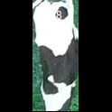
/Users/as16542/Downloads/10m32xl88x2b61zlkkgz3fml17/identification/images/train/016/000148.jpg | 3 |  |  |  |  | 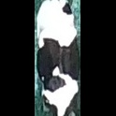
/Users/as16542/Downloads/10m32xl88x2b61zlkkgz3fml17/identification/images/train/016/000124.jpg | 3 |  |  |  |  | 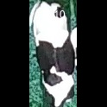
/Users/as16542/Downloads/10m32xl88x2b61zlkkgz3fml17/identification/images/train/016/000144.jpg | 4 |  |  |  |  |  | 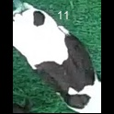
/Users/as16542/Downloads/10m32xl88x2b61zlkkgz3fml17/identification/images/train/016/000147.jpg | 0 | 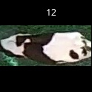
/Users/as16542/Downloads/10m32xl88x2b61zlkkgz3fml17/identification/images/train/016/000066.jpg | 3 |  |  |  |  | 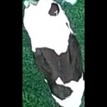
/Users/as16542/Downloads/10m32xl88x2b61zlkkgz3fml17/identification/images/train/016/000095.jpg | 3 |  |  |  |  | 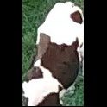
/Users/as16542/Downloads/10m32xl88x2b61zlkkgz3fml17/identification/images/train/016/000056.jpg | 0 | 
/Users/as16542/Downloads/10m32xl88x2b61zlkkgz3fml17/identification/images/train/016/000158.jpg | 3 |  |  |  |  | 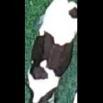
/Users/as16542/Downloads/10m32xl88x2b61zlkkgz3fml17/identification/images/train/016/000009.jpg | 5 |  |  |  |  |  |  | 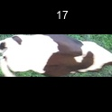
/Users/as16542/Downloads/10m32xl88x2b61zlkkgz3fml17/identification/images/train/016/000168.jpg | 3 |  |  |  |  | 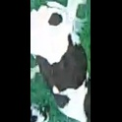
/Users/as16542/Downloads/10m32xl88x2b61zlkkgz3fml17/identification/images/train/016/000146.jpg | 3 |  |  |  |  | 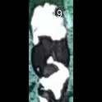
/Users/as16542/Downloads/10m32xl88x2b61zlkkgz3fml17/identification/images/train/016/000015.jpg | 5 |  |  |  |  |  |  | 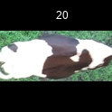
/Users/as16542/Downloads/10m32xl88x2b61zlkkgz3fml17/identification/images/train/016/000120.jpg | 4 |  |  |  |  |  | 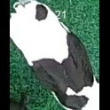
/Users/as16542/Downloads/10m32xl88x2b61zlkkgz3fml17/identification/images/train/016/000154.jpg | 1 |  | 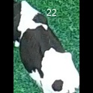
/Users/as16542/Downloads/10m32xl88x2b61zlkkgz3fml17/identification/images/train/016/000093.jpg | 0 | 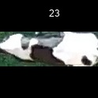
/Users/as16542/Downloads/10m32xl88x2b61zlkkgz3fml17/identification/images/train/016/000156.jpg | 3 |  |  |  |  | 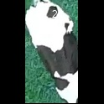
/Users/as16542/Downloads/10m32xl88x2b61zlkkgz3fml17/identification/images/train/016/000118.jpg | 3 |  |  |  |  | 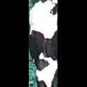
/Users/as16542/Downloads/10m32xl88x2b61zlkkgz3fml17/identification/images/train/016/000091.jpg | 0 | 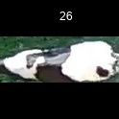
/Users/as16542/Downloads/10m32xl88x2b61zlkkgz3fml17/identification/images/train/016/000075.jpg | 3 |  |  |  |  | 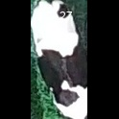
/Users/as16542/Downloads/10m32xl88x2b61zlkkgz3fml17/identification/images/train/016/000048.jpg | 3 |  |  |  |  | 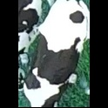
/Users/as16542/Downloads/10m32xl88x2b61zlkkgz3fml17/identification/images/train/016/000164.jpg | 3 |  |  |  |  | 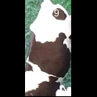
/Users/as16542/Downloads/10m32xl88x2b61zlkkgz3fml17/identification/images/train/016/000050.jpg | 0 | 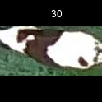
/Users/as16542/Downloads/10m32xl88x2b61zlkkgz3fml17/identification/images/train/016/000112.jpg | 3 |  |  |  |  | 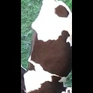
/Users/as16542/Downloads/10m32xl88x2b61zlkkgz3fml17/identification/images/train/016/000052.jpg | 0 | 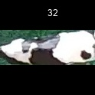
/Users/as16542/Downloads/10m32xl88x2b61zlkkgz3fml17/identification/images/train/016/000043.jpg | 3 |  |  |  |  | 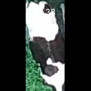
/Users/as16542/Downloads/10m32xl88x2b61zlkkgz3fml17/identification/images/train/016/000115.jpg | 3 |  |  |  |  | 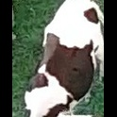
/Users/as16542/Downloads/10m32xl88x2b61zlkkgz3fml17/identification/images/train/016/000086.jpg | 3 |  |  |  |  | 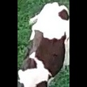
/Users/as16542/Downloads/10m32xl88x2b61zlkkgz3fml17/identification/images/train/016/000037.jpg | 3 |  |  |  |  | 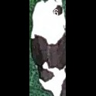
/Users/as16542/Downloads/10m32xl88x2b61zlkkgz3fml17/identification/images/train/016/000014.jpg | 0 | 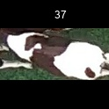
/Users/as16542/Downloads/10m32xl88x2b61zlkkgz3fml17/identification/images/train/016/000057.jpg | 0 | 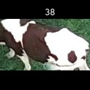
/Users/as16542/Downloads/10m32xl88x2b61zlkkgz3fml17/identification/images/train/016/000019.jpg | 0 | 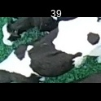
/Users/as16542/Downloads/10m32xl88x2b61zlkkgz3fml17/identification/images/train/016/000040.jpg | 3 |  |  |  |  | 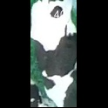
/Users/as16542/Downloads/10m32xl88x2b61zlkkgz3fml17/identification/images/train/016/000069.jpg | 0 | 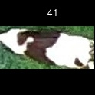
/Users/as16542/Downloads/10m32xl88x2b61zlkkgz3fml17/identification/images/train/016/000060.jpg | 4 |  |  |  |  |  | 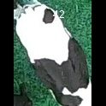
/Users/as16542/Downloads/10m32xl88x2b61zlkkgz3fml17/identification/images/train/016/000046.jpg | 0 | 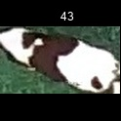
/Users/as16542/Downloads/10m32xl88x2b61zlkkgz3fml17/identification/images/train/016/000105.jpg | 0 | 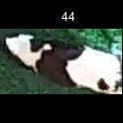
/Users/as16542/Downloads/10m32xl88x2b61zlkkgz3fml17/identification/images/train/016/000132.jpg | 0 | 
/Users/as16542/Downloads/10m32xl88x2b61zlkkgz3fml17/identification/images/train/016/000136.jpg | 3 |  |  |  |  | 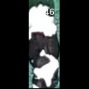
/Users/as16542/Downloads/10m32xl88x2b61zlkkgz3fml17/identification/images/train/016/000089.jpg | 1 |  | 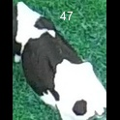
/Users/as16542/Downloads/10m32xl88x2b61zlkkgz3fml17/identification/images/train/016/000161.jpg | 0 | 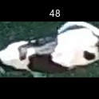
/Users/as16542/Downloads/10m32xl88x2b61zlkkgz3fml17/identification/images/train/016/000051.jpg | 5 |  |  |  |  |  |  | 
/Users/as16542/Downloads/10m32xl88x2b61zlkkgz3fml17/identification/images/train/016/000072.jpg | 0 | 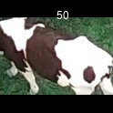
/Users/as16542/Downloads/10m32xl88x2b61zlkkgz3fml17/identification/images/train/016/000044.jpg | 0 | 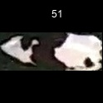
/Users/as16542/Downloads/10m32xl88x2b61zlkkgz3fml17/identification/images/train/016/000078.jpg | 0 | 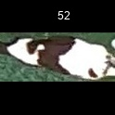
/Users/as16542/Downloads/10m32xl88x2b61zlkkgz3fml17/identification/images/train/016/000011.jpg | 5 |  |  |  |  |  |  | 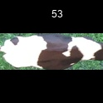
/Users/as16542/Downloads/10m32xl88x2b61zlkkgz3fml17/identification/images/train/016/000128.jpg | 0 | 
/Users/as16542/Downloads/10m32xl88x2b61zlkkgz3fml17/identification/images/train/016/000063.jpg | 3 |  |  |  |  | 
/Users/as16542/Downloads/10m32xl88x2b61zlkkgz3fml17/identification/images/train/016/000002.jpg | 3 |  |  |  |  | 
/Users/as16542/Downloads/10m32xl88x2b61zlkkgz3fml17/identification/images/train/016/000081.jpg | 0 | 
/Users/as16542/Downloads/10m32xl88x2b61zlkkgz3fml17/identification/images/train/016/000041.jpg | 3 |  |  |  |  | 
/Users/as16542/Downloads/10m32xl88x2b61zlkkgz3fml17/identification/images/train/016/000153.jpg | 0 | 
/Users/as16542/Downloads/10m32xl88x2b61zlkkgz3fml17/identification/images/train/016/000003.jpg | 3 |  |  |  |  | 
/Users/as16542/Downloads/10m32xl88x2b61zlkkgz3fml17/identification/images/train/016/000032.jpg | 0 | 
/Users/as16542/Downloads/10m32xl88x2b61zlkkgz3fml17/identification/images/train/016/000025.jpg | 3 |  |  |  |  | 
/Users/as16542/Downloads/10m32xl88x2b61zlkkgz3fml17/identification/images/train/016/000141.jpg | 0 | 
/Users/as16542/Downloads/10m32xl88x2b61zlkkgz3fml17/identification/images/train/016/000067.jpg | 0 | 
/Users/as16542/Downloads/10m32xl88x2b61zlkkgz3fml17/identification/images/train/016/000097.jpg | 3 |  |  |  |  | 
/Users/as16542/Downloads/10m32xl88x2b61zlkkgz3fml17/identification/images/train/016/000012.jpg | 3 |  |  |  |  | 
/Users/as16542/Downloads/10m32xl88x2b61zlkkgz3fml17/identification/images/train/016/000058.jpg | 3 |  |  |  |  | 
/Users/as16542/Downloads/10m32xl88x2b61zlkkgz3fml17/identification/images/train/016/000152.jpg | 2 |  |  |  | 
/Users/as16542/Downloads/10m32xl88x2b61zlkkgz3fml17/identification/images/train/016/000018.jpg | 3 |  |  |  |  | 
/Users/as16542/Downloads/10m32xl88x2b61zlkkgz3fml17/identification/images/train/016/000013.jpg | 2 |  |  |  | 
/Users/as16542/Downloads/10m32xl88x2b61zlkkgz3fml17/identification/images/train/016/000129.jpg | 3 |  |  |  |  | 
/Users/as16542/Downloads/10m32xl88x2b61zlkkgz3fml17/identification/images/train/016/000131.jpg | 3 |  |  |  |  | 
/Users/as16542/Downloads/10m32xl88x2b61zlkkgz3fml17/identification/images/train/016/000151.jpg | 3 |  |  |  |  | 
/Users/as16542/Downloads/10m32xl88x2b61zlkkgz3fml17/identification/images/train/016/000068.jpg | 4 |  |  |  |  |  | 
/Users/as16542/Downloads/10m32xl88x2b61zlkkgz3fml17/identification/images/train/016/000017.jpg | 0 | 
/Users/as16542/Downloads/10m32xl88x2b61zlkkgz3fml17/identification/images/train/016/000149.jpg | 4 |  |  |  |  |  | 
/Users/as16542/Downloads/10m32xl88x2b61zlkkgz3fml17/identification/images/train/016/000008.jpg | 3 |  |  |  |  | 
/Users/as16542/Downloads/10m32xl88x2b61zlkkgz3fml17/identification/images/train/016/000035.jpg | 0 | 
/Users/as16542/Downloads/10m32xl88x2b61zlkkgz3fml17/identification/images/train/016/000108.jpg | 4 |  |  |  |  |  | 
/Users/as16542/Downloads/10m32xl88x2b61zlkkgz3fml17/identification/images/train/016/000005.jpg | 3 |  |  |  |  | 
/Users/as16542/Downloads/10m32xl88x2b61zlkkgz3fml17/identification/images/train/016/000163.jpg | 3 |  |  |  |  | 
/Users/as16542/Downloads/10m32xl88x2b61zlkkgz3fml17/identification/images/train/016/000139.jpg | 3 |  |  |  |  | 
/Users/as16542/Downloads/10m32xl88x2b61zlkkgz3fml17/identification/images/train/016/000130.jpg | 0 | 
/Users/as16542/Downloads/10m32xl88x2b61zlkkgz3fml17/identification/images/train/016/000159.jpg | 3 |  |  |  |  | 
/Users/as16542/Downloads/10m32xl88x2b61zlkkgz3fml17/identification/images/train/016/000167.jpg | 3 |  |  |  |  | 
/Users/as16542/Downloads/10m32xl88x2b61zlkkgz3fml17/identification/images/train/016/000070.jpg | 3 |  |  |  |  | 
/Users/as16542/Downloads/10m32xl88x2b61zlkkgz3fml17/identification/images/train/016/000001.jpg | 3 |  |  |  |  | 
/Users/as16542/Downloads/10m32xl88x2b61zlkkgz3fml17/identification/images/train/016/000085.jpg | 2 |  |  |  | 
/Users/as16542/Downloads/10m32xl88x2b61zlkkgz3fml17/identification/images/train/016/000111.jpg | 0 | 
/Users/as16542/Downloads/10m32xl88x2b61zlkkgz3fml17/identification/images/train/016/000127.jpg | 3 |  |  |  |  | 
/Users/as16542/Downloads/10m32xl88x2b61zlkkgz3fml17/identification/images/train/016/000104.jpg | 0 | 
/Users/as16542/Downloads/10m32xl88x2b61zlkkgz3fml17/identification/images/train/016/000099.jpg | 3 |  |  |  |  | 
/Users/as16542/Downloads/10m32xl88x2b61zlkkgz3fml17/identification/images/train/016/000137.jpg | 0 | 
/Users/as16542/Downloads/10m32xl88x2b61zlkkgz3fml17/identification/images/train/016/000006.jpg | 0 | 
/Users/as16542/Downloads/10m32xl88x2b61zlkkgz3fml17/identification/images/train/016/000062.jpg | 4 |  |  |  |  |  | 
/Users/as16542/Downloads/10m32xl88x2b61zlkkgz3fml17/identification/images/train/016/000140.jpg | 0 | 
/Users/as16542/Downloads/10m32xl88x2b61zlkkgz3fml17/identification/images/train/016/000023.jpg | 2 |  |  | 
/Users/as16542/Downloads/10m32xl88x2b61zlkkgz3fml17/identification/images/train/016/000026.jpg | 0 | 
/Users/as16542/Downloads/10m32xl88x2b61zlkkgz3fml17/identification/images/train/016/000166.jpg | 3 |  |  |  |  | 
/Users/as16542/Downloads/10m32xl88x2b61zlkkgz3fml17/identification/images/train/016/000134.jpg | 3 |  |  |  |  | 
/Users/as16542/Downloads/10m32xl88x2b61zlkkgz3fml17/identification/images/train/016/000036.jpg | 0 | 
/Users/as16542/Downloads/10m32xl88x2b61zlkkgz3fml17/identification/images/train/016/000157.jpg | 0 | 
/Users/as16542/Downloads/10m32xl88x2b61zlkkgz3fml17/identification/images/train/016/000010.jpg | 0 | 
/Users/as16542/Downloads/10m32xl88x2b61zlkkgz3fml17/identification/images/train/016/000114.jpg | 3 |  |  |  |  | 
/Users/as16542/Downloads/10m32xl88x2b61zlkkgz3fml17/identification/images/train/016/000083.jpg | 0 | 
/Users/as16542/Downloads/10m32xl88x2b61zlkkgz3fml17/identification/images/train/016/000119.jpg | 3 |  |  |  |  | 
/Users/as16542/Downloads/10m32xl88x2b61zlkkgz3fml17/identification/images/train/016/000039.jpg | 1 |  | 
/Users/as16542/Downloads/10m32xl88x2b61zlkkgz3fml17/identification/images/train/016/000059.jpg | 3 |  |  |  |  | 
/Users/as16542/Downloads/10m32xl88x2b61zlkkgz3fml17/identification/images/train/016/000110.jpg | 2 |  |  |  | 
/Users/as16542/Downloads/10m32xl88x2b61zlkkgz3fml17/identification/images/train/016/000135.jpg | 4 |  |  |  |  |  | 
/Users/as16542/Downloads/10m32xl88x2b61zlkkgz3fml17/identification/images/train/016/000113.jpg | 0 | 
/Users/as16542/Downloads/10m32xl88x2b61zlkkgz3fml17/identification/images/train/016/000170.jpg | 3 |  |  |  |  | 
/Users/as16542/Downloads/10m32xl88x2b61zlkkgz3fml17/identification/images/train/016/000004.jpg | 3 |  |  |  |  | 
/Users/as16542/Downloads/10m32xl88x2b61zlkkgz3fml17/identification/images/train/016/000084.jpg | 3 |  |  |  |  | 
/Users/as16542/Downloads/10m32xl88x2b61zlkkgz3fml17/identification/images/train/016/000092.jpg | 4 |  |  |  |  |  | 
/Users/as16542/Downloads/10m32xl88x2b61zlkkgz3fml17/identification/images/train/016/000033.jpg | 0 | 
/Users/as16542/Downloads/10m32xl88x2b61zlkkgz3fml17/identification/images/train/016/000034.jpg | 3 |  |  |  |  | 
/Users/as16542/Downloads/10m32xl88x2b61zlkkgz3fml17/identification/images/train/016/000061.jpg | 3 |  |  |  |  | 
/Users/as16542/Downloads/10m32xl88x2b61zlkkgz3fml17/identification/images/train/016/000160.jpg | 1 |  | 
/Users/as16542/Downloads/10m32xl88x2b61zlkkgz3fml17/identification/images/train/016/000028.jpg | 3 |  |  |  |  | 
/Users/as16542/Downloads/10m32xl88x2b61zlkkgz3fml17/identification/images/train/016/000082.jpg | 3 |  |  |  |  | 
/Users/as16542/Downloads/10m32xl88x2b61zlkkgz3fml17/identification/images/train/016/000098.jpg | 3 |  |  |  |  | 
/Users/as16542/Downloads/10m32xl88x2b61zlkkgz3fml17/identification/images/train/016/000030.jpg | 3 |  |  |  |  | 
/Users/as16542/Downloads/10m32xl88x2b61zlkkgz3fml17/identification/images/train/016/000045.jpg | 0 | 
/Users/as16542/Downloads/10m32xl88x2b61zlkkgz3fml17/identification/images/train/016/000080.jpg | 5 |  |  |  |  |  |  | 
/Users/as16542/Downloads/10m32xl88x2b61zlkkgz3fml17/identification/images/train/016/000117.jpg | 3 |  |  |  |  | 
/Users/as16542/Downloads/10m32xl88x2b61zlkkgz3fml17/identification/images/train/016/000074.jpg | 0 | 
/Users/as16542/Downloads/10m32xl88x2b61zlkkgz3fml17/identification/images/train/016/000029.jpg | 5 |  |  |  |  |  |  | 
/Users/as16542/Downloads/10m32xl88x2b61zlkkgz3fml17/identification/images/train/016/000103.jpg | 1 |  | 
/Users/as16542/Downloads/10m32xl88x2b61zlkkgz3fml17/identification/images/train/016/000155.jpg | 3 |  |  |  |  | 
/Users/as16542/Downloads/10m32xl88x2b61zlkkgz3fml17/identification/images/train/016/000064.jpg | 0 | 
/Users/as16542/Downloads/10m32xl88x2b61zlkkgz3fml17/identification/images/train/016/000121.jpg | 4 |  |  |  |  |  | 
/Users/as16542/Downloads/10m32xl88x2b61zlkkgz3fml17/identification/images/train/016/000133.jpg | 3 |  |  |  |  | 
/Users/as16542/Downloads/10m32xl88x2b61zlkkgz3fml17/identification/images/train/016/000042.jpg | 0 | 
/Users/as16542/Downloads/10m32xl88x2b61zlkkgz3fml17/identification/images/train/016/000109.jpg | 0 | 
/Users/as16542/Downloads/10m32xl88x2b61zlkkgz3fml17/identification/images/train/016/000138.jpg | 3 |  |  |  |  | 
/Users/as16542/Downloads/10m32xl88x2b61zlkkgz3fml17/identification/images/train/016/000031.jpg | 0 | 
/Users/as16542/Downloads/10m32xl88x2b61zlkkgz3fml17/identification/images/train/016/000073.jpg | 0 | 
/Users/as16542/Downloads/10m32xl88x2b61zlkkgz3fml17/identification/images/train/016/000021.jpg | 4 |  |  |  |  |  | 
/Users/as16542/Downloads/10m32xl88x2b61zlkkgz3fml17/identification/images/train/016/000122.jpg | 0 | 
/Users/as16542/Downloads/10m32xl88x2b61zlkkgz3fml17/identification/images/train/016/000094.jpg | 3 |  |  |  |  | 
/Users/as16542/Downloads/10m32xl88x2b61zlkkgz3fml17/identification/images/train/016/000022.jpg | 3 |  |  |  |  | 
/Users/as16542/Downloads/10m32xl88x2b61zlkkgz3fml17/identification/images/train/016/000101.jpg | 0 | 
/Users/as16542/Downloads/10m32xl88x2b61zlkkgz3fml17/identification/images/train/016/000047.jpg | 3 |  |  |  |  | 
/Users/as16542/Downloads/10m32xl88x2b61zlkkgz3fml17/identification/images/train/016/000055.jpg | 4 |  |  |  |  |  | 
/Users/as16542/Downloads/10m32xl88x2b61zlkkgz3fml17/identification/images/train/016/000049.jpg | 3 |  |  |  |  | 
/Users/as16542/Downloads/10m32xl88x2b61zlkkgz3fml17/identification/images/train/016/000096.jpg | 0 | 
/Users/as16542/Downloads/10m32xl88x2b61zlkkgz3fml17/identification/images/train/016/000076.jpg | 0 | 
/Users/as16542/Downloads/10m32xl88x2b61zlkkgz3fml17/identification/images/train/016/000125.jpg | 4 |  |  |  |  |  | 
/Users/as16542/Downloads/10m32xl88x2b61zlkkgz3fml17/identification/images/train/016/000038.jpg | 3 |  |  |  |  | 
/Users/as16542/Downloads/10m32xl88x2b61zlkkgz3fml17/identification/images/train/016/000016.jpg | 4 |  |  |  |  |  | 
/Users/as16542/Downloads/10m32xl88x2b61zlkkgz3fml17/identification/images/train/016/000087.jpg | 0 | 
/Users/as16542/Downloads/10m32xl88x2b61zlkkgz3fml17/identification/images/train/016/000027.jpg | 0 | 
/Users/as16542/Downloads/10m32xl88x2b61zlkkgz3fml17/identification/images/train/016/000106.jpg | 0 | 
/Users/as16542/Downloads/10m32xl88x2b61zlkkgz3fml17/identification/images/train/016/000143.jpg | 1 |  | 
/Users/as16542/Downloads/10m32xl88x2b61zlkkgz3fml17/identification/images/train/016/000145.jpg | 0 | 
/Users/as16542/Downloads/10m32xl88x2b61zlkkgz3fml17/identification/images/train/016/000090.jpg | 0 | 
/Users/as16542/Downloads/10m32xl88x2b61zlkkgz3fml17/identification/images/train/016/000126.jpg | 3 |  |  |  |  | 
/Users/as16542/Downloads/10m32xl88x2b61zlkkgz3fml17/identification/images/train/016/000162.jpg | 3 |  |  |  |  | 
/Users/as16542/Downloads/10m32xl88x2b61zlkkgz3fml17/identification/images/train/016/000100.jpg | 3 |  |  |  |  | 
/Users/as16542/Downloads/10m32xl88x2b61zlkkgz3fml17/identification/images/train/016/000169.jpg | 0 | 
/Users/as16542/Downloads/10m32xl88x2b61zlkkgz3fml17/identification/images/train/016/000123.jpg | 0 | 
/Users/as16542/Downloads/10m32xl88x2b61zlkkgz3fml17/identification/images/train/016/000150.jpg | 5 |  |  |  |  |  |  | 
/Users/as16542/Downloads/10m32xl88x2b61zlkkgz3fml17/identification/images/train/016/000065.jpg | 0 | 
/Users/as16542/Downloads/10m32xl88x2b61zlkkgz3fml17/identification/images/train/016/000024.jpg | 5 |  |  |  |  |  |  | 
/Users/as16542/Downloads/10m32xl88x2b61zlkkgz3fml17/identification/images/train/016/000054.jpg | 3 |  |  |  |  | 
/Users/as16542/Downloads/10m32xl88x2b61zlkkgz3fml17/identification/images/train/016/000007.jpg | 0 | 
/Users/as16542/Downloads/10m32xl88x2b61zlkkgz3fml17/identification/images/train/016/000102.jpg | 2 |  |  |  | 
/Users/as16542/Downloads/10m32xl88x2b61zlkkgz3fml17/identification/images/train/016/000020.jpg | 0 | 

