Sheet1
/Users/as16542/Downloads/10m32xl88x2b61zlkkgz3fml17/identification/images/train/017/000079.jpg | 0 | 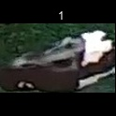
/Users/as16542/Downloads/10m32xl88x2b61zlkkgz3fml17/identification/images/train/017/000071.jpg | 0 | 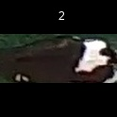
/Users/as16542/Downloads/10m32xl88x2b61zlkkgz3fml17/identification/images/train/017/000116.jpg | 1 |  | 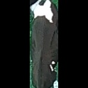
/Users/as16542/Downloads/10m32xl88x2b61zlkkgz3fml17/identification/images/train/017/000053.jpg | 2 |  |  | 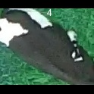
/Users/as16542/Downloads/10m32xl88x2b61zlkkgz3fml17/identification/images/train/017/000077.jpg | 0 | 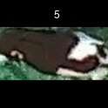
/Users/as16542/Downloads/10m32xl88x2b61zlkkgz3fml17/identification/images/train/017/000107.jpg | 0 | 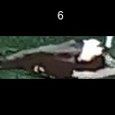
/Users/as16542/Downloads/10m32xl88x2b61zlkkgz3fml17/identification/images/train/017/000124.jpg | 2 |  |  | 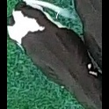
/Users/as16542/Downloads/10m32xl88x2b61zlkkgz3fml17/identification/images/train/017/000066.jpg | 1 |  | 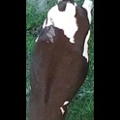
/Users/as16542/Downloads/10m32xl88x2b61zlkkgz3fml17/identification/images/train/017/000095.jpg | 4 |  |  |  |  | 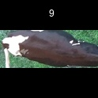
/Users/as16542/Downloads/10m32xl88x2b61zlkkgz3fml17/identification/images/train/017/000056.jpg | 0 | 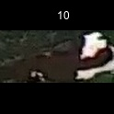
/Users/as16542/Downloads/10m32xl88x2b61zlkkgz3fml17/identification/images/train/017/000009.jpg | 1 |  | 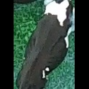
/Users/as16542/Downloads/10m32xl88x2b61zlkkgz3fml17/identification/images/train/017/000015.jpg | 0 | 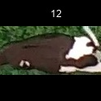
/Users/as16542/Downloads/10m32xl88x2b61zlkkgz3fml17/identification/images/train/017/000120.jpg | 1 |  | 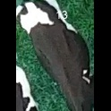
/Users/as16542/Downloads/10m32xl88x2b61zlkkgz3fml17/identification/images/train/017/000093.jpg | 4 |  |  |  |  | 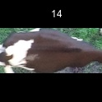
/Users/as16542/Downloads/10m32xl88x2b61zlkkgz3fml17/identification/images/train/017/000118.jpg | 0 | 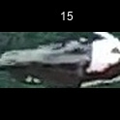
/Users/as16542/Downloads/10m32xl88x2b61zlkkgz3fml17/identification/images/train/017/000091.jpg | 0 | 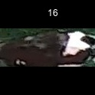
/Users/as16542/Downloads/10m32xl88x2b61zlkkgz3fml17/identification/images/train/017/000075.jpg | 4 |  |  |  |  | 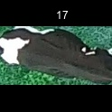
/Users/as16542/Downloads/10m32xl88x2b61zlkkgz3fml17/identification/images/train/017/000048.jpg | 1 |  | 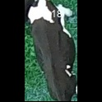
/Users/as16542/Downloads/10m32xl88x2b61zlkkgz3fml17/identification/images/train/017/000050.jpg | 0 | 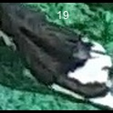
/Users/as16542/Downloads/10m32xl88x2b61zlkkgz3fml17/identification/images/train/017/000112.jpg | 2 |  |  | 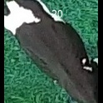
/Users/as16542/Downloads/10m32xl88x2b61zlkkgz3fml17/identification/images/train/017/000052.jpg | 2 |  |  | 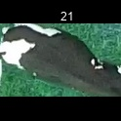
/Users/as16542/Downloads/10m32xl88x2b61zlkkgz3fml17/identification/images/train/017/000043.jpg | 1 |  | 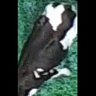
/Users/as16542/Downloads/10m32xl88x2b61zlkkgz3fml17/identification/images/train/017/000115.jpg | 4 |  |  |  |  | 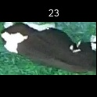
/Users/as16542/Downloads/10m32xl88x2b61zlkkgz3fml17/identification/images/train/017/000086.jpg | 0 | 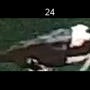
/Users/as16542/Downloads/10m32xl88x2b61zlkkgz3fml17/identification/images/train/017/000037.jpg | 0 | 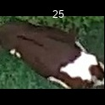
/Users/as16542/Downloads/10m32xl88x2b61zlkkgz3fml17/identification/images/train/017/000014.jpg | 2 |  |  | 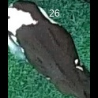
/Users/as16542/Downloads/10m32xl88x2b61zlkkgz3fml17/identification/images/train/017/000057.jpg | 4 |  |  |  |  | 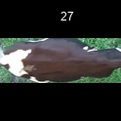
/Users/as16542/Downloads/10m32xl88x2b61zlkkgz3fml17/identification/images/train/017/000019.jpg | 0 | 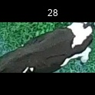
/Users/as16542/Downloads/10m32xl88x2b61zlkkgz3fml17/identification/images/train/017/000040.jpg | 4 |  |  |  |  | 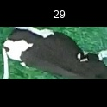
/Users/as16542/Downloads/10m32xl88x2b61zlkkgz3fml17/identification/images/train/017/000069.jpg | 0 | 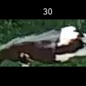
/Users/as16542/Downloads/10m32xl88x2b61zlkkgz3fml17/identification/images/train/017/000060.jpg | 2 |  |  | 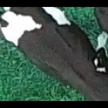
/Users/as16542/Downloads/10m32xl88x2b61zlkkgz3fml17/identification/images/train/017/000046.jpg | 0 | 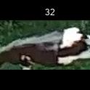
/Users/as16542/Downloads/10m32xl88x2b61zlkkgz3fml17/identification/images/train/017/000105.jpg | 2 |  |  | 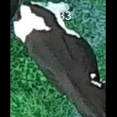
/Users/as16542/Downloads/10m32xl88x2b61zlkkgz3fml17/identification/images/train/017/000132.jpg | 3 |  |  |  | 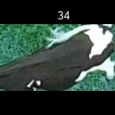
/Users/as16542/Downloads/10m32xl88x2b61zlkkgz3fml17/identification/images/train/017/000136.jpg | 2 |  |  | 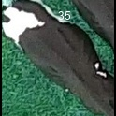
/Users/as16542/Downloads/10m32xl88x2b61zlkkgz3fml17/identification/images/train/017/000089.jpg | 1 |  | 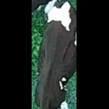
/Users/as16542/Downloads/10m32xl88x2b61zlkkgz3fml17/identification/images/train/017/000051.jpg | 0 | 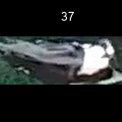
/Users/as16542/Downloads/10m32xl88x2b61zlkkgz3fml17/identification/images/train/017/000072.jpg | 1 |  | 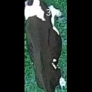
/Users/as16542/Downloads/10m32xl88x2b61zlkkgz3fml17/identification/images/train/017/000044.jpg | 2 |  |  | 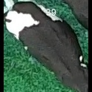
/Users/as16542/Downloads/10m32xl88x2b61zlkkgz3fml17/identification/images/train/017/000078.jpg | 2 |  |  | 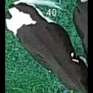
/Users/as16542/Downloads/10m32xl88x2b61zlkkgz3fml17/identification/images/train/017/000011.jpg | 3 |  |  |  | 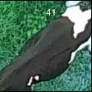
/Users/as16542/Downloads/10m32xl88x2b61zlkkgz3fml17/identification/images/train/017/000128.jpg | 0 | 
/Users/as16542/Downloads/10m32xl88x2b61zlkkgz3fml17/identification/images/train/017/000063.jpg | 2 |  |  | 
/Users/as16542/Downloads/10m32xl88x2b61zlkkgz3fml17/identification/images/train/017/000002.jpg | 0 | 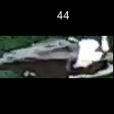
/Users/as16542/Downloads/10m32xl88x2b61zlkkgz3fml17/identification/images/train/017/000081.jpg | 4 |  |  |  |  | 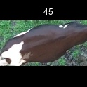
/Users/as16542/Downloads/10m32xl88x2b61zlkkgz3fml17/identification/images/train/017/000041.jpg | 0 | 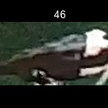
/Users/as16542/Downloads/10m32xl88x2b61zlkkgz3fml17/identification/images/train/017/000003.jpg | 1 |  | 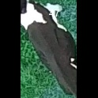
/Users/as16542/Downloads/10m32xl88x2b61zlkkgz3fml17/identification/images/train/017/000032.jpg | 2 |  |  | 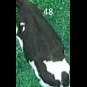
/Users/as16542/Downloads/10m32xl88x2b61zlkkgz3fml17/identification/images/train/017/000025.jpg | 2 |  |  | 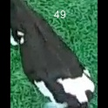
/Users/as16542/Downloads/10m32xl88x2b61zlkkgz3fml17/identification/images/train/017/000067.jpg | 2 |  |  | 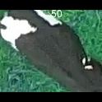
/Users/as16542/Downloads/10m32xl88x2b61zlkkgz3fml17/identification/images/train/017/000097.jpg | 0 | 
/Users/as16542/Downloads/10m32xl88x2b61zlkkgz3fml17/identification/images/train/017/000012.jpg | 3 |  |  |  | 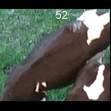
/Users/as16542/Downloads/10m32xl88x2b61zlkkgz3fml17/identification/images/train/017/000058.jpg | 0 | 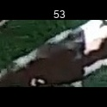
/Users/as16542/Downloads/10m32xl88x2b61zlkkgz3fml17/identification/images/train/017/000018.jpg | 0 | 
/Users/as16542/Downloads/10m32xl88x2b61zlkkgz3fml17/identification/images/train/017/000013.jpg | 2 |  |  | 
/Users/as16542/Downloads/10m32xl88x2b61zlkkgz3fml17/identification/images/train/017/000129.jpg | 0 | 
/Users/as16542/Downloads/10m32xl88x2b61zlkkgz3fml17/identification/images/train/017/000131.jpg | 1 |  | 
/Users/as16542/Downloads/10m32xl88x2b61zlkkgz3fml17/identification/images/train/017/000068.jpg | 4 |  |  |  |  | 
/Users/as16542/Downloads/10m32xl88x2b61zlkkgz3fml17/identification/images/train/017/000017.jpg | 0 | 
/Users/as16542/Downloads/10m32xl88x2b61zlkkgz3fml17/identification/images/train/017/000008.jpg | 4 |  |  |  |  | 
/Users/as16542/Downloads/10m32xl88x2b61zlkkgz3fml17/identification/images/train/017/000035.jpg | 0 | 
/Users/as16542/Downloads/10m32xl88x2b61zlkkgz3fml17/identification/images/train/017/000108.jpg | 2 |  |  | 
/Users/as16542/Downloads/10m32xl88x2b61zlkkgz3fml17/identification/images/train/017/000005.jpg | 1 |  | 
/Users/as16542/Downloads/10m32xl88x2b61zlkkgz3fml17/identification/images/train/017/000139.jpg | 1 |  | 
/Users/as16542/Downloads/10m32xl88x2b61zlkkgz3fml17/identification/images/train/017/000130.jpg | 0 | 
/Users/as16542/Downloads/10m32xl88x2b61zlkkgz3fml17/identification/images/train/017/000070.jpg | 3 |  |  |  | 
/Users/as16542/Downloads/10m32xl88x2b61zlkkgz3fml17/identification/images/train/017/000001.jpg | 1 |  | 
/Users/as16542/Downloads/10m32xl88x2b61zlkkgz3fml17/identification/images/train/017/000085.jpg | 2 |  |  | 
/Users/as16542/Downloads/10m32xl88x2b61zlkkgz3fml17/identification/images/train/017/000111.jpg | 2 |  |  | 
/Users/as16542/Downloads/10m32xl88x2b61zlkkgz3fml17/identification/images/train/017/000127.jpg | 1 |  | 
/Users/as16542/Downloads/10m32xl88x2b61zlkkgz3fml17/identification/images/train/017/000104.jpg | 1 |  | 
/Users/as16542/Downloads/10m32xl88x2b61zlkkgz3fml17/identification/images/train/017/000099.jpg | 1 |  | 
/Users/as16542/Downloads/10m32xl88x2b61zlkkgz3fml17/identification/images/train/017/000137.jpg | 1 |  | 
/Users/as16542/Downloads/10m32xl88x2b61zlkkgz3fml17/identification/images/train/017/000006.jpg | 2 |  |  | 
/Users/as16542/Downloads/10m32xl88x2b61zlkkgz3fml17/identification/images/train/017/000062.jpg | 0 | 
/Users/as16542/Downloads/10m32xl88x2b61zlkkgz3fml17/identification/images/train/017/000023.jpg | 0 | 
/Users/as16542/Downloads/10m32xl88x2b61zlkkgz3fml17/identification/images/train/017/000026.jpg | 0 | 
/Users/as16542/Downloads/10m32xl88x2b61zlkkgz3fml17/identification/images/train/017/000134.jpg | 2 |  |  | 
/Users/as16542/Downloads/10m32xl88x2b61zlkkgz3fml17/identification/images/train/017/000036.jpg | 4 |  |  |  |  | 
/Users/as16542/Downloads/10m32xl88x2b61zlkkgz3fml17/identification/images/train/017/000010.jpg | 2 |  |  | 
/Users/as16542/Downloads/10m32xl88x2b61zlkkgz3fml17/identification/images/train/017/000114.jpg | 2 |  |  | 
/Users/as16542/Downloads/10m32xl88x2b61zlkkgz3fml17/identification/images/train/017/000083.jpg | 1 |  | 
/Users/as16542/Downloads/10m32xl88x2b61zlkkgz3fml17/identification/images/train/017/000119.jpg | 2 |  |  | 
/Users/as16542/Downloads/10m32xl88x2b61zlkkgz3fml17/identification/images/train/017/000039.jpg | 4 |  |  |  |  | 
/Users/as16542/Downloads/10m32xl88x2b61zlkkgz3fml17/identification/images/train/017/000059.jpg | 1 |  | 
/Users/as16542/Downloads/10m32xl88x2b61zlkkgz3fml17/identification/images/train/017/000110.jpg | 1 |  | 
/Users/as16542/Downloads/10m32xl88x2b61zlkkgz3fml17/identification/images/train/017/000135.jpg | 2 |  |  | 
/Users/as16542/Downloads/10m32xl88x2b61zlkkgz3fml17/identification/images/train/017/000113.jpg | 2 |  |  | 
/Users/as16542/Downloads/10m32xl88x2b61zlkkgz3fml17/identification/images/train/017/000004.jpg | 0 | 
/Users/as16542/Downloads/10m32xl88x2b61zlkkgz3fml17/identification/images/train/017/000084.jpg | 0 | 
/Users/as16542/Downloads/10m32xl88x2b61zlkkgz3fml17/identification/images/train/017/000092.jpg | 2 |  |  | 
/Users/as16542/Downloads/10m32xl88x2b61zlkkgz3fml17/identification/images/train/017/000033.jpg | 0 | 
/Users/as16542/Downloads/10m32xl88x2b61zlkkgz3fml17/identification/images/train/017/000034.jpg | 4 |  |  |  |  | 
/Users/as16542/Downloads/10m32xl88x2b61zlkkgz3fml17/identification/images/train/017/000061.jpg | 1 |  | 
/Users/as16542/Downloads/10m32xl88x2b61zlkkgz3fml17/identification/images/train/017/000028.jpg | 0 | 
/Users/as16542/Downloads/10m32xl88x2b61zlkkgz3fml17/identification/images/train/017/000082.jpg | 4 |  |  |  |  | 
/Users/as16542/Downloads/10m32xl88x2b61zlkkgz3fml17/identification/images/train/017/000098.jpg | 4 |  |  |  |  | 
/Users/as16542/Downloads/10m32xl88x2b61zlkkgz3fml17/identification/images/train/017/000030.jpg | 0 | 
/Users/as16542/Downloads/10m32xl88x2b61zlkkgz3fml17/identification/images/train/017/000045.jpg | 4 |  |  |  |  | 
/Users/as16542/Downloads/10m32xl88x2b61zlkkgz3fml17/identification/images/train/017/000080.jpg | 0 | 
/Users/as16542/Downloads/10m32xl88x2b61zlkkgz3fml17/identification/images/train/017/000117.jpg | 3 |  |  |  | 
/Users/as16542/Downloads/10m32xl88x2b61zlkkgz3fml17/identification/images/train/017/000074.jpg | 0 | 
/Users/as16542/Downloads/10m32xl88x2b61zlkkgz3fml17/identification/images/train/017/000029.jpg | 4 |  |  |  |  | 
/Users/as16542/Downloads/10m32xl88x2b61zlkkgz3fml17/identification/images/train/017/000103.jpg | 2 |  |  | 
/Users/as16542/Downloads/10m32xl88x2b61zlkkgz3fml17/identification/images/train/017/000064.jpg | 2 |  |  | 
/Users/as16542/Downloads/10m32xl88x2b61zlkkgz3fml17/identification/images/train/017/000121.jpg | 0 | 
/Users/as16542/Downloads/10m32xl88x2b61zlkkgz3fml17/identification/images/train/017/000133.jpg | 1 |  | 
/Users/as16542/Downloads/10m32xl88x2b61zlkkgz3fml17/identification/images/train/017/000042.jpg | 0 | 
/Users/as16542/Downloads/10m32xl88x2b61zlkkgz3fml17/identification/images/train/017/000109.jpg | 3 |  |  |  | 
/Users/as16542/Downloads/10m32xl88x2b61zlkkgz3fml17/identification/images/train/017/000138.jpg | 0 | 
/Users/as16542/Downloads/10m32xl88x2b61zlkkgz3fml17/identification/images/train/017/000031.jpg | 4 |  |  |  |  | 
/Users/as16542/Downloads/10m32xl88x2b61zlkkgz3fml17/identification/images/train/017/000073.jpg | 0 | 
/Users/as16542/Downloads/10m32xl88x2b61zlkkgz3fml17/identification/images/train/017/000021.jpg | 0 | 
/Users/as16542/Downloads/10m32xl88x2b61zlkkgz3fml17/identification/images/train/017/000122.jpg | 4 |  |  |  |  | 
/Users/as16542/Downloads/10m32xl88x2b61zlkkgz3fml17/identification/images/train/017/000094.jpg | 0 | 
/Users/as16542/Downloads/10m32xl88x2b61zlkkgz3fml17/identification/images/train/017/000022.jpg | 1 |  | 
/Users/as16542/Downloads/10m32xl88x2b61zlkkgz3fml17/identification/images/train/017/000101.jpg | 1 |  | 
/Users/as16542/Downloads/10m32xl88x2b61zlkkgz3fml17/identification/images/train/017/000047.jpg | 2 |  |  | 
/Users/as16542/Downloads/10m32xl88x2b61zlkkgz3fml17/identification/images/train/017/000055.jpg | 0 | 
/Users/as16542/Downloads/10m32xl88x2b61zlkkgz3fml17/identification/images/train/017/000049.jpg | 2 |  |  | 
/Users/as16542/Downloads/10m32xl88x2b61zlkkgz3fml17/identification/images/train/017/000096.jpg | 0 | 
/Users/as16542/Downloads/10m32xl88x2b61zlkkgz3fml17/identification/images/train/017/000076.jpg | 0 | 
/Users/as16542/Downloads/10m32xl88x2b61zlkkgz3fml17/identification/images/train/017/000125.jpg | 1 |  | 
/Users/as16542/Downloads/10m32xl88x2b61zlkkgz3fml17/identification/images/train/017/000038.jpg | 1 |  | 
/Users/as16542/Downloads/10m32xl88x2b61zlkkgz3fml17/identification/images/train/017/000016.jpg | 1 |  | 
/Users/as16542/Downloads/10m32xl88x2b61zlkkgz3fml17/identification/images/train/017/000087.jpg | 0 | 
/Users/as16542/Downloads/10m32xl88x2b61zlkkgz3fml17/identification/images/train/017/000027.jpg | 0 | 
/Users/as16542/Downloads/10m32xl88x2b61zlkkgz3fml17/identification/images/train/017/000106.jpg | 0 | 
/Users/as16542/Downloads/10m32xl88x2b61zlkkgz3fml17/identification/images/train/017/000090.jpg | 0 | 
/Users/as16542/Downloads/10m32xl88x2b61zlkkgz3fml17/identification/images/train/017/000126.jpg | 0 | 
/Users/as16542/Downloads/10m32xl88x2b61zlkkgz3fml17/identification/images/train/017/000100.jpg | 3 |  |  |  | 
/Users/as16542/Downloads/10m32xl88x2b61zlkkgz3fml17/identification/images/train/017/000123.jpg | 1 |  | 
/Users/as16542/Downloads/10m32xl88x2b61zlkkgz3fml17/identification/images/train/017/000065.jpg | 4 |  |  |  |  | 
/Users/as16542/Downloads/10m32xl88x2b61zlkkgz3fml17/identification/images/train/017/000024.jpg | 0 | 
/Users/as16542/Downloads/10m32xl88x2b61zlkkgz3fml17/identification/images/train/017/000054.jpg | 4 |  |  |  |  | 
/Users/as16542/Downloads/10m32xl88x2b61zlkkgz3fml17/identification/images/train/017/000007.jpg | 0 | 
/Users/as16542/Downloads/10m32xl88x2b61zlkkgz3fml17/identification/images/train/017/000102.jpg | 0 | 
/Users/as16542/Downloads/10m32xl88x2b61zlkkgz3fml17/identification/images/train/017/000020.jpg | 4 |  |  |  |  | 

