Sheet1
/Users/as16542/Downloads/10m32xl88x2b61zlkkgz3fml17/identification/images/train/018/000053.jpg | 1 |  | 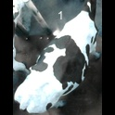
/Users/as16542/Downloads/10m32xl88x2b61zlkkgz3fml17/identification/images/train/018/000066.jpg | 1 |  | 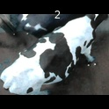
/Users/as16542/Downloads/10m32xl88x2b61zlkkgz3fml17/identification/images/train/018/000056.jpg | 1 |  | 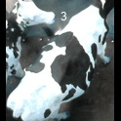
/Users/as16542/Downloads/10m32xl88x2b61zlkkgz3fml17/identification/images/train/018/000009.jpg | 2 |  |  | 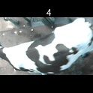
/Users/as16542/Downloads/10m32xl88x2b61zlkkgz3fml17/identification/images/train/018/000015.jpg | 1 |  | 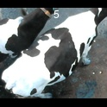
/Users/as16542/Downloads/10m32xl88x2b61zlkkgz3fml17/identification/images/train/018/000048.jpg | 1 |  | 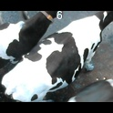
/Users/as16542/Downloads/10m32xl88x2b61zlkkgz3fml17/identification/images/train/018/000050.jpg | 1 |  | 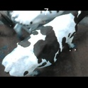
/Users/as16542/Downloads/10m32xl88x2b61zlkkgz3fml17/identification/images/train/018/000052.jpg | 1 |  | 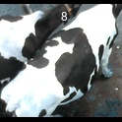
/Users/as16542/Downloads/10m32xl88x2b61zlkkgz3fml17/identification/images/train/018/000043.jpg | 2 |  |  | 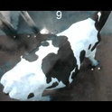
/Users/as16542/Downloads/10m32xl88x2b61zlkkgz3fml17/identification/images/train/018/000037.jpg | 2 |  |  | 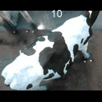
/Users/as16542/Downloads/10m32xl88x2b61zlkkgz3fml17/identification/images/train/018/000014.jpg | 0 | 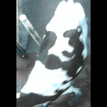
/Users/as16542/Downloads/10m32xl88x2b61zlkkgz3fml17/identification/images/train/018/000057.jpg | 2 |  |  | 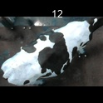
/Users/as16542/Downloads/10m32xl88x2b61zlkkgz3fml17/identification/images/train/018/000019.jpg | 1 |  | 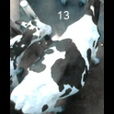
/Users/as16542/Downloads/10m32xl88x2b61zlkkgz3fml17/identification/images/train/018/000040.jpg | 1 |  | 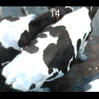
/Users/as16542/Downloads/10m32xl88x2b61zlkkgz3fml17/identification/images/train/018/000069.jpg | 2 |  |  | 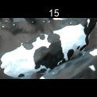
/Users/as16542/Downloads/10m32xl88x2b61zlkkgz3fml17/identification/images/train/018/000060.jpg | 1 |  | 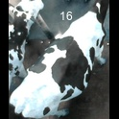
/Users/as16542/Downloads/10m32xl88x2b61zlkkgz3fml17/identification/images/train/018/000046.jpg | 3 |  |  |  | 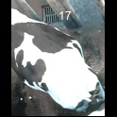
/Users/as16542/Downloads/10m32xl88x2b61zlkkgz3fml17/identification/images/train/018/000051.jpg | 0 | 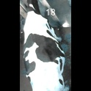
/Users/as16542/Downloads/10m32xl88x2b61zlkkgz3fml17/identification/images/train/018/000072.jpg | 1 |  | 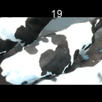
/Users/as16542/Downloads/10m32xl88x2b61zlkkgz3fml17/identification/images/train/018/000044.jpg | 1 |  | 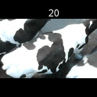
/Users/as16542/Downloads/10m32xl88x2b61zlkkgz3fml17/identification/images/train/018/000011.jpg | 1 |  | 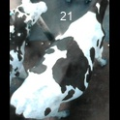
/Users/as16542/Downloads/10m32xl88x2b61zlkkgz3fml17/identification/images/train/018/000063.jpg | 1 |  | 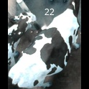
/Users/as16542/Downloads/10m32xl88x2b61zlkkgz3fml17/identification/images/train/018/000002.jpg | 1 |  | 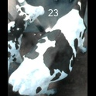
/Users/as16542/Downloads/10m32xl88x2b61zlkkgz3fml17/identification/images/train/018/000041.jpg | 1 |  | 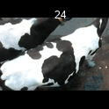
/Users/as16542/Downloads/10m32xl88x2b61zlkkgz3fml17/identification/images/train/018/000003.jpg | 1 |  | 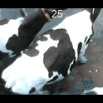
/Users/as16542/Downloads/10m32xl88x2b61zlkkgz3fml17/identification/images/train/018/000032.jpg | 0 | 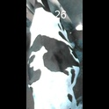
/Users/as16542/Downloads/10m32xl88x2b61zlkkgz3fml17/identification/images/train/018/000025.jpg | 1 |  | 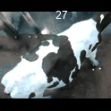
/Users/as16542/Downloads/10m32xl88x2b61zlkkgz3fml17/identification/images/train/018/000067.jpg | 1 |  | 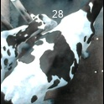
/Users/as16542/Downloads/10m32xl88x2b61zlkkgz3fml17/identification/images/train/018/000012.jpg | 1 |  | 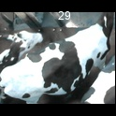
/Users/as16542/Downloads/10m32xl88x2b61zlkkgz3fml17/identification/images/train/018/000058.jpg | 2 |  |  | 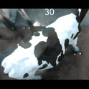
/Users/as16542/Downloads/10m32xl88x2b61zlkkgz3fml17/identification/images/train/018/000018.jpg | 0 | 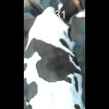
/Users/as16542/Downloads/10m32xl88x2b61zlkkgz3fml17/identification/images/train/018/000013.jpg | 2 |  |  | 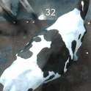
/Users/as16542/Downloads/10m32xl88x2b61zlkkgz3fml17/identification/images/train/018/000068.jpg | 2 |  |  | 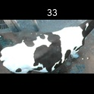
/Users/as16542/Downloads/10m32xl88x2b61zlkkgz3fml17/identification/images/train/018/000017.jpg | 0 | 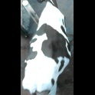
/Users/as16542/Downloads/10m32xl88x2b61zlkkgz3fml17/identification/images/train/018/000008.jpg | 1 |  | 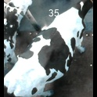
/Users/as16542/Downloads/10m32xl88x2b61zlkkgz3fml17/identification/images/train/018/000035.jpg | 1 |  | 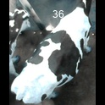
/Users/as16542/Downloads/10m32xl88x2b61zlkkgz3fml17/identification/images/train/018/000005.jpg | 1 |  | 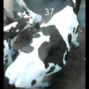
/Users/as16542/Downloads/10m32xl88x2b61zlkkgz3fml17/identification/images/train/018/000070.jpg | 1 |  | 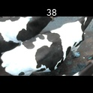
/Users/as16542/Downloads/10m32xl88x2b61zlkkgz3fml17/identification/images/train/018/000001.jpg | 1 |  | 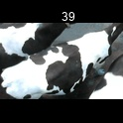
/Users/as16542/Downloads/10m32xl88x2b61zlkkgz3fml17/identification/images/train/018/000006.jpg | 2 |  |  | 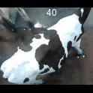
/Users/as16542/Downloads/10m32xl88x2b61zlkkgz3fml17/identification/images/train/018/000062.jpg | 1 |  | 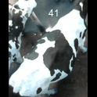
/Users/as16542/Downloads/10m32xl88x2b61zlkkgz3fml17/identification/images/train/018/000023.jpg | 2 |  |  | 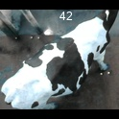
/Users/as16542/Downloads/10m32xl88x2b61zlkkgz3fml17/identification/images/train/018/000026.jpg | 1 |  | 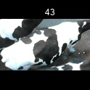
/Users/as16542/Downloads/10m32xl88x2b61zlkkgz3fml17/identification/images/train/018/000036.jpg | 2 |  |  | 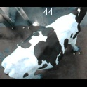
/Users/as16542/Downloads/10m32xl88x2b61zlkkgz3fml17/identification/images/train/018/000010.jpg | 2 |  |  | 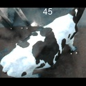
/Users/as16542/Downloads/10m32xl88x2b61zlkkgz3fml17/identification/images/train/018/000039.jpg | 2 |  |  | 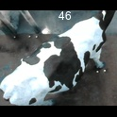
/Users/as16542/Downloads/10m32xl88x2b61zlkkgz3fml17/identification/images/train/018/000059.jpg | 2 |  |  | 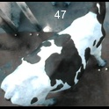
/Users/as16542/Downloads/10m32xl88x2b61zlkkgz3fml17/identification/images/train/018/000004.jpg | 2 |  |  | 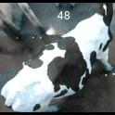
/Users/as16542/Downloads/10m32xl88x2b61zlkkgz3fml17/identification/images/train/018/000033.jpg | 2 |  |  | 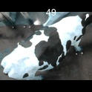
/Users/as16542/Downloads/10m32xl88x2b61zlkkgz3fml17/identification/images/train/018/000034.jpg | 2 |  |  | 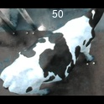
/Users/as16542/Downloads/10m32xl88x2b61zlkkgz3fml17/identification/images/train/018/000061.jpg | 1 |  | 
/Users/as16542/Downloads/10m32xl88x2b61zlkkgz3fml17/identification/images/train/018/000028.jpg | 1 |  | 
/Users/as16542/Downloads/10m32xl88x2b61zlkkgz3fml17/identification/images/train/018/000030.jpg | 2 |  |  | 
/Users/as16542/Downloads/10m32xl88x2b61zlkkgz3fml17/identification/images/train/018/000045.jpg | 1 |  | 
/Users/as16542/Downloads/10m32xl88x2b61zlkkgz3fml17/identification/images/train/018/000029.jpg | 3 |  |  |  | 
/Users/as16542/Downloads/10m32xl88x2b61zlkkgz3fml17/identification/images/train/018/000064.jpg | 2 |  |  | 
/Users/as16542/Downloads/10m32xl88x2b61zlkkgz3fml17/identification/images/train/018/000042.jpg | 2 |  |  | 
/Users/as16542/Downloads/10m32xl88x2b61zlkkgz3fml17/identification/images/train/018/000031.jpg | 1 |  | 
/Users/as16542/Downloads/10m32xl88x2b61zlkkgz3fml17/identification/images/train/018/000073.jpg | 2 |  |  | 
/Users/as16542/Downloads/10m32xl88x2b61zlkkgz3fml17/identification/images/train/018/000021.jpg | 1 |  | 
/Users/as16542/Downloads/10m32xl88x2b61zlkkgz3fml17/identification/images/train/018/000022.jpg | 1 |  | 
/Users/as16542/Downloads/10m32xl88x2b61zlkkgz3fml17/identification/images/train/018/000047.jpg | 1 |  | 
/Users/as16542/Downloads/10m32xl88x2b61zlkkgz3fml17/identification/images/train/018/000055.jpg | 0 | 
/Users/as16542/Downloads/10m32xl88x2b61zlkkgz3fml17/identification/images/train/018/000049.jpg | 0 | 
/Users/as16542/Downloads/10m32xl88x2b61zlkkgz3fml17/identification/images/train/018/000038.jpg | 0 | 
/Users/as16542/Downloads/10m32xl88x2b61zlkkgz3fml17/identification/images/train/018/000016.jpg | 2 |  |  | 
/Users/as16542/Downloads/10m32xl88x2b61zlkkgz3fml17/identification/images/train/018/000027.jpg | 1 |  | 
/Users/as16542/Downloads/10m32xl88x2b61zlkkgz3fml17/identification/images/train/018/000065.jpg | 1 |  | 
/Users/as16542/Downloads/10m32xl88x2b61zlkkgz3fml17/identification/images/train/018/000024.jpg | 1 |  | 
/Users/as16542/Downloads/10m32xl88x2b61zlkkgz3fml17/identification/images/train/018/000054.jpg | 3 |  |  |  | 
/Users/as16542/Downloads/10m32xl88x2b61zlkkgz3fml17/identification/images/train/018/000007.jpg | 2 |  |  | 
/Users/as16542/Downloads/10m32xl88x2b61zlkkgz3fml17/identification/images/train/018/000020.jpg | 2 |  |  | 

