Sheet1
/Users/as16542/Downloads/10m32xl88x2b61zlkkgz3fml17/identification/images/train/019/000015.jpg | 0 | 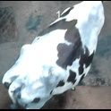
/Users/as16542/Downloads/10m32xl88x2b61zlkkgz3fml17/identification/images/train/019/000037.jpg | 1 |  | 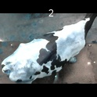
/Users/as16542/Downloads/10m32xl88x2b61zlkkgz3fml17/identification/images/train/019/000014.jpg | 1 |  | 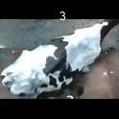
/Users/as16542/Downloads/10m32xl88x2b61zlkkgz3fml17/identification/images/train/019/000019.jpg | 1 |  | 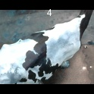
/Users/as16542/Downloads/10m32xl88x2b61zlkkgz3fml17/identification/images/train/019/000040.jpg | 2 |  |  | 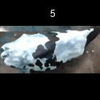
/Users/as16542/Downloads/10m32xl88x2b61zlkkgz3fml17/identification/images/train/019/000011.jpg | 2 |  |  | 
/Users/as16542/Downloads/10m32xl88x2b61zlkkgz3fml17/identification/images/train/019/000002.jpg | 2 |  |  | 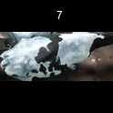
/Users/as16542/Downloads/10m32xl88x2b61zlkkgz3fml17/identification/images/train/019/000003.jpg | 2 |  |  | 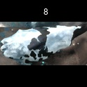
/Users/as16542/Downloads/10m32xl88x2b61zlkkgz3fml17/identification/images/train/019/000032.jpg | 2 |  |  | 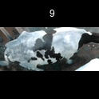
/Users/as16542/Downloads/10m32xl88x2b61zlkkgz3fml17/identification/images/train/019/000025.jpg | 1 |  | 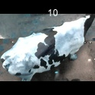
/Users/as16542/Downloads/10m32xl88x2b61zlkkgz3fml17/identification/images/train/019/000012.jpg | 1 |  | 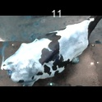
/Users/as16542/Downloads/10m32xl88x2b61zlkkgz3fml17/identification/images/train/019/000018.jpg | 0 | 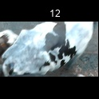
/Users/as16542/Downloads/10m32xl88x2b61zlkkgz3fml17/identification/images/train/019/000013.jpg | 1 |  | 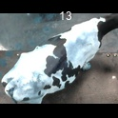
/Users/as16542/Downloads/10m32xl88x2b61zlkkgz3fml17/identification/images/train/019/000017.jpg | 1 |  | 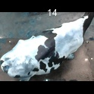
/Users/as16542/Downloads/10m32xl88x2b61zlkkgz3fml17/identification/images/train/019/000008.jpg | 1 |  | 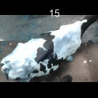
/Users/as16542/Downloads/10m32xl88x2b61zlkkgz3fml17/identification/images/train/019/000035.jpg | 0 | 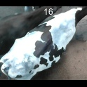
/Users/as16542/Downloads/10m32xl88x2b61zlkkgz3fml17/identification/images/train/019/000005.jpg | 0 | 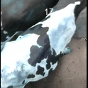
/Users/as16542/Downloads/10m32xl88x2b61zlkkgz3fml17/identification/images/train/019/000001.jpg | 1 |  | 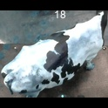
/Users/as16542/Downloads/10m32xl88x2b61zlkkgz3fml17/identification/images/train/019/000006.jpg | 1 |  | 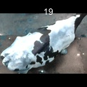
/Users/as16542/Downloads/10m32xl88x2b61zlkkgz3fml17/identification/images/train/019/000023.jpg | 1 |  | 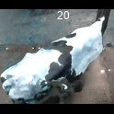
/Users/as16542/Downloads/10m32xl88x2b61zlkkgz3fml17/identification/images/train/019/000026.jpg | 0 | 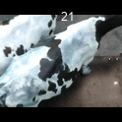
/Users/as16542/Downloads/10m32xl88x2b61zlkkgz3fml17/identification/images/train/019/000036.jpg | 1 |  | 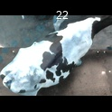
/Users/as16542/Downloads/10m32xl88x2b61zlkkgz3fml17/identification/images/train/019/000010.jpg | 2 |  |  | 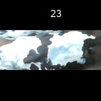
/Users/as16542/Downloads/10m32xl88x2b61zlkkgz3fml17/identification/images/train/019/000039.jpg | 1 |  | 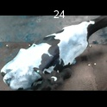
/Users/as16542/Downloads/10m32xl88x2b61zlkkgz3fml17/identification/images/train/019/000004.jpg | 1 |  | 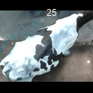
/Users/as16542/Downloads/10m32xl88x2b61zlkkgz3fml17/identification/images/train/019/000033.jpg | 0 | 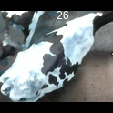
/Users/as16542/Downloads/10m32xl88x2b61zlkkgz3fml17/identification/images/train/019/000034.jpg | 1 |  | 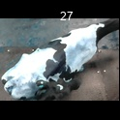
/Users/as16542/Downloads/10m32xl88x2b61zlkkgz3fml17/identification/images/train/019/000028.jpg | 2 |  |  | 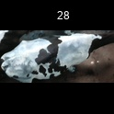
/Users/as16542/Downloads/10m32xl88x2b61zlkkgz3fml17/identification/images/train/019/000030.jpg | 2 |  |  | 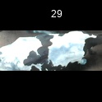
/Users/as16542/Downloads/10m32xl88x2b61zlkkgz3fml17/identification/images/train/019/000029.jpg | 1 |  | 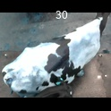
/Users/as16542/Downloads/10m32xl88x2b61zlkkgz3fml17/identification/images/train/019/000031.jpg | 0 | 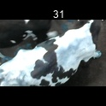
/Users/as16542/Downloads/10m32xl88x2b61zlkkgz3fml17/identification/images/train/019/000021.jpg | 2 |  |  | 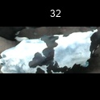
/Users/as16542/Downloads/10m32xl88x2b61zlkkgz3fml17/identification/images/train/019/000022.jpg | 1 |  | 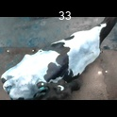
/Users/as16542/Downloads/10m32xl88x2b61zlkkgz3fml17/identification/images/train/019/000038.jpg | 1 |  | 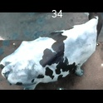
/Users/as16542/Downloads/10m32xl88x2b61zlkkgz3fml17/identification/images/train/019/000016.jpg | 1 |  | 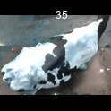
/Users/as16542/Downloads/10m32xl88x2b61zlkkgz3fml17/identification/images/train/019/000027.jpg | 1 |  | 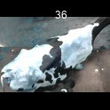
/Users/as16542/Downloads/10m32xl88x2b61zlkkgz3fml17/identification/images/train/019/000024.jpg | 0 | 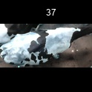
/Users/as16542/Downloads/10m32xl88x2b61zlkkgz3fml17/identification/images/train/019/000007.jpg | 1 |  | 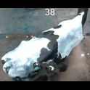
/Users/as16542/Downloads/10m32xl88x2b61zlkkgz3fml17/identification/images/train/019/000020.jpg | 0 | 