Sheet1
/Users/as16542/Downloads/10m32xl88x2b61zlkkgz3fml17/identification/images/train/025/000066.jpg | 1 |  | 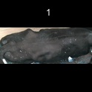
/Users/as16542/Downloads/10m32xl88x2b61zlkkgz3fml17/identification/images/train/025/000056.jpg | 1 |  | 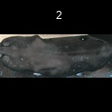
/Users/as16542/Downloads/10m32xl88x2b61zlkkgz3fml17/identification/images/train/025/000009.jpg | 1 |  | 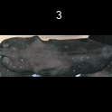
/Users/as16542/Downloads/10m32xl88x2b61zlkkgz3fml17/identification/images/train/025/000015.jpg | 1 |  | 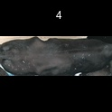
/Users/as16542/Downloads/10m32xl88x2b61zlkkgz3fml17/identification/images/train/025/000048.jpg | 1 |  | 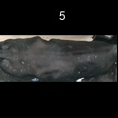
/Users/as16542/Downloads/10m32xl88x2b61zlkkgz3fml17/identification/images/train/025/000050.jpg | 1 |  | 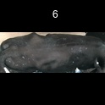
/Users/as16542/Downloads/10m32xl88x2b61zlkkgz3fml17/identification/images/train/025/000052.jpg | 1 |  | 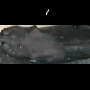
/Users/as16542/Downloads/10m32xl88x2b61zlkkgz3fml17/identification/images/train/025/000043.jpg | 1 |  | 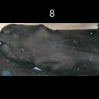
/Users/as16542/Downloads/10m32xl88x2b61zlkkgz3fml17/identification/images/train/025/000037.jpg | 1 |  | 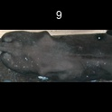
/Users/as16542/Downloads/10m32xl88x2b61zlkkgz3fml17/identification/images/train/025/000014.jpg | 1 |  | 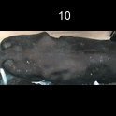
/Users/as16542/Downloads/10m32xl88x2b61zlkkgz3fml17/identification/images/train/025/000057.jpg | 1 |  | 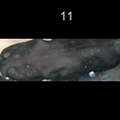
/Users/as16542/Downloads/10m32xl88x2b61zlkkgz3fml17/identification/images/train/025/000019.jpg | 1 |  | 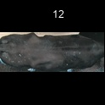
/Users/as16542/Downloads/10m32xl88x2b61zlkkgz3fml17/identification/images/train/025/000040.jpg | 1 |  | 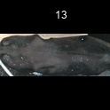
/Users/as16542/Downloads/10m32xl88x2b61zlkkgz3fml17/identification/images/train/025/000060.jpg | 1 |  | 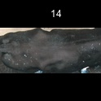
/Users/as16542/Downloads/10m32xl88x2b61zlkkgz3fml17/identification/images/train/025/000046.jpg | 1 |  | 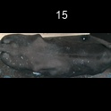
/Users/as16542/Downloads/10m32xl88x2b61zlkkgz3fml17/identification/images/train/025/000051.jpg | 0 | 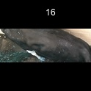
/Users/as16542/Downloads/10m32xl88x2b61zlkkgz3fml17/identification/images/train/025/000044.jpg | 1 |  | 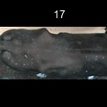
/Users/as16542/Downloads/10m32xl88x2b61zlkkgz3fml17/identification/images/train/025/000011.jpg | 1 |  | 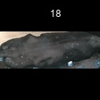
/Users/as16542/Downloads/10m32xl88x2b61zlkkgz3fml17/identification/images/train/025/000063.jpg | 1 |  | 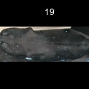
/Users/as16542/Downloads/10m32xl88x2b61zlkkgz3fml17/identification/images/train/025/000002.jpg | 1 |  | 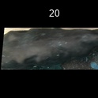
/Users/as16542/Downloads/10m32xl88x2b61zlkkgz3fml17/identification/images/train/025/000041.jpg | 1 |  | 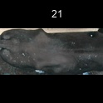
/Users/as16542/Downloads/10m32xl88x2b61zlkkgz3fml17/identification/images/train/025/000003.jpg | 1 |  | 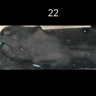
/Users/as16542/Downloads/10m32xl88x2b61zlkkgz3fml17/identification/images/train/025/000032.jpg | 1 |  | 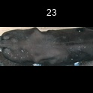
/Users/as16542/Downloads/10m32xl88x2b61zlkkgz3fml17/identification/images/train/025/000025.jpg | 1 |  | 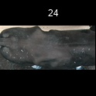
/Users/as16542/Downloads/10m32xl88x2b61zlkkgz3fml17/identification/images/train/025/000067.jpg | 1 |  | 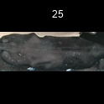
/Users/as16542/Downloads/10m32xl88x2b61zlkkgz3fml17/identification/images/train/025/000012.jpg | 1 |  | 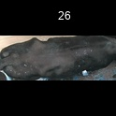
/Users/as16542/Downloads/10m32xl88x2b61zlkkgz3fml17/identification/images/train/025/000058.jpg | 1 |  | 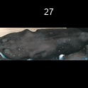
/Users/as16542/Downloads/10m32xl88x2b61zlkkgz3fml17/identification/images/train/025/000018.jpg | 1 |  | 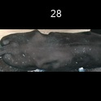
/Users/as16542/Downloads/10m32xl88x2b61zlkkgz3fml17/identification/images/train/025/000013.jpg | 0 | 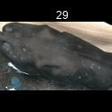
/Users/as16542/Downloads/10m32xl88x2b61zlkkgz3fml17/identification/images/train/025/000017.jpg | 1 |  | 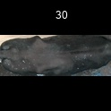
/Users/as16542/Downloads/10m32xl88x2b61zlkkgz3fml17/identification/images/train/025/000008.jpg | 1 |  | 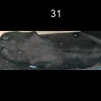
/Users/as16542/Downloads/10m32xl88x2b61zlkkgz3fml17/identification/images/train/025/000035.jpg | 0 | 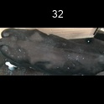
/Users/as16542/Downloads/10m32xl88x2b61zlkkgz3fml17/identification/images/train/025/000005.jpg | 1 |  | 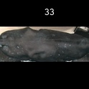
/Users/as16542/Downloads/10m32xl88x2b61zlkkgz3fml17/identification/images/train/025/000001.jpg | 1 |  | 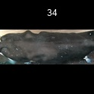
/Users/as16542/Downloads/10m32xl88x2b61zlkkgz3fml17/identification/images/train/025/000006.jpg | 1 |  | 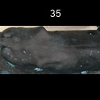
/Users/as16542/Downloads/10m32xl88x2b61zlkkgz3fml17/identification/images/train/025/000062.jpg | 1 |  | 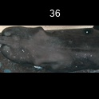
/Users/as16542/Downloads/10m32xl88x2b61zlkkgz3fml17/identification/images/train/025/000023.jpg | 1 |  | 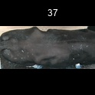
/Users/as16542/Downloads/10m32xl88x2b61zlkkgz3fml17/identification/images/train/025/000026.jpg | 1 |  | 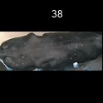
/Users/as16542/Downloads/10m32xl88x2b61zlkkgz3fml17/identification/images/train/025/000036.jpg | 1 |  | 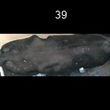
/Users/as16542/Downloads/10m32xl88x2b61zlkkgz3fml17/identification/images/train/025/000010.jpg | 1 |  | 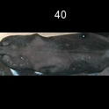
/Users/as16542/Downloads/10m32xl88x2b61zlkkgz3fml17/identification/images/train/025/000039.jpg | 1 |  | 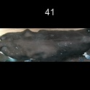
/Users/as16542/Downloads/10m32xl88x2b61zlkkgz3fml17/identification/images/train/025/000059.jpg | 1 |  | 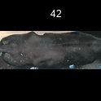
/Users/as16542/Downloads/10m32xl88x2b61zlkkgz3fml17/identification/images/train/025/000004.jpg | 1 |  | 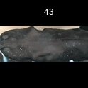
/Users/as16542/Downloads/10m32xl88x2b61zlkkgz3fml17/identification/images/train/025/000033.jpg | 1 |  | 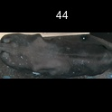
/Users/as16542/Downloads/10m32xl88x2b61zlkkgz3fml17/identification/images/train/025/000034.jpg | 1 |  | 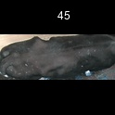
/Users/as16542/Downloads/10m32xl88x2b61zlkkgz3fml17/identification/images/train/025/000061.jpg | 1 |  | 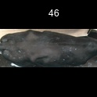
/Users/as16542/Downloads/10m32xl88x2b61zlkkgz3fml17/identification/images/train/025/000028.jpg | 1 |  | 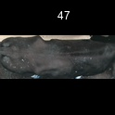
/Users/as16542/Downloads/10m32xl88x2b61zlkkgz3fml17/identification/images/train/025/000030.jpg | 1 |  | 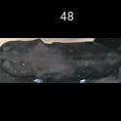
/Users/as16542/Downloads/10m32xl88x2b61zlkkgz3fml17/identification/images/train/025/000045.jpg | 1 |  | 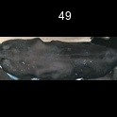
/Users/as16542/Downloads/10m32xl88x2b61zlkkgz3fml17/identification/images/train/025/000029.jpg | 1 |  | 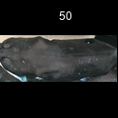
/Users/as16542/Downloads/10m32xl88x2b61zlkkgz3fml17/identification/images/train/025/000064.jpg | 1 |  | 
/Users/as16542/Downloads/10m32xl88x2b61zlkkgz3fml17/identification/images/train/025/000042.jpg | 1 |  | 
/Users/as16542/Downloads/10m32xl88x2b61zlkkgz3fml17/identification/images/train/025/000031.jpg | 1 |  | 
/Users/as16542/Downloads/10m32xl88x2b61zlkkgz3fml17/identification/images/train/025/000021.jpg | 1 |  | 
/Users/as16542/Downloads/10m32xl88x2b61zlkkgz3fml17/identification/images/train/025/000022.jpg | 1 |  | 
/Users/as16542/Downloads/10m32xl88x2b61zlkkgz3fml17/identification/images/train/025/000047.jpg | 1 |  | 
/Users/as16542/Downloads/10m32xl88x2b61zlkkgz3fml17/identification/images/train/025/000055.jpg | 1 |  | 
/Users/as16542/Downloads/10m32xl88x2b61zlkkgz3fml17/identification/images/train/025/000049.jpg | 1 |  | 
/Users/as16542/Downloads/10m32xl88x2b61zlkkgz3fml17/identification/images/train/025/000038.jpg | 1 |  | 
/Users/as16542/Downloads/10m32xl88x2b61zlkkgz3fml17/identification/images/train/025/000016.jpg | 1 |  | 
/Users/as16542/Downloads/10m32xl88x2b61zlkkgz3fml17/identification/images/train/025/000027.jpg | 0 | 
/Users/as16542/Downloads/10m32xl88x2b61zlkkgz3fml17/identification/images/train/025/000065.jpg | 1 |  | 
/Users/as16542/Downloads/10m32xl88x2b61zlkkgz3fml17/identification/images/train/025/000024.jpg | 1 |  | 
/Users/as16542/Downloads/10m32xl88x2b61zlkkgz3fml17/identification/images/train/025/000054.jpg | 1 |  | 
/Users/as16542/Downloads/10m32xl88x2b61zlkkgz3fml17/identification/images/train/025/000007.jpg | 1 |  | 
/Users/as16542/Downloads/10m32xl88x2b61zlkkgz3fml17/identification/images/train/025/000020.jpg | 1 |  | 

