Sheet1
/Users/as16542/Downloads/10m32xl88x2b61zlkkgz3fml17/identification/images/train/027/000009.jpg | 2 |  |  | 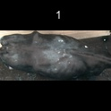
/Users/as16542/Downloads/10m32xl88x2b61zlkkgz3fml17/identification/images/train/027/000015.jpg | 2 |  |  | 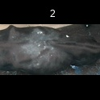
/Users/as16542/Downloads/10m32xl88x2b61zlkkgz3fml17/identification/images/train/027/000048.jpg | 1 |  | 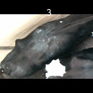
/Users/as16542/Downloads/10m32xl88x2b61zlkkgz3fml17/identification/images/train/027/000050.jpg | 2 |  |  | 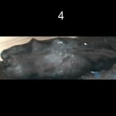
/Users/as16542/Downloads/10m32xl88x2b61zlkkgz3fml17/identification/images/train/027/000052.jpg | 2 |  |  | 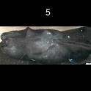
/Users/as16542/Downloads/10m32xl88x2b61zlkkgz3fml17/identification/images/train/027/000043.jpg | 2 |  |  | 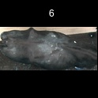
/Users/as16542/Downloads/10m32xl88x2b61zlkkgz3fml17/identification/images/train/027/000037.jpg | 2 |  |  | 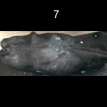
/Users/as16542/Downloads/10m32xl88x2b61zlkkgz3fml17/identification/images/train/027/000014.jpg | 2 |  |  | 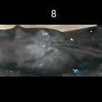
/Users/as16542/Downloads/10m32xl88x2b61zlkkgz3fml17/identification/images/train/027/000019.jpg | 2 |  |  | 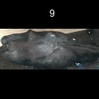
/Users/as16542/Downloads/10m32xl88x2b61zlkkgz3fml17/identification/images/train/027/000040.jpg | 2 |  |  | 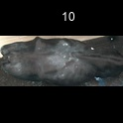
/Users/as16542/Downloads/10m32xl88x2b61zlkkgz3fml17/identification/images/train/027/000046.jpg | 2 |  |  | 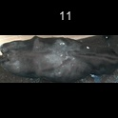
/Users/as16542/Downloads/10m32xl88x2b61zlkkgz3fml17/identification/images/train/027/000051.jpg | 2 |  |  | 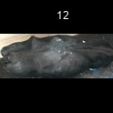
/Users/as16542/Downloads/10m32xl88x2b61zlkkgz3fml17/identification/images/train/027/000044.jpg | 2 |  |  | 
/Users/as16542/Downloads/10m32xl88x2b61zlkkgz3fml17/identification/images/train/027/000011.jpg | 2 |  |  | 
/Users/as16542/Downloads/10m32xl88x2b61zlkkgz3fml17/identification/images/train/027/000002.jpg | 2 |  |  | 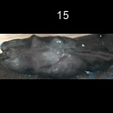
/Users/as16542/Downloads/10m32xl88x2b61zlkkgz3fml17/identification/images/train/027/000041.jpg | 2 |  |  | 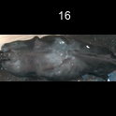
/Users/as16542/Downloads/10m32xl88x2b61zlkkgz3fml17/identification/images/train/027/000003.jpg | 2 |  |  | 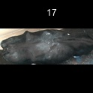
/Users/as16542/Downloads/10m32xl88x2b61zlkkgz3fml17/identification/images/train/027/000032.jpg | 2 |  |  | 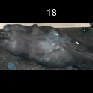
/Users/as16542/Downloads/10m32xl88x2b61zlkkgz3fml17/identification/images/train/027/000025.jpg | 2 |  |  | 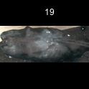
/Users/as16542/Downloads/10m32xl88x2b61zlkkgz3fml17/identification/images/train/027/000012.jpg | 2 |  |  | 
/Users/as16542/Downloads/10m32xl88x2b61zlkkgz3fml17/identification/images/train/027/000018.jpg | 0 | 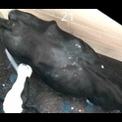
/Users/as16542/Downloads/10m32xl88x2b61zlkkgz3fml17/identification/images/train/027/000013.jpg | 2 |  |  | 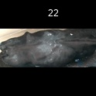
/Users/as16542/Downloads/10m32xl88x2b61zlkkgz3fml17/identification/images/train/027/000017.jpg | 2 |  |  | 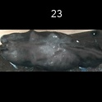
/Users/as16542/Downloads/10m32xl88x2b61zlkkgz3fml17/identification/images/train/027/000008.jpg | 2 |  |  | 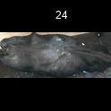
/Users/as16542/Downloads/10m32xl88x2b61zlkkgz3fml17/identification/images/train/027/000035.jpg | 1 |  | 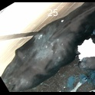
/Users/as16542/Downloads/10m32xl88x2b61zlkkgz3fml17/identification/images/train/027/000005.jpg | 2 |  |  | 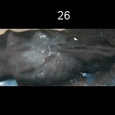
/Users/as16542/Downloads/10m32xl88x2b61zlkkgz3fml17/identification/images/train/027/000001.jpg | 2 |  |  | 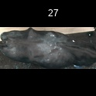
/Users/as16542/Downloads/10m32xl88x2b61zlkkgz3fml17/identification/images/train/027/000006.jpg | 2 |  |  | 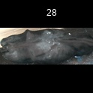
/Users/as16542/Downloads/10m32xl88x2b61zlkkgz3fml17/identification/images/train/027/000023.jpg | 2 |  |  | 
/Users/as16542/Downloads/10m32xl88x2b61zlkkgz3fml17/identification/images/train/027/000026.jpg | 0 | 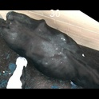
/Users/as16542/Downloads/10m32xl88x2b61zlkkgz3fml17/identification/images/train/027/000036.jpg | 2 |  |  | 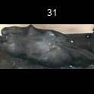
/Users/as16542/Downloads/10m32xl88x2b61zlkkgz3fml17/identification/images/train/027/000010.jpg | 2 |  |  | 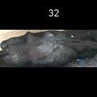
/Users/as16542/Downloads/10m32xl88x2b61zlkkgz3fml17/identification/images/train/027/000039.jpg | 2 |  |  | 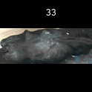
/Users/as16542/Downloads/10m32xl88x2b61zlkkgz3fml17/identification/images/train/027/000004.jpg | 2 |  |  | 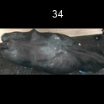
/Users/as16542/Downloads/10m32xl88x2b61zlkkgz3fml17/identification/images/train/027/000033.jpg | 2 |  |  | 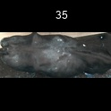
/Users/as16542/Downloads/10m32xl88x2b61zlkkgz3fml17/identification/images/train/027/000034.jpg | 2 |  |  | 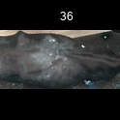
/Users/as16542/Downloads/10m32xl88x2b61zlkkgz3fml17/identification/images/train/027/000028.jpg | 1 |  | 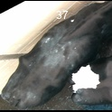
/Users/as16542/Downloads/10m32xl88x2b61zlkkgz3fml17/identification/images/train/027/000030.jpg | 2 |  |  | 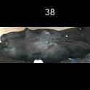
/Users/as16542/Downloads/10m32xl88x2b61zlkkgz3fml17/identification/images/train/027/000045.jpg | 1 |  | 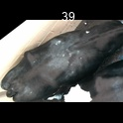
/Users/as16542/Downloads/10m32xl88x2b61zlkkgz3fml17/identification/images/train/027/000029.jpg | 2 |  |  | 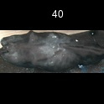
/Users/as16542/Downloads/10m32xl88x2b61zlkkgz3fml17/identification/images/train/027/000042.jpg | 2 |  |  | 
/Users/as16542/Downloads/10m32xl88x2b61zlkkgz3fml17/identification/images/train/027/000031.jpg | 2 |  |  | 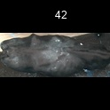
/Users/as16542/Downloads/10m32xl88x2b61zlkkgz3fml17/identification/images/train/027/000021.jpg | 2 |  |  | 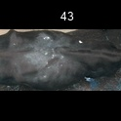
/Users/as16542/Downloads/10m32xl88x2b61zlkkgz3fml17/identification/images/train/027/000022.jpg | 2 |  |  | 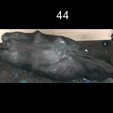
/Users/as16542/Downloads/10m32xl88x2b61zlkkgz3fml17/identification/images/train/027/000047.jpg | 0 | 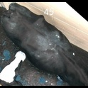
/Users/as16542/Downloads/10m32xl88x2b61zlkkgz3fml17/identification/images/train/027/000049.jpg | 2 |  |  | 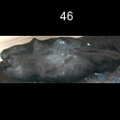
/Users/as16542/Downloads/10m32xl88x2b61zlkkgz3fml17/identification/images/train/027/000038.jpg | 2 |  |  | 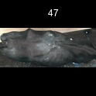
/Users/as16542/Downloads/10m32xl88x2b61zlkkgz3fml17/identification/images/train/027/000016.jpg | 2 |  |  | 
/Users/as16542/Downloads/10m32xl88x2b61zlkkgz3fml17/identification/images/train/027/000027.jpg | 2 |  |  | 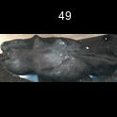
/Users/as16542/Downloads/10m32xl88x2b61zlkkgz3fml17/identification/images/train/027/000024.jpg | 2 |  |  | 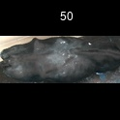
/Users/as16542/Downloads/10m32xl88x2b61zlkkgz3fml17/identification/images/train/027/000054.jpg | 2 |  |  | 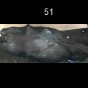
/Users/as16542/Downloads/10m32xl88x2b61zlkkgz3fml17/identification/images/train/027/000007.jpg | 2 |  |  | 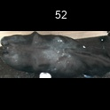
/Users/as16542/Downloads/10m32xl88x2b61zlkkgz3fml17/identification/images/train/027/000020.jpg | 2 |  |  | 