Sheet1
/Users/as16542/Downloads/10m32xl88x2b61zlkkgz3fml17/identification/images/train/029/000015.jpg | 1 |  | 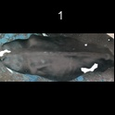
/Users/as16542/Downloads/10m32xl88x2b61zlkkgz3fml17/identification/images/train/029/000014.jpg | 0 | 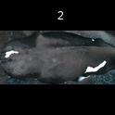
/Users/as16542/Downloads/10m32xl88x2b61zlkkgz3fml17/identification/images/train/029/000011.jpg | 1 |  | 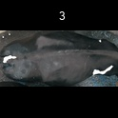
/Users/as16542/Downloads/10m32xl88x2b61zlkkgz3fml17/identification/images/train/029/000002.jpg | 1 |  | 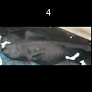
/Users/as16542/Downloads/10m32xl88x2b61zlkkgz3fml17/identification/images/train/029/000003.jpg | 0 | 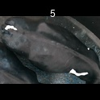
/Users/as16542/Downloads/10m32xl88x2b61zlkkgz3fml17/identification/images/train/029/000012.jpg | 1 |  | 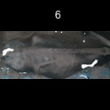
/Users/as16542/Downloads/10m32xl88x2b61zlkkgz3fml17/identification/images/train/029/000018.jpg | 1 |  | 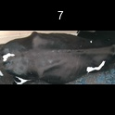
/Users/as16542/Downloads/10m32xl88x2b61zlkkgz3fml17/identification/images/train/029/000013.jpg | 1 |  | 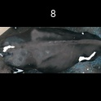
/Users/as16542/Downloads/10m32xl88x2b61zlkkgz3fml17/identification/images/train/029/000017.jpg | 0 | 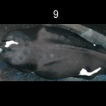
/Users/as16542/Downloads/10m32xl88x2b61zlkkgz3fml17/identification/images/train/029/000008.jpg | 1 |  | 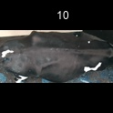
/Users/as16542/Downloads/10m32xl88x2b61zlkkgz3fml17/identification/images/train/029/000005.jpg | 1 |  | 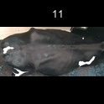
/Users/as16542/Downloads/10m32xl88x2b61zlkkgz3fml17/identification/images/train/029/000001.jpg | 1 |  | 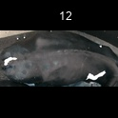
/Users/as16542/Downloads/10m32xl88x2b61zlkkgz3fml17/identification/images/train/029/000006.jpg | 1 |  | 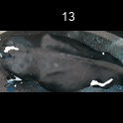
/Users/as16542/Downloads/10m32xl88x2b61zlkkgz3fml17/identification/images/train/029/000010.jpg | 1 |  | 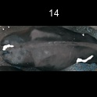
/Users/as16542/Downloads/10m32xl88x2b61zlkkgz3fml17/identification/images/train/029/000004.jpg | 0 | 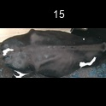
/Users/as16542/Downloads/10m32xl88x2b61zlkkgz3fml17/identification/images/train/029/000016.jpg | 0 | 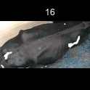
/Users/as16542/Downloads/10m32xl88x2b61zlkkgz3fml17/identification/images/train/029/000007.jpg | 1 |  | 