Sheet1
/Users/as16542/Downloads/10m32xl88x2b61zlkkgz3fml17/identification/images/train/034/000015.jpg | 0 | 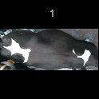
/Users/as16542/Downloads/10m32xl88x2b61zlkkgz3fml17/identification/images/train/034/000014.jpg | 2 |  |  |  | 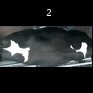
/Users/as16542/Downloads/10m32xl88x2b61zlkkgz3fml17/identification/images/train/034/000019.jpg | 0 | 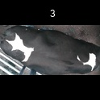
/Users/as16542/Downloads/10m32xl88x2b61zlkkgz3fml17/identification/images/train/034/000011.jpg | 2 |  |  |  | 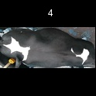
/Users/as16542/Downloads/10m32xl88x2b61zlkkgz3fml17/identification/images/train/034/000002.jpg | 2 |  |  |  | 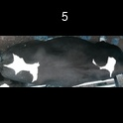
/Users/as16542/Downloads/10m32xl88x2b61zlkkgz3fml17/identification/images/train/034/000003.jpg | 0 | 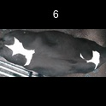
/Users/as16542/Downloads/10m32xl88x2b61zlkkgz3fml17/identification/images/train/034/000032.jpg | 2 |  |  |  | 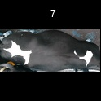
/Users/as16542/Downloads/10m32xl88x2b61zlkkgz3fml17/identification/images/train/034/000025.jpg | 1 |  | 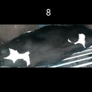
/Users/as16542/Downloads/10m32xl88x2b61zlkkgz3fml17/identification/images/train/034/000012.jpg | 2 |  |  |  | 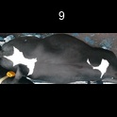
/Users/as16542/Downloads/10m32xl88x2b61zlkkgz3fml17/identification/images/train/034/000018.jpg | 2 |  |  |  | 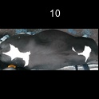
/Users/as16542/Downloads/10m32xl88x2b61zlkkgz3fml17/identification/images/train/034/000013.jpg | 2 |  |  |  | 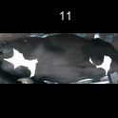
/Users/as16542/Downloads/10m32xl88x2b61zlkkgz3fml17/identification/images/train/034/000017.jpg | 2 |  |  |  | 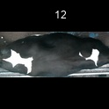
/Users/as16542/Downloads/10m32xl88x2b61zlkkgz3fml17/identification/images/train/034/000008.jpg | 2 |  |  |  | 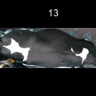
/Users/as16542/Downloads/10m32xl88x2b61zlkkgz3fml17/identification/images/train/034/000035.jpg | 0 | 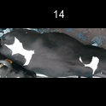
/Users/as16542/Downloads/10m32xl88x2b61zlkkgz3fml17/identification/images/train/034/000005.jpg | 2 |  |  |  | 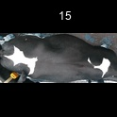
/Users/as16542/Downloads/10m32xl88x2b61zlkkgz3fml17/identification/images/train/034/000001.jpg | 2 |  |  |  | 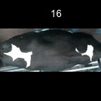
/Users/as16542/Downloads/10m32xl88x2b61zlkkgz3fml17/identification/images/train/034/000006.jpg | 2 |  |  |  | 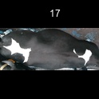
/Users/as16542/Downloads/10m32xl88x2b61zlkkgz3fml17/identification/images/train/034/000023.jpg | 2 |  |  |  | 
/Users/as16542/Downloads/10m32xl88x2b61zlkkgz3fml17/identification/images/train/034/000026.jpg | 2 |  |  |  | 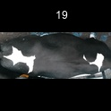
/Users/as16542/Downloads/10m32xl88x2b61zlkkgz3fml17/identification/images/train/034/000010.jpg | 0 | 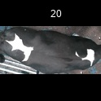
/Users/as16542/Downloads/10m32xl88x2b61zlkkgz3fml17/identification/images/train/034/000004.jpg | 0 | 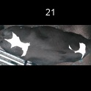
/Users/as16542/Downloads/10m32xl88x2b61zlkkgz3fml17/identification/images/train/034/000033.jpg | 2 |  |  |  | 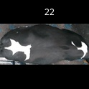
/Users/as16542/Downloads/10m32xl88x2b61zlkkgz3fml17/identification/images/train/034/000034.jpg | 2 |  |  |  | 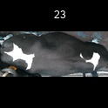
/Users/as16542/Downloads/10m32xl88x2b61zlkkgz3fml17/identification/images/train/034/000028.jpg | 2 |  |  |  | 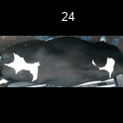
/Users/as16542/Downloads/10m32xl88x2b61zlkkgz3fml17/identification/images/train/034/000030.jpg | 1 |  | 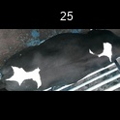
/Users/as16542/Downloads/10m32xl88x2b61zlkkgz3fml17/identification/images/train/034/000029.jpg | 2 |  |  |  | 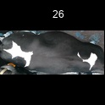
/Users/as16542/Downloads/10m32xl88x2b61zlkkgz3fml17/identification/images/train/034/000031.jpg | 1 |  | 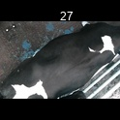
/Users/as16542/Downloads/10m32xl88x2b61zlkkgz3fml17/identification/images/train/034/000021.jpg | 2 |  |  |  | 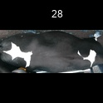
/Users/as16542/Downloads/10m32xl88x2b61zlkkgz3fml17/identification/images/train/034/000022.jpg | 0 | 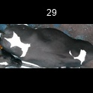
/Users/as16542/Downloads/10m32xl88x2b61zlkkgz3fml17/identification/images/train/034/000016.jpg | 2 |  |  | 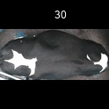
/Users/as16542/Downloads/10m32xl88x2b61zlkkgz3fml17/identification/images/train/034/000027.jpg | 2 |  |  | 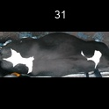
/Users/as16542/Downloads/10m32xl88x2b61zlkkgz3fml17/identification/images/train/034/000024.jpg | 2 |  |  | 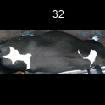
/Users/as16542/Downloads/10m32xl88x2b61zlkkgz3fml17/identification/images/train/034/000007.jpg | 1 |  | 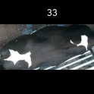
/Users/as16542/Downloads/10m32xl88x2b61zlkkgz3fml17/identification/images/train/034/000020.jpg | 2 |  |  |  | 