Sheet1
/Users/as16542/Downloads/10m32xl88x2b61zlkkgz3fml17/identification/images/train/037/000015.jpg | 1 |  | 
/Users/as16542/Downloads/10m32xl88x2b61zlkkgz3fml17/identification/images/train/037/000014.jpg | 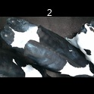 0
/Users/as16542/Downloads/10m32xl88x2b61zlkkgz3fml17/identification/images/train/037/000019.jpg | 1 |  | 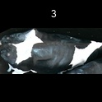
/Users/as16542/Downloads/10m32xl88x2b61zlkkgz3fml17/identification/images/train/037/000011.jpg | 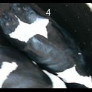 0
/Users/as16542/Downloads/10m32xl88x2b61zlkkgz3fml17/identification/images/train/037/000002.jpg | 1 |  | 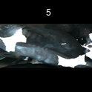
/Users/as16542/Downloads/10m32xl88x2b61zlkkgz3fml17/identification/images/train/037/000003.jpg | 0 | 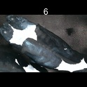
/Users/as16542/Downloads/10m32xl88x2b61zlkkgz3fml17/identification/images/train/037/000012.jpg | 1 |  |  | 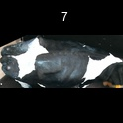
/Users/as16542/Downloads/10m32xl88x2b61zlkkgz3fml17/identification/images/train/037/000018.jpg | 1 |  |  | 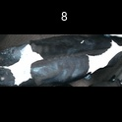
/Users/as16542/Downloads/10m32xl88x2b61zlkkgz3fml17/identification/images/train/037/000013.jpg | 1 |  | 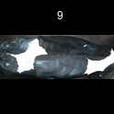
/Users/as16542/Downloads/10m32xl88x2b61zlkkgz3fml17/identification/images/train/037/000017.jpg | 1 |  | 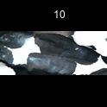
/Users/as16542/Downloads/10m32xl88x2b61zlkkgz3fml17/identification/images/train/037/000008.jpg | 0 | 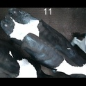
/Users/as16542/Downloads/10m32xl88x2b61zlkkgz3fml17/identification/images/train/037/000005.jpg | 1 |  |  | 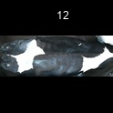
/Users/as16542/Downloads/10m32xl88x2b61zlkkgz3fml17/identification/images/train/037/000001.jpg | 1 |  |  | 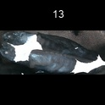
/Users/as16542/Downloads/10m32xl88x2b61zlkkgz3fml17/identification/images/train/037/000006.jpg | 0 | 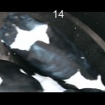
/Users/as16542/Downloads/10m32xl88x2b61zlkkgz3fml17/identification/images/train/037/000023.jpg | 1 |  |  | 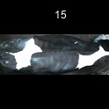
/Users/as16542/Downloads/10m32xl88x2b61zlkkgz3fml17/identification/images/train/037/000010.jpg | 1 |  |  | 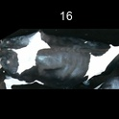
/Users/as16542/Downloads/10m32xl88x2b61zlkkgz3fml17/identification/images/train/037/000004.jpg | 1 |  |  | 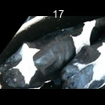
/Users/as16542/Downloads/10m32xl88x2b61zlkkgz3fml17/identification/images/train/037/000021.jpg | 0 | 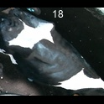
/Users/as16542/Downloads/10m32xl88x2b61zlkkgz3fml17/identification/images/train/037/000022.jpg | 1 |  |  | 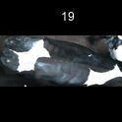
/Users/as16542/Downloads/10m32xl88x2b61zlkkgz3fml17/identification/images/train/037/000016.jpg | 1 |  |  | 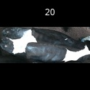
/Users/as16542/Downloads/10m32xl88x2b61zlkkgz3fml17/identification/images/train/037/000007.jpg | 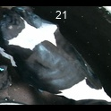 0
/Users/as16542/Downloads/10m32xl88x2b61zlkkgz3fml17/identification/images/train/037/000020.jpg | 1 |  | 