Sheet1
/Users/as16542/Downloads/10m32xl88x2b61zlkkgz3fml17/identification/images/train/040/000056.jpg | 0 | 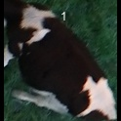
/Users/as16542/Downloads/10m32xl88x2b61zlkkgz3fml17/identification/images/train/040/000009.jpg | 0 | 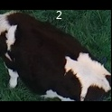
/Users/as16542/Downloads/10m32xl88x2b61zlkkgz3fml17/identification/images/train/040/000015.jpg | 0 | 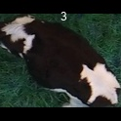
/Users/as16542/Downloads/10m32xl88x2b61zlkkgz3fml17/identification/images/train/040/000048.jpg | 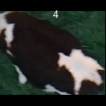 0
/Users/as16542/Downloads/10m32xl88x2b61zlkkgz3fml17/identification/images/train/040/000050.jpg | 0 | 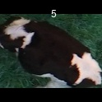
/Users/as16542/Downloads/10m32xl88x2b61zlkkgz3fml17/identification/images/train/040/000052.jpg | 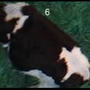 0
/Users/as16542/Downloads/10m32xl88x2b61zlkkgz3fml17/identification/images/train/040/000043.jpg | 2 |  |  | 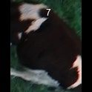
/Users/as16542/Downloads/10m32xl88x2b61zlkkgz3fml17/identification/images/train/040/000037.jpg | 1 |  | 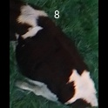
/Users/as16542/Downloads/10m32xl88x2b61zlkkgz3fml17/identification/images/train/040/000014.jpg | 0 | 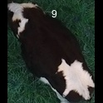
/Users/as16542/Downloads/10m32xl88x2b61zlkkgz3fml17/identification/images/train/040/000057.jpg | 1 |  | 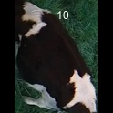
/Users/as16542/Downloads/10m32xl88x2b61zlkkgz3fml17/identification/images/train/040/000019.jpg | 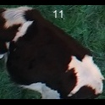 0
/Users/as16542/Downloads/10m32xl88x2b61zlkkgz3fml17/identification/images/train/040/000040.jpg | 1 |  | 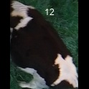
/Users/as16542/Downloads/10m32xl88x2b61zlkkgz3fml17/identification/images/train/040/000046.jpg | 1 |  | 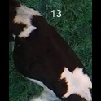
/Users/as16542/Downloads/10m32xl88x2b61zlkkgz3fml17/identification/images/train/040/000051.jpg | 0 | 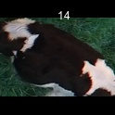
/Users/as16542/Downloads/10m32xl88x2b61zlkkgz3fml17/identification/images/train/040/000044.jpg | 1 |  | 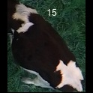
/Users/as16542/Downloads/10m32xl88x2b61zlkkgz3fml17/identification/images/train/040/000011.jpg | 0 | 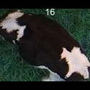
/Users/as16542/Downloads/10m32xl88x2b61zlkkgz3fml17/identification/images/train/040/000002.jpg | 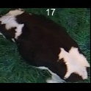 0
/Users/as16542/Downloads/10m32xl88x2b61zlkkgz3fml17/identification/images/train/040/000041.jpg | 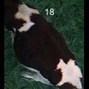 0
/Users/as16542/Downloads/10m32xl88x2b61zlkkgz3fml17/identification/images/train/040/000003.jpg | 2 |  |  | 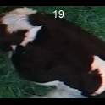
/Users/as16542/Downloads/10m32xl88x2b61zlkkgz3fml17/identification/images/train/040/000032.jpg | 0 | 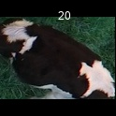
/Users/as16542/Downloads/10m32xl88x2b61zlkkgz3fml17/identification/images/train/040/000025.jpg | 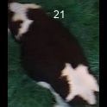 0
/Users/as16542/Downloads/10m32xl88x2b61zlkkgz3fml17/identification/images/train/040/000012.jpg | 0 | 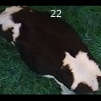
/Users/as16542/Downloads/10m32xl88x2b61zlkkgz3fml17/identification/images/train/040/000058.jpg | 0 | 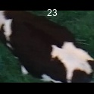
/Users/as16542/Downloads/10m32xl88x2b61zlkkgz3fml17/identification/images/train/040/000018.jpg | 0 | 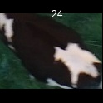
/Users/as16542/Downloads/10m32xl88x2b61zlkkgz3fml17/identification/images/train/040/000013.jpg | 2 |  |  | 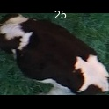
/Users/as16542/Downloads/10m32xl88x2b61zlkkgz3fml17/identification/images/train/040/000017.jpg | 0 | 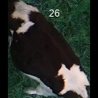
/Users/as16542/Downloads/10m32xl88x2b61zlkkgz3fml17/identification/images/train/040/000008.jpg | 0 | 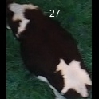
/Users/as16542/Downloads/10m32xl88x2b61zlkkgz3fml17/identification/images/train/040/000035.jpg | 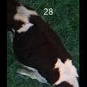 0
/Users/as16542/Downloads/10m32xl88x2b61zlkkgz3fml17/identification/images/train/040/000005.jpg | 0 | 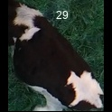
/Users/as16542/Downloads/10m32xl88x2b61zlkkgz3fml17/identification/images/train/040/000001.jpg | 2 |  |  | 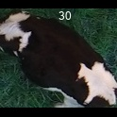
/Users/as16542/Downloads/10m32xl88x2b61zlkkgz3fml17/identification/images/train/040/000006.jpg | 0 | 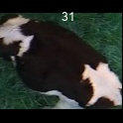
/Users/as16542/Downloads/10m32xl88x2b61zlkkgz3fml17/identification/images/train/040/000023.jpg | 0 | 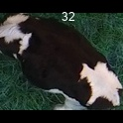
/Users/as16542/Downloads/10m32xl88x2b61zlkkgz3fml17/identification/images/train/040/000026.jpg | 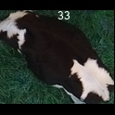 0
/Users/as16542/Downloads/10m32xl88x2b61zlkkgz3fml17/identification/images/train/040/000036.jpg | 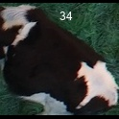 0
/Users/as16542/Downloads/10m32xl88x2b61zlkkgz3fml17/identification/images/train/040/000010.jpg | 0 | 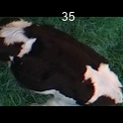
/Users/as16542/Downloads/10m32xl88x2b61zlkkgz3fml17/identification/images/train/040/000039.jpg | 0 | 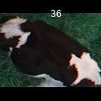
/Users/as16542/Downloads/10m32xl88x2b61zlkkgz3fml17/identification/images/train/040/000004.jpg | 0 | 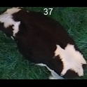
/Users/as16542/Downloads/10m32xl88x2b61zlkkgz3fml17/identification/images/train/040/000033.jpg | 0 | 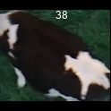
/Users/as16542/Downloads/10m32xl88x2b61zlkkgz3fml17/identification/images/train/040/000034.jpg | 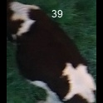 0
/Users/as16542/Downloads/10m32xl88x2b61zlkkgz3fml17/identification/images/train/040/000028.jpg | 2 |  |  | 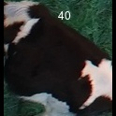
/Users/as16542/Downloads/10m32xl88x2b61zlkkgz3fml17/identification/images/train/040/000030.jpg | 0 | 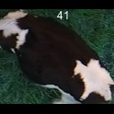
/Users/as16542/Downloads/10m32xl88x2b61zlkkgz3fml17/identification/images/train/040/000045.jpg | 0 | 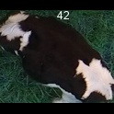
/Users/as16542/Downloads/10m32xl88x2b61zlkkgz3fml17/identification/images/train/040/000029.jpg | 0 | 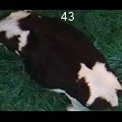
/Users/as16542/Downloads/10m32xl88x2b61zlkkgz3fml17/identification/images/train/040/000042.jpg | 0 | 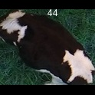
/Users/as16542/Downloads/10m32xl88x2b61zlkkgz3fml17/identification/images/train/040/000031.jpg | 0 | 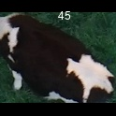
/Users/as16542/Downloads/10m32xl88x2b61zlkkgz3fml17/identification/images/train/040/000021.jpg | 0 | 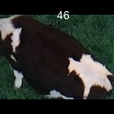
/Users/as16542/Downloads/10m32xl88x2b61zlkkgz3fml17/identification/images/train/040/000022.jpg | 0 | 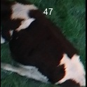
/Users/as16542/Downloads/10m32xl88x2b61zlkkgz3fml17/identification/images/train/040/000047.jpg | 2 |  |  | 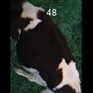
/Users/as16542/Downloads/10m32xl88x2b61zlkkgz3fml17/identification/images/train/040/000055.jpg |  0
/Users/as16542/Downloads/10m32xl88x2b61zlkkgz3fml17/identification/images/train/040/000049.jpg | 0 | 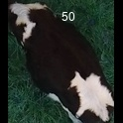
/Users/as16542/Downloads/10m32xl88x2b61zlkkgz3fml17/identification/images/train/040/000038.jpg | 0 | 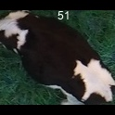
/Users/as16542/Downloads/10m32xl88x2b61zlkkgz3fml17/identification/images/train/040/000016.jpg | 0 | 
/Users/as16542/Downloads/10m32xl88x2b61zlkkgz3fml17/identification/images/train/040/000027.jpg |  0
/Users/as16542/Downloads/10m32xl88x2b61zlkkgz3fml17/identification/images/train/040/000024.jpg |  0
/Users/as16542/Downloads/10m32xl88x2b61zlkkgz3fml17/identification/images/train/040/000054.jpg | 0 | 
/Users/as16542/Downloads/10m32xl88x2b61zlkkgz3fml17/identification/images/train/040/000007.jpg | 0 | 
/Users/as16542/Downloads/10m32xl88x2b61zlkkgz3fml17/identification/images/train/040/000020.jpg | 0 | 

