Sheet1
/Users/as16542/Downloads/10m32xl88x2b61zlkkgz3fml17/identification/images/train/046/000066.jpg | 0 | 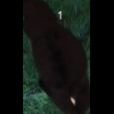
/Users/as16542/Downloads/10m32xl88x2b61zlkkgz3fml17/identification/images/train/046/000056.jpg | 0 | 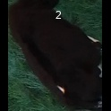
/Users/as16542/Downloads/10m32xl88x2b61zlkkgz3fml17/identification/images/train/046/000009.jpg | 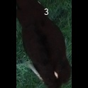 0
/Users/as16542/Downloads/10m32xl88x2b61zlkkgz3fml17/identification/images/train/046/000015.jpg | 0 | 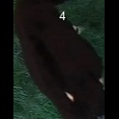
/Users/as16542/Downloads/10m32xl88x2b61zlkkgz3fml17/identification/images/train/046/000048.jpg | 0 | 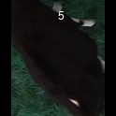
/Users/as16542/Downloads/10m32xl88x2b61zlkkgz3fml17/identification/images/train/046/000050.jpg | 0 | 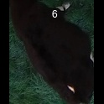
/Users/as16542/Downloads/10m32xl88x2b61zlkkgz3fml17/identification/images/train/046/000052.jpg | 0 | 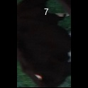
/Users/as16542/Downloads/10m32xl88x2b61zlkkgz3fml17/identification/images/train/046/000043.jpg | 0 | 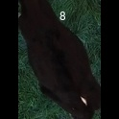
/Users/as16542/Downloads/10m32xl88x2b61zlkkgz3fml17/identification/images/train/046/000037.jpg | 0 | 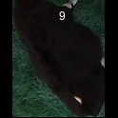
/Users/as16542/Downloads/10m32xl88x2b61zlkkgz3fml17/identification/images/train/046/000014.jpg | 0 | 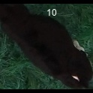
/Users/as16542/Downloads/10m32xl88x2b61zlkkgz3fml17/identification/images/train/046/000057.jpg | 0 | 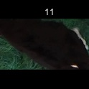
/Users/as16542/Downloads/10m32xl88x2b61zlkkgz3fml17/identification/images/train/046/000019.jpg | 0 | 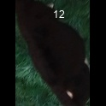
/Users/as16542/Downloads/10m32xl88x2b61zlkkgz3fml17/identification/images/train/046/000040.jpg | 0 | 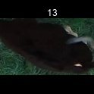
/Users/as16542/Downloads/10m32xl88x2b61zlkkgz3fml17/identification/images/train/046/000060.jpg | 0 | 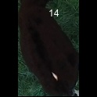
/Users/as16542/Downloads/10m32xl88x2b61zlkkgz3fml17/identification/images/train/046/000046.jpg | 0 | 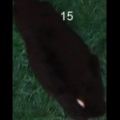
/Users/as16542/Downloads/10m32xl88x2b61zlkkgz3fml17/identification/images/train/046/000051.jpg | 0 | 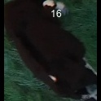
/Users/as16542/Downloads/10m32xl88x2b61zlkkgz3fml17/identification/images/train/046/000044.jpg | 0 | 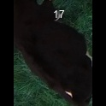
/Users/as16542/Downloads/10m32xl88x2b61zlkkgz3fml17/identification/images/train/046/000011.jpg | 0 | 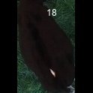
/Users/as16542/Downloads/10m32xl88x2b61zlkkgz3fml17/identification/images/train/046/000063.jpg | 0 | 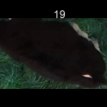
/Users/as16542/Downloads/10m32xl88x2b61zlkkgz3fml17/identification/images/train/046/000002.jpg | 0 | 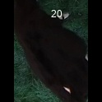
/Users/as16542/Downloads/10m32xl88x2b61zlkkgz3fml17/identification/images/train/046/000041.jpg | 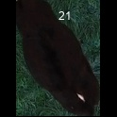 0
/Users/as16542/Downloads/10m32xl88x2b61zlkkgz3fml17/identification/images/train/046/000003.jpg | 0 | 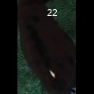
/Users/as16542/Downloads/10m32xl88x2b61zlkkgz3fml17/identification/images/train/046/000032.jpg | 0 | 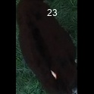
/Users/as16542/Downloads/10m32xl88x2b61zlkkgz3fml17/identification/images/train/046/000025.jpg | 0 | 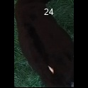
/Users/as16542/Downloads/10m32xl88x2b61zlkkgz3fml17/identification/images/train/046/000067.jpg | 0 | 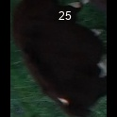
/Users/as16542/Downloads/10m32xl88x2b61zlkkgz3fml17/identification/images/train/046/000012.jpg | 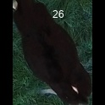 0
/Users/as16542/Downloads/10m32xl88x2b61zlkkgz3fml17/identification/images/train/046/000058.jpg | 0 | 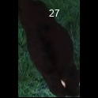
/Users/as16542/Downloads/10m32xl88x2b61zlkkgz3fml17/identification/images/train/046/000018.jpg | 0 | 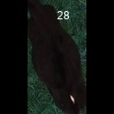
/Users/as16542/Downloads/10m32xl88x2b61zlkkgz3fml17/identification/images/train/046/000013.jpg | 0 | 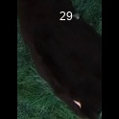
/Users/as16542/Downloads/10m32xl88x2b61zlkkgz3fml17/identification/images/train/046/000017.jpg | 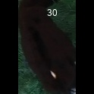 0
/Users/as16542/Downloads/10m32xl88x2b61zlkkgz3fml17/identification/images/train/046/000008.jpg | 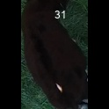 0
/Users/as16542/Downloads/10m32xl88x2b61zlkkgz3fml17/identification/images/train/046/000035.jpg | 0 | 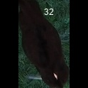
/Users/as16542/Downloads/10m32xl88x2b61zlkkgz3fml17/identification/images/train/046/000005.jpg | 0 | 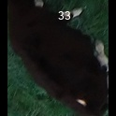
/Users/as16542/Downloads/10m32xl88x2b61zlkkgz3fml17/identification/images/train/046/000001.jpg | 0 | 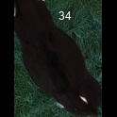
/Users/as16542/Downloads/10m32xl88x2b61zlkkgz3fml17/identification/images/train/046/000006.jpg | 0 | 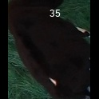
/Users/as16542/Downloads/10m32xl88x2b61zlkkgz3fml17/identification/images/train/046/000062.jpg | 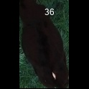 0
/Users/as16542/Downloads/10m32xl88x2b61zlkkgz3fml17/identification/images/train/046/000023.jpg | 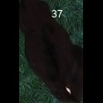 0
/Users/as16542/Downloads/10m32xl88x2b61zlkkgz3fml17/identification/images/train/046/000026.jpg | 0 | 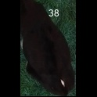
/Users/as16542/Downloads/10m32xl88x2b61zlkkgz3fml17/identification/images/train/046/000036.jpg | 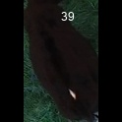 0
/Users/as16542/Downloads/10m32xl88x2b61zlkkgz3fml17/identification/images/train/046/000010.jpg | 0 | 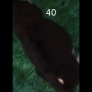
/Users/as16542/Downloads/10m32xl88x2b61zlkkgz3fml17/identification/images/train/046/000039.jpg | 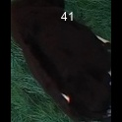 0
/Users/as16542/Downloads/10m32xl88x2b61zlkkgz3fml17/identification/images/train/046/000059.jpg | 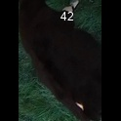 0
/Users/as16542/Downloads/10m32xl88x2b61zlkkgz3fml17/identification/images/train/046/000004.jpg | 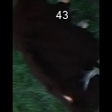 0
/Users/as16542/Downloads/10m32xl88x2b61zlkkgz3fml17/identification/images/train/046/000033.jpg | 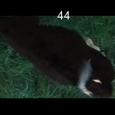 0
/Users/as16542/Downloads/10m32xl88x2b61zlkkgz3fml17/identification/images/train/046/000034.jpg | 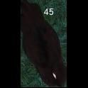 0
/Users/as16542/Downloads/10m32xl88x2b61zlkkgz3fml17/identification/images/train/046/000061.jpg | 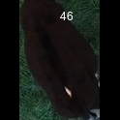 0
/Users/as16542/Downloads/10m32xl88x2b61zlkkgz3fml17/identification/images/train/046/000028.jpg | 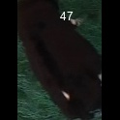 0
/Users/as16542/Downloads/10m32xl88x2b61zlkkgz3fml17/identification/images/train/046/000030.jpg | 0 | 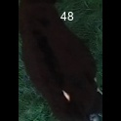
/Users/as16542/Downloads/10m32xl88x2b61zlkkgz3fml17/identification/images/train/046/000045.jpg | 0 | 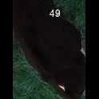
/Users/as16542/Downloads/10m32xl88x2b61zlkkgz3fml17/identification/images/train/046/000029.jpg | 0 | 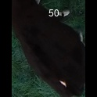
/Users/as16542/Downloads/10m32xl88x2b61zlkkgz3fml17/identification/images/train/046/000064.jpg | 0 | 
/Users/as16542/Downloads/10m32xl88x2b61zlkkgz3fml17/identification/images/train/046/000042.jpg |  0
/Users/as16542/Downloads/10m32xl88x2b61zlkkgz3fml17/identification/images/train/046/000031.jpg | 0 | 
/Users/as16542/Downloads/10m32xl88x2b61zlkkgz3fml17/identification/images/train/046/000021.jpg | 0 | 
/Users/as16542/Downloads/10m32xl88x2b61zlkkgz3fml17/identification/images/train/046/000022.jpg | 0 | 
/Users/as16542/Downloads/10m32xl88x2b61zlkkgz3fml17/identification/images/train/046/000047.jpg | 0 | 
/Users/as16542/Downloads/10m32xl88x2b61zlkkgz3fml17/identification/images/train/046/000055.jpg | 0 | 
/Users/as16542/Downloads/10m32xl88x2b61zlkkgz3fml17/identification/images/train/046/000049.jpg |  0
/Users/as16542/Downloads/10m32xl88x2b61zlkkgz3fml17/identification/images/train/046/000038.jpg |  0
/Users/as16542/Downloads/10m32xl88x2b61zlkkgz3fml17/identification/images/train/046/000016.jpg |  0
/Users/as16542/Downloads/10m32xl88x2b61zlkkgz3fml17/identification/images/train/046/000027.jpg | 0 | 
/Users/as16542/Downloads/10m32xl88x2b61zlkkgz3fml17/identification/images/train/046/000065.jpg | 0 | 
/Users/as16542/Downloads/10m32xl88x2b61zlkkgz3fml17/identification/images/train/046/000024.jpg | 0 | 
/Users/as16542/Downloads/10m32xl88x2b61zlkkgz3fml17/identification/images/train/046/000054.jpg | 0 | 
/Users/as16542/Downloads/10m32xl88x2b61zlkkgz3fml17/identification/images/train/046/000007.jpg |  0
/Users/as16542/Downloads/10m32xl88x2b61zlkkgz3fml17/identification/images/train/046/000020.jpg |  0

