Sheet1
/Users/as16542/Downloads/10m32xl88x2b61zlkkgz3fml17/identification/images/train/001/000088.jpg |  |  |  |  |  |  |  |  |  |  | 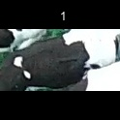
/Users/as16542/Downloads/10m32xl88x2b61zlkkgz3fml17/identification/images/train/001/000079.jpg |  | 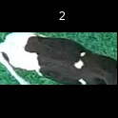
/Users/as16542/Downloads/10m32xl88x2b61zlkkgz3fml17/identification/images/train/001/000071.jpg |  |  |  |  |  |  |  |  |  |  | 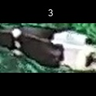
/Users/as16542/Downloads/10m32xl88x2b61zlkkgz3fml17/identification/images/train/001/000116.jpg |  |  |  |  |  |  |  |  |  |  | 
/Users/as16542/Downloads/10m32xl88x2b61zlkkgz3fml17/identification/images/train/001/000053.jpg |  |  |  |  |  |  |  |  |  |  | 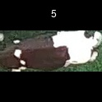
/Users/as16542/Downloads/10m32xl88x2b61zlkkgz3fml17/identification/images/train/001/000077.jpg |  |  |  |  |  |  |  |  |  |  | 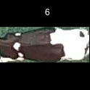
/Users/as16542/Downloads/10m32xl88x2b61zlkkgz3fml17/identification/images/train/001/000107.jpg |  |  |  |  |  |  |  |  | 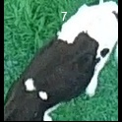
/Users/as16542/Downloads/10m32xl88x2b61zlkkgz3fml17/identification/images/train/001/000148.jpg |  |  |  |  |  |  |  |  |  |  | 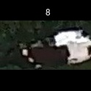
/Users/as16542/Downloads/10m32xl88x2b61zlkkgz3fml17/identification/images/train/001/000124.jpg |  |  |  |  |  |  | 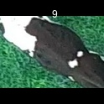
/Users/as16542/Downloads/10m32xl88x2b61zlkkgz3fml17/identification/images/train/001/000144.jpg | 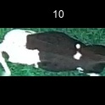
/Users/as16542/Downloads/10m32xl88x2b61zlkkgz3fml17/identification/images/train/001/000147.jpg |  |  |  |  |  |  |  |  |  |  |  |  | 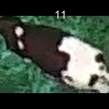
/Users/as16542/Downloads/10m32xl88x2b61zlkkgz3fml17/identification/images/train/001/000066.jpg |  |  |  |  |  |  | 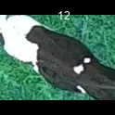
/Users/as16542/Downloads/10m32xl88x2b61zlkkgz3fml17/identification/images/train/001/000095.jpg |  |  |  |  |  |  | 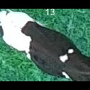
/Users/as16542/Downloads/10m32xl88x2b61zlkkgz3fml17/identification/images/train/001/000056.jpg |  |  |  |  |  |  |  |  |  |  | 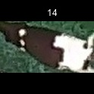
/Users/as16542/Downloads/10m32xl88x2b61zlkkgz3fml17/identification/images/train/001/000158.jpg |  |  |  |  |  |  |  |  |  |  | 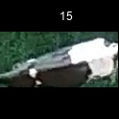
/Users/as16542/Downloads/10m32xl88x2b61zlkkgz3fml17/identification/images/train/001/000009.jpg |  |  |  |  |  |  | 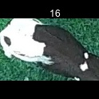
/Users/as16542/Downloads/10m32xl88x2b61zlkkgz3fml17/identification/images/train/001/000146.jpg |  |  |  |  |  |  |  |  |  |  | 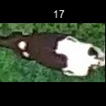
/Users/as16542/Downloads/10m32xl88x2b61zlkkgz3fml17/identification/images/train/001/000015.jpg |  |  |  |  |  |  |  |  |  |  | 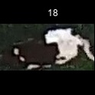
/Users/as16542/Downloads/10m32xl88x2b61zlkkgz3fml17/identification/images/train/001/000120.jpg |  |  |  |  |  | 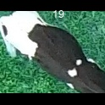
/Users/as16542/Downloads/10m32xl88x2b61zlkkgz3fml17/identification/images/train/001/000154.jpg |  |  |  |  |  | 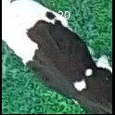
/Users/as16542/Downloads/10m32xl88x2b61zlkkgz3fml17/identification/images/train/001/000093.jpg |  |  |  |  |  | 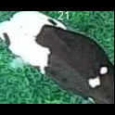
/Users/as16542/Downloads/10m32xl88x2b61zlkkgz3fml17/identification/images/train/001/000156.jpg |  |  |  |  |  |  |  |  |  |  | 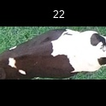
/Users/as16542/Downloads/10m32xl88x2b61zlkkgz3fml17/identification/images/train/001/000118.jpg |  |  |  |  |  | 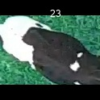
/Users/as16542/Downloads/10m32xl88x2b61zlkkgz3fml17/identification/images/train/001/000091.jpg |  |  |  |  |  | 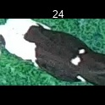
/Users/as16542/Downloads/10m32xl88x2b61zlkkgz3fml17/identification/images/train/001/000075.jpg |  |  |  |  |  |  |  |  |  |  | 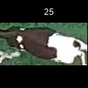
/Users/as16542/Downloads/10m32xl88x2b61zlkkgz3fml17/identification/images/train/001/000048.jpg |  |  |  |  |  |  |  | 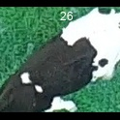
/Users/as16542/Downloads/10m32xl88x2b61zlkkgz3fml17/identification/images/train/001/000164.jpg |  |  |  |  |  |  |  |  |  |  | 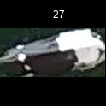
/Users/as16542/Downloads/10m32xl88x2b61zlkkgz3fml17/identification/images/train/001/000050.jpg |  |  |  |  |  |  | 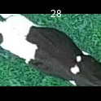
/Users/as16542/Downloads/10m32xl88x2b61zlkkgz3fml17/identification/images/train/001/000112.jpg |  |  |  |  |  |  |  |  |  | 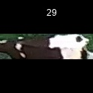
/Users/as16542/Downloads/10m32xl88x2b61zlkkgz3fml17/identification/images/train/001/000052.jpg |  |  |  |  |  |  |  |  |  | 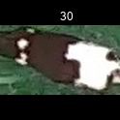
/Users/as16542/Downloads/10m32xl88x2b61zlkkgz3fml17/identification/images/train/001/000043.jpg |  |  |  |  |  |  |  |  |  | 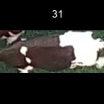
/Users/as16542/Downloads/10m32xl88x2b61zlkkgz3fml17/identification/images/train/001/000115.jpg |  | 
/Users/as16542/Downloads/10m32xl88x2b61zlkkgz3fml17/identification/images/train/001/000086.jpg |  |  |  |  |  |  |  |  |  |  | 
/Users/as16542/Downloads/10m32xl88x2b61zlkkgz3fml17/identification/images/train/001/000037.jpg |  |  |  |  |  |  |  |  |  |  | 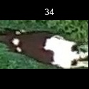
/Users/as16542/Downloads/10m32xl88x2b61zlkkgz3fml17/identification/images/train/001/000014.jpg |  |  |  | 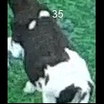
/Users/as16542/Downloads/10m32xl88x2b61zlkkgz3fml17/identification/images/train/001/000057.jpg |  |  |  |  |  |  |  |  |  |  | 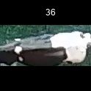
/Users/as16542/Downloads/10m32xl88x2b61zlkkgz3fml17/identification/images/train/001/000019.jpg |  |  |  |  |  |  |  |  |  |  | 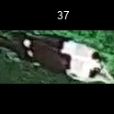
/Users/as16542/Downloads/10m32xl88x2b61zlkkgz3fml17/identification/images/train/001/000040.jpg |  |  |  |  |  |  |  |  |  |  | 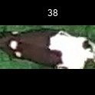
/Users/as16542/Downloads/10m32xl88x2b61zlkkgz3fml17/identification/images/train/001/000069.jpg |  |  |  | 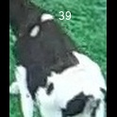
/Users/as16542/Downloads/10m32xl88x2b61zlkkgz3fml17/identification/images/train/001/000060.jpg |  |  |  |  |  | 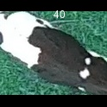
/Users/as16542/Downloads/10m32xl88x2b61zlkkgz3fml17/identification/images/train/001/000046.jpg | 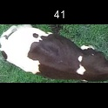
/Users/as16542/Downloads/10m32xl88x2b61zlkkgz3fml17/identification/images/train/001/000105.jpg |  |  |  |  |  |  |  |  |  |  | 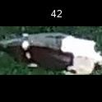
/Users/as16542/Downloads/10m32xl88x2b61zlkkgz3fml17/identification/images/train/001/000132.jpg |  |  | 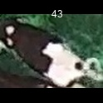
/Users/as16542/Downloads/10m32xl88x2b61zlkkgz3fml17/identification/images/train/001/000136.jpg |  |  |  |  |  |  |  |  |  |  | 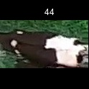
/Users/as16542/Downloads/10m32xl88x2b61zlkkgz3fml17/identification/images/train/001/000089.jpg |  |  |  |  |  |  |  |  |  |  | 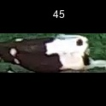
/Users/as16542/Downloads/10m32xl88x2b61zlkkgz3fml17/identification/images/train/001/000161.jpg |  | 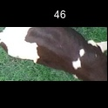
/Users/as16542/Downloads/10m32xl88x2b61zlkkgz3fml17/identification/images/train/001/000051.jpg |  |  |  |  |  |  | 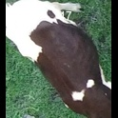
/Users/as16542/Downloads/10m32xl88x2b61zlkkgz3fml17/identification/images/train/001/000072.jpg |  |  |  |  |  |  |  |  |  |  | 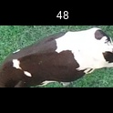
/Users/as16542/Downloads/10m32xl88x2b61zlkkgz3fml17/identification/images/train/001/000044.jpg |  |  |  |  |  | 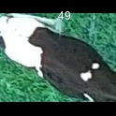
/Users/as16542/Downloads/10m32xl88x2b61zlkkgz3fml17/identification/images/train/001/000078.jpg |  |  |  |  |  |  |  |  |  | 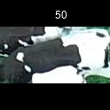
/Users/as16542/Downloads/10m32xl88x2b61zlkkgz3fml17/identification/images/train/001/000011.jpg |  |  |  |  |  |  |  |  |  | 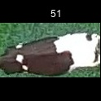
/Users/as16542/Downloads/10m32xl88x2b61zlkkgz3fml17/identification/images/train/001/000128.jpg |  |  |  |  |  |  | 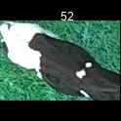
/Users/as16542/Downloads/10m32xl88x2b61zlkkgz3fml17/identification/images/train/001/000063.jpg |  | 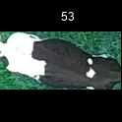
/Users/as16542/Downloads/10m32xl88x2b61zlkkgz3fml17/identification/images/train/001/000002.jpg |  | 
/Users/as16542/Downloads/10m32xl88x2b61zlkkgz3fml17/identification/images/train/001/000081.jpg |  | 
/Users/as16542/Downloads/10m32xl88x2b61zlkkgz3fml17/identification/images/train/001/000041.jpg |  |  |  | 
/Users/as16542/Downloads/10m32xl88x2b61zlkkgz3fml17/identification/images/train/001/000153.jpg |  |  |  |  |  |  |  |  |  |  | 
/Users/as16542/Downloads/10m32xl88x2b61zlkkgz3fml17/identification/images/train/001/000003.jpg |  |  |  |  |  |  |  |  |  |  | 
/Users/as16542/Downloads/10m32xl88x2b61zlkkgz3fml17/identification/images/train/001/000032.jpg |  |  |  |  |  |  |  |  |  | 
/Users/as16542/Downloads/10m32xl88x2b61zlkkgz3fml17/identification/images/train/001/000025.jpg |  |  |  |  |  |  |  |  |  | 
/Users/as16542/Downloads/10m32xl88x2b61zlkkgz3fml17/identification/images/train/001/000141.jpg |  |  |  |  |  |  |  |  |  | 
/Users/as16542/Downloads/10m32xl88x2b61zlkkgz3fml17/identification/images/train/001/000067.jpg |  |  |  |  |  |  |  |  |  | 
/Users/as16542/Downloads/10m32xl88x2b61zlkkgz3fml17/identification/images/train/001/000097.jpg |  |  |  | 
/Users/as16542/Downloads/10m32xl88x2b61zlkkgz3fml17/identification/images/train/001/000012.jpg |  | 
/Users/as16542/Downloads/10m32xl88x2b61zlkkgz3fml17/identification/images/train/001/000058.jpg |  |  |  |  |  |  |  |  |  |  | 
/Users/as16542/Downloads/10m32xl88x2b61zlkkgz3fml17/identification/images/train/001/000152.jpg |  |  |  |  |  |  |  |  |  |  | 
/Users/as16542/Downloads/10m32xl88x2b61zlkkgz3fml17/identification/images/train/001/000018.jpg |  |  |  |  |  |  |  |  |  |  | 
/Users/as16542/Downloads/10m32xl88x2b61zlkkgz3fml17/identification/images/train/001/000013.jpg |  | 
/Users/as16542/Downloads/10m32xl88x2b61zlkkgz3fml17/identification/images/train/001/000129.jpg |  | 
/Users/as16542/Downloads/10m32xl88x2b61zlkkgz3fml17/identification/images/train/001/000131.jpg |  |  |  |  |  |  |  |  |  |  | 
/Users/as16542/Downloads/10m32xl88x2b61zlkkgz3fml17/identification/images/train/001/000151.jpg |  |  |  |  |  |  |  |  |  |  | 
/Users/as16542/Downloads/10m32xl88x2b61zlkkgz3fml17/identification/images/train/001/000068.jpg |  |  |  |  |  |  | 
/Users/as16542/Downloads/10m32xl88x2b61zlkkgz3fml17/identification/images/train/001/000017.jpg |  |  |  |  |  |  |  |  |  |  | 
/Users/as16542/Downloads/10m32xl88x2b61zlkkgz3fml17/identification/images/train/001/000149.jpg |  |  |  |  |  |  | 
/Users/as16542/Downloads/10m32xl88x2b61zlkkgz3fml17/identification/images/train/001/000008.jpg |  | 
/Users/as16542/Downloads/10m32xl88x2b61zlkkgz3fml17/identification/images/train/001/000035.jpg |  |  |  |  |  |  |  |  |  |  | 
/Users/as16542/Downloads/10m32xl88x2b61zlkkgz3fml17/identification/images/train/001/000108.jpg |  |  |  |  |  |  |  |  |  |  | 
/Users/as16542/Downloads/10m32xl88x2b61zlkkgz3fml17/identification/images/train/001/000005.jpg |  |  |  |  |  |  |  |  |  |  | 
/Users/as16542/Downloads/10m32xl88x2b61zlkkgz3fml17/identification/images/train/001/000163.jpg |  |  |  |  | 
/Users/as16542/Downloads/10m32xl88x2b61zlkkgz3fml17/identification/images/train/001/000139.jpg |  |  |  |  |  |  |  |  |  | 
/Users/as16542/Downloads/10m32xl88x2b61zlkkgz3fml17/identification/images/train/001/000130.jpg |  |  |  |  |  |  | 
/Users/as16542/Downloads/10m32xl88x2b61zlkkgz3fml17/identification/images/train/001/000159.jpg |  |  |  |  |  |  |  |  |  |  | 
/Users/as16542/Downloads/10m32xl88x2b61zlkkgz3fml17/identification/images/train/001/000070.jpg |  |  |  |  |  |  |  |  |  |  | 
/Users/as16542/Downloads/10m32xl88x2b61zlkkgz3fml17/identification/images/train/001/000001.jpg |  |  |  |  |  | 
/Users/as16542/Downloads/10m32xl88x2b61zlkkgz3fml17/identification/images/train/001/000085.jpg |  |  |  |  | 
/Users/as16542/Downloads/10m32xl88x2b61zlkkgz3fml17/identification/images/train/001/000111.jpg |  |  |  |  |  |  |  |  |  |  | 
/Users/as16542/Downloads/10m32xl88x2b61zlkkgz3fml17/identification/images/train/001/000127.jpg |  |  |  |  |  |  | 
/Users/as16542/Downloads/10m32xl88x2b61zlkkgz3fml17/identification/images/train/001/000104.jpg |  |  |  |  |  |  |  |  |  |  | 
/Users/as16542/Downloads/10m32xl88x2b61zlkkgz3fml17/identification/images/train/001/000099.jpg |  |  |  |  |  |  |  |  |  |  |  |  | 
/Users/as16542/Downloads/10m32xl88x2b61zlkkgz3fml17/identification/images/train/001/000137.jpg |  |  |  |  |  |  |  |  |  |  | 
/Users/as16542/Downloads/10m32xl88x2b61zlkkgz3fml17/identification/images/train/001/000006.jpg |  |  |  |  |  |  |  |  |  |  | 
/Users/as16542/Downloads/10m32xl88x2b61zlkkgz3fml17/identification/images/train/001/000062.jpg |  |  |  |  |  |  | 
/Users/as16542/Downloads/10m32xl88x2b61zlkkgz3fml17/identification/images/train/001/000140.jpg |  |  |  |  |  |  |  |  |  |  | 
/Users/as16542/Downloads/10m32xl88x2b61zlkkgz3fml17/identification/images/train/001/000023.jpg |  | 
/Users/as16542/Downloads/10m32xl88x2b61zlkkgz3fml17/identification/images/train/001/000026.jpg |  |  |  |  |  |  | 
/Users/as16542/Downloads/10m32xl88x2b61zlkkgz3fml17/identification/images/train/001/000134.jpg |  |  |  |  |  |  | 
/Users/as16542/Downloads/10m32xl88x2b61zlkkgz3fml17/identification/images/train/001/000036.jpg |  | 
/Users/as16542/Downloads/10m32xl88x2b61zlkkgz3fml17/identification/images/train/001/000157.jpg |  |  |  | 
/Users/as16542/Downloads/10m32xl88x2b61zlkkgz3fml17/identification/images/train/001/000010.jpg |  |  |  |  |  |  |  |  |  |  | 
/Users/as16542/Downloads/10m32xl88x2b61zlkkgz3fml17/identification/images/train/001/000114.jpg |  |  |  |  |  |  |  |  |  |  | 
/Users/as16542/Downloads/10m32xl88x2b61zlkkgz3fml17/identification/images/train/001/000083.jpg |  |  |  |  |  |  |  |  |  |  | 
/Users/as16542/Downloads/10m32xl88x2b61zlkkgz3fml17/identification/images/train/001/000119.jpg |  |  |  | 
/Users/as16542/Downloads/10m32xl88x2b61zlkkgz3fml17/identification/images/train/001/000039.jpg |  |  |  |  |  |  |  |  |  |  | 
/Users/as16542/Downloads/10m32xl88x2b61zlkkgz3fml17/identification/images/train/001/000059.jpg |  |  |  |  |  |  |  |  |  |  |  | 
/Users/as16542/Downloads/10m32xl88x2b61zlkkgz3fml17/identification/images/train/001/000110.jpg |  |  |  |  |  |  | 
/Users/as16542/Downloads/10m32xl88x2b61zlkkgz3fml17/identification/images/train/001/000135.jpg |  |  |  |  |  |  |  |  |  |  | 
/Users/as16542/Downloads/10m32xl88x2b61zlkkgz3fml17/identification/images/train/001/000113.jpg |  |  |  |  |  |  |  |  |  |  | 
/Users/as16542/Downloads/10m32xl88x2b61zlkkgz3fml17/identification/images/train/001/000004.jpg |  |  |  |  |  |  |  |  |  |  | 
/Users/as16542/Downloads/10m32xl88x2b61zlkkgz3fml17/identification/images/train/001/000084.jpg |  |  |  |  |  |  |  |  |  |  | 
/Users/as16542/Downloads/10m32xl88x2b61zlkkgz3fml17/identification/images/train/001/000092.jpg |  |  |  |  |  |  |  |  |  |  | 
/Users/as16542/Downloads/10m32xl88x2b61zlkkgz3fml17/identification/images/train/001/000033.jpg |  |  |  |  |  |  |  |  |  |  | 
/Users/as16542/Downloads/10m32xl88x2b61zlkkgz3fml17/identification/images/train/001/000034.jpg |  |  |  |  |  |  |  |  |  |  |  |  | 
/Users/as16542/Downloads/10m32xl88x2b61zlkkgz3fml17/identification/images/train/001/000061.jpg |  | 
/Users/as16542/Downloads/10m32xl88x2b61zlkkgz3fml17/identification/images/train/001/000160.jpg |  |  |  |  |  |  |  |  |  |  | 
/Users/as16542/Downloads/10m32xl88x2b61zlkkgz3fml17/identification/images/train/001/000028.jpg |  |  |  |  |  |  |  |  |  | 
/Users/as16542/Downloads/10m32xl88x2b61zlkkgz3fml17/identification/images/train/001/000082.jpg |  |  |  |  |  |  | 
/Users/as16542/Downloads/10m32xl88x2b61zlkkgz3fml17/identification/images/train/001/000098.jpg |  |  |  |  |  |  | 
/Users/as16542/Downloads/10m32xl88x2b61zlkkgz3fml17/identification/images/train/001/000030.jpg |  |  |  |  |  |  |  |  |  |  | 
/Users/as16542/Downloads/10m32xl88x2b61zlkkgz3fml17/identification/images/train/001/000045.jpg |  |  |  | 
/Users/as16542/Downloads/10m32xl88x2b61zlkkgz3fml17/identification/images/train/001/000080.jpg |  |  |  |  |  |  |  |  |  |  | 
/Users/as16542/Downloads/10m32xl88x2b61zlkkgz3fml17/identification/images/train/001/000117.jpg |  |  |  |  |  |  |  |  |  |  | 
/Users/as16542/Downloads/10m32xl88x2b61zlkkgz3fml17/identification/images/train/001/000074.jpg |  |  |  |  |  |  |  |  |  |  | 
/Users/as16542/Downloads/10m32xl88x2b61zlkkgz3fml17/identification/images/train/001/000029.jpg |  |  |  |  |  |  | 
/Users/as16542/Downloads/10m32xl88x2b61zlkkgz3fml17/identification/images/train/001/000103.jpg |  | 
/Users/as16542/Downloads/10m32xl88x2b61zlkkgz3fml17/identification/images/train/001/000155.jpg |  |  |  |  |  |  |  |  |  |  | 
/Users/as16542/Downloads/10m32xl88x2b61zlkkgz3fml17/identification/images/train/001/000064.jpg |  |  |  |  |  | 
/Users/as16542/Downloads/10m32xl88x2b61zlkkgz3fml17/identification/images/train/001/000121.jpg |  | 
/Users/as16542/Downloads/10m32xl88x2b61zlkkgz3fml17/identification/images/train/001/000133.jpg |  |  |  |  |  |  |  |  |  |  | 
/Users/as16542/Downloads/10m32xl88x2b61zlkkgz3fml17/identification/images/train/001/000042.jpg |  |  |  |  |  |  |  |  |  |  | 
/Users/as16542/Downloads/10m32xl88x2b61zlkkgz3fml17/identification/images/train/001/000109.jpg |  |  |  |  |  |  |  |  |  |  | 
/Users/as16542/Downloads/10m32xl88x2b61zlkkgz3fml17/identification/images/train/001/000138.jpg |  |  |  |  |  |  |  |  |  |  | 
/Users/as16542/Downloads/10m32xl88x2b61zlkkgz3fml17/identification/images/train/001/000031.jpg |  |  |  |  |  |  |  |  |  |  | 
/Users/as16542/Downloads/10m32xl88x2b61zlkkgz3fml17/identification/images/train/001/000073.jpg |  |  |  |  |  |  |  |  |  |  | 
/Users/as16542/Downloads/10m32xl88x2b61zlkkgz3fml17/identification/images/train/001/000021.jpg |  | 
/Users/as16542/Downloads/10m32xl88x2b61zlkkgz3fml17/identification/images/train/001/000122.jpg |  | 
/Users/as16542/Downloads/10m32xl88x2b61zlkkgz3fml17/identification/images/train/001/000094.jpg |  |  |  |  |  |  | 
/Users/as16542/Downloads/10m32xl88x2b61zlkkgz3fml17/identification/images/train/001/000022.jpg |  |  |  |  |  |  |  |  |  |  | 
/Users/as16542/Downloads/10m32xl88x2b61zlkkgz3fml17/identification/images/train/001/000101.jpg |  |  |  | 
/Users/as16542/Downloads/10m32xl88x2b61zlkkgz3fml17/identification/images/train/001/000047.jpg |  |  |  | 
/Users/as16542/Downloads/10m32xl88x2b61zlkkgz3fml17/identification/images/train/001/000055.jpg |  |  |  |  |  |  | 
/Users/as16542/Downloads/10m32xl88x2b61zlkkgz3fml17/identification/images/train/001/000049.jpg |  | 
/Users/as16542/Downloads/10m32xl88x2b61zlkkgz3fml17/identification/images/train/001/000096.jpg |  |  |  |  |  |  |  |  |  | 
/Users/as16542/Downloads/10m32xl88x2b61zlkkgz3fml17/identification/images/train/001/000076.jpg |  | 
/Users/as16542/Downloads/10m32xl88x2b61zlkkgz3fml17/identification/images/train/001/000125.jpg |  |  |  |  |  |  |  |  |  |  | 
/Users/as16542/Downloads/10m32xl88x2b61zlkkgz3fml17/identification/images/train/001/000038.jpg |  |  |  |  |  |  |  |  |  |  | 
/Users/as16542/Downloads/10m32xl88x2b61zlkkgz3fml17/identification/images/train/001/000016.jpg |  |  |  |  |  |  |  |  |  |  | 
/Users/as16542/Downloads/10m32xl88x2b61zlkkgz3fml17/identification/images/train/001/000087.jpg | 
/Users/as16542/Downloads/10m32xl88x2b61zlkkgz3fml17/identification/images/train/001/000027.jpg |  |  |  |  |  |  |  |  |  |  | 
/Users/as16542/Downloads/10m32xl88x2b61zlkkgz3fml17/identification/images/train/001/000106.jpg |  |  |  |  |  |  |  |  |  |  | 
/Users/as16542/Downloads/10m32xl88x2b61zlkkgz3fml17/identification/images/train/001/000143.jpg |  |  |  |  | 
/Users/as16542/Downloads/10m32xl88x2b61zlkkgz3fml17/identification/images/train/001/000145.jpg |  |  |  |  |  |  |  |  |  |  | 
/Users/as16542/Downloads/10m32xl88x2b61zlkkgz3fml17/identification/images/train/001/000090.jpg |  |  |  |  |  |  |  |  |  |  | 
/Users/as16542/Downloads/10m32xl88x2b61zlkkgz3fml17/identification/images/train/001/000126.jpg |  |  |  |  |  |  |  |  |  |  | 
/Users/as16542/Downloads/10m32xl88x2b61zlkkgz3fml17/identification/images/train/001/000162.jpg |  |  |  |  |  |  |  |  |  |  | 
/Users/as16542/Downloads/10m32xl88x2b61zlkkgz3fml17/identification/images/train/001/000100.jpg |  |  |  |  |  |  |  |  |  |  | 
/Users/as16542/Downloads/10m32xl88x2b61zlkkgz3fml17/identification/images/train/001/000123.jpg |  |  |  |  |  |  |  |  |  |  | 
/Users/as16542/Downloads/10m32xl88x2b61zlkkgz3fml17/identification/images/train/001/000150.jpg |  |  |  |  |  |  |  |  |  |  | 
/Users/as16542/Downloads/10m32xl88x2b61zlkkgz3fml17/identification/images/train/001/000065.jpg |  |  |  |  |  |  | 
/Users/as16542/Downloads/10m32xl88x2b61zlkkgz3fml17/identification/images/train/001/000024.jpg |  | 
/Users/as16542/Downloads/10m32xl88x2b61zlkkgz3fml17/identification/images/train/001/000054.jpg |  |  |  |  |  |  |  |  |  |  | 
/Users/as16542/Downloads/10m32xl88x2b61zlkkgz3fml17/identification/images/train/001/000007.jpg |  |  |  |  |  |  |  |  |  |  | 
/Users/as16542/Downloads/10m32xl88x2b61zlkkgz3fml17/identification/images/train/001/000102.jpg |  |  |  |  |  |  | 
/Users/as16542/Downloads/10m32xl88x2b61zlkkgz3fml17/identification/images/train/001/000020.jpg |  |  |  |  |  |  |  |  |  |  | 

