Sheet1
/Users/as16542/Downloads/10m32xl88x2b61zlkkgz3fml17/identification/images/train/002/000079.jpg |  |  |  |  |  | 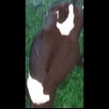
/Users/as16542/Downloads/10m32xl88x2b61zlkkgz3fml17/identification/images/train/002/000071.jpg |  | 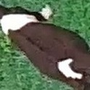
/Users/as16542/Downloads/10m32xl88x2b61zlkkgz3fml17/identification/images/train/002/000053.jpg |  |  |  | 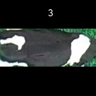
/Users/as16542/Downloads/10m32xl88x2b61zlkkgz3fml17/identification/images/train/002/000077.jpg |  | 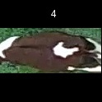
/Users/as16542/Downloads/10m32xl88x2b61zlkkgz3fml17/identification/images/train/002/000107.jpg |  |  |  | 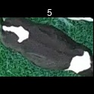
/Users/as16542/Downloads/10m32xl88x2b61zlkkgz3fml17/identification/images/train/002/000066.jpg |  |  |  | 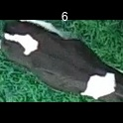
/Users/as16542/Downloads/10m32xl88x2b61zlkkgz3fml17/identification/images/train/002/000095.jpg |  |  |  | 
/Users/as16542/Downloads/10m32xl88x2b61zlkkgz3fml17/identification/images/train/002/000056.jpg |  |  |  |  |  |  | 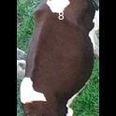
/Users/as16542/Downloads/10m32xl88x2b61zlkkgz3fml17/identification/images/train/002/000009.jpg |  | 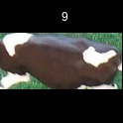
/Users/as16542/Downloads/10m32xl88x2b61zlkkgz3fml17/identification/images/train/002/000015.jpg |  |  |  | 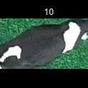
/Users/as16542/Downloads/10m32xl88x2b61zlkkgz3fml17/identification/images/train/002/000093.jpg |  | 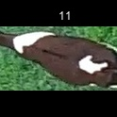
/Users/as16542/Downloads/10m32xl88x2b61zlkkgz3fml17/identification/images/train/002/000091.jpg |  | 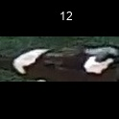
/Users/as16542/Downloads/10m32xl88x2b61zlkkgz3fml17/identification/images/train/002/000075.jpg |  |  |  | 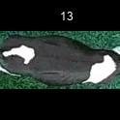
/Users/as16542/Downloads/10m32xl88x2b61zlkkgz3fml17/identification/images/train/002/000048.jpg |  |  |  |  | 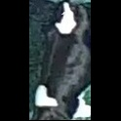
/Users/as16542/Downloads/10m32xl88x2b61zlkkgz3fml17/identification/images/train/002/000050.jpg |  |  |  | 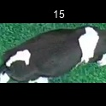
/Users/as16542/Downloads/10m32xl88x2b61zlkkgz3fml17/identification/images/train/002/000052.jpg |  |  |  |  |  | 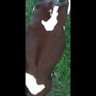
/Users/as16542/Downloads/10m32xl88x2b61zlkkgz3fml17/identification/images/train/002/000043.jpg |  |  |  | 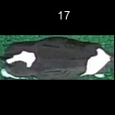
/Users/as16542/Downloads/10m32xl88x2b61zlkkgz3fml17/identification/images/train/002/000086.jpg |  | 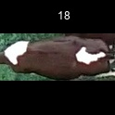
/Users/as16542/Downloads/10m32xl88x2b61zlkkgz3fml17/identification/images/train/002/000037.jpg |  |  |  | 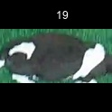
/Users/as16542/Downloads/10m32xl88x2b61zlkkgz3fml17/identification/images/train/002/000014.jpg |  |  |  | 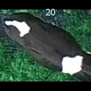
/Users/as16542/Downloads/10m32xl88x2b61zlkkgz3fml17/identification/images/train/002/000057.jpg |  |  |  |  |  | 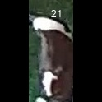
/Users/as16542/Downloads/10m32xl88x2b61zlkkgz3fml17/identification/images/train/002/000019.jpg |  |  |  | 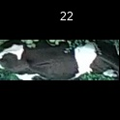
/Users/as16542/Downloads/10m32xl88x2b61zlkkgz3fml17/identification/images/train/002/000040.jpg |  |  |  | 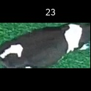
/Users/as16542/Downloads/10m32xl88x2b61zlkkgz3fml17/identification/images/train/002/000069.jpg |  |  |  |  |  | 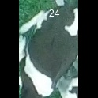
/Users/as16542/Downloads/10m32xl88x2b61zlkkgz3fml17/identification/images/train/002/000060.jpg |  |  | 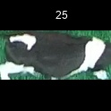
/Users/as16542/Downloads/10m32xl88x2b61zlkkgz3fml17/identification/images/train/002/000046.jpg |  |  |  |  |  | 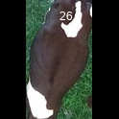
/Users/as16542/Downloads/10m32xl88x2b61zlkkgz3fml17/identification/images/train/002/000105.jpg |  | 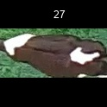
/Users/as16542/Downloads/10m32xl88x2b61zlkkgz3fml17/identification/images/train/002/000089.jpg |  | 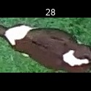
/Users/as16542/Downloads/10m32xl88x2b61zlkkgz3fml17/identification/images/train/002/000051.jpg |  |  |  |  |  |  | 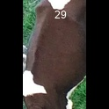
/Users/as16542/Downloads/10m32xl88x2b61zlkkgz3fml17/identification/images/train/002/000072.jpg |  |  |  | 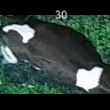
/Users/as16542/Downloads/10m32xl88x2b61zlkkgz3fml17/identification/images/train/002/000044.jpg |  |  |  |  |  | 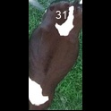
/Users/as16542/Downloads/10m32xl88x2b61zlkkgz3fml17/identification/images/train/002/000078.jpg | 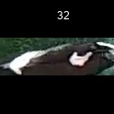
/Users/as16542/Downloads/10m32xl88x2b61zlkkgz3fml17/identification/images/train/002/000011.jpg |  | 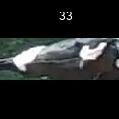
/Users/as16542/Downloads/10m32xl88x2b61zlkkgz3fml17/identification/images/train/002/000063.jpg |  | 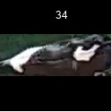
/Users/as16542/Downloads/10m32xl88x2b61zlkkgz3fml17/identification/images/train/002/000002.jpg |  | 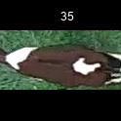
/Users/as16542/Downloads/10m32xl88x2b61zlkkgz3fml17/identification/images/train/002/000081.jpg |  | 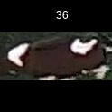
/Users/as16542/Downloads/10m32xl88x2b61zlkkgz3fml17/identification/images/train/002/000041.jpg |  |  |  | 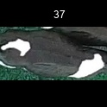
/Users/as16542/Downloads/10m32xl88x2b61zlkkgz3fml17/identification/images/train/002/000003.jpg |  |  |  | 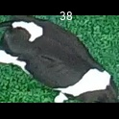
/Users/as16542/Downloads/10m32xl88x2b61zlkkgz3fml17/identification/images/train/002/000032.jpg |  |  |  |  | 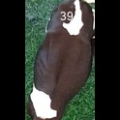
/Users/as16542/Downloads/10m32xl88x2b61zlkkgz3fml17/identification/images/train/002/000025.jpg |  |  |  |  | 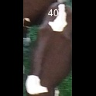
/Users/as16542/Downloads/10m32xl88x2b61zlkkgz3fml17/identification/images/train/002/000067.jpg |  |  |  |  | 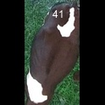
/Users/as16542/Downloads/10m32xl88x2b61zlkkgz3fml17/identification/images/train/002/000097.jpg |  | 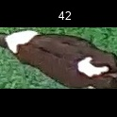
/Users/as16542/Downloads/10m32xl88x2b61zlkkgz3fml17/identification/images/train/002/000012.jpg |  | 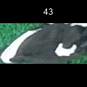
/Users/as16542/Downloads/10m32xl88x2b61zlkkgz3fml17/identification/images/train/002/000058.jpg |  |  |  | 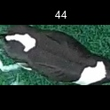
/Users/as16542/Downloads/10m32xl88x2b61zlkkgz3fml17/identification/images/train/002/000018.jpg |  |  |  | 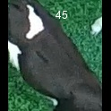
/Users/as16542/Downloads/10m32xl88x2b61zlkkgz3fml17/identification/images/train/002/000013.jpg |  |  |  | 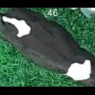
/Users/as16542/Downloads/10m32xl88x2b61zlkkgz3fml17/identification/images/train/002/000068.jpg |  |  |  |  |  |  | 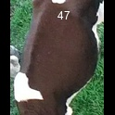
/Users/as16542/Downloads/10m32xl88x2b61zlkkgz3fml17/identification/images/train/002/000017.jpg | 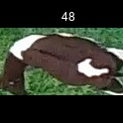
/Users/as16542/Downloads/10m32xl88x2b61zlkkgz3fml17/identification/images/train/002/000008.jpg |  | 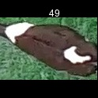
/Users/as16542/Downloads/10m32xl88x2b61zlkkgz3fml17/identification/images/train/002/000035.jpg |  | 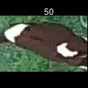
/Users/as16542/Downloads/10m32xl88x2b61zlkkgz3fml17/identification/images/train/002/000108.jpg |  |  |  | 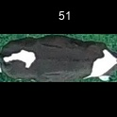
/Users/as16542/Downloads/10m32xl88x2b61zlkkgz3fml17/identification/images/train/002/000005.jpg |  | 
/Users/as16542/Downloads/10m32xl88x2b61zlkkgz3fml17/identification/images/train/002/000070.jpg |  |  | 
/Users/as16542/Downloads/10m32xl88x2b61zlkkgz3fml17/identification/images/train/002/000001.jpg |  |  |  |  |  | 
/Users/as16542/Downloads/10m32xl88x2b61zlkkgz3fml17/identification/images/train/002/000085.jpg |  | 
/Users/as16542/Downloads/10m32xl88x2b61zlkkgz3fml17/identification/images/train/002/000104.jpg |  |  |  |  |  | 
/Users/as16542/Downloads/10m32xl88x2b61zlkkgz3fml17/identification/images/train/002/000099.jpg |  |  |  | 
/Users/as16542/Downloads/10m32xl88x2b61zlkkgz3fml17/identification/images/train/002/000006.jpg |  |  | 
/Users/as16542/Downloads/10m32xl88x2b61zlkkgz3fml17/identification/images/train/002/000062.jpg |  | 
/Users/as16542/Downloads/10m32xl88x2b61zlkkgz3fml17/identification/images/train/002/000023.jpg |  |  |  |  |  |  |  |  | 
/Users/as16542/Downloads/10m32xl88x2b61zlkkgz3fml17/identification/images/train/002/000026.jpg |  | 
/Users/as16542/Downloads/10m32xl88x2b61zlkkgz3fml17/identification/images/train/002/000036.jpg |  | 
/Users/as16542/Downloads/10m32xl88x2b61zlkkgz3fml17/identification/images/train/002/000010.jpg |  |  |  | 
/Users/as16542/Downloads/10m32xl88x2b61zlkkgz3fml17/identification/images/train/002/000083.jpg |  | 
/Users/as16542/Downloads/10m32xl88x2b61zlkkgz3fml17/identification/images/train/002/000039.jpg |  |  |  |  |  | 
/Users/as16542/Downloads/10m32xl88x2b61zlkkgz3fml17/identification/images/train/002/000059.jpg |  |  |  |  |  | 
/Users/as16542/Downloads/10m32xl88x2b61zlkkgz3fml17/identification/images/train/002/000110.jpg |  | 
/Users/as16542/Downloads/10m32xl88x2b61zlkkgz3fml17/identification/images/train/002/000004.jpg |  |  |  |  |  | 
/Users/as16542/Downloads/10m32xl88x2b61zlkkgz3fml17/identification/images/train/002/000084.jpg |  |  |  | 
/Users/as16542/Downloads/10m32xl88x2b61zlkkgz3fml17/identification/images/train/002/000092.jpg | 
/Users/as16542/Downloads/10m32xl88x2b61zlkkgz3fml17/identification/images/train/002/000033.jpg |  | 
/Users/as16542/Downloads/10m32xl88x2b61zlkkgz3fml17/identification/images/train/002/000034.jpg |  |  |  |  |  | 
/Users/as16542/Downloads/10m32xl88x2b61zlkkgz3fml17/identification/images/train/002/000061.jpg |  |  |  | 
/Users/as16542/Downloads/10m32xl88x2b61zlkkgz3fml17/identification/images/train/002/000028.jpg |  |  |  |  |  | 
/Users/as16542/Downloads/10m32xl88x2b61zlkkgz3fml17/identification/images/train/002/000082.jpg |  |  |  | 
/Users/as16542/Downloads/10m32xl88x2b61zlkkgz3fml17/identification/images/train/002/000098.jpg | 
/Users/as16542/Downloads/10m32xl88x2b61zlkkgz3fml17/identification/images/train/002/000030.jpg |  |  |  | 
/Users/as16542/Downloads/10m32xl88x2b61zlkkgz3fml17/identification/images/train/002/000045.jpg |  |  |  |  |  |  |  |  | 
/Users/as16542/Downloads/10m32xl88x2b61zlkkgz3fml17/identification/images/train/002/000080.jpg |  |  |  | 
/Users/as16542/Downloads/10m32xl88x2b61zlkkgz3fml17/identification/images/train/002/000074.jpg |  |  |  |  |  | 
/Users/as16542/Downloads/10m32xl88x2b61zlkkgz3fml17/identification/images/train/002/000029.jpg |  | 
/Users/as16542/Downloads/10m32xl88x2b61zlkkgz3fml17/identification/images/train/002/000103.jpg |  |  |  |  |  |  |  |  | 
/Users/as16542/Downloads/10m32xl88x2b61zlkkgz3fml17/identification/images/train/002/000064.jpg |  |  |  | 
/Users/as16542/Downloads/10m32xl88x2b61zlkkgz3fml17/identification/images/train/002/000042.jpg |  | 
/Users/as16542/Downloads/10m32xl88x2b61zlkkgz3fml17/identification/images/train/002/000109.jpg |  |  |  | 
/Users/as16542/Downloads/10m32xl88x2b61zlkkgz3fml17/identification/images/train/002/000031.jpg |  | 
/Users/as16542/Downloads/10m32xl88x2b61zlkkgz3fml17/identification/images/train/002/000073.jpg |  |  |  |  |  |  |  |  | 
/Users/as16542/Downloads/10m32xl88x2b61zlkkgz3fml17/identification/images/train/002/000021.jpg |  |  |  |  |  |  |  |  | 
/Users/as16542/Downloads/10m32xl88x2b61zlkkgz3fml17/identification/images/train/002/000094.jpg |  | 
/Users/as16542/Downloads/10m32xl88x2b61zlkkgz3fml17/identification/images/train/002/000022.jpg |  | 
/Users/as16542/Downloads/10m32xl88x2b61zlkkgz3fml17/identification/images/train/002/000101.jpg |  |  |  | 
/Users/as16542/Downloads/10m32xl88x2b61zlkkgz3fml17/identification/images/train/002/000047.jpg |  |  |  |  |  | 
/Users/as16542/Downloads/10m32xl88x2b61zlkkgz3fml17/identification/images/train/002/000055.jpg |  | 
/Users/as16542/Downloads/10m32xl88x2b61zlkkgz3fml17/identification/images/train/002/000049.jpg |  | 
/Users/as16542/Downloads/10m32xl88x2b61zlkkgz3fml17/identification/images/train/002/000096.jpg |  |  |  | 
/Users/as16542/Downloads/10m32xl88x2b61zlkkgz3fml17/identification/images/train/002/000076.jpg |  |  |  |  | 
/Users/as16542/Downloads/10m32xl88x2b61zlkkgz3fml17/identification/images/train/002/000038.jpg |  |  |  |  |  |  |  | 
/Users/as16542/Downloads/10m32xl88x2b61zlkkgz3fml17/identification/images/train/002/000016.jpg |  |  |  |  |  |  | 
/Users/as16542/Downloads/10m32xl88x2b61zlkkgz3fml17/identification/images/train/002/000087.jpg |  |  |  | 
/Users/as16542/Downloads/10m32xl88x2b61zlkkgz3fml17/identification/images/train/002/000027.jpg |  |  |  |  |  | 
/Users/as16542/Downloads/10m32xl88x2b61zlkkgz3fml17/identification/images/train/002/000106.jpg |  | 
/Users/as16542/Downloads/10m32xl88x2b61zlkkgz3fml17/identification/images/train/002/000090.jpg |  | 
/Users/as16542/Downloads/10m32xl88x2b61zlkkgz3fml17/identification/images/train/002/000100.jpg |  |  |  |  |  | 
/Users/as16542/Downloads/10m32xl88x2b61zlkkgz3fml17/identification/images/train/002/000065.jpg |  |  |  |  |  | 
/Users/as16542/Downloads/10m32xl88x2b61zlkkgz3fml17/identification/images/train/002/000024.jpg |  | 
/Users/as16542/Downloads/10m32xl88x2b61zlkkgz3fml17/identification/images/train/002/000054.jpg |  |  |  |  |  | 
/Users/as16542/Downloads/10m32xl88x2b61zlkkgz3fml17/identification/images/train/002/000007.jpg |  |  |  |  |  | 
/Users/as16542/Downloads/10m32xl88x2b61zlkkgz3fml17/identification/images/train/002/000102.jpg |  |  |  |  |  | 
/Users/as16542/Downloads/10m32xl88x2b61zlkkgz3fml17/identification/images/train/002/000020.jpg |  |  |  |  |  | 

