工作表1
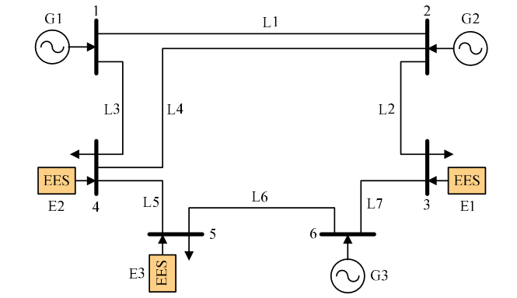
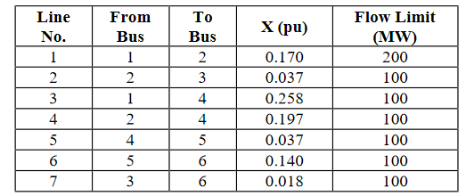

 | from | to | X | 1/X | 1/X*S
l1 | 1 | 2 | 0.17 | 5.8823529412 | 588.23529412
l2 | 2 | 3 | 0.037 | 27.027027027 | 2702.7027027
l3 | 1 | 4 | 0.258 | 3.8759689922 | 387.59689922
l4 | 2 | 4 | 0.197 | 5.076142132 | 507.6142132
l5 | 4 | 5 | 0.037 | 27.027027027 | 2702.7027027
l6 | 5 | 6 | 0.14 | 7.1428571429 | 714.28571429
l7 | 3 | 6 | 0.018 | 55.555555556 | 5555.5555556

