Sheet1
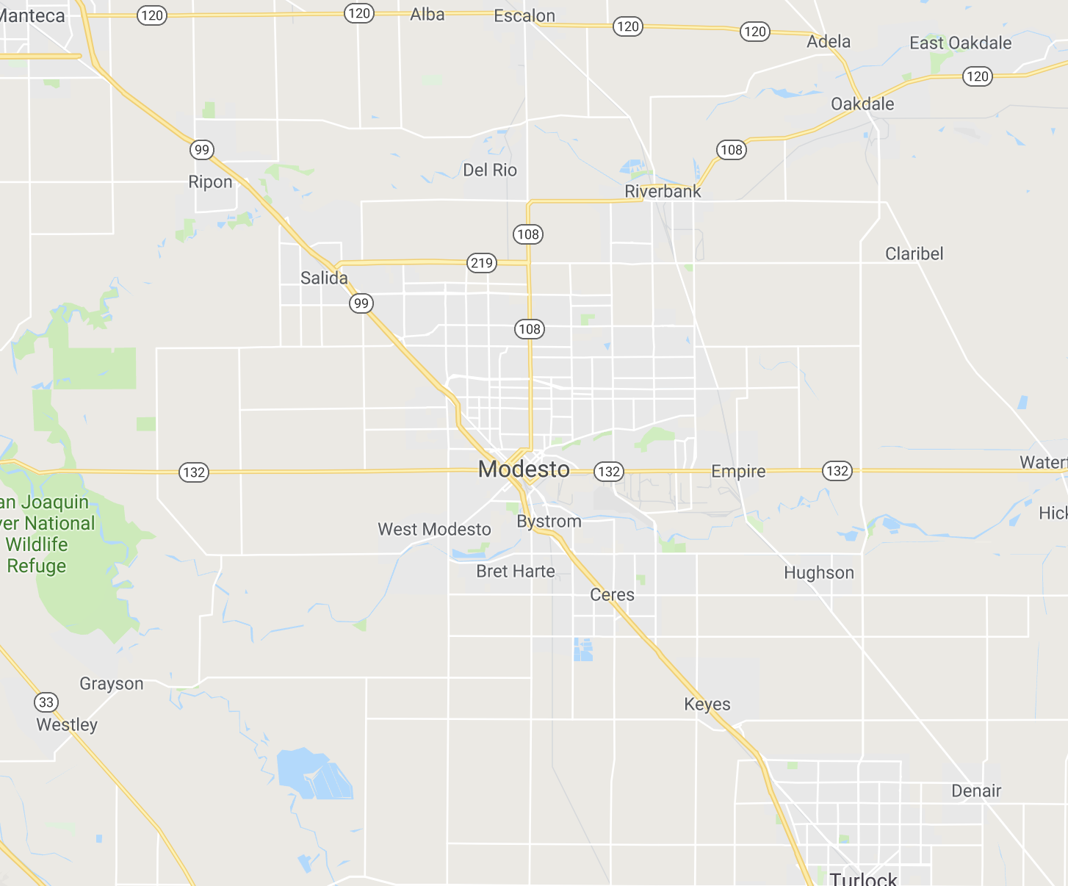

FC1 roads
FC2 roads

FC3 roads

FC4 roads

level 1 features

level 2 features
level 3 features
level 4 features

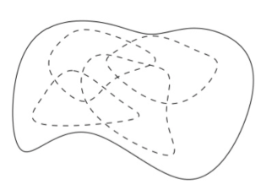
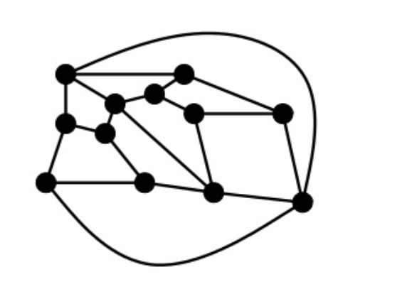

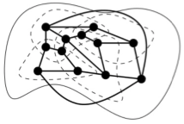

 | Natural cuts are detected(dash line) |  |  | Contract edges not contributing to a cut | Each vertex represent a fragment

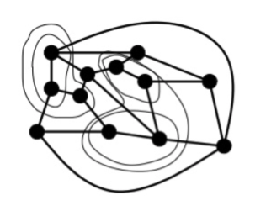

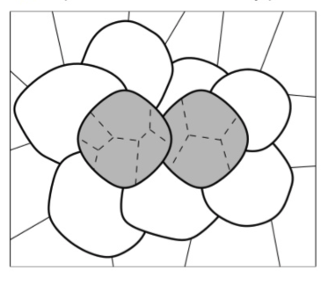
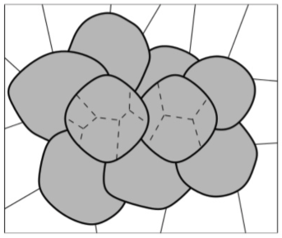
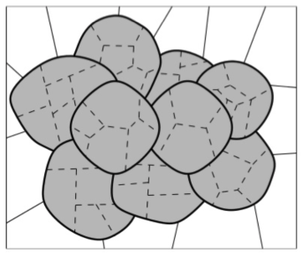

 |  | Grid boundary

 |  |  | No cut in the middle
Record all information in from node(connectivity/geo)

1

0
1

2
5

3

2
3
4

Sheet2
0
1
0
1
1

2
3
2
3
3

