VolumeTrend and Sentiment Trend
Getting a quick plot of the Volume/Sentiment Trend

Example | Example
nf.plot_trend() | nf.plot_trend([Sentiment categories])
bing.plot_trend() | bing.plot_trend(["Very Positive","Very Negative"])
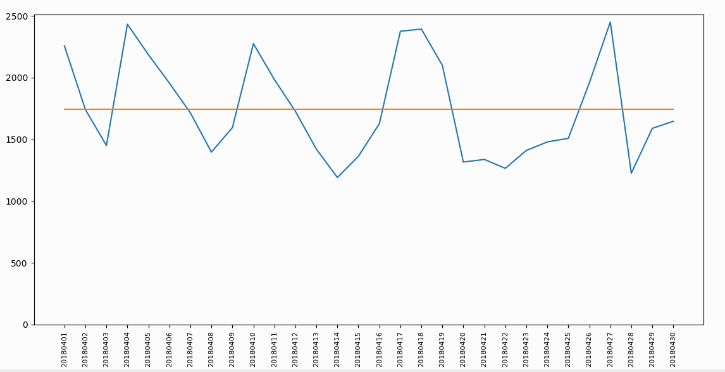
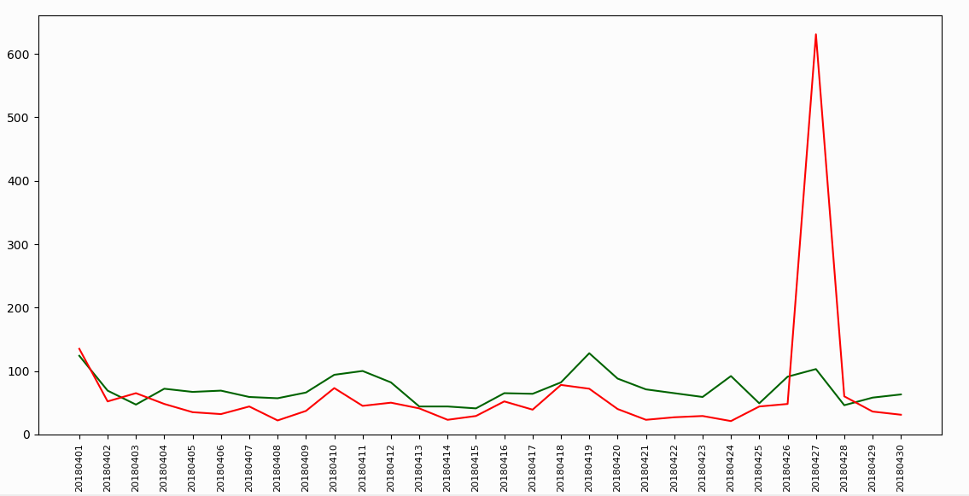

nf.plot_trend(provide list for sentiment splitup) | Example
Returns: None | nf.plot_trend([Sentiment categories])
if no argument is provided, it returns a Volume trend | bing.plot_trend(["Positive","Negative"])
if a list of sentiment categories is given as argument, it returns a Sentiment wise split up
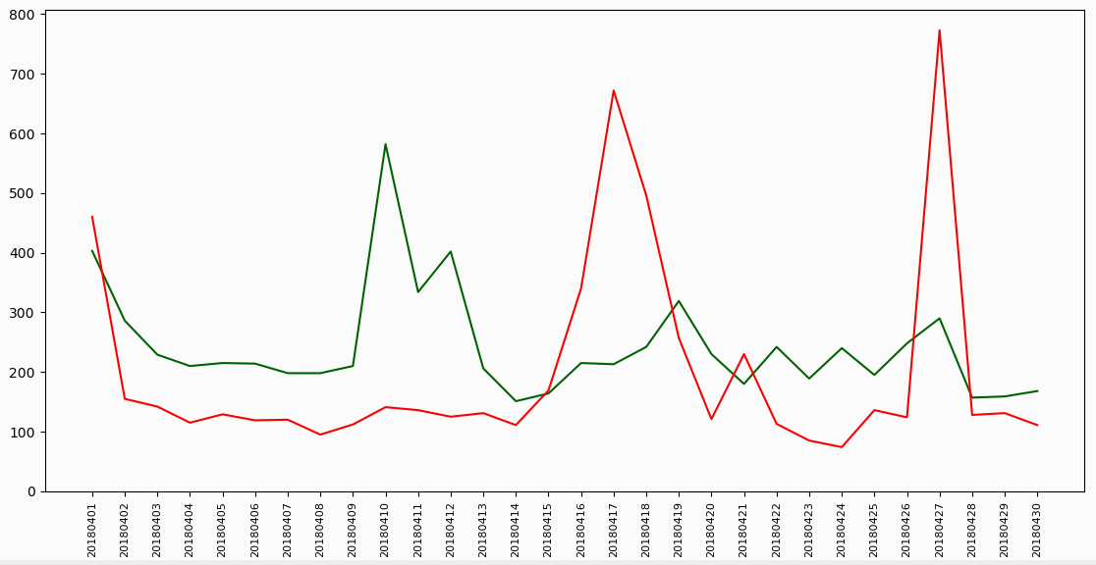
Use Cases
Can quickly get a look through at the Sentiment or Volume Peaks
Greatly useful for huge datasets(~2GB), where manually getting the trends takes much more time

from Package import Newfile as nf
Google = nf("Google.csv")
Google.sub_sent_col = "sentiment"
Google.plot_trend(["Very Positive","Somewhat Positive","Very Negative","Somewhat Negative"])
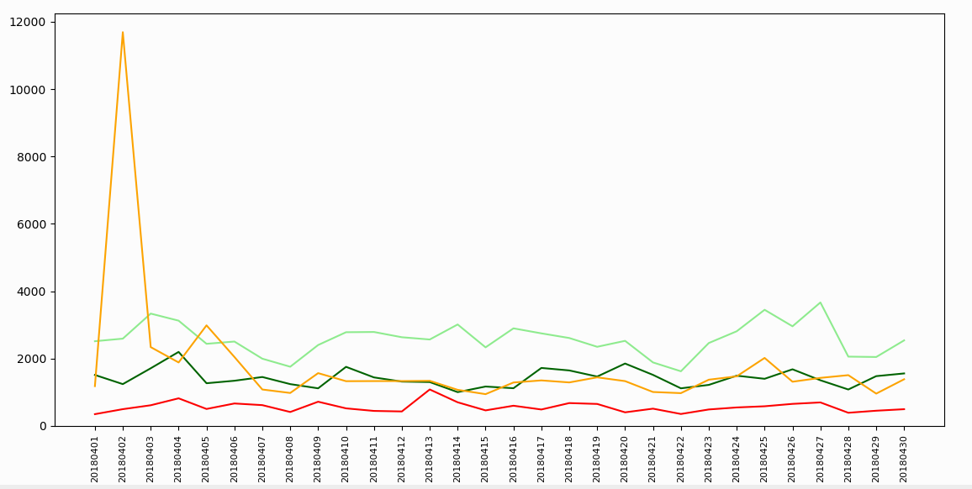

If we require the trend data as an output, we could use the following method

Example
nf.get_trend_data()
bing.get_trend_data()

nf.get_trend_data(write = False)
returns: Trend data in the form Pandas DataFrame
write
Optional argument if you want a written output in csv format
write = True

Use Cases
Can obtain the trend data and directly port into ppt
Saves much time for larger files

from Package import Newfile as nf
Google = nf("Google.csv")
Google.get_trend_data(write = True)

Output in a file

Organic Data
Extracting organic data (used Pechiyappan's Organic extraction Code)

Example
nf.organic()
bing.organic()

Output
Returns the organic data in a Newfile object

nf.plot_trend(provide list for sentiment splitup)
Returns: Returns the organic data in a Newfile object

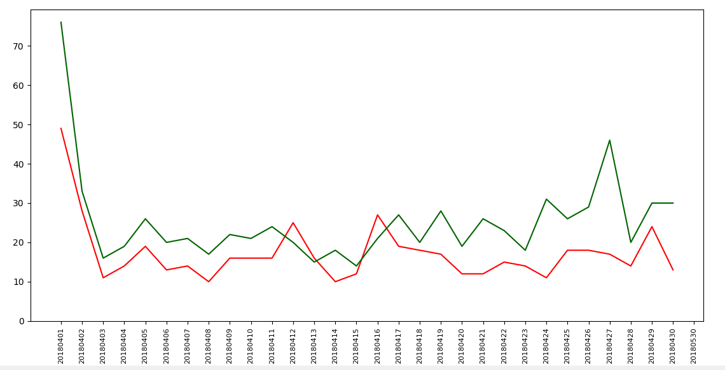
Use Cases
Obtain organic data hassle free

from Package import Newfile as nf
bing = nf("bing.csv")
organic_data = bing.organic()
# Plotting the organic data
organic_data.plot_trend(["Very Negative","Very Positive"])

Data Aggregation
Data Aggregation/pivoting for Theme Analysis

Example
nf.agg_sub()
bing.agg_sub()

nf.sentiment_sub(target = 0,sent = 0)
Writes a the aggragated data grouped by Content, Sentiment
Returns: None
target
Optional argument for specifying the selected date
Default : Includes all dates
target = "20180427"

sent
Optional argument for specifying a particular sentiment
Default : Includes all sentiments
sent = "Very Positive"

preprocess
Optional argument for removing the hyperlinks and handles for better pivot
Default : True (removes all the hyperlinks and handles)
preprocess = True
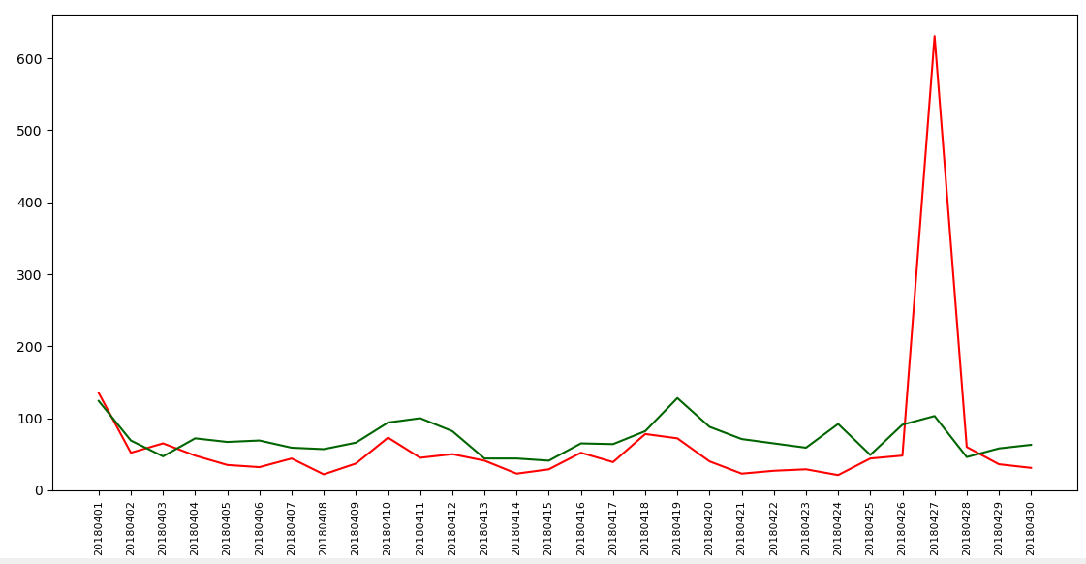
Use Cases | from Package import Newfile as nf
Get an pivoted data of the original on a separate file with optional date and sentiment filters | bing = nf("rt bing.csv")
Much faster to find peak reasons on a large files | ## Looking at the sentiment peaks
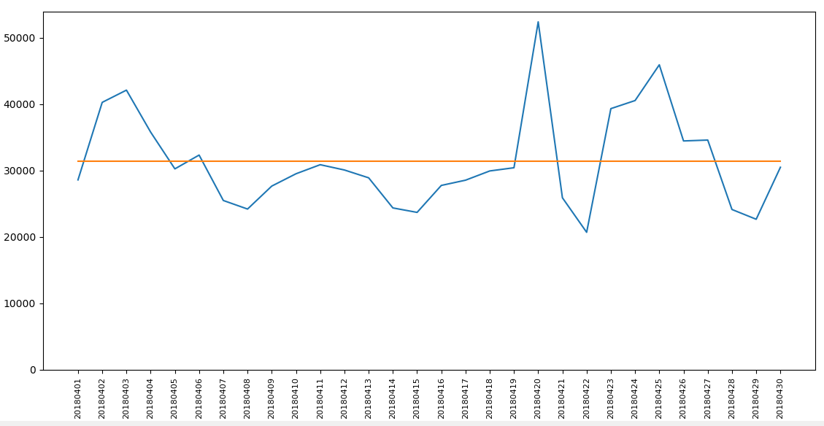
 | bing.plot_trend(["Very Negative","Very Positive"])
from Package import Newfile as nf | ## A Negative peak was found on 20180427
google = nf("google.csv") | ## Aggregating that specific date
## Looking at the sentiment peaks | bing.agg_sub(target = "20180427",sent = "Very Negative")
google.sub_sent_col = "sentiment"
google.plot_trend()
## A peak was found at 20180420
## Aggregating that specific date
google.agg_sub(target = "20180420")
google.agg_sub() ## This includes all the dates
Outputs on file

Spam remover
Removing spam data using spamkeys

Example
nf.spam_remover(key)
bing.spam_remover("spamkeys.csv")

nf.spam_remover(name of the spamkeys file)
Returns: None

Use Cases
Removing spam using a set of spamkeys | Spamkeys construction
Much faster implementation
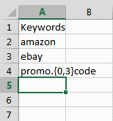
from Package import Newfile as nf
bing = nf("bing.csv")
spr_bing = bing.spam_remover("spamkeys.csv")

print("Before spam removal")
print(bing.shape)
print("After spam removal")
print(spr_bing.shape)

nf.spark_spam_remover(name of the spamkeys file)
Returns: None

Use Cases
Removing spam using a set of spamkeys much faster
Much faster code execution for larger files/ Complex regex

from Package import Newfile as nf
bing = nf("bing.csv")
spr_bing = bing.spark_spam_remover("spam_keys.csv")

Retagging
Retag the sentiments using keys

Example
nf.retag(name of the retag keys file,all_rt = False)
bing.retag("rt_keys.csv")

nf.retag(name of the retag file,all_rt = False)
all_rt = True (this would write all retagged verbatims on your working directory)
Returns: A retagged new file object and also alters the original

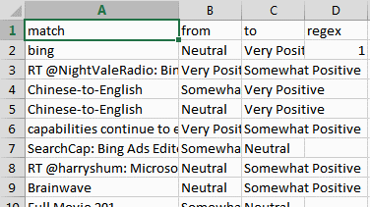
Use Cases | Retag key construction
Retag the data with retag keys
Get the log of retagged numbers at individual key level
Could easily maintain retag key repositories
More efficient than manually altering the data

from Package import Newfile as nf
bing = nf("bing.csv")
spr_bing = bing.spam_remover("spamkeys.csv") ## Spam removal
spr_bing.generate_retag_template() ## getting the retag template to write the keys (OPTIONAL)
rt_bing = spr_bing.copy().retag("rt_keys.csv",all_rt = True) ## loading the keys and retagging on a copy of spr_bing | Mark the regex column as 1 if the key is a regex

print("BEFORE RETAGGING") | Retag logs
spr_bing.sentiment_sub()
 | After running the retag code
 | a log file would be generated in the working directory
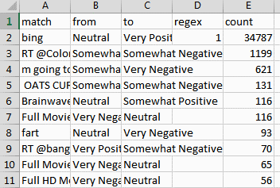
print("AFTER RETAGGING")
rt_bing.sentiment_sub()

