Sheet1
Name | Email Address | Registration Number | Unique ID | QR | QR Code Image | Scanned Status
John Doe | john@example.com | REG001 | I2MVJV1Q | Name: John Doe Email: john@example.com Reg No: REG001 ID: I2MVJV1Q | 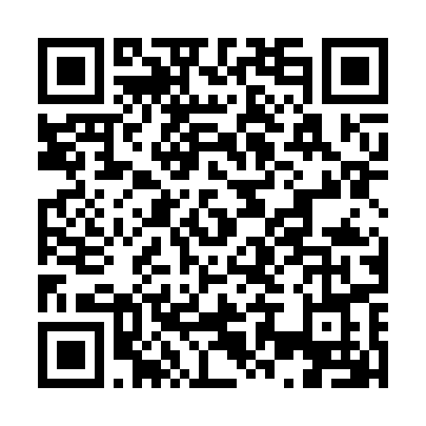 | Scanned
Jane Smith | jane@example.com | REG002 | F24KKFDA | Name: Jane Smith Email: jane@example.com Reg No: REG002 ID: F24KKFDA | 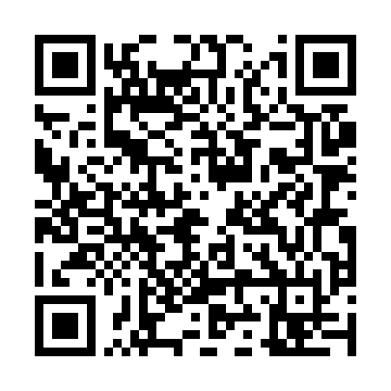
Alice Johnson | alice@example.com | REG003 | ZQZAEKLX | Name: Alice Johnson Email: alice@example.com Reg No: REG003 ID: ZQZAEKLX | 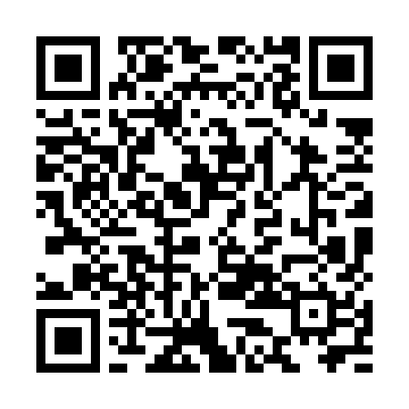
Bob Brown | bob@example.com | REG004 | Y3TPRTQV | Name: Bob Brown Email: bob@example.com Reg No: REG004 ID: Y3TPRTQV | 