Sheet1
Name | Email Address | Registration Number | Unique ID | QR | QR Code Image | Scanned Status | Phone Number
John Doe | john@example.com | REG001 | 0L1EB1GO | Name: John Doe Email: john@example.com Reg No: REG001 ID: 0L1EB1GO | 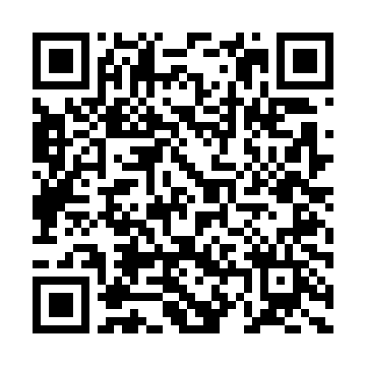 | Scanned 3 Times
Jane Smith | jane@example.com | REG002 | 19E8AX9P | Name: Jane Smith Email: jane@example.com Reg No: REG002 ID: 19E8AX9P | 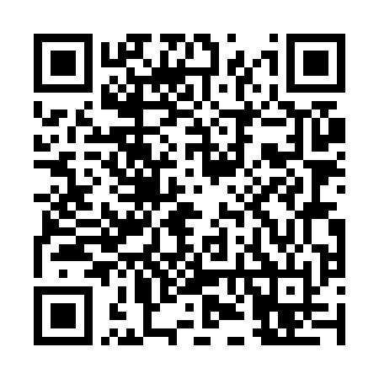 | Scanned
Alice Johnson | alice@example.com | REG003 | OUF45VBG | Name: Alice Johnson Email: alice@example.com Reg No: REG003 ID: OUF45VBG | 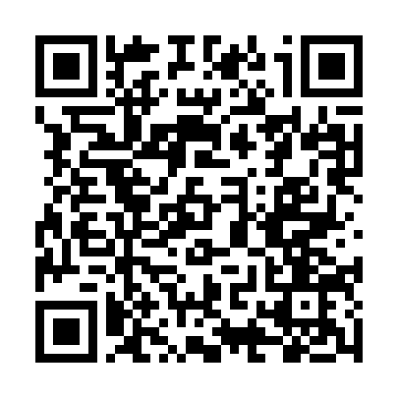
Bob Brown | bob@example.com | REG004 | QGAVANE2 | Name: Bob Brown Email: bob@example.com Reg No: REG004 ID: QGAVANE2 | 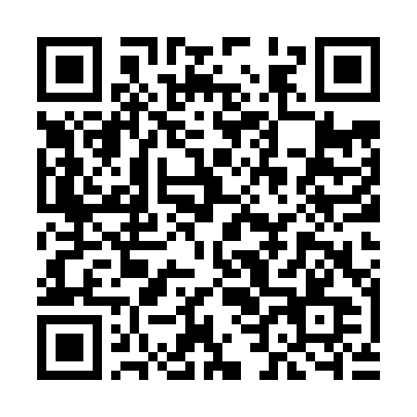
Alice Green | alice@example.com | ALICE123 | 9LQENCCF | Name: Alice Green Email: alice@example.com Reg No: ALICE123 ID: 9LQENCCF | 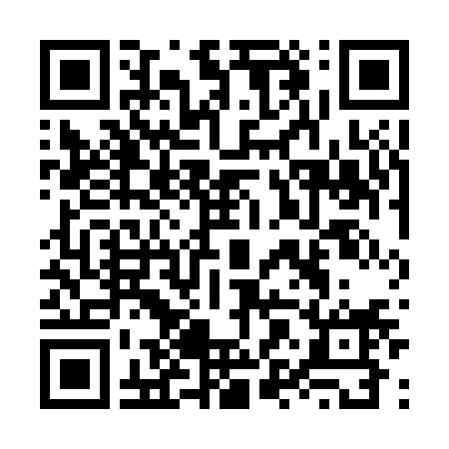
Test User 1 | test1@example.com | TREG001 | GK0WNY8K | Name: Test User 1 Email: test1@example.com Reg No: TREG001 ID: GK0WNY8K | 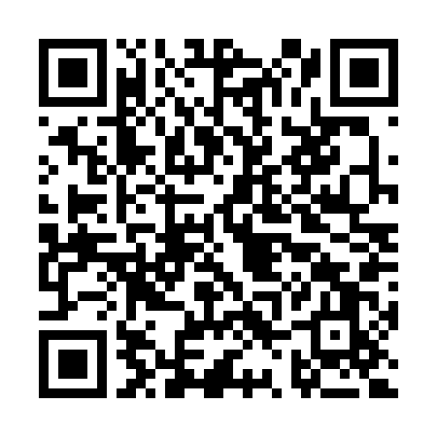 |  | 12345678901
Test User 2 | test2@example.com | TREG002 | KMPZZO6J | Name: Test User 2 Email: test2@example.com Reg No: TREG002 ID: KMPZZO6J | 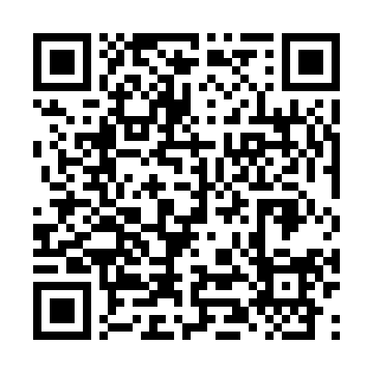 |  | 12345678902
Test User 3 | test3@example.com | TREG003 | IY2N1ISV | Name: Test User 3 Email: test3@example.com Reg No: TREG003 ID: IY2N1ISV | 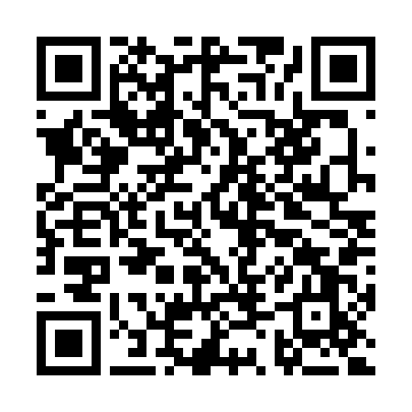 |  | 12345678903
Test User 4 | test4@example.com | TREG004 | 5SQ8AESM | Name: Test User 4 Email: test4@example.com Reg No: TREG004 ID: 5SQ8AESM | 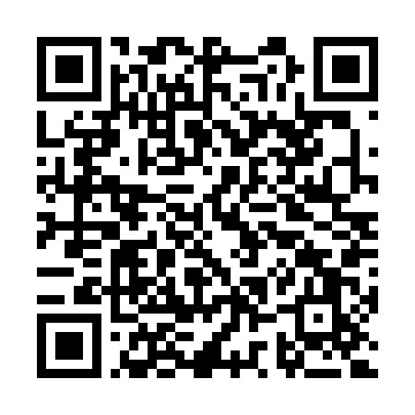 |  | 12345678904
Test User 5 | test5@example.com | TREG005 | H1NRDP3Q | Name: Test User 5 Email: test5@example.com Reg No: TREG005 ID: H1NRDP3Q | 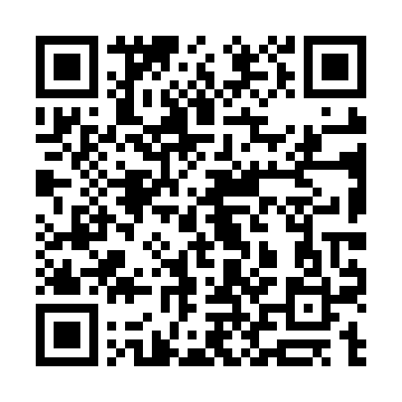 |  | 12345678905
Test User 6 | test6@example.com | TREG006 | 80WQ1QZ1 | Name: Test User 6 Email: test6@example.com Reg No: TREG006 ID: 80WQ1QZ1 | 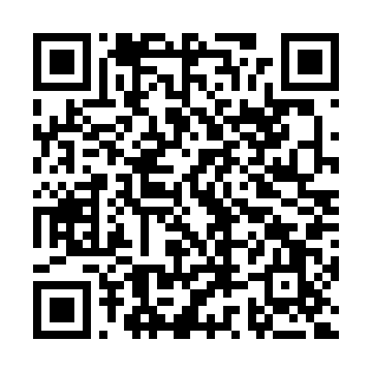 |  | 12345678906
Test User 7 | test7@example.com | TREG007 | R9NMFPNS | Name: Test User 7 Email: test7@example.com Reg No: TREG007 ID: R9NMFPNS | 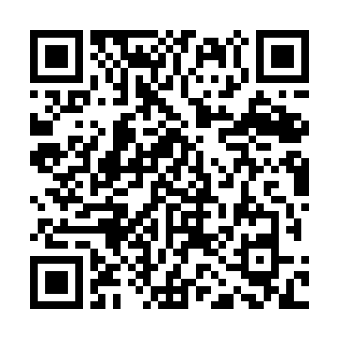 |  | 12345678907
Test User 8 | test8@example.com | TREG008 | 4UDIRTHH | Name: Test User 8 Email: test8@example.com Reg No: TREG008 ID: 4UDIRTHH | 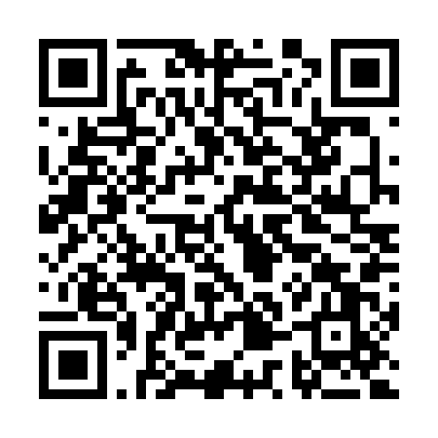 |  | 12345678908
Test User 9 | test9@example.com | TREG009 | LMKSC6CT | Name: Test User 9 Email: test9@example.com Reg No: TREG009 ID: LMKSC6CT | 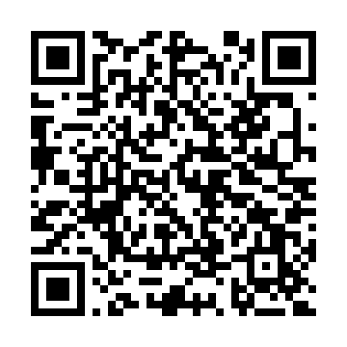 |  | 12345678909
Test User 10 | test10@example.com | TREG010 | T479HAS7 | Name: Test User 10 Email: test10@example.com Reg No: TREG010 ID: T479HAS7 | 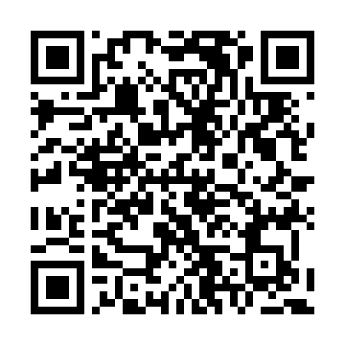 |  | 12345678910

