Sheet1
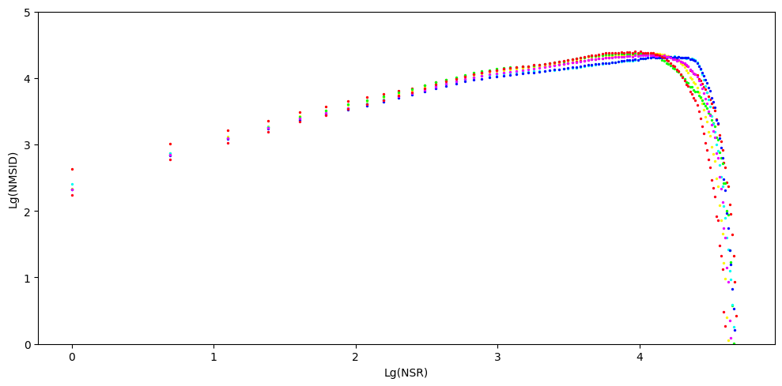
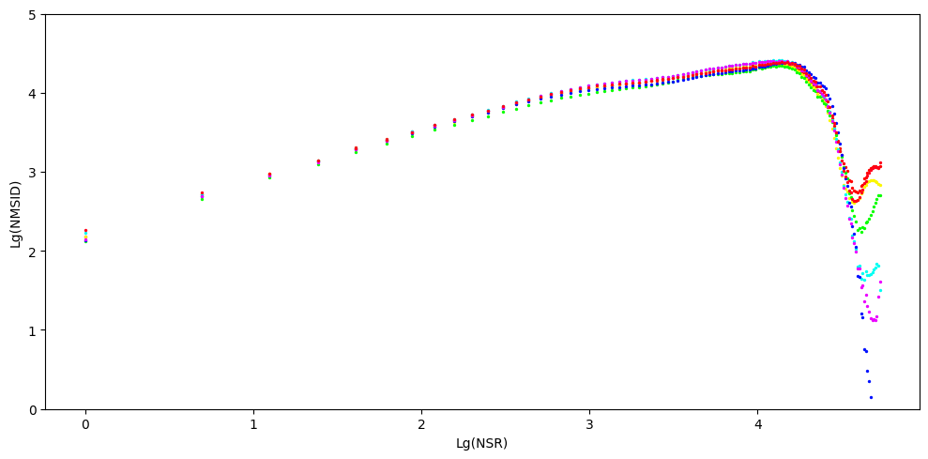
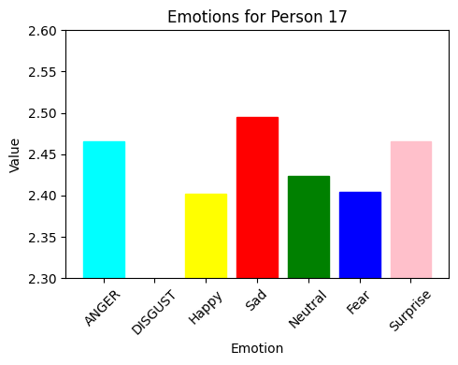
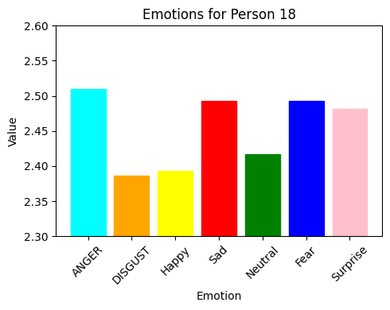
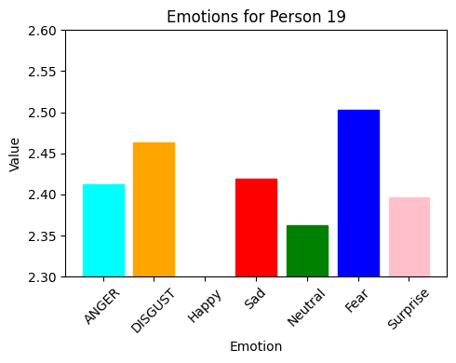
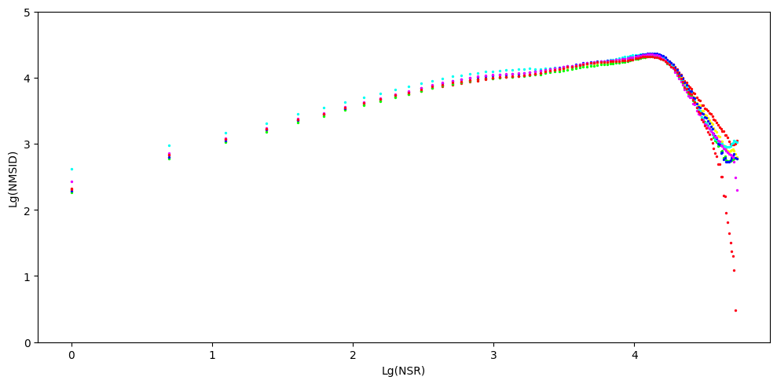
Person | ANGER |  |  |  | DISGUST |  |  |  | Happy |  |  |  | Sad |  |  |  | Neutral |  |  |  | Fear |  |  |  | Surprise
 | Fractal Dimension(ANGER) | Hurst Coffecient | Range of log(NMSID) [ min value - max value ] | Range of log(NSR) [min value - max value] | Fractal dimension | Hurst Coffecient | Range of log(NMSID) [ min value - max value ] | Range of log(NSR) [min value - max value] | Fractal Dimension | Hurst Coffecient | Range of log(NMSID) [ min value - max value ] | Range of log(NSR) [min value - max value] | Fractal Dimension | Hurst Coefficient | Range of log(NMSID) | Range of log(NSR) [min value - max value] | Fractal Dimension | Hurst Coefficient | Range of log(NMSID) | Range of Log(NSR) | Fractal Dimension | Hurst Coefficient | Range of log(NMSID) | Range of log(NSR) | Fractal DImension | Hurst Coefficient | Range of log(NMSID) | Range of Log(NSR)
Person 1 | 2.45 | 0.55 | 2.07 - 3.94 | 0 - 4.14 | 2.39 | 0.61 | 2.06 - 3.93 | 0 - 4.14 | 2.402 | 0.598 | 2.16 - 3.92 | 0 - 4.14 | 2.379 | 0.621 | 2.1 - 3.93 | 0 - 4.14 | 2.368 | 0.632 | 1.97 - 3.91 | 0 - 4.14 | 2.492 | 0.508 | 2.12 - 3.92 | 0 - 4.14 | 2.41 | 0.59 | 2.14 - 3.93 | 0 - 4.14
Person 2 | 2.464 | 0.536 | 2.01 - 3.85 | 0.0-4.174 | 2.461 | 0.539 | 1.98 - 3.89 | 0.0-4.174 | 2.472 | 0.528 | 2.06 - 3.89 | 0.0-4.174 | 2.438 | 0.562 | 2.01- 3.89 | 0.0-4.174 | 2.459 | 0.541 | 2.02 - 3.88 | 0.0-4.174 | 2.48 | 0.52 | 2.01- 3.85 | 0.0-4.174 | 2.506 | 0.494 | 2.08 - 3.84 | 0.0-4.174
Person 3 | 2.385 | 0.615 | 1.94 - 3.99 | 0 - 4.094 | 2.394 | 0.606 | 1.96 - 3.96 | 0 - 4.094 | 2.394 | 0.606 | 1.96 - 3.92 | 0 - 4.094 | 2.384 | 0.616 | 1.91 - 3.94 | 0 - 4.094 | 2.368 | 0.632 | 1.83 - 3.94 | 0 - 4.094 | 2.39 | 0.61 | 1.92 - 3.94 | 0 - 4.094 | 2.41 | 0.59 | 1.95 - 3.94 | 0 - 4.094
Person 4 | 2.489 | 0.511 | 2.14 - 4.03 | 0 - 4.06 | 2.47 | 0.53 | 2.05 - 4.01 | 0 - 4.06 | 2.464 | 0.536 | 2.12 - 4.03 | 0 - 4.06 | 2.466 | 0.534 | 2.13 - 4.04 | 0 - 4.06 | 2.491 | 0.509 | 2.12 - 4.04 | 0 - 4.06 | 2.464 | 0.536 | 2.15 - 4.05 | 0 - 4.06 | 2.511 | 0.489 | 2.14 - 3.99 | 0 - 4.06
Person 5 | 2.393 | 0.607 | 2.05 - 4.15 | 0.0-4.094 | 2.42 | 0.58 | 2.05 - 4.16 | 0.0-4.094 | 2.442 | 0.558 | 2.12 - 4.22 | 0.0-4.094 | 2.415 | 0.585 | 2.03 - 4.15 | 0.0-4.094 | 2.359 | 0.641 | 2.05 -4.19 | 0.0-4.094 | 2.351 | 0.649 | 2.07 - 4.20 | 0.0-4.094 | 2.429 | 0.571 | 2.17 - 4.15 | 0.0-4.094
Person 6 | 2.437 | 0.563 | 2.04 - 4.01 | 0 - 4.094 | 2.386 | 0.614 | 2.02 - 3.99 | 0 - 4.094 | 2.391 | 0.609 | 2.03 - 4.08 | 0 - 4.094 | 2.367 | 0.633 | 1.99 - 4.05 | 0 - 4.094 | 2.43 | 0.57 | 1.98 - 4.07 | 0 - 4.094 | 2.403 | 0.597 | 2.22 - 4.51 | 0 - 4.094 | 2.461 | 0.539 | 2.057-4.03 | 0 - 4.094
Person 7 | 2.401 | 0.599 | 2.54 - 4.50 | 0 - 4.174 | 2.463 | 0.537 | 2.33 - 4.52 | 0 - 4.174 | 2.401 | 0.599 | 2.32 - 4.52 | 0 - 4.174 | 2.4 | 0.6 | 2.27 - 4.53 | 0 - 4.174 | 2.342 | 0.658 | 2.24 - 4.50 | 0 - 4.174 | 2.433 | 0.567 | 2.113 - 4.040 | 0 - 4.174 | 2.371 | 0.629 | 2.32 - 4.51 | 0 - 4.174
Person 8 | 2.437 | 0.563 | 2.327-4.254 | 0-4.043 | 2.416 | 0.584 | 2.167-4.272 | 0-4.043 | 2.486 | 0.514 | 2.097-4.268 | 0-4.043 | 2.453 | 0.547 | 2.090-4.270 | 0-4.043 | 2.399 | 0.601 | 2.112-4.270 | 0-4.043 | 2.514 | 0.486 | 2.134-4.252 | 0-4.043 | 2.425 | 0.575 | 2.139-4.255 | 0-4.043
Person 9 | 2.433 | 0.567 | 2.287-4.068 | 0-3.952 | 2.386 | 0.614 | 2.072-4.195 | 0-3.952 | 2.469 | 0.531 | 2.122-4.279 | 0-3.952 | 2.455 | 0.545 | 2.067 - 4.083 | 0-3.952 | 2.398 | 0.602 | 2.104-4.288 | 0-3.952 | 2.422 | 0.578 | 2.115-4.282 | 0-3.952 | 2.422 | 0.578 | 2.161-4.223 | 0-3.952
Person 10 | 2.477 | 0.523 | 2.417-4.211 | 0-4.043 | 2.463 | 0.537 | 2.170-4.259 | 0-4.043 | 2.467 | 0.533 | 2.079-4.351 | 0-4.043 | 2.41 | 0.59 | 2.140-4.294 | 0-4.043 | 2.368 | 0.632 | 2.043-4.354 | 0-4.043 | 2.432 | 0.568 | 2.161-4.234 | 0-4.043 | 2.427 | 0.573 | 2.234-4.250 | 0-4.043
Person 11 | 2.444 | 0.556 | 2.578-4.352 | 0-4.078 | 2.416 | 0.584 | 2.271-4.269 | 0-4.078 | 2.36 | 0.64 | 2.379-4.312 | 0-4.078 | 2.377 | 0.623 | 2.414-4.305 | 0-4.078 | 2.413 | 0.587 | 2.350-4.342 | 0-4.078 | 2.424 | 0.576 | 2.317-4.299 | 0-4.078 | 2.403 | 0.597 | 2.321-4.288 | 0-4.078
Person 12 | 2.508 | 0.492 | 2.562-4.268 | 0-4.078 | 2.386 | 0.614 | 2.240-4.122 | 0-4.078 | 2.441 | 0.559 | 2.296-4.240 | 0-4.078 | 2.421 | 0.579 | 2.377-4.233 | 0-4.078 | 2.447 | 0.553 | 2.302-4.268 | 0-4.078 | 2.464 | 0.536 | 2.247-4.154 | 0-4.078 | 2.451 | 0.549 | 2.220-4.128 | 0-4.078
Person 13 | 2.436 | 0.564 | 2.17 - 4.282 | 0-4.078 | 2.463 | 0.537 | 2.0162-4.221 | 0-4.078 | 2.452 | 0.548 | 2.157-4.206 | 0-4.078 | 2.478 | 0.522 | 2.190-4.204 | 0-4.078 | 2.346 | 0.654 | 2.067-4.302 | 0-4.078 | 2.454 | 0.546 | 2.178-4.162 | 0-4.078 | 2.443 | 0.557 | 2.160-4.245 | 0-4.078
Person 14 | 2.413 | 0.587 | 2.005 - 4.051 | 0 - 4.077 | 2.416 | 0.584 | 1.981 - 3.982 | 0-4.077 | 2.394 | 0.606 | 1.991 - 4.096 | 0 - 4.077 | 2.446 | 0.554 | 2.066 - 4.066 | 0 - 4.077 | 2.372 | 0.628 | 1.940-4.113 | 0.0-4.077 | 2.44 | 0.56 | 2.032 - 4.043 | 0 - 4.077 | 2.434 | 0.566 | 2.038-4.016 | 0.0-4.077
Person 15 | 2.45 | 0.55 | 2.252 - 4.059 | 0 - 3.850 | 2.386 | 0.614 | 2.160 - 3.935 | 0 - 3.850 |  |  |  |  | 2.406 | 0.594 | 2.261 - 3.969 | 0 - 3.850 | 2.432 | 0.568 | 2.267-4.148 | 0.0-3.850 | 2.394 | 0.606 | 2.169 - 4.282 | 0 - 3.850 | 2.437 | 0.563 | 2.327-4.214 | 0.0-3.850
Person 16 | 2.465 | 0.535 | 2.294 - 4.229 | 0 - 4.043 | 2.463 | 0.537 | 2.346 - 4.250 | 0 - 4.043 | 2.475 | 0.525 | 2.315-4.349 | 0-3.761 | 2.506 | 0.494 | 2.299 - 4.269 | 0 - 4.043 | 2.457 | 0.543 | 2.274-4.265 | 0.0-4.043 | 2.481 | 0.519 | 2.363 - 4.202 | 0 - 4.043 | 2.489 | 0.511 | 2.346-4.290 | 0.0-4.043
Person 17 | 2.466 | 0.534 | 2.625 - 4.305 | 0 - 4.158 | 2.369 | 0.584 | 2.258 - 4.312 | 0 - 4.158 | 2.454 | 0.546 | 2.309-4.236 | 0-3.761 | 2.495 | 0.505 | 2.427 - 4.347 | 0 - 4.158 | 2.424 | 0.576 | 2.286-4.366 | 0.0-4.158 | 2.404 | 0.596 | 2.288 - 4.280 | 0 - 4.158 | 2.466 | 0.534 | 2.324-4.327 | 0.0-4.158
Person 18 | 2.51 | 0.49 | 2.628 - 4.351 | 0 - 4.007 | 2.386 | 0.614 | 2.245 - 4.354 | 0 - 4.077 | 2.46 | 0.54 | 2.341-4.34 | 0-3.761 | 2.493 | 0.507 | 2.404 - 4.306 | 0 - 4.077 | 2.417 | 0.583 | 2.245-4.38 | 0.0-4.077 | 2.493 | 0.507 | 2.320 - 4.304 | 0 - 4.077 | 2.482 | 0.518 | 2.326-4.326 | 0.0-4.077
Person 19 | 2.412 | 0.588 | 2.258 - 4.363 | 0 - 4.158 | 2.463 | 0.537 | 2.121 4.329 | 0-4.158 | 2.378 | 0.622 | 2.139-4.278 | 0-3.871 | 2.419 | 0.581 | 2.223 - 4.401 | 0 - 4.158 | 2.362 | 0.638 | 2.146-4.390 | 0.0-4.158 | 2.503 | 0.497 | 2.180 - 4.334 | 0 - 4.158 | 2.397 | 0.603 | 2.178-4.356 | 0.0-4.158
 | 2.51 |  |  |  | 2.47 |  |  |  | 2.486 |  |  |  | 2.506 |  |  |  | 2.491 |  |  |  | 2.514 |  |  |  | 2.511
 |  | PERSON ! |  |  |  |  |  |  | PERSON 2 |  |  |  |  |  |  | PERSON 3 |  |  |  |  |  |  | PERSON 4
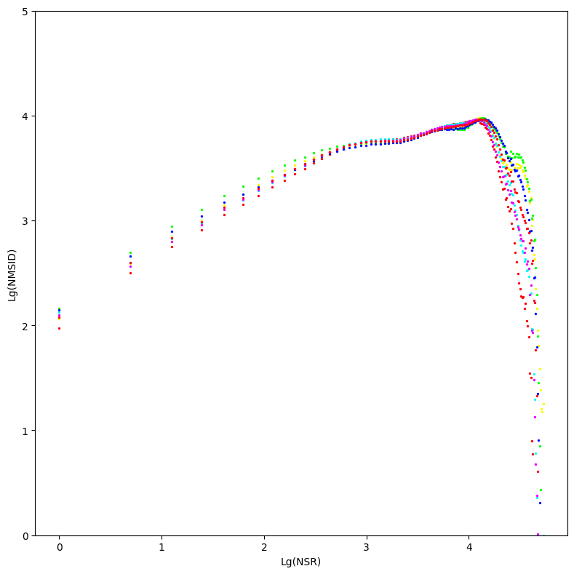
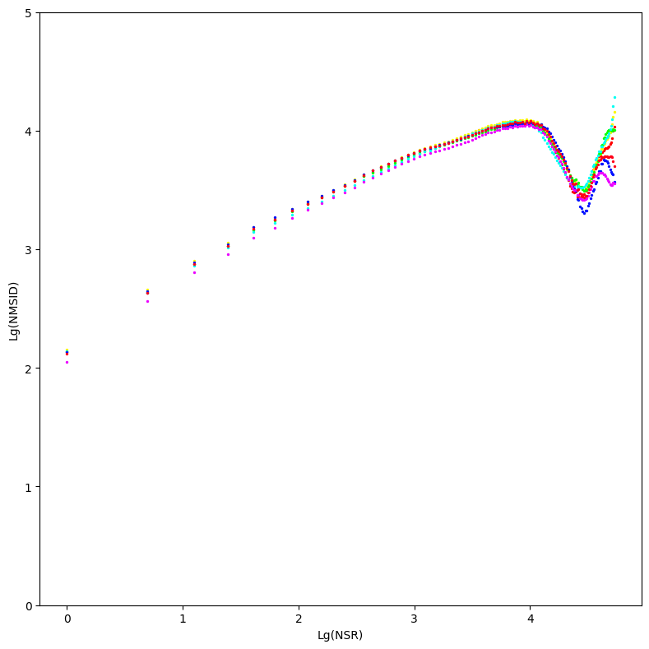
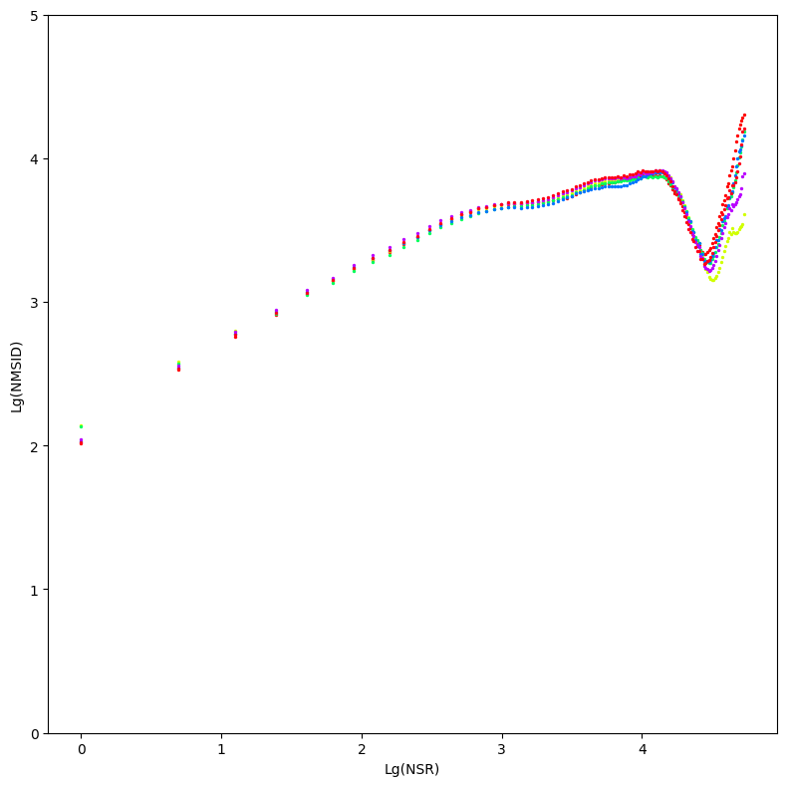
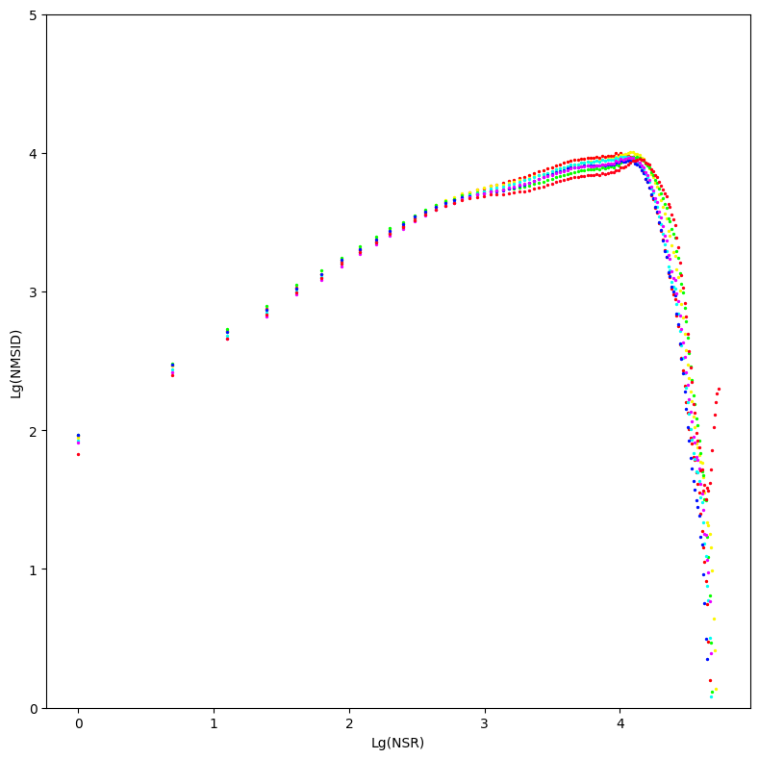

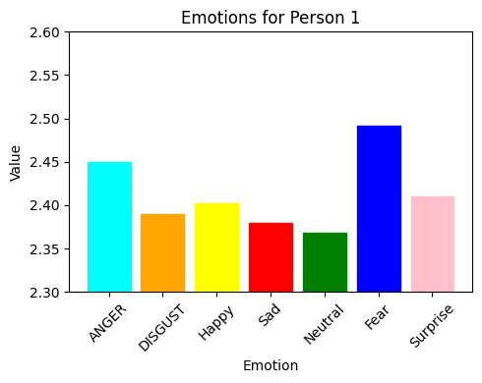
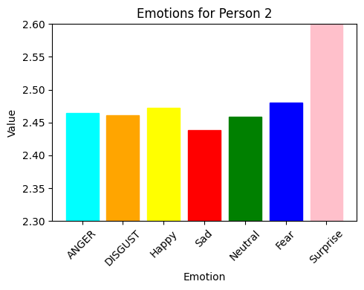
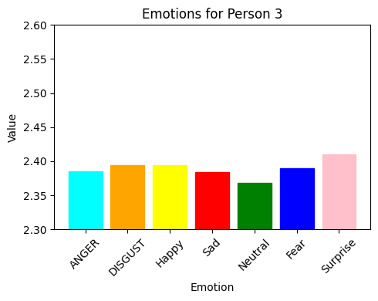
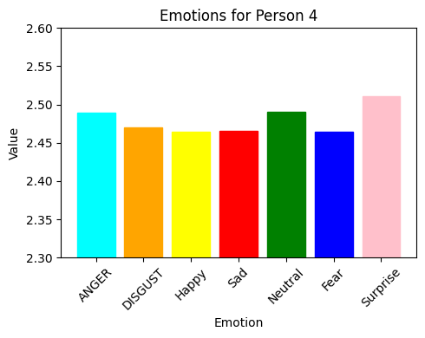

 |  | PERSON 5 |  |  |  |  |  |  | PERSON 6 |  |  |  |  |  |  | PERSON 7 |  |  |  |  |  |  | PERSON 8
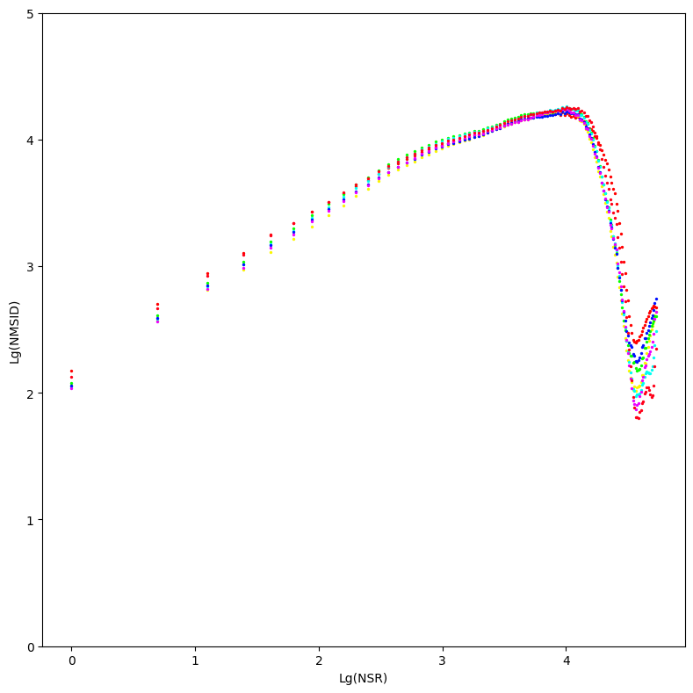
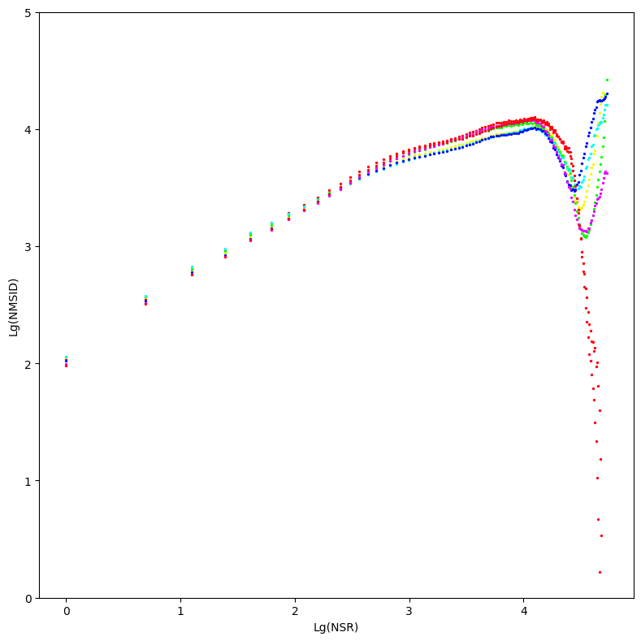
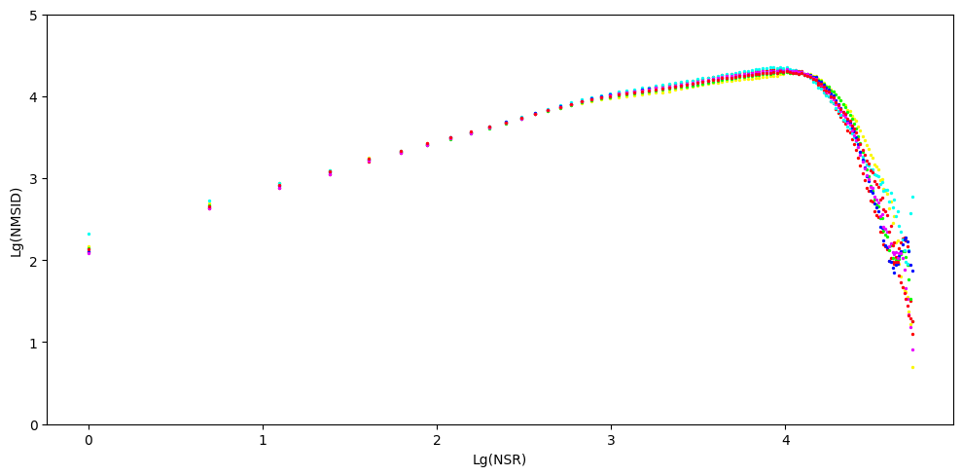

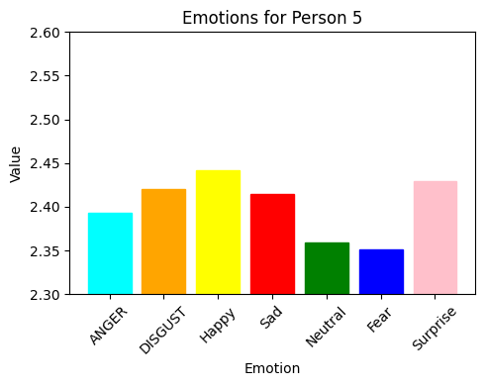
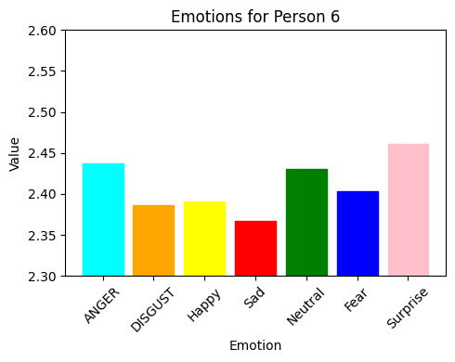
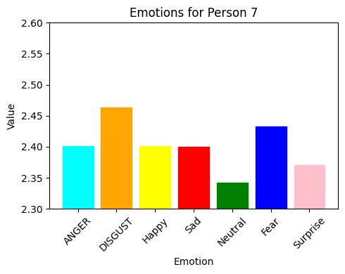
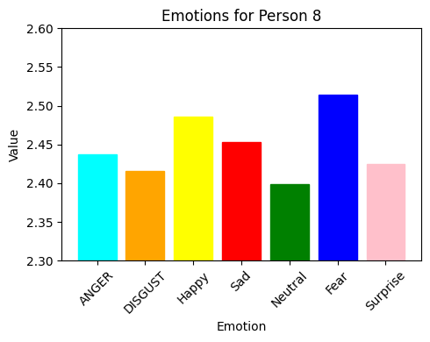

 |  | PERSON 9 |  |  |  |  |  |  | PERSON 10 |  |  |  |  |  |  | PERSON 11 |  |  |  |  |  |  |  | Person 12

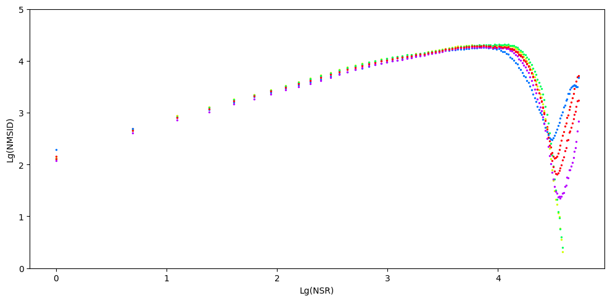
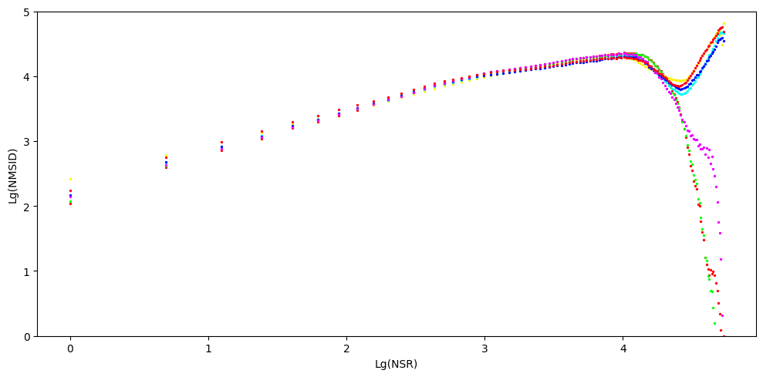
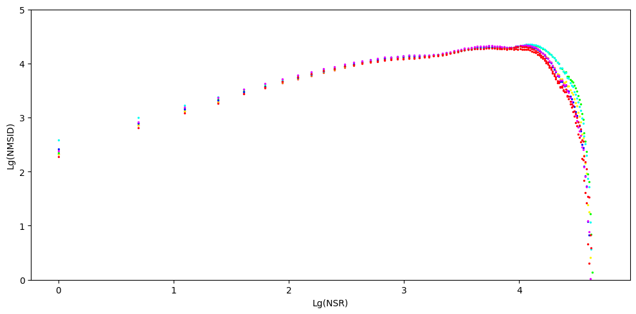
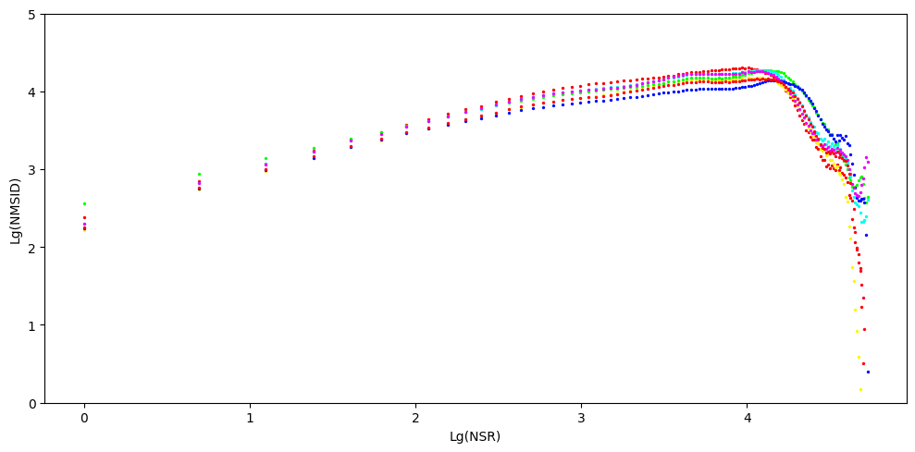

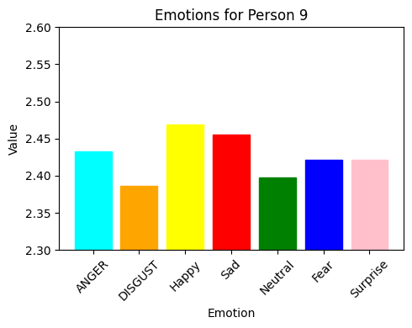
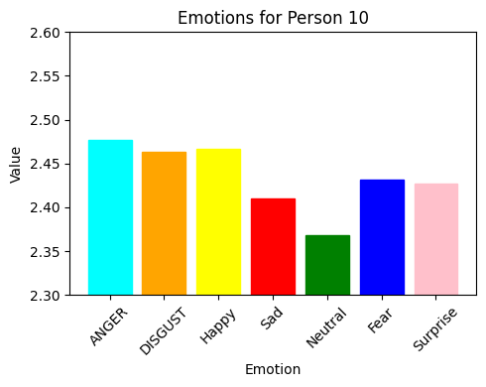
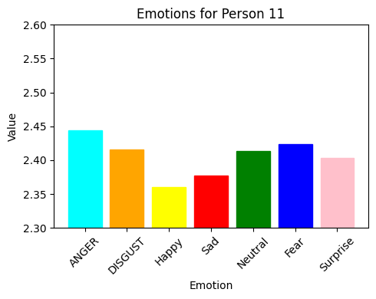
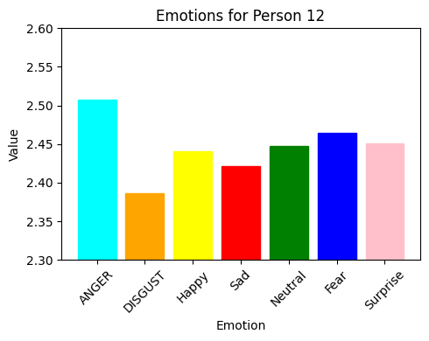

 |  | PERSON 13 |  |  |  |  |  |  | PERSON 14 |  |  |  |  |  |  | PERSON 15 |  |  |  |  |  |  |  | PERSON 16
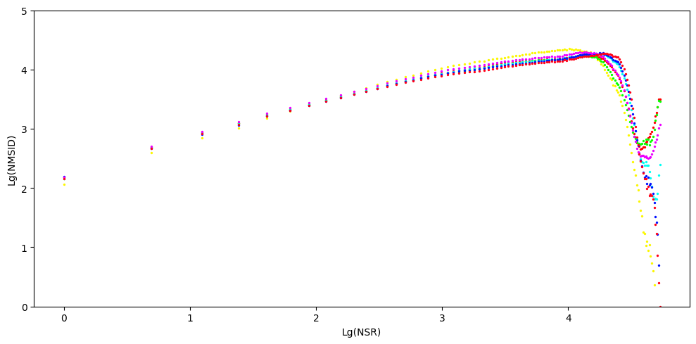
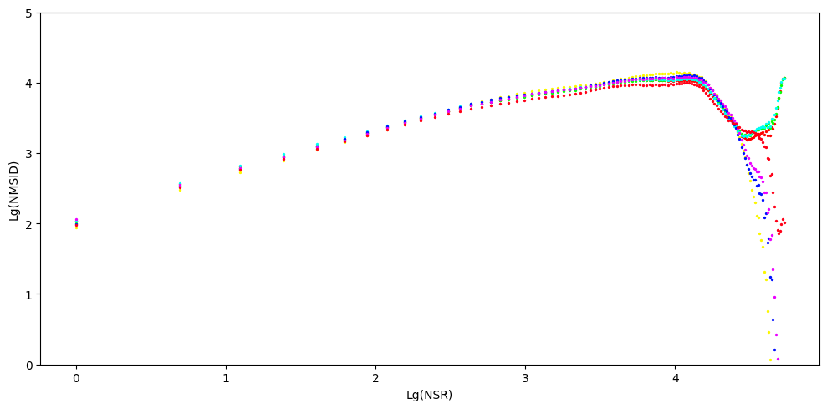
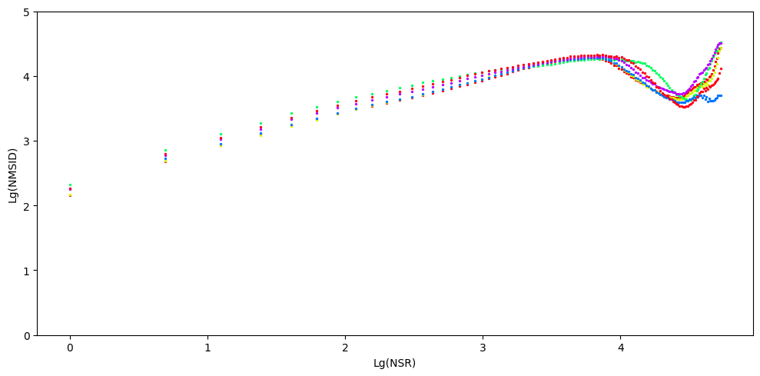
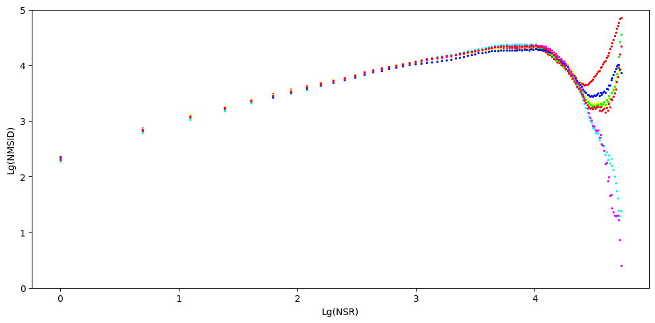

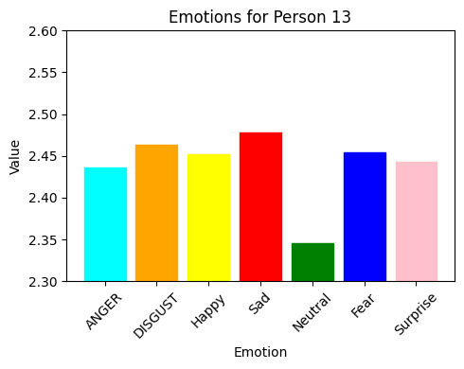
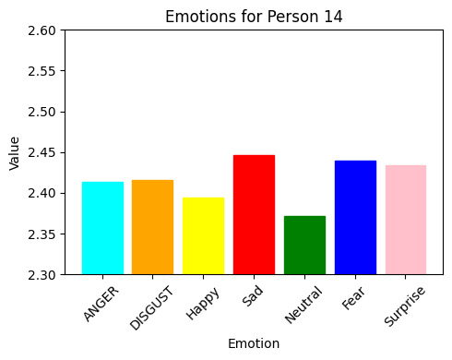
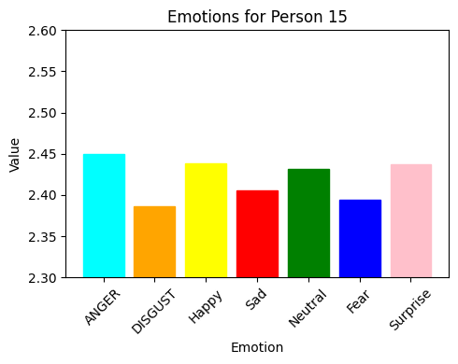
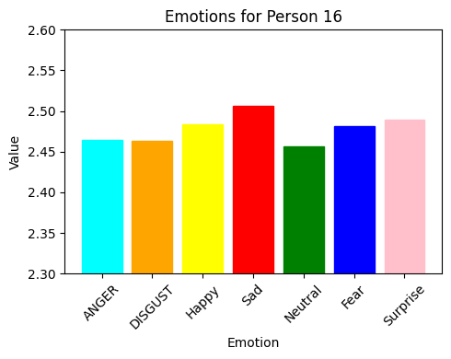

 |  | PERSON 17 |  |  |  |  |  |  | PERSON 18 |  |  |  |  |  |  | PERSON 19

