Sheet1
 |  |  |  |  |  |  |  |  | ***EYE***

Person | SAD |  |  |  | ANGER |  |  |  | SURPRISE |  |  |  | FEAR |  |  |  | DISGUST |  |  |  | HAPPY |  |  |  | NEUTRAL
 | Fractal Dimension | Hurst Coffecient | Range of log(NSR) [ min value - max value ] | Range of log(NMSID) [min value - max value] | Fractal Dimension | Hurst Coffecient | Range of log(NSR) [ min value - max value ] | Range of log(NMSID) [min value - max value] | Fractal Dimension | Hurst Coffecient | Range of log(NSR) [ min value - max value ] | Range of log(NMSID) [min value - max value] | Fractal Dimension | Hurst Coffecient | Range of log(NSR) [ min value - max value ] | Range of log(NMSID) [min value - max value] | Fractal Dimension | Hurst Coffecient | Range of log(NSR) [ min value - max value ] | Range of log(NMSID) [min value - max value] | Fractal Dimension | Hurst Coffecient | Range of log(NSR) [ min value - max value ] | Range of log(NMSID) [min value - max value] | Fractal Dimension | Hurst Coffecient | Range of log(NSR) [ min value - max value ] | Range of log(NMSID) [min value - max value]
Person 1 | 2.518 | 0.482 | 0.0-2.833 | 2.189-3.651 | 2.644 | 0.356 | 0.0-3.045 | 2.337-3.677 | 2.608 | 0.392 | 0.0-2.303 | 2.356-3.523 | 2.62 | 0.38 | 0.0-3.045 | 2.343-3.681 | 2.586 | 0.414 | 0.0-3.045 | 2.251-3.646 | 2.594 | 0.406 | 0.0-3.045 | 2.193-3.575 | 2.625 | 0.375 | 0.0-2.197 | 2.346-3.5
Person 2 | 2.634 | 0.366 | 0.0-2.833 | 2.042-3.295 | 2.501 | 0.499 | 0.0-2.565 | 2.048-3.514 | 2.649 | 0.351 | 0.0-3.178 | 2.19-3.4 | 2.618 | 0.382 | 0.0-2.944 | 2.136-3.438 | 2.717 | 0.283 | 0.0-2.708 | 2.111-3.306 | 2.631 | 0.369 | 0.0-2.833 | 2.05-3.295 | 2.652 | 0.348 | 0.0-2.833 | 2.124-3.379
Person 3 | 2.521 | 0.479 | 0.0-3.045 | 2.131-3.521 | 2.524 | 0.476 | 0.0-3.045 | 2.168-3.58 | 2.616 | 0.384 | 0.0-2.89 | 2.18-3.43 | 2.595 | 0.405 | 0.0-2.773 | 2.154-3.407 | 2.521 | 0.479 | 0.0-2.944 | 2.122-3.492 | 2.546 | 0.454 | 0.0-3.178 | 2.144-3.487 | 2.497 | 0.503 | 0.0-3.091 | 2.106-3.567
Person 4 | 2.593 | 0.407 | 0.0-2.303 | 2.098-3.305 | 2.637 | 0.363 | 0.0-2.833 | 2.184-3.511 | 2.631 | 0.369 | 0.0-2.303 | 2.177-3.342 | 2.596 | 0.404 | 0.0-2.303 | 2.109-3.322 | 2.608 | 0.392 | 0.0-2.079 | 1.927-3.196 | 2.578 | 0.422 | 0.0-2.303 | 2.107-3.304 | 2.597 | 0.403 | 0.0-2.303 | 2.125-3.324
Person 5 | 2.624 | 0.376 | 0.0-2.485 | 2.298-3.468 | 2.729 | 0.271 | 0.0-2.079 | 2.479-3.451 | 2.617 | 0.383 | 0.0-2.485 | 2.367-3.511 | 2.621 | 0.379 | 0.0-3.178 | 2.392-3.677 | 2.635 | 0.365 | 0.0-2.565 | 2.263-3.461 | 2.554 | 0.446 | 0.0-2.303 | 2.295-3.542 | 2.617 | 0.383 | 0.0-2.485 | 2.337-3.524
Person 6 | 2.603 | 0.397 | 0.0-2.485 | 2.299-3.402 | 2.672 | 0.328 | 0.0-2.079 | 2.46-3.523 | 2.655 | 0.345 | 0.0-2.639 | 2.462-3.491 | 2.559 | 0.441 | 0.0-2.303 | 2.319-3.479 | 2.546 | 0.454 | 0.0-2.708 | 2.295-3.655 | 2.557 | 0.443 | 0.0-2.303 | 2.269-3.405 | 2.574 | 0.426 | 0.0-2.485 | 2.304-3.454
Person 7 | 2.575 | 0.425 | 0.0-2.708 | 2.581-3.818 | 2.551 | 0.449 | 0.0-2.708 | 2.606-3.817 | 2.572 | 0.428 | 0.0-2.708 | 2.552-3.733 | 2.557 | 0.443 | 0.0-2.708 | 2.533-3.742 | 2.583 | 0.417 | 0.0-2.708 | 2.502-3.726 | 2.566 | 0.434 | 0.0-2.708 | 2.5-3.678 | 2.575 | 0.425 | 0.0-2.833 | 2.536-3.739
Person 8 | 2.559 | 0.441 | 0.0-3.526 | 2.268-3.777 | 2.562 | 0.438 | 0.0-3.401 | 2.173-3.722 | 2.586 | 0.414 | 0.0-3.466 | 2.223-3.728 | 2.542 | 0.458 | 0.0-3.466 | 2.278-3.786 | 2.529 | 0.471 | 0.0-3.466 | 2.23-3.715 | 2.609 | 0.391 | 0.0-3.466 | 2.277-3.699 | 2.594 | 0.406 | 0.0-3.555 | 2.367-3.817
Person 9 | 2.569 | 0.431 | 0.0-3.296 | 2.34-3.728 | 2.44 | 0.56 | 0.0-2.485 | 2.351-3.852 | 2.573 | 0.427 | 0.0-2.708 | 2.332-3.553 | 2.589 | 0.411 | 0.0-2.639 | 2.334-3.539 | 2.631 | 0.369 | 0.0-2.639 | 2.297-3.473 | 2.585 | 0.415 | 0.0-3.367 | 2.378-3.767 | 2.557 | 0.443 | 0.0-3.367 | 2.364-3.771
Person 10 | 2.53 | 0.47 | 0.0-2.708 | 2.216-3.598 | 2.503 | 0.497 | 0.0-2.485 | 2.37-3.724 | 2.602 | 0.398 | 0.0-2.708 | 2.411-3.62 | 2.658 | 0.342 | 0.0-2.485 | 2.43-3.577 | 2.549 | 0.451 | 0.0-2.565 | 2.318-3.631 | 2.552 | 0.448 | 0.0-2.708 | 2.277-3.597 | 2.584 | 0.416 | 0.0-2.708 | 2.317-3.58
Person 11 | 2.582 | 0.418 | 0.0-2.079 | 2.571-3.807 | 2.577 | 0.423 | 0.0-2.833 | 2.586-3.984 | 2.63 | 0.37 | 0.0-3.045 | 2.64-3.951 | 2.589 | 0.411 | 0.0-2.944 | 2.571-3.973 | 2.426 | 0.574 | 0.0-2.708 | 2.456-4.042 | 2.576 | 0.424 | 0.0-2.303 | 2.581-3.822 | 2.584 | 0.416 | 0.0-2.197 | 2.622-3.86
Person 12 | 2.594 | 0.406 | 0.0-2.079 | 2.575-3.807 | 2.529 | 0.471 | 0.0-2.708 | 2.473-3.927 | 2.625 | 0.375 | 0.0-2.303 | 2.495-3.653 | 2.618 | 0.382 | 0.0-2.485 | 2.475-3.642 | 2.627 | 0.373 | 0.0-2.398 | 2.44-3.623 | 2.624 | 0.376 | 0.0-2.303 | 2.548-3.704 | 2.608 | 0.392 | 0.0-2.303 | 2.592-3.797
Person 13 | 2.564 | 0.436 | 0.0-2.708 | 2.365-3.687 | 2.505 | 0.495 | 0.0-2.303 | 2.456-3.78 | 2.589 | 0.411 | 0.0-2.708 | 2.447-3.721 | 2.599 | 0.401 | 0.0-2.708 | 2.434-3.711 | 2.532 | 0.468 | 0.0-2.565 | 2.349-3.686 | 2.591 | 0.409 | 0.0-2.708 | 2.33-3.608 | 2.624 | 0.376 | 0.0-2.833 | 2.395-3.632
Person 14 | 2.61 | 0.39 | 0.0-2.708 | 2.174-3.42 | 2.643 | 0.357 | 0.0-2.708 | 2.183-3.441 | 2.549 | 0.451 | 0.0-2.639 | 2.18-3.439 | 2.644 | 0.356 | 0.0-2.708 | 2.254-3.472 | 2.571 | 0.429 | 0.0-2.708 | 2.15-3.408 | 2.56 | 0.44 | 0.0-2.639 | 2.158-3.483 | 2.606 | 0.394 | 0.0-2.833 | 2.232-3.507
Person 15 | 2.58 | 0.42 | 0.0-2.833 | 2.439-3.778 | 2.606 | 0.394 | 0.0-2.833 | 2.517-3.799 | 2.521 | 0.479 | 0.0-2.708 | 2.439-3.859 | 2.632 | 0.368 | 0.0-3.526 | 2.47-3.885 | 2.471 | 0.529 | 0.0-2.708 | 2.329-3.825 |  |  |  |  | 2.62 | 0.38 | 0.0-3.466 | 2.442-3.892
Person 16 | 2.541 | 0.459 | 0.0-2.833 | 2.39-3.817 | 2.509 | 0.491 | 0.0-2.639 | 2.444-3.876 | 2.643 | 0.357 | 0.0-2.708 | 2.526-3.804 | 2.608 | 0.392 | 0.0-2.639 | 2.494-3.854 | 2.625 | 0.375 | 0.0-2.944 | 2.438-3.781 | 2.528 | 0.472 | 0.0-2.708 | 2.449-3.847 | 2.553 | 0.447 | 0.0-2.639 | 2.493-3.899
Person 17 | 2.694 | 0.306 | 0.0-3.091 | 2.436-3.739 | 2.55 | 0.45 | 0.0-2.944 | 2.418-3.859 | 2.704 | 0.296 | 0.0-3.258 | 2.53-3.813 | 2.691 | 0.309 | 0.0-3.045 | 2.478-3.747 | 2.669 | 0.331 | 0.0-3.045 | 2.408-3.719 | 2.725 | 0.275 | 0.0-2.708 | 2.461-3.661 | 2.713 | 0.287 | 0.0-2.708 | 2.508-3.661
Person 18 | 2.547 | 0.453 | 0.0-2.303 | 2.452-3.748 | 2.403 | 0.597 | 0.0-2.485 | 2.426-3.967 | 2.567 | 0.433 | 0.0-2.833 | 2.555-3.914 | 2.556 | 0.444 | 0.0-3.045 | 2.532-3.932 | 2.462 | 0.538 | 0.0-2.708 | 2.447-3.921 | 2.583 | 0.417 | 0.0-2.944 | 2.454-3.826 | 2.495 | 0.505 | 0.0-2.708 | 2.51-3.951
Person 19 | 2.643 | 0.357 | 0.0-2.303 | 2.37-3.471 | 2.648 | 0.352 | 0.0-3.434 | 2.391-3.755 | 2.626 | 0.374 | 0.0-2.565 | 2.322-3.526 | 2.652 | 2.653 | 0.0-3.434 | 2.348-3.68 | 2.603 | 0.397 | 0.0-2.708 | 2.18-3.392 | 2.626 | 0.374 | 0.0-2.303 | 2.271-3.436 | 2.655 | 0.345 | 0.0-2.303 | 2.418-3.514

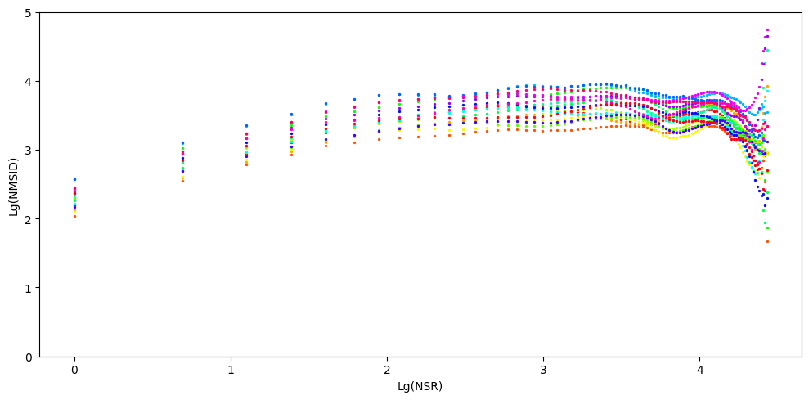
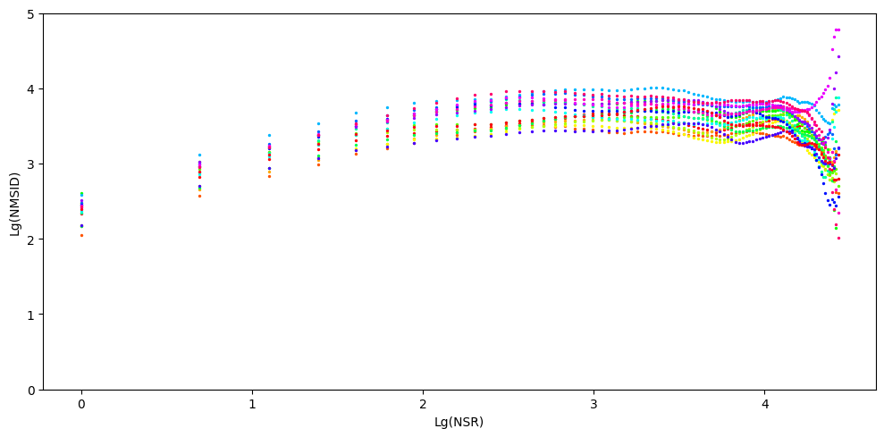

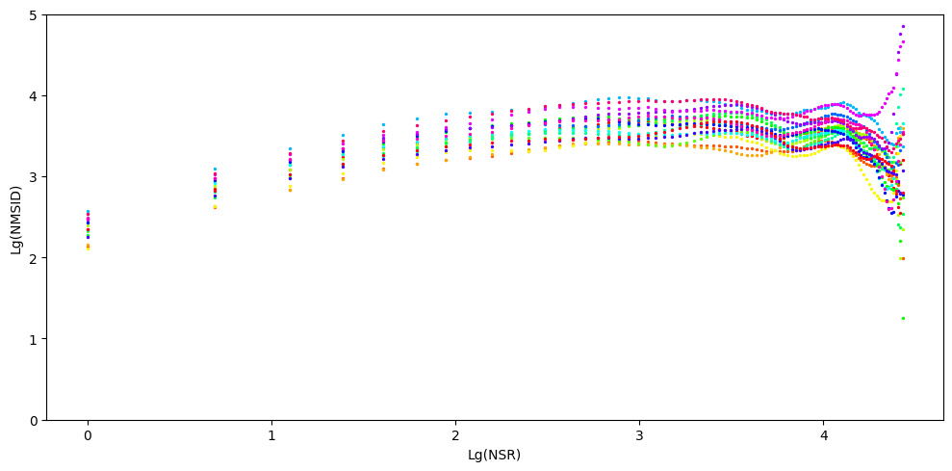
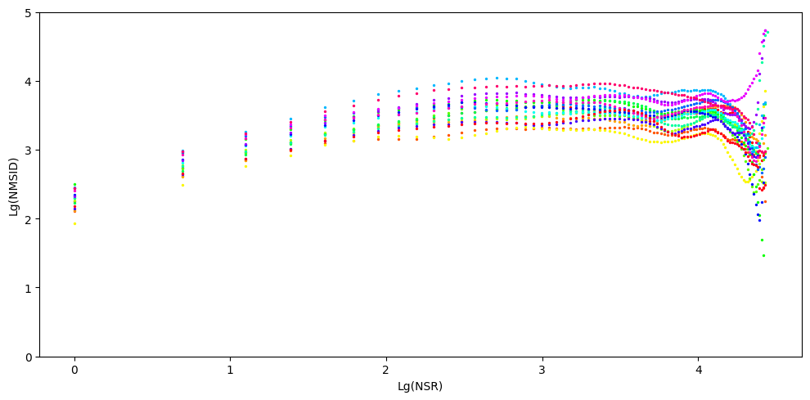
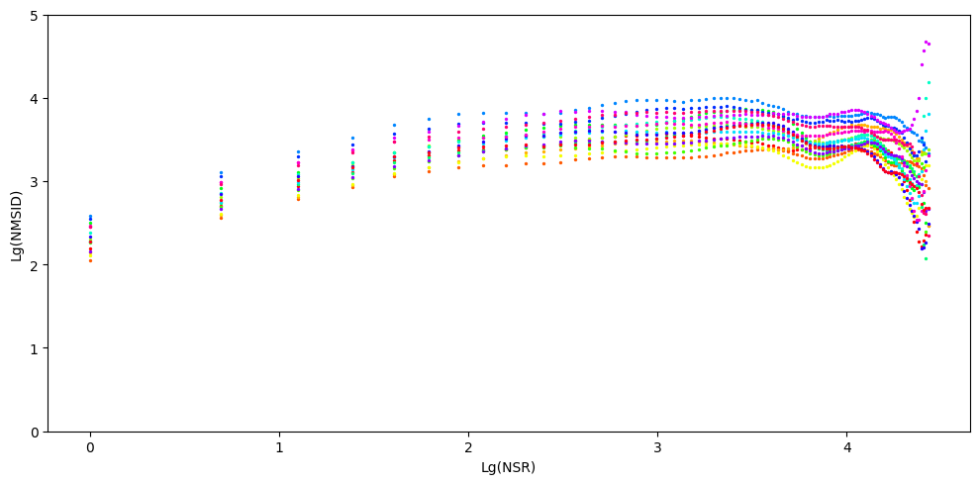
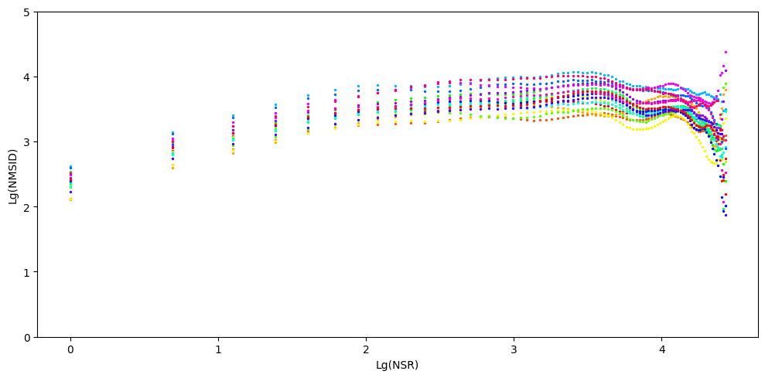

 |  |  |  |  |  |  |  |  | ***MOUTH***

Person | ANGER |  |  |  | DISGUST |  |  |  | Happy |  |  |  | Sad |  |  |  | Neutral |  |  |  | Fear |  |  |  | Surprise
 | Fractal Dimension | Hurst Coffecient | Range of log(NSR) [ min value - max value ] | Range of log(NMSID) [min value - max value] | Fractal Dimension | Hurst Coffecient | Range of log(NSR) [ min value - max value ] | Range of log(NMSID) [min value - max value] | Fractal Dimension | Hurst Coffecient | Range of log(NSR) [ min value - max value ] | Range of log(NMSID) [min value - max value] | Fractal Dimension | Hurst Coffecient | Range of log(NSR) [ min value - max value ] | Range of log(NMSID) [min value - max value] | Fractal Dimension | Hurst Coffecient | Range of log(NSR) [ min value - max value ] | Range of log(NMSID) [min value - max value] | Fractal Dimension | Hurst Coffecient | Range of log(NSR) [ min value - max value ] | Range of log(NMSID) [min value - max value] | Fractal Dimension | Hurst Coffecient | Range of log(NSR) [ min value - max value ] | Range of log(NMSID) [min value - max value]
Person 1 | 2.419 | 0.581 | 0.0-2.708 | 1.998-3.577 | 2.419 | 0.581 | 0.0-3.045 | 1.757-3.408 | 2.42 | 0.58 | 0.0-3.258 | 2.231-3.986 | 2.442 | 0.558 | 0.0-3.045 | 1.83-3.419 | 2.423 | 0.577 | 0.0-3.045 | 1.84-3.421 | 2.41 | 0.59 | 0.0-3.219 | 1.858-3.457 | 2.443 | 0.557 | 0.0-2.996 | 1.82-3.378
Person 2 | 2.467 | 0.533 | 0.0-2.485 | 1.642-3.023 | 2.473 | 0.527 | 0.0-2.485 | 1.414-2.784 | 2.489 | 0.511 | 0.0-2.303 | 1.6-2.956 | 2.572 | 0.428 | 0.0-2.303 | 1.634-2.858 | 2.437 | 0.563 | 0.0-2.303 | 1.551-2.972 | 2.471 | 0.529 | 0.0-2.485 | 1.539-2.926 | 2.539 | 0.461 | 0.0-2.303 | 1.518-2.785
Person 3 | 2.453 | 0.547 | 0.0-3.258 | 1.979-3.51 | 2.519 | 0.481 | 0.0-3.219 | 1.891-3.336 | 2.511 | 0.489 | 0.0-3.091 | 2.071-3.695 | 2.495 | 0.505 | 0.0-3.135 | 1.918-3.363 | 2.516 | 0.484 | 0.0-3.135 | 1.896-3.315 | 2.496 | 0.504 | 0.0-3.135 | 1.927-3.376 | 2.461 | 0.539 | 0.0-3.135 | 1.794-3.366
Person 4 | 2.399 | 0.601 | 0.0-2.833 | 1.749-3.418 | 2.461 | 0.539 | 0.0-2.833 | 1.19-2.701 | 2.421 | 0.579 | 0.0-2.565 | 1.494-2.981 | 2.419 | 0.581 | 0.0-2.708 | 1.39-2.982 | 2.365 | 0.635 | 0.0-2.708 | 1.392-3.047 | 2.417 | 0.583 | 0.0-2.708 | 1.567-3.169 | 2.379 | 0.621 | 0.0-2.708 | 1.469-3.102
Person 5 | 2.35 | 0.65 | 0.0-3.178 | 2.019-3.824 | 2.394 | 0.606 | 0.0-2.708 | 1.559-3.084 | 2.411 | 0.589 | 0.0-2.708 | 1.927-3.475 | 2.424 | 0.576 | 0.0-2.485 | 1.655-3.145 | 2.414 | 0.586 | 0.0-2.708 | 1.631-3.154 | 2.409 | 0.591 | 0.0-3.367 | 1.641-3.383 | 2.437 | 0.563 | 0.0-3.434 | 1.614-3.364
Person 6 | 2.311 | 0.689 | 0.0-2.833 | 1.603-3.407 | 2.388 | 0.612 | 0.0-2.639 | 1.622-3.12 | 2.42 | 0.58 | 0.0-2.833 | 1.858-3.373 | 2.356 | 0.644 | 0.0-2.708 | 1.48-3.075 | 2.381 | 0.619 | 0.0-2.833 | 1.511-3.141 | 2.348 | 0.652 | 0.0-2.708 | 1.529-3.183 | 2.382 | 0.618 | 0.0-2.708 | 1.496-3.087
Person 7 | 2.507 | 0.493 | 0.0-2.944 | 2.216-3.637 | 2.506 | 0.494 | 0.0-2.708 | 2.214-3.574 | 2.311 | 0.689 | 0.0-4.06 | 1.839-3.87 | 2.428 | 0.572 | 0.0-2.708 | 1.893-3.303 | 2.382 | 0.618 | 0.0-2.944 | 1.868-3.528 | 2.379 | 0.621 | 0.0-2.944 | 1.905-3.544 | 2.369 | 0.631 | 0.0-2.708 | 2.004-3.553
Person 8 | 2.578 | 0.422 | 0.0-2.708 | 1.949-3.329 | 2.526 | 0.474 | 0.0-2.89 | 1.762-3.092 | 2.521 | 0.479 | 0.0-2.944 | 1.947-3.425 | 2.487 | 0.513 | 0.0-2.708 | 1.633-3.059 | 2.45 | 0.55 | 0.0-2.708 | 1.756-3.158 | 2.45 | 0.55 | 0.0-2.708 | 1.707-3.135 | 2.453 | 0.547 | 0.0-2.833 | 1.658-3.125
Person 9 | 2.555 | 0.445 | 0.0-2.833 | 1.989-3.308 | 2.522 | 0.478 | 0.0-2.303 | 1.751-3.052 | 2.41 | 0.59 | 0.0-2.485 | 1.761-3.234 | 2.409 | 0.591 | 0.0-3.258 | 1.618-3.298 | 2.335 | 0.665 | 0.0-2.708 | 1.587-3.175 | 2.334 | 0.666 | 0.0-2.565 | 1.593-3.209 | 2.438 | 0.562 | 0.0-2.303 | 1.821-3.284
Person 10 | 2.335 | 0.665 | 0.0-2.708 | 1.867-3.59 | 2.557 | 0.443 | 0.0-2.708 | 1.736-2.964 | 2.473 | 0.527 | 0.0-2.708 | 1.636-3.041 | 2.386 | 0.614 | 0.0-2.708 | 1.515-3.023 | 2.377 | 0.623 | 0.0-2.485 | 1.601-3.111 | 2.387 | 0.613 | 0.0-2.565 | 1.519-3.021 | 2.412 | 0.588 | 0.0-2.565 | 1.631-3.068
Person 11 | 2.447 | 0.553 | 0.0-2.833 | 2.386-3.868 | 2.43 | 0.57 | 0.0-3.178 | 2.252-3.912 | 2.411 | 0.589 | 0.0-3.178 | 2.395-4.15 | 2.414 | 0.586 | 0.0-3.091 | 2.275-3.924 | 2.416 | 0.584 | 0.0-3.045 | 2.243-3.944 | 2.424 | 0.576 | 0.0-2.996 | 2.231-3.867 | 2.383 | 0.617 | 0.0-3.091 | 2.191-3.896
Person 12 | 2.404 | 0.596 | 0.0-2.89 | 2.178-3.699 | 2.361 | 0.639 | 0.0-2.944 | 2.041-3.725 | 2.417 | 0.583 | 0.0-3.091 | 2.157-3.762 | 2.402 | 0.598 | 0.0-2.996 | 2.232-3.813 | 2.408 | 0.592 | 0.0-2.996 | 2.181-3.779 | 2.4 | 0.6 | 0.0-2.833 | 2.179-3.723 | 2.332 | 0.668 | 0.0-2.89 | 2.131-3.864
Person 13 | 2.398 | 0.602 | 0.0-3.526 | 1.478-3.319 | 2.406 | 0.594 | 0.0-2.485 | 1.583-3.13 | 2.485 | 0.515 | 0.0-2.485 | 1.529-2.891 | 2.422 | 0.578 | 0.0-3.367 | 1.487-3.261 | 2.403 | 0.597 | 0.0-2.708 | 1.544-3.07 | 2.413 | 0.587 | 0.0-3.434 | 1.544-3.391 | 2.406 | 0.594 | 0.0-3.434 | 1.58-3.339
Person 14 | 2.332 | 0.668 | 0.0-2.833 | 1.49-3.298 | 2.432 | 0.568 | 0.0-3.584 | 1.332-3.059 | 2.375 | 0.625 | 0.0-3.258 | 1.379-3.065 | 2.305 | 0.695 | 0.0-3.367 | 1.277-3.216 | 2.332 | 0.668 | 0.0-2.833 | 1.338-3.062 | 2.332 | 0.668 | 0.0-2.708 | 1.452-3.104 | 2.315 | 0.685 | 0.0-3.258 | 1.131-3.068
Person 15 | 2.303 | 0.697 | 0.0-3.045 | 1.846-3.845 | 2.263 | 0.737 | 0.0-2.833 | 1.687-3.653 |  |  |  |  | 2.299 | 0.701 | 0.0-3.045 | 1.705-3.725 | 2.295 | 0.705 | 0.0-3.045 | 1.724-3.792 | 2.276 | 0.724 | 0.0-3.258 | 1.744-3.822 | 2.302 | 0.698 | 0.0-3.091 | 1.704-3.722
Person 16 | 2.322 | 0.678 | 0.0-3.045 | 1.664-3.591 | 2.448 | 0.552 | 0.0-3.466 | 1.547-3.193 | 2.492 | 0.508 | 0.0-2.833 | 1.939-3.437 | 2.361 | 0.639 | 0.0-3.258 | 1.586-3.481 | 2.366 | 0.634 | 0.0-3.178 | 1.67-3.492 | 2.341 | 0.659 | 0.0-3.258 | 1.701-3.577 | 2.39 | 0.61 | 0.0-3.258 | 1.662-3.511
Person 17 | 2.402 | 0.598 | 0.0-2.89 | 2.216-3.807 | 2.422 | 0.578 | 0.0-2.996 | 2.24-3.802 | 2.457 | 0.543 | 0.0-2.833 | 2.318-3.822 | 2.369 | 0.631 | 0.0-2.89 | 2.235-3.896 | 2.401 | 0.599 | 0.0-2.944 | 2.213-3.847 | 2.352 | 0.648 | 0.0-2.89 | 2.243-3.935 | 2.414 | 0.586 | 0.0-2.89 | 2.248-3.81
Person 18 | 2.556 | 0.444 | 0.0-2.833 | 2.191-3.507 | 2.574 | 0.426 | 0.0-2.303 | 2.192-3.389 | 2.61 | 0.39 | 0.0-3.045 | 2.257-3.634 | 2.569 | 0.431 | 0.0-2.303 | 2.054-3.204 | 2.589 | 0.411 | 0.0-2.565 | 2.086-3.235 | 2.581 | 0.419 | 0.0-2.565 | 2.116-3.325 | 2.543 | 0.457 | 0.0-2.303 | 2.123-3.334
Person 19 | 2.407 | 0.593 | 0.0-2.833 | 1.895-3.49 | 2.412 | 0.588 | 0.0-2.708 | 1.603-3.162 | 2.418 | 0.582 | 0.0-2.833 | 1.681-3.293 | 2.347 | 0.653 | 0.0-3.258 | 1.636-3.516 | 2.348 | 0.652 | 0.0-3.258 | 1.752-3.573 | 2.336 | 0.664 | 0.0-3.258 | 1.715-3.52 | 2.417 | 0.583 | 0.0-3.258 | 1.691-3.391
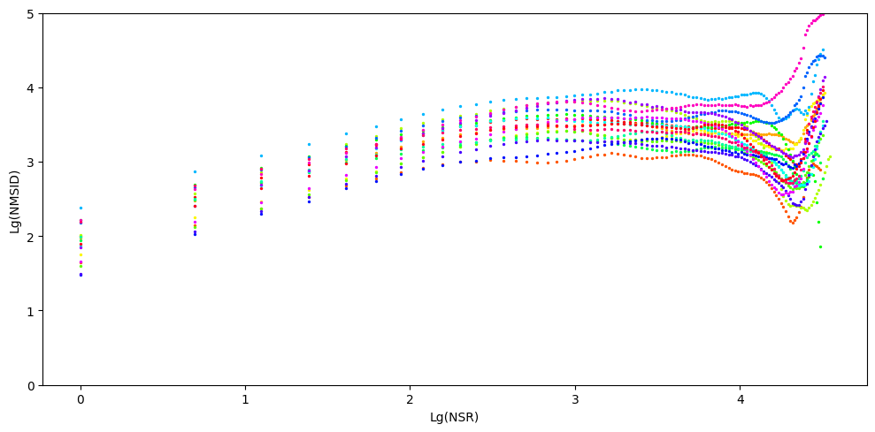
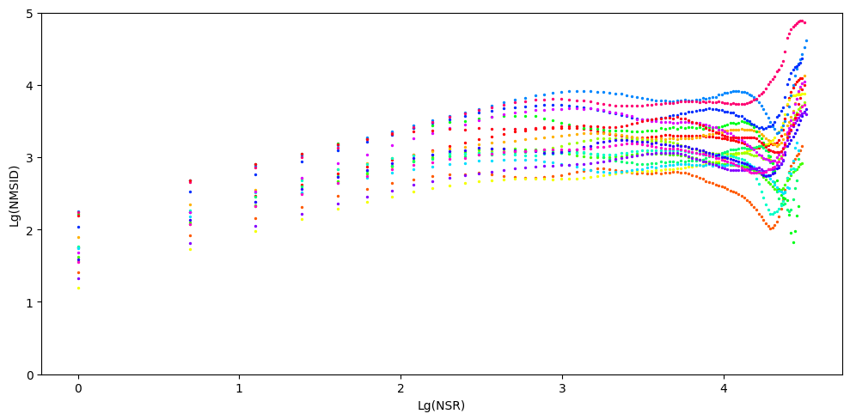
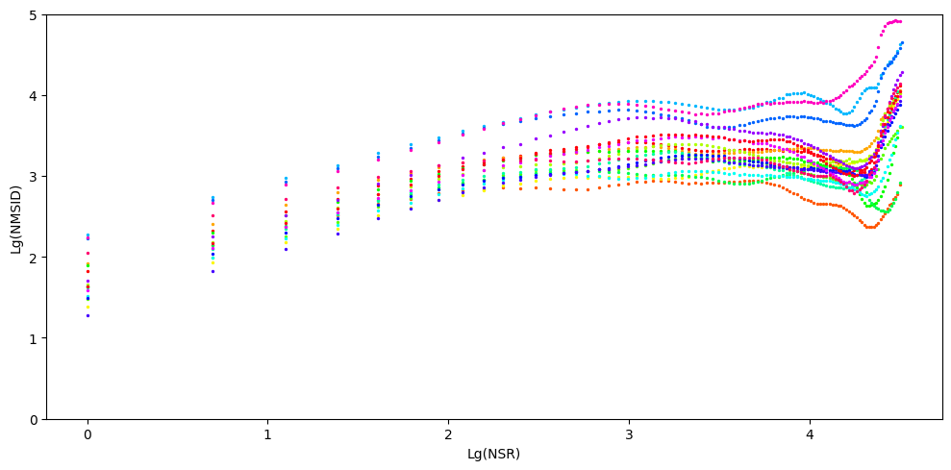
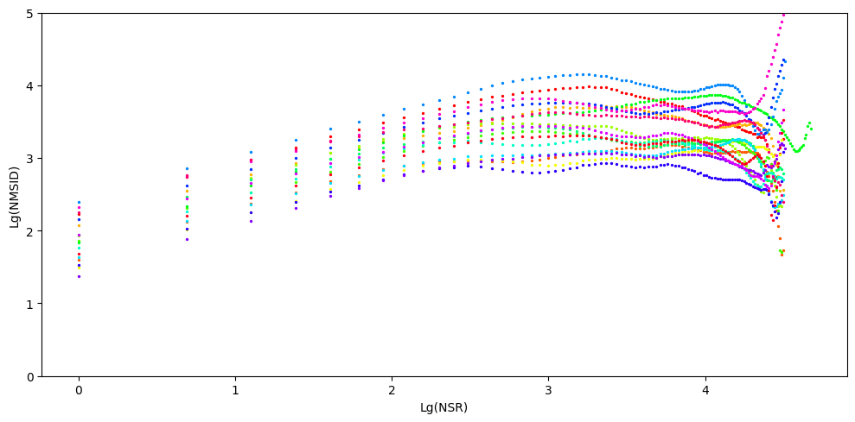

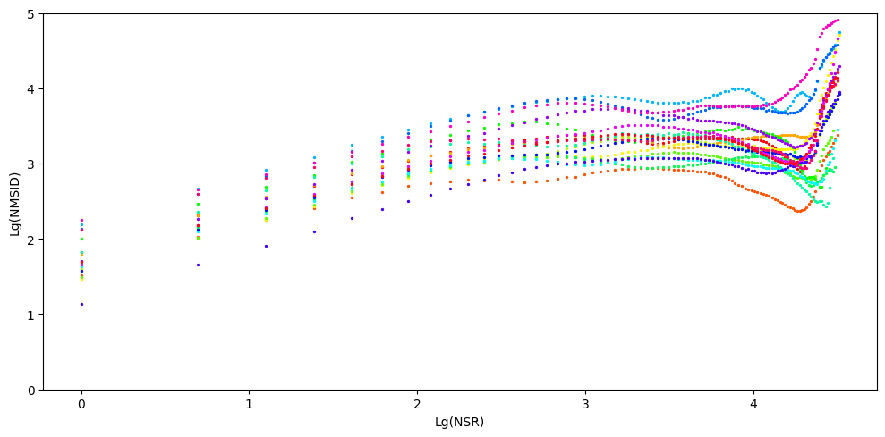
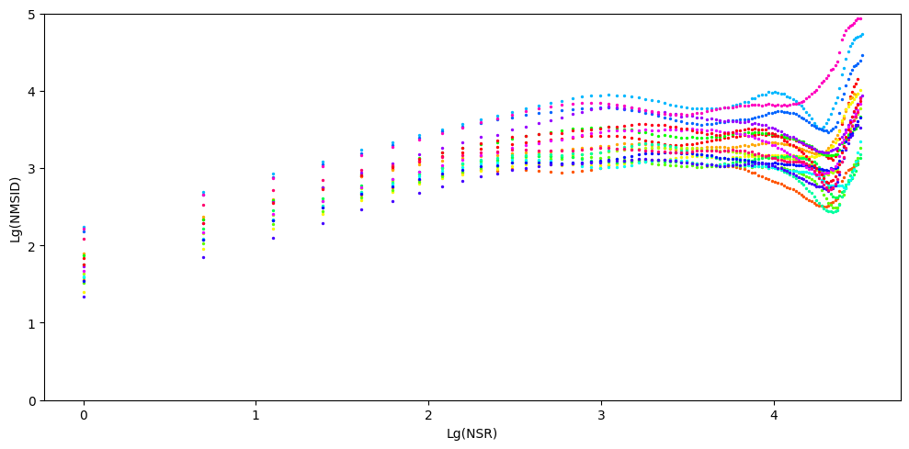
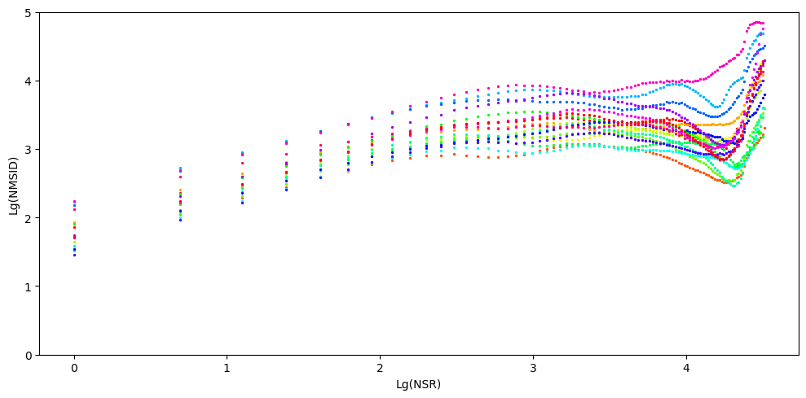

 |  |  |  |  |  |  |  |  | ***NOSE***

Person | SAD |  |  |  | ANGER |  |  |  | SURPRISE |  |  |  | FEAR |  |  |  | DISGUST |  |  |  | HAPPY |  |  |  | NEUTRAL
 | Fractal Dimension | Hurst Coffecient | Range of log(NSR) [ min value - max value ] | Range of log(NMSID) [min value - max value] | Fractal Dimension | Hurst Coffecient | Range of log(NSR) [ min value - max value ] | Range of log(NMSID) [min value - max value] | Fractal Dimension | Hurst Coffecient | Range of log(NSR) [ min value - max value ] | Range of log(NMSID) [min value - max value] | Fractal Dimension | Hurst Coffecient | Range of log(NSR) [ min value - max value ] | Range of log(NMSID) [min value - max value] | Fractal Dimension | Hurst Coffecient | Range of log(NSR) [ min value - max value ] | Range of log(NMSID) [min value - max value] | Fractal Dimension | Hurst Coffecient | Range of log(NSR) [ min value - max value ] | Range of log(NMSID) [min value - max value] | Fractal Dimension | Hurst Coffecient | Range of log(NSR) [ min value - max value ] | Range of log(NMSID) [min value - max value]
Person 1 | 2.49 | 0.51 | 0.0-3.761 | 1.58-3.27 | 2.511 | 0.489 | 0.0-4.143 | 1.625-3.294 | 2.35 | 0.65 | 0.0-2.833 | 1.415-3.163 | 2.516 | 0.484 | 0.0-4.22 | 1.683-3.358 | 2.441 | 0.559 | 0.0-3.584 | 1.563-3.444 | 2.434 | 0.566 | 0.0-3.761 | 1.533-3.422 | 2.476 | 0.524 | 0.0-4.111 | 1.603-3.453
Person 2 | 2.411 | 0.589 | 0.0-4.174 | 1.665-3.6 | 2.386 | 0.614 | 0.0-4.22 | 1.552-3.543 | 2.459 | 0.541 | 0.0-4.078 | 1.719-3.492 | 2.448 | 0.552 | 0.0-4.394 | 1.587-3.715 | 2.356 | 0.644 | 0.0-3.584 | 1.558-3.428 | 2.389 | 0.611 | 0.0-4.094 | 1.634-3.538 | 2.421 | 0.579 | 0.0-4.205 | 1.644-3.497
Person 3 | 2.471 | 0.529 | 0.0-3.526 | 1.604-3.212 | 2.412 | 0.588 | 0.0-3.714 | 1.496-3.258 | 2.392 | 0.608 | 0.0-2.639 | 1.502-3.11 | 2.453 | 0.547 | 0.0-3.638 | 1.564-3.209 | 2.451 | 0.549 | 0.0-3.638 | 1.614-3.347 | 2.48 | 0.52 | 0.0-3.584 | 1.649-3.459 | 2.489 | 0.511 | 0.0-3.434 | 1.637-3.207
Person 4 | 2.425 | 0.575 | 0.0-4.304 | 1.347-3.513 | 2.44 | 0.56 | 0.0-4.357 | 1.491-3.552 | 2.34 | 0.66 | 0.0-2.833 | 1.851-3.567 | 2.348 | 0.652 | 0.0-2.708 | 1.464-3.157 | 2.35 | 0.65 | 0.0-2.833 | 1.266-3.03 | 2.435 | 0.565 | 0.0-4.263 | 1.477-3.381 | 2.364 | 0.636 | 0.0-2.833 | 1.365-3.038
Person 5 | 2.458 | 0.542 | 0.0-4.248 | 1.629-3.701 | 2.367 | 0.633 | 0.0-3.045 | 1.586-3.355 | 2.381 | 0.619 | 0.0-2.833 | 1.608-3.247 | 2.415 | 0.585 | 0.0-3.97 | 1.713-3.614 | 2.387 | 0.613 | 0.0-3.178 | 1.642-3.446 | 2.292 | 0.708 | 0.0-3.664 | 1.434-3.548 | 2.455 | 0.545 | 0.0-4.174 | 1.672-3.651
Person 6 | 2.475 | 0.525 | 0.0-4.127 | 1.801-3.504 | 2.456 | 0.544 | 0.0-4.263 | 1.731-3.547 | 2.472 | 0.528 | 0.0-3.526 | 1.596-3.255 | 2.439 | 0.561 | 0.0-3.258 | 1.717-3.231 | 2.41 | 0.59 | 0.0-3.951 | 1.804-3.552 | 2.384 | 0.616 | 0.0-3.434 | 1.734-3.425 | 2.459 | 0.541 | 0.0-4.094 | 1.735-3.585
Person 7 | 2.432 | 0.568 | 0.0-4.06 | 1.957-3.789 | 2.417 | 0.583 | 0.0-4.025 | 1.951-3.753 | 2.486 | 0.514 | 0.0-3.258 | 2.012-3.618 | 2.43 | 0.57 | 0.0-3.434 | 1.961-3.58 | 2.333 | 0.667 | 0.0-3.932 | 1.808-3.82 | 2.368 | 0.632 | 0.0-4.06 | 1.881-3.873 | 2.415 | 0.585 | 0.0-3.664 | 1.84-3.629
Person 8 | 2.406 | 0.594 | 0.0-2.708 | 1.652-3.162 | 2.472 | 0.528 | 0.0-2.773 | 1.706-3.134 | 2.51 | 0.49 | 0.0-4.382 | 1.732-3.575 | 2.449 | 0.551 | 0.0-2.773 | 1.729-3.133 | 2.435 | 0.565 | 0.0-2.996 | 1.644-3.173 | 2.386 | 0.614 | 0.0-2.708 | 1.504-3.102 | 2.46 | 0.54 | 0.0-2.773 | 1.774-3.149
Person 9 | 2.4 | 0.6 | 0.0-4.094 | 1.785-3.747 | 2.433 | 0.567 | 0.0-4.22 | 1.98-3.805 | 2.42 | 0.58 | 0.0-2.944 | 1.603-3.175 | 2.364 | 0.636 | 0.0-4.111 | 1.695-3.734 | 2.348 | 0.652 | 0.0-4.143 | 1.731-3.789 | 2.361 | 0.639 | 0.0-4.094 | 1.74-3.773 | 2.418 | 0.582 | 0.0-4.094 | 1.79-3.727
Person 10 | 2.462 | 0.538 | 0.0-4.094 | 1.591-3.406 | 2.497 | 0.503 | 0.0-3.434 | 1.716-3.198 | 2.532 | 0.468 | 0.0-3.584 | 1.946-3.74 | 2.468 | 0.532 | 0.0-3.434 | 1.538-3.18 | 2.428 | 0.572 | 0.0-3.912 | 1.74-3.539 | 2.422 | 0.578 | 0.0-4.025 | 1.616-3.447 | 2.462 | 0.538 | 0.0-4.043 | 1.629-3.42
Person 11 | 2.52 | 0.48 | 0.0-3.526 | 1.882-3.593 | 2.476 | 0.524 | 0.0-3.584 | 1.763-3.674 | 2.464 | 0.536 | 0.0-3.258 | 1.739-3.169 | 2.477 | 0.523 | 0.0-3.434 | 1.911-3.722 | 2.465 | 0.535 | 0.0-4.394 | 1.928-4.373 | 2.46 | 0.54 | 0.0-4.394 | 1.888-4.321 | 2.537 | 0.463 | 0.0-3.434 | 1.968-3.608
Person 12 | 2.481 | 0.519 | 0.0-3.932 | 1.797-3.501 | 2.508 | 0.492 | 0.0-3.932 | 1.802-3.506 | 2.352 | 0.648 | 0.0-3.258 | 1.575-3.498 | 2.461 | 0.539 | 0.0-3.871 | 1.804-3.567 | 2.484 | 0.516 | 0.0-3.871 | 1.715-3.587 | 2.464 | 0.536 | 0.0-3.871 | 1.684-3.517 | 2.418 | 0.582 | 0.0-2.833 | 1.687-3.283
Person 13 | 2.375 | 0.625 | 0.0-2.833 | 1.554-3.206 | 2.465 | 0.535 | 0.0-3.258 | 1.714-3.291 | 2.356 | 0.644 | 0.0-4.159 | 1.76-3.795 | 2.408 | 0.592 | 0.0-3.045 | 1.683-3.297 | 2.405 | 0.595 | 0.0-3.258 | 1.6-3.358 | 2.468 | 0.532 | 0.0-3.178 | 1.695-3.292 | 2.491 | 0.509 | 0.0-3.258 | 1.725-3.198
Person 14 | 2.439 | 0.561 | 0.0-3.258 | 1.47-3.201 | 2.421 | 0.579 | 0.0-3.526 | 1.412-3.185 | 2.526 | 0.474 | 0.0-4.248 | 1.853-3.637 | 2.455 | 0.545 | 0.0-3.258 | 1.62-3.22 | 2.411 | 0.589 | 0.0-4.263 | 1.471-3.481 | 2.411 | 0.589 | 0.0-3.584 | 1.55-3.337 | 2.495 | 0.505 | 0.0-4.248 | 1.565-3.437
Person 15 | 2.406 | 0.594 | 0.0-4.007 | 1.711-3.613 | 2.378 | 0.622 | 0.0-3.97 | 1.727-3.675 | 2.385 | 0.615 | 0.0-3.871 | 1.726-3.585 | 2.346 | 0.654 | 0.0-2.833 | 1.636-3.409 | 2.372 | 0.628 | 0.0-3.871 | 1.651-3.584 |  |  |  |  | 2.376 | 0.624 | 0.0-2.833 | 1.676-3.367
Person 16 | 2.483 | 0.517 | 0.0-4.043 | 1.759-3.572 | 2.446 | 0.554 | 0.0-2.833 | 1.843-3.357 | 2.473 | 0.527 | 0.0-3.829 | 1.836-3.524 | 2.54 | 0.46 | 0.0-4.344 | 1.888-3.779 | 2.486 | 0.514 | 0.0-4.394 | 1.744-3.855 | 2.413 | 0.587 | 0.0-2.833 | 1.832-3.414 | 2.422 | 0.578 | 0.0-2.833 | 1.832-3.336
Person 17 | 2.509 | 0.491 | 0.0-3.434 | 2.093-3.633 | 2.465 | 0.535 | 0.0-3.526 | 2.013-3.703 | 2.489 | 0.511 | 0.0-4.234 | 1.903-3.631 | 2.503 | 0.497 | 0.0-3.367 | 2.084-3.644 | 2.504 | 0.496 | 0.0-3.434 | 2.045-3.688 | 2.415 | 0.585 | 0.0-3.584 | 1.983-3.951 | 2.437 | 0.563 | 0.0-3.526 | 2.009-3.732
Person 18 | 2.436 | 0.564 | 0.0-3.178 | 1.897-3.46 | 2.492 | 0.508 | 0.0-4.234 | 1.93-3.712 | 2.334 | 0.666 | 0.0-4.248 | 1.552-3.681 | 2.426 | 0.574 | 0.0-3.434 | 1.864-3.462 | 2.479 | 0.521 | 0.0-4.331 | 1.956-3.809 | 2.435 | 0.565 | 0.0-3.932 | 1.719-3.545 | 2.441 | 0.559 | 0.0-4.263 | 1.852-3.731
Person 19 | 2.529 | 0.471 | 0.0-3.258 | 1.954-3.419 | 2.463 | 0.537 | 0.0-3.434 | 1.923-3.499 | 2.499 | 0.501 | 0.0-4.331 | 1.893-3.904 | 2.502 | 0.498 | 0.0-3.367 | 1.986-3.484 | 2.469 | 0.531 | 0.0-3.584 | 1.839-3.451 | 2.377 | 0.623 | 0.0-3.434 | 1.728-3.476 | 2.445 | 0.555 | 0.0-3.526 | 1.866-3.512
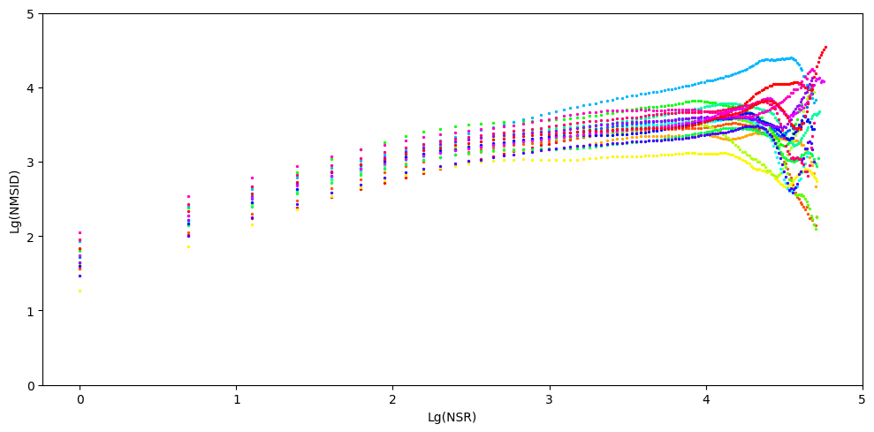
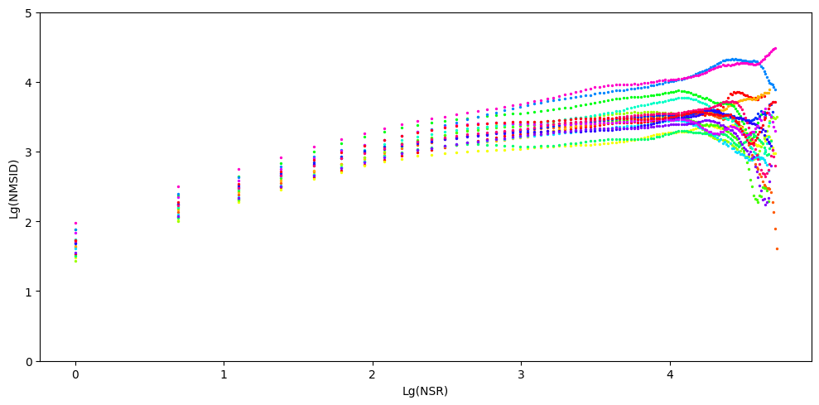
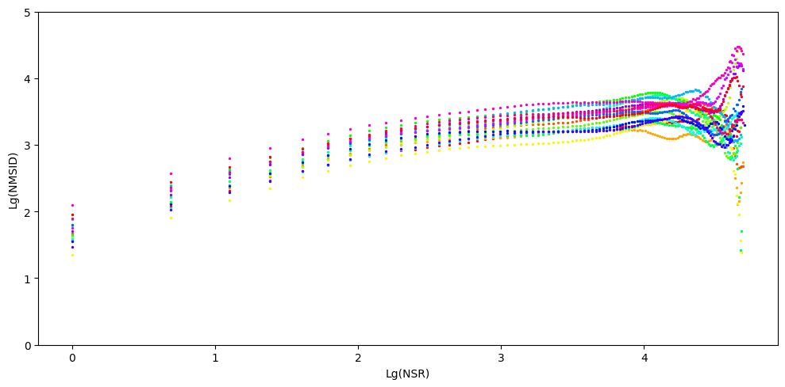
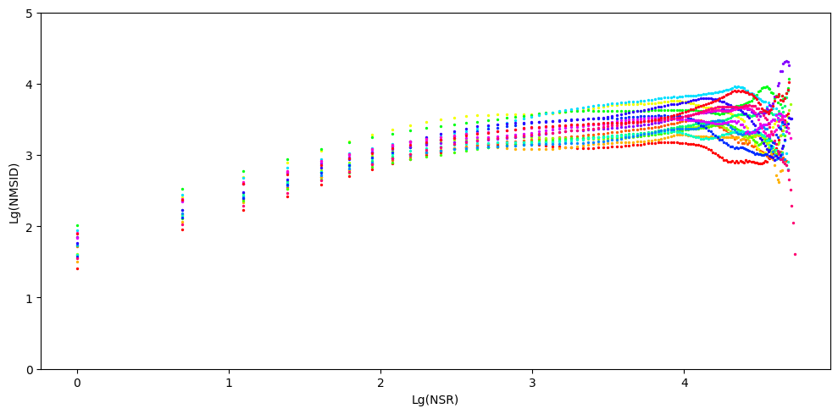
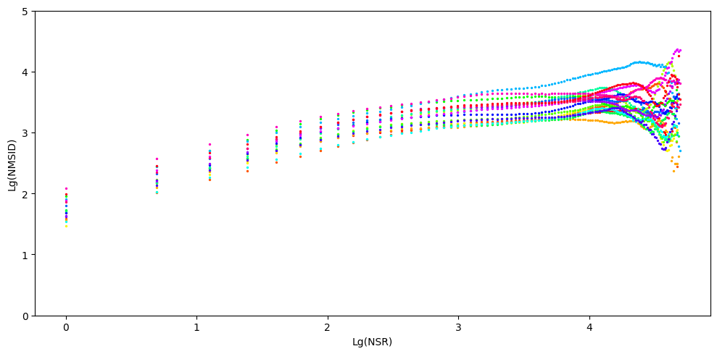
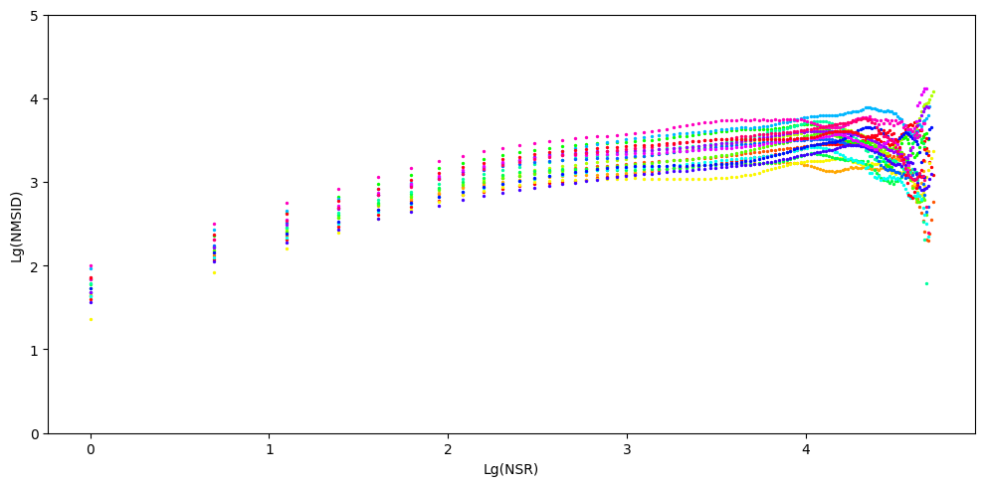
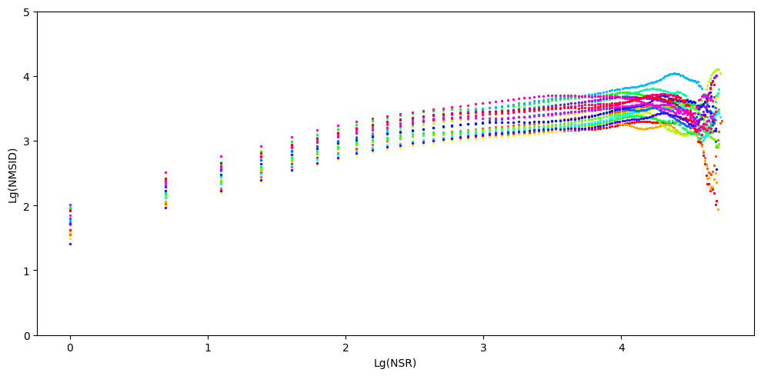

 |  |  | EYE |  |  |  | NOSE |  |  |  | Mouth

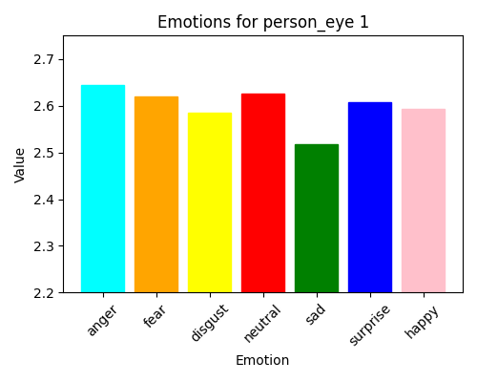
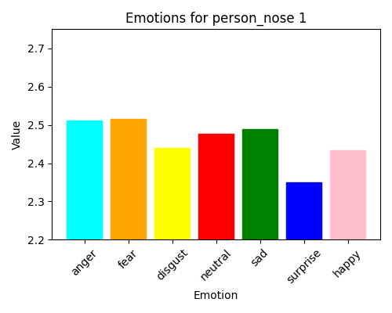
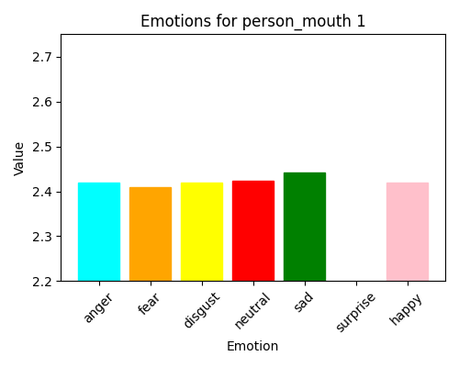

PERSON 1

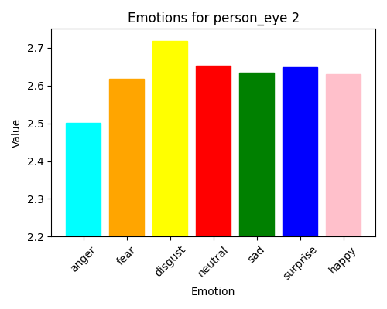
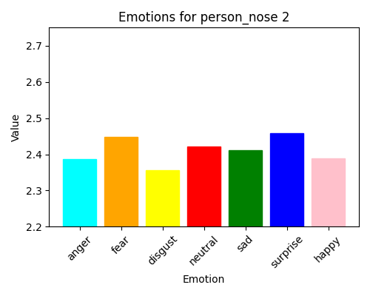
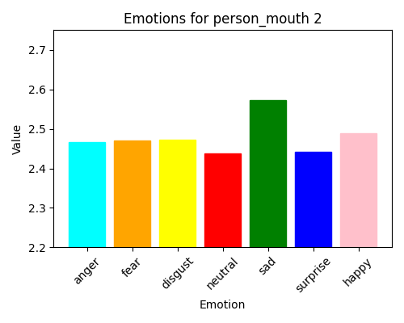
PERSON 2

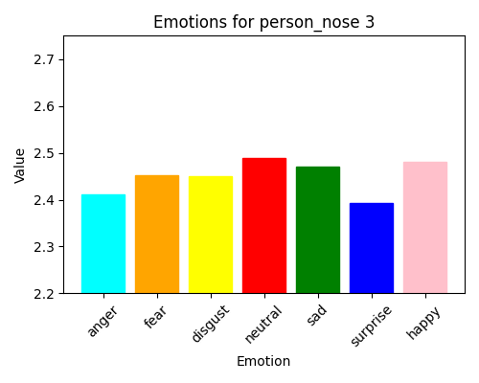
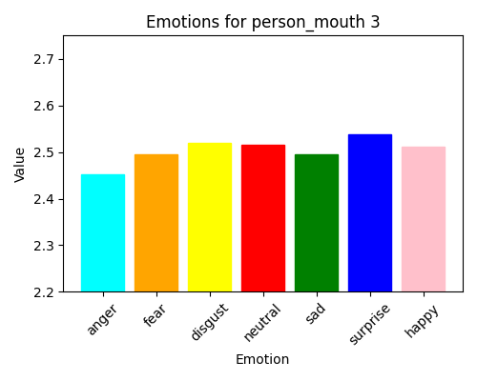
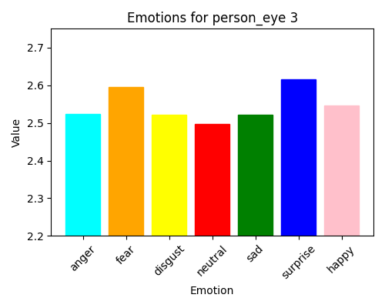

PERSON 3

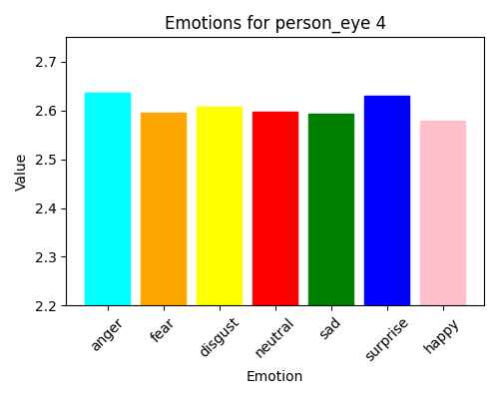
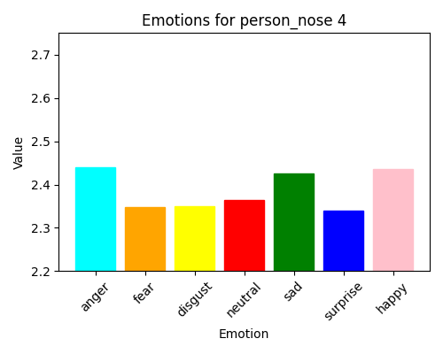
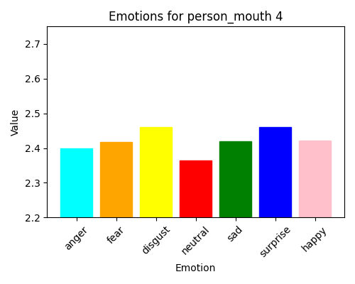
PERSON 4

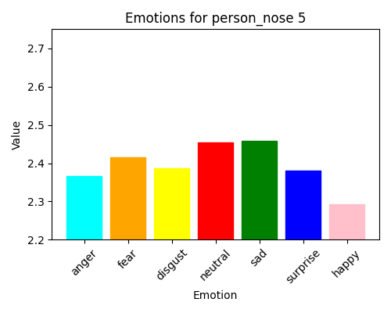
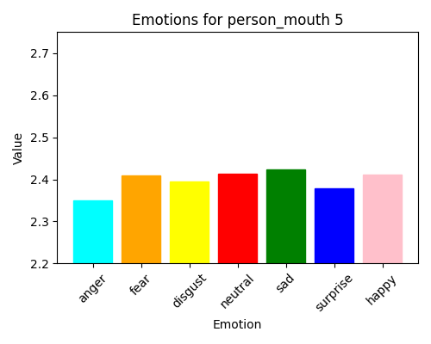
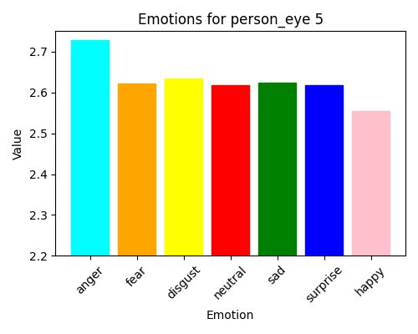
PERSON 5

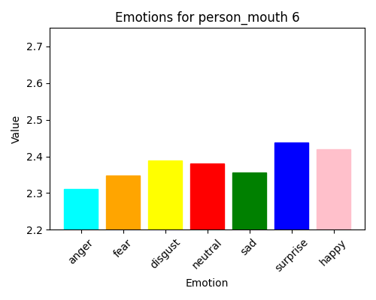
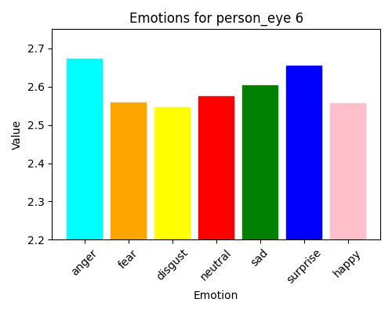
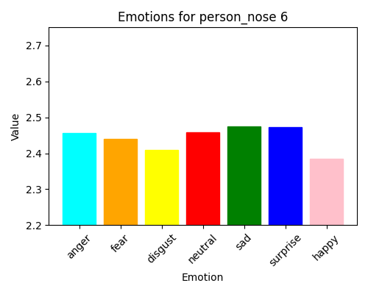
PERSON 6

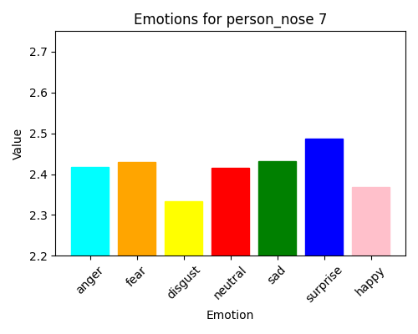
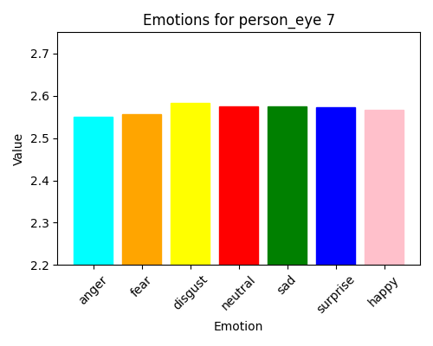
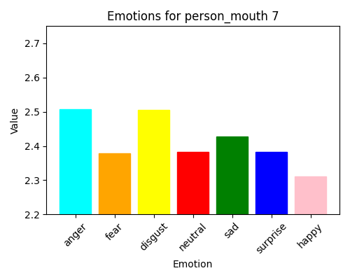

PERSON 7

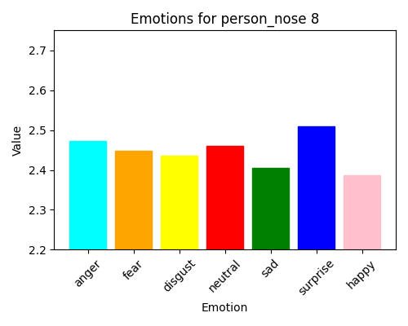
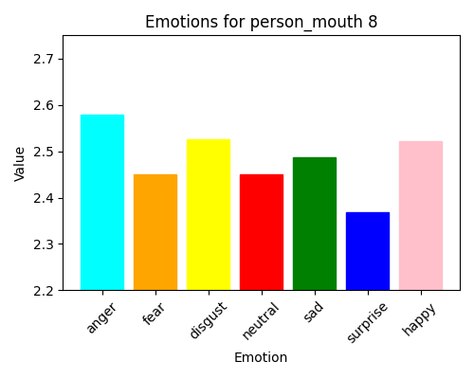
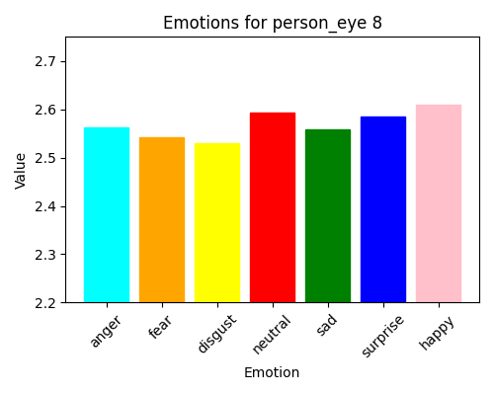
PERSON 8

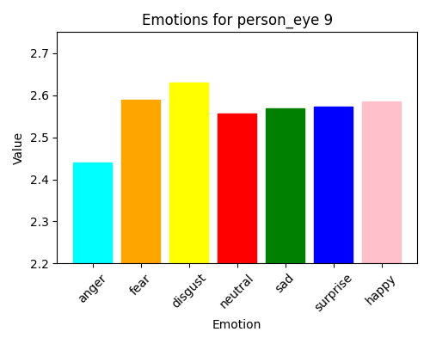
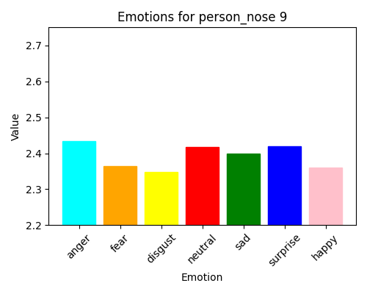
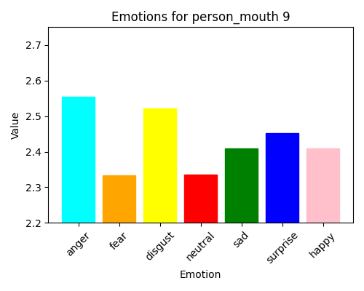
PERSON 9

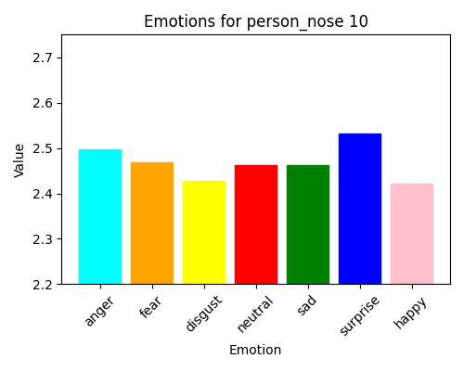
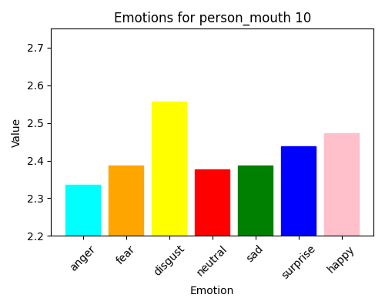
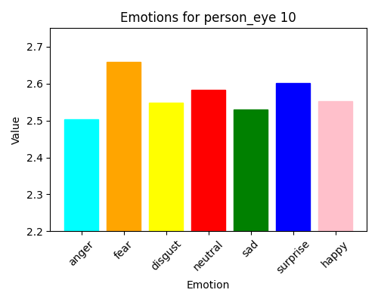

PERSON 10





PERSON 11





PERSON 12




PERSON 13





PERSON 14




PERSON 15





PERSON 16





PERSON 17




PERSON 18




PERSON 19

