11
ID | Node values |  |  |  |  |  |  |  |  | Compound information
1 | {a} | C_20190510RedoxRef4Cond_H2SO4 | {b} | C_20190510RedoxRef4Cond_H2O | {c} | 1 | {d} | 0.39 |  | note | Compound ID | SMILES
2 |  |  |  |  |  |  |  |  |  | H2SO4 | C_20190510RedoxRef4Cond_H2SO4 | O=S(O)(O)=O
3 |  |  |  |  |  |  |  |  |  | NaOH | C_20190510RedoxRef4Cond_NaOH | [OH-].[Na+]
4 |  | Visit original datasource for further information! |  |  |  |  |  |  |  | KOH | C_20190510RedoxRef4Cond_KOH | [OH-].[K+]
5 |  |  |  |  |  |  |  |  |  | NaCl | C_20190510RedoxRef4Cond_NaCl | [Cl-].[K+]
6 |  |  |  |  |  |  |  |  |  | TEABF4 | C_20190510RedoxRef4Cond_TEABF4 | CC[N+](CC)(CC)CC.F[B-](F)(F)F
7 |  |  |  |  |  |  |  |  |  | TEATFSI | C_20190510RedoxRef4Cond_TEATFSI | CC[N+](CC)(CC)CC.O=S([N-]S(=O)(C(F)(F)F)=O)(C(F)(F)F)=O
8 |  |  |  |  |  |  |  |  |  | LiBF4 | C_20190510RedoxRef4Cond_LiBF4 | F[B-](F)(F)F
9 |  |  |  |  |  |  |  |  |  | LiClO4 | C_20190510RedoxRef4Cond_LiClO4 | O=Cl(=O)([O-])=O.[Li+]
10 |  |  |  |  |  |  |  |  |  | LiPF6 | C_20190510RedoxRef4Cond_LiPF6 | F[P-](F)(F)(F)(F)F
11 |  |  |  |  |  |  |  |  |  | LiTFSI | C_20190510RedoxRef4Cond_LiTFSI | O=S([N-]S(=O)(C(F)(F)F)=O)(C(F)(F)F)=O
12 |  |  |  |  |  |  |  |  |  | H2O | C_20190510RedoxRef4Cond_H2O | O
13 |  |  |  |  |  |  |  |  |  | ACN | C_20190510RedoxRef4Cond_ACN | CC#N
14 |  |  |  |  |  |  |  |  |  | DMSO | C_20190510RedoxRef4Cond_DMSO | C[S](C)=O
15 |  |  |  |  |  |  |  |  |  | PC | C_20190510RedoxRef4Cond_PC | CC1COC(=O)O1
16 |  |  |  |  |  |  |  |  |  | DME | C_20190510RedoxRef4Cond_DME | COC
17 |  |  |  |  |  |  |  |  |  | THF | C_20190510RedoxRef4Cond_THF | C1CCOC1
18
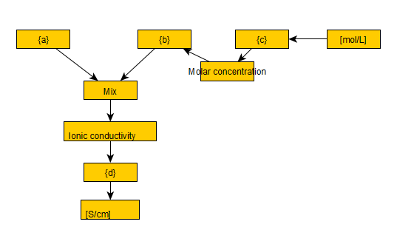

 |  |  |  |  |  |  |  |  | This database is recorded with the graph structure as shown left.
 |  |  |  |  |  |  |  |  | Nodes {a}, {b}, {c}, {d} in the left graph will be relpaced with the contents listed above.

12
ID | graph | See below for detailed explanation |  |  |  |  |  |  |  |  |  |  |  | Compound information
1 | P1 | {a} | C_OrganicElectrochemistry_AcOH | {b} | C_OrganicElectrochemistry_AcONa | {c} | -1 | {d} | 2 | {e} | -0.756 | {f} | 2.244 | Note | Compoun ID | SMILES
2 |  |  |  |  |  |  |  |  |  |  |  |  |  | AcOH | C_OrganicElectrochemistry_AcOH | CC(O)=O
3 |  |  |  |  |  |  |  |  |  |  |  |  |  | Acetone | C_OrganicElectrochemistry_Acetone | CC(C)=O
4 |  | Visit original datasource for further information! |  |  |  |  |  |  |  |  |  |  |  | MeCN | C_OrganicElectrochemistry_MeCN | CC#N
5 |  |  |  |  |  |  |  |  |  |  |  |  |  | DMF | C_OrganicElectrochemistry_DMF | CN(C)C=O
6 |  |  |  |  |  |  |  |  |  |  |  |  |  | DMSO | C_OrganicElectrochemistry_DMSO | C[S](C)=O
7 |  |  |  |  |  |  |  |  |  |  |  |  |  | MeOH | C_OrganicElectrochemistry_MeOH | CO
8 |  |  |  |  |  |  |  |  |  |  |  |  |  | CH2Cl2 | C_OrganicElectrochemistry_CH2Cl2 | ClCCl
9 |  |  |  |  |  |  |  |  |  |  |  |  |  | THF | C_OrganicElectrochemistry_THF | C1CCOC1
10 |  |  |  |  |  |  |  |  |  |  |  |  |  | Sulfolane | C_OrganicElectrochemistry_Sulfolane | O=[S]1(=O)CCCC1
11 |  |  |  |  |  |  |  |  |  |  |  |  |  | MeNO2 | C_OrganicElectrochemistry_MeNO2 | C[N+]([O-])=O
12 |  |  |  |  |  |  |  |  |  |  |  |  |  | Propylene carbonate | C_OrganicElectrochemistry_Propylene carbonate | CC1COC(=O)O1
13 |  |  |  |  |  |  |  |  |  |  |  |  |  | Benzene | C_OrganicElectrochemistry_Benzene | c1ccccc1
14 |  |  |  |  |  |  |  |  |  |  |  |  |  | Toluene | C_OrganicElectrochemistry_Toluene | Cc1ccccc1
15 |  |  |  |  |  |  |  |  |  |  |  |  |  | Anisole | C_OrganicElectrochemistry_Anisole | COc1ccccc1
16 |  |  |  |  |  |  |  |  |  |  |  |  |  | Biphenyl | C_OrganicElectrochemistry_Biphenyl | c1ccc(cc1)c2ccccc2
17 |  |  |  |  |  |  |  |  |  |  |  |  |  | Fluorene | C_OrganicElectrochemistry_Fluorene | C1c2ccccc2c3ccccc13
18 |  |  |  |  |  |  |  |  |  |  |  |  |  | Naphthalene | C_OrganicElectrochemistry_Naphthalene | c1ccc2ccccc2c1
19 |  |  |  |  |  |  |  |  |  |  |  |  |  | Pyridine | C_OrganicElectrochemistry_Pyridine | c1ccncc1
20 |  |  |  |  |  |  |  |  |  |  |  |  |  | Thiophene | C_OrganicElectrochemistry_Thiophene | s1cccc1
21 |  |  |  |  |  |  |  |  |  |  |  |  |  | Pyrrole | C_OrganicElectrochemistry_Pyrrole | [nH]1cccc1
22 |  |  |  |  |  |  |  |  |  |  |  |  |  | Ethylene | C_OrganicElectrochemistry_Ethylene | C=C
23 |  |  |  |  |  |  |  |  |  |  |  |  |  | Cyclohexene | C_OrganicElectrochemistry_Cyclohexene | C1CCC=CC1
24 |  |  |  |  |  |  |  |  |  |  |  |  |  | Styrene | C_OrganicElectrochemistry_Styrene | C=Cc1ccccc1
25 |  |  |  |  |  |  |  |  |  |  |  |  |  | Acetamide | C_OrganicElectrochemistry_Acetamide | CC(N)=O
26 |  |  |  |  |  |  |  |  |  |  |  |  |  | Aniline | C_OrganicElectrochemistry_Aniline | Nc1ccccc1
27 |  |  |  |  |  |  |  |  |  |  |  |  |  | N-Methylaniline | C_OrganicElectrochemistry_N-Methylaniline | CNc1ccccc1
28 |  |  |  |  |  |  |  |  |  |  |  |  |  | Nitrobenzene | C_OrganicElectrochemistry_Nitrobenzene | [O-][N+](=O)c1ccccc1
29 |  |  |  |  |  |  |  |  |  |  |  |  |  | Thiophenol | C_OrganicElectrochemistry_Thiophenol | Sc1ccccc1
30 |  |  |  |  |  |  |  |  |  |  |  |  |  | Dimethyl sulfide | C_OrganicElectrochemistry_Dimethyl sulfide | CSC
31 |  |  |  |  |  |  |  |  |  |  |  |  |  | Diphenyl disulfide | C_OrganicElectrochemistry_Diphenyl disulfide | S(Sc1ccccc1)c2ccccc2
32 |  |  |  |  |  |  |  |  |  |  |  |  |  | Methanol | C_OrganicElectrochemistry_Methanol | CO
33 |  |  |  |  |  |  |  |  |  |  |  |  |  | Ethanol | C_OrganicElectrochemistry_Ethanol | CCO
34 |  |  |  |  |  |  |  |  |  |  |  |  |  | Isopropyl alcohol | C_OrganicElectrochemistry_Isopropyl alcohol | CC(C)O
35 |  |  |  |  |  |  |  |  |  |  |  |  |  | t-Butyl alcohol | C_OrganicElectrochemistry_t-Butyl alcohol | CC(C)(O)C
36 |  |  |  |  |  |  |  |  |  |  |  |  |  | Ally alcohol | C_OrganicElectrochemistry_Ally alcohol | OCC=C
37 |  |  |  |  |  |  |  |  |  |  |  |  |  | Phenol | C_OrganicElectrochemistry_Phenol | Oc1ccccc1
38 |  |  |  |  |  |  |  |  |  |  |  |  |  | Chloromethane | C_OrganicElectrochemistry_Chloromethane | CCl
39 |  |  |  |  |  |  |  |  |  |  |  |  |  | t-Butyl chloride | C_OrganicElectrochemistry_t-Butyl chloride | CC(C)(C)Cl
40 |  |  |  |  |  |  |  |  |  |  |  |  |  | t-Butyl bromide | C_OrganicElectrochemistry_t-Butyl bromide | CC(C)(C)Br
41 |  |  |  |  |  |  |  |  |  |  |  |  |  | t-Butyl iodide | C_OrganicElectrochemistry_t-Butyl iodide | CC(C)(C)I
42 |  |  |  |  |  |  |  |  |  |  |  |  |  | Acetophenone | C_OrganicElectrochemistry_Acetophenone | CC(=O)c1ccccc1
43 |  |  |  |  |  |  |  |  |  |  |  |  |  | Formaldehyde | C_OrganicElectrochemistry_Formaldehyde | C=O
44 |  |  |  |  |  |  |  |  |  |  |  |  |  | Acetaldehyde | C_OrganicElectrochemistry_Acetaldehyde | CC=O
45 |  |  |  |  |  |  |  |  |  |  |  |  |  | Benzaldehyde | C_OrganicElectrochemistry_Benzaldehyde | O=Cc1ccccc1
46 |  |  |  |  |  |  |  |  |  |  |  |  |  | 1,4-Benzoquinone | C_OrganicElectrochemistry_1,4-Benzoquinone | O=C1C=CC(=O)C=C1
47 |  |  |  |  |  |  |  |  |  |  |  |  |  | 1,4-Naphtoquinone | C_OrganicElectrochemistry_1,4-Naphtoquinone | O=C1C=CC(C2=CC=CC=C21)=O
48 |  |  |  |  |  |  |  |  |  |  |  |  |  | 9,10-Anthraquinone | C_OrganicElectrochemistry_9,10-Anthraquinone | O=C1c2ccccc2C(=O)c3ccccc13
49 |  |  |  |  |  |  |  |  |  |  |  |  |  | trans-Stilbene | C_OrganicElectrochemistry_trans-Stilbene | c1ccc(cc1)\C=C\c2ccccc2
50 |  |  |  |  |  |  |  |  |  |  |  |  |  | cis-Stilbene | C_OrganicElectrochemistry_cis-Stilbene | c1ccc(cc1)\C=C/c2ccccc2
51 |  |  |  |  |  |  |  |  |  |  |  |  |  | Anthracene | C_OrganicElectrochemistry_Anthracene | c1ccc2cc3ccccc3cc2c1
52 |  |  |  |  |  |  |  |  |  |  |  |  |  | Pyrene | C_OrganicElectrochemistry_Pyrene | c1cc2ccc3cccc4ccc(c1)c2c34
53 |  |  |  |  |  |  |  |  |  |  |  |  |  | Furfural | C_OrganicElectrochemistry_Furfural | O=Cc1occc1
54 |  |  |  |  |  |  |  |  |  |  |  |  |  | 2,6-Dimethylpyridine | C_OrganicElectrochemistry_2,6-Dimethylpyridine | Cc1cccc(C)n1
55 |  |  |  |  |  |  |  |  |  |  |  |  |  | Nicotinamide | C_OrganicElectrochemistry_Nicotinamide | NC(=O)c1cccnc1
56 |  |  |  |  |  |  |  |  |  |  |  |  |  | Nitromethane | C_OrganicElectrochemistry_Nitromethane | C[N+]([O-])=O
57 |  |  |  |  |  |  |  |  |  |  |  |  |  | Methyl phenyl sulfone | C_OrganicElectrochemistry_Methyl phenyl sulfone | C[S](=O)(=O)c1ccccc1
58 |  |  |  |  |  |  |  |  |  |  |  |  |  | Benzenesulfonic acid | C_OrganicElectrochemistry_Benzenesulfonic acid | O[S](=O)(=O)c1ccccc1
59 |  |  |  |  |  |  |  |  |  |  |  |  |  | AcONa | C_OrganicElectrochemistry_AcONa | CC([O-])=O.[Na+]
60 |  |  |  |  |  |  |  |  |  |  |  |  |  | n-Bu4NClO4 | C_OrganicElectrochemistry_n-Bu4NClO4 | CCCC[N+](CCCC)(CCCC)CCCC.O=Cl(=O)([O-])=O
61 |  |  |  |  |  |  |  |  |  |  |  |  |  | LiClO4 | C_OrganicElectrochemistry_LiClO4 | O=Cl(=O)([O-])=O.[Li+]
 |  |  |  |  |  |  |  |  |  |  |  |  |  | Et4NBF4 | C_OrganicElectrochemistry_Et4NBF4 | CC[N+](CC)(CC)CC.F[B-](F)(F)F
 |  |  |  |  |  |  |  |  |  |  |  |  |  | n-BuN4ClO4 | C_OrganicElectrochemistry_n-BuN4ClO4 | CCCC[N+](CCCC)(CCCC)CCCC.O=Cl(=O)([O-])=O
 |  |  |  |  |  |  |  |  |  |  |  |  |  | KOH | C_OrganicElectrochemistry_KOH | [OH-].[K+]
 |  |  |  |  |  |  |  |  |  |  |  |  |  | NaClO4 | C_OrganicElectrochemistry_NaClO4 | O=Cl(=O)([O-])=O.[Na+]
 | This database is recorded as graphs shown below. |  |  |  |  |  |  |  |  |  |  |  |  | Mg(ClO4)2 | C_OrganicElectrochemistry_Mg(ClO4)2 | O=Cl(=O)([O-])=O.O=Cl(=O)([O-])=O.[Mg+]
 | Nodes {*} in the following graphs will be relpaced with the contents listed above. |  |  |  |  |  |  |  |  |  |  |  |  | Et4ClO4 | C_OrganicElectrochemistry_Et4ClO4 | CC[N+](CC)(CC)CC.O=Cl(=O)([O-])=O
 |  |  |  |  |  |  |  |  |  |  |  |  |  | Pr4NClO4 | C_OrganicElectrochemistry_Pr4NClO4 | O=Cl(=O)([O-])=O.CCC[N+](CCC)(CCC)CCC
 |  |  |  |  |  |  |  |  |  |  |  |  |  | NaClO | C_OrganicElectrochemistry_NaClO | O=Cl(=O)([O-])=O.[Na+]
 | P1 |  |  |  |  |  |  |  |  |  |  |  |  | Bu4NBF4 | C_OrganicElectrochemistry_Bu4NBF4 | F[B-](F)(F)F.CCCC[N+](CCCC)(CCCC)CCCC
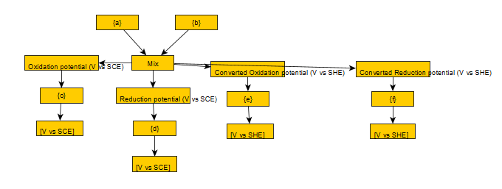
 |  |  |  |  |  |  |  |  |  |  |  |  |  | Et4NClO4 | C_OrganicElectrochemistry_Et4NClO4 | CC[N+](CC)(CC)CC.O=Cl(=O)([O-])=O
 |  |  |  |  |  |  |  |  |  |  |  |  |  | H2O | C_OrganicElectrochemistry_H2O | O
 |  |  |  |  |  |  |  |  |  |  |  |  |  | Na2SO4 | C_OrganicElectrochemistry_Na2SO4 | O=S([O-])([O-])=O.[Na+].[Na+]
 |  |  |  |  |  |  |  |  |  |  |  |  |  | HCl | C_OrganicElectrochemistry_HCl | [H]Cl
 |  |  |  |  |  |  |  |  |  |  |  |  |  | CF3CO2H | C_OrganicElectrochemistry_CF3CO2H | OC(C(F)(F)F)=O
 |  |  |  |  |  |  |  |  |  |  |  |  |  | Et4NBr | C_OrganicElectrochemistry_Et4NBr | CC[N+](CC)(CC)CC.[Br-]
 |  |  |  |  |  |  |  |  |  |  |  |  |  | LiOH | C_OrganicElectrochemistry_LiOH | [OH-].[Li+]
 |  |  |  |  |  |  |  |  |  |  |  |  |  | NH4Cl | C_OrganicElectrochemistry_NH4Cl | [NH4+].[Cl-]
 |  |  |  |  |  |  |  |  |  |  |  |  |  | EtOH | C_OrganicElectrochemistry_EtOH | CCO
 |  |  |  |  |  |  |  |  |  |  |  |  |  | Bu4NI | C_OrganicElectrochemistry_Bu4NI | CCCC[N+](CCCC)(CCCC)CCCC.[I-]
 |  |  |  |  |  |  |  |  |  |  |  |  |  | Bu4NBr | C_OrganicElectrochemistry_Bu4NBr | CCCC[N+](CCCC)(CCCC)CCCC.[Br-]
 |  |  |  |  |  |  |  |  |  |  |  |  |  | NaBPh4 | C_OrganicElectrochemistry_NaBPh4 | C1([B-](C2=CC=CC=C2)(C3=CC=CC=C3)C4=CC=CC=C4)=CC=CC=C1.[Na+]
 |  |  |  |  |  |  |  |  |  |  |  |  |  | Me4NCl | C_OrganicElectrochemistry_Me4NCl | C[N+](C)(C)C.[Cl-]
 |  |  |  |  |  |  |  |  |  |  |  |  |  | 50%acetone/H2O | C_OrganicElectrochemistry_50%acetone/H2O | CC(C)=O.O
 |  |  |  |  |  |  |  |  |  |  |  |  |  | MeCN/CH2Cl2 | C_OrganicElectrochemistry_MeCN/CH2Cl2 | CC#N.ClCCl
 | P2 |  |  |  |  |  |  |  |  | P3 |  |  |  | Dioxane | C_OrganicElectrochemistry_Dioxane | O1CCOCC1
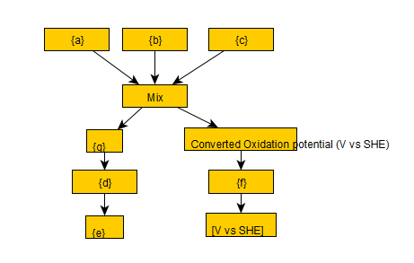
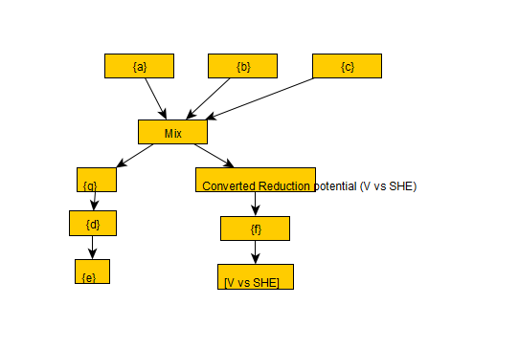
 |  |  |  |  |  |  |  |  |  |  |  |  |  | Me2NH | C_OrganicElectrochemistry_Me2NH | CNC

