Title page
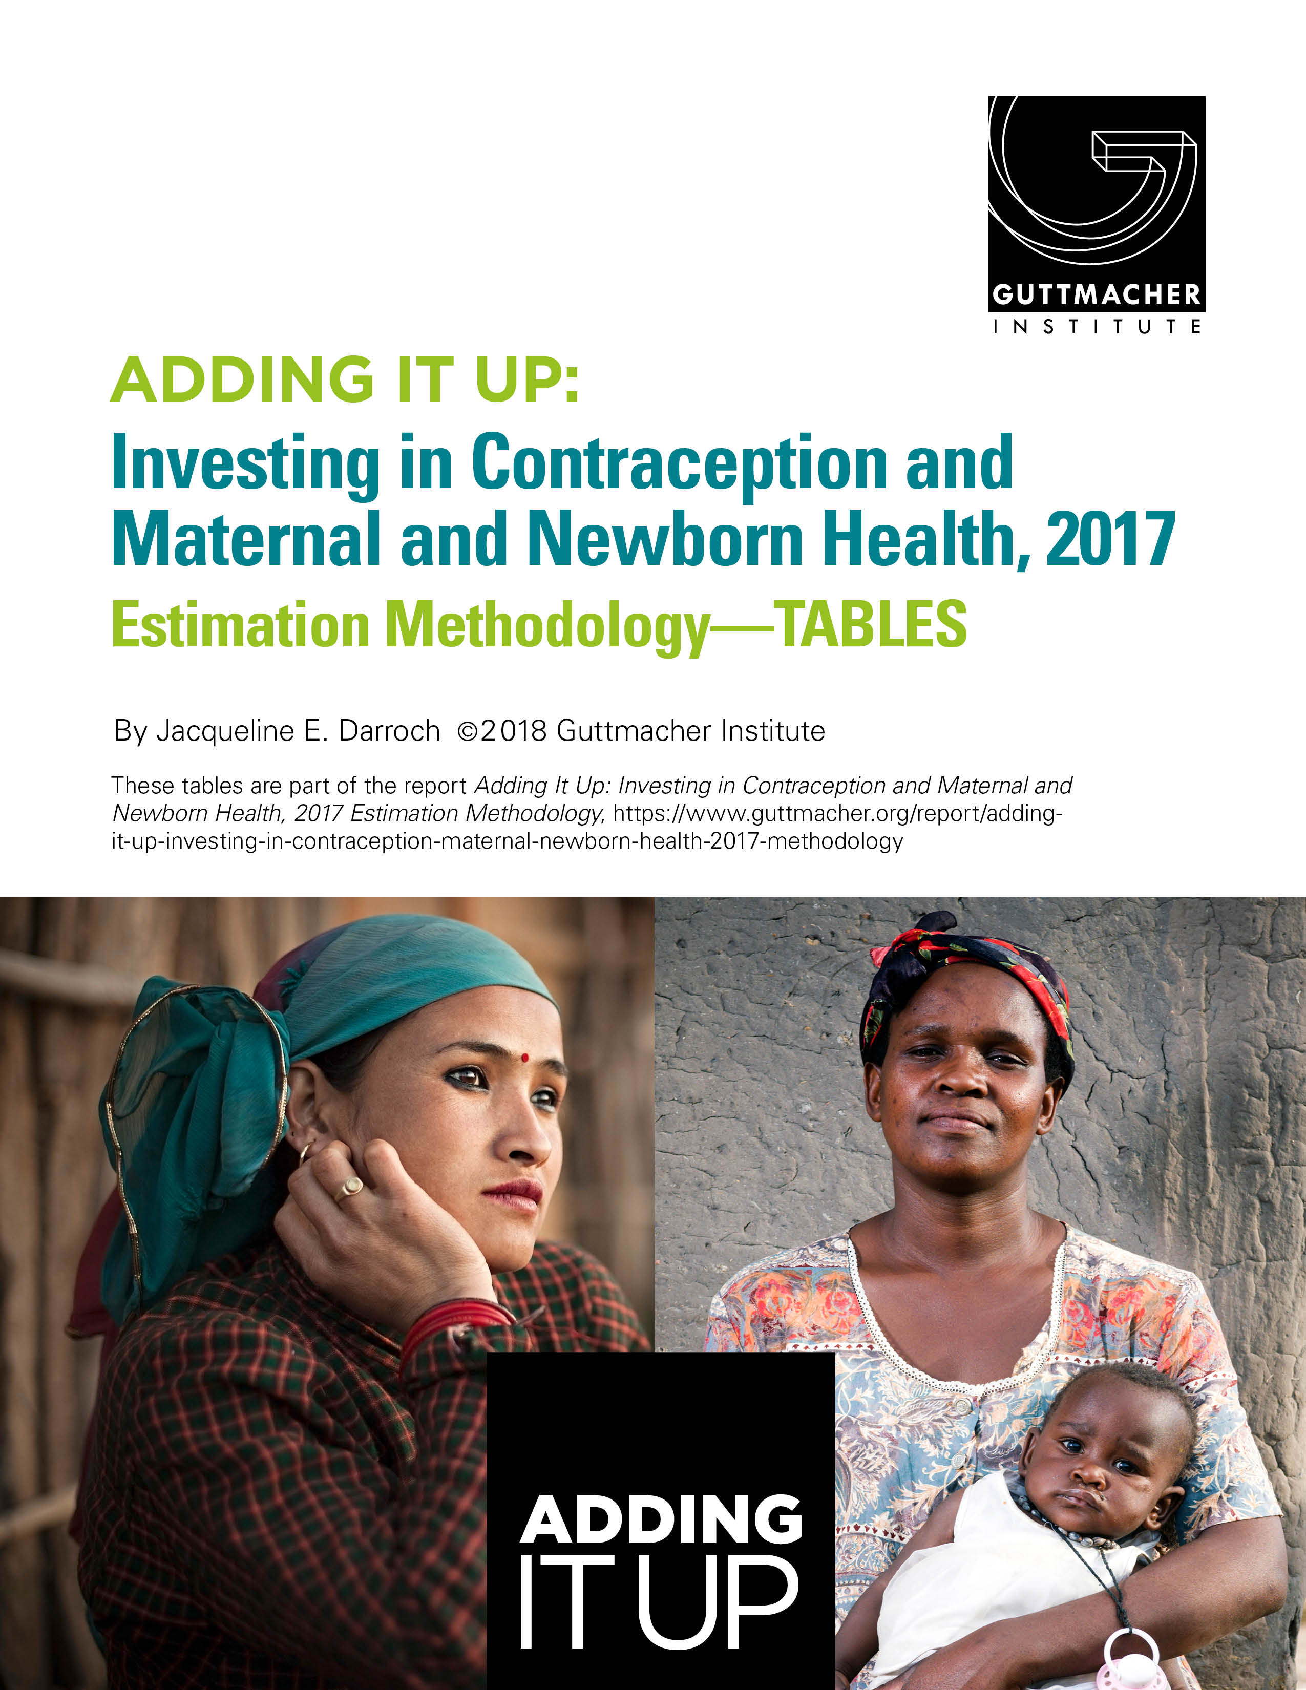

https://www.guttmacher.org/report/adding-it-up-investing-in-contraception-maternal-newborn-health-2017-methodology

