1.1 Trf - Landing Page
No | Screen | User Action | Business Logic | API Name | Microservice Ownership | Method | Endpoint | Request JSON | Success Response JSON | Failed Response JSON | Esb | Eclipse DB | Source | Note
1 | 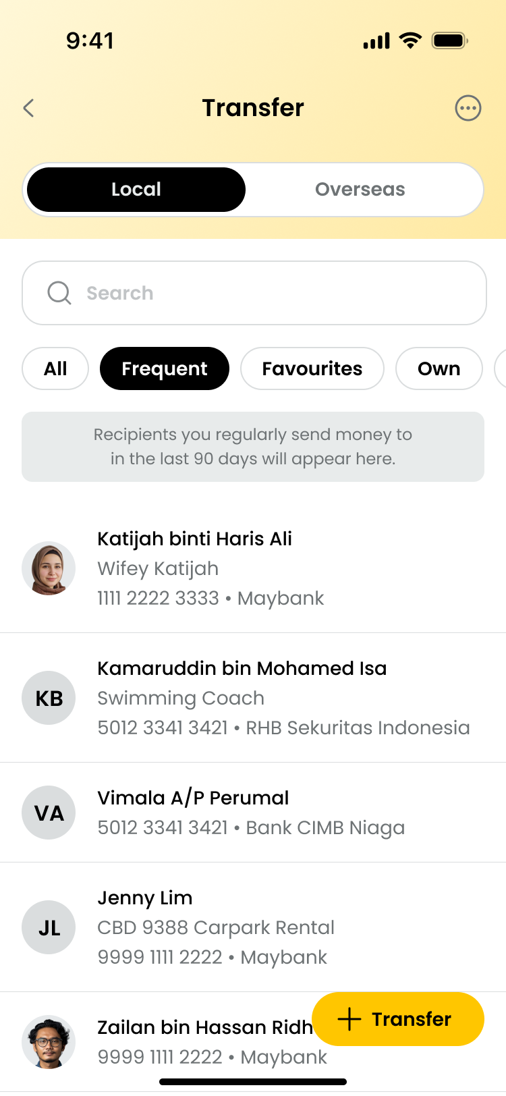 | Beneficiary Category Tabs | 1. Values: a. All b. Frequent (Default), default regardless if has record. c. Favourites d. Own e. Custom List (Max 4 Custom Lists), only display if defined. Display based on creation sequence. 2. All, Frequent, Favourties & Own tabs are fixed and cannot be edited or removed. 3. Only Custom tabs can be added, edited or removed. | getCustomGroups | erp-beneficiary | GET | /v1/external/transfer/groups/custom?scope=LOCAL |  | { "status": 200, "message": "Request processed successfully", "timestamp": "2026-01-13T12:00:00", "correlationId": "abc123-correlation-id", "meta": { "provider": "erp" }, "data": { "groups": [ { "id": "G002", "type": "CUSTOM", "name": "Family" }, { "id": "G003", "type": "CUSTOM", "name": "Friends" } ] }, "link": {} } | { "status": 500, "message": "Request processed failed", "timestamp": "2026-01-13T12:00:00", "correlationId": "abc123-correlation-id", } | N | Y | ECLIPSE DB : 1. favourite_group | BE Logic: 1. Get the custom group from ECLIPSE DB and put inside BE cache
 |  | When click Beneficiary Info - Frequent (Default) | Display criteria for Frequent list are: Upon page load, default beneficiary lists will be set at Frequent tab. a. Beneficiaries of which the transactions are successful for at least 2 times in the past 90 days (in Digital Transaction - performed via NGA & RMBP & M2U Web), for all transfer mode EXCEPT "Transfer to Own". b. Beneficiaries will be sorted in below order: - most to least transaction frequency, - if same frequency, it will be display in no particular order. c. Maximum number of beneficiaries to display is 10. d. User is able to remove a beneficiary from the list. Details of beneficiary removal will be explained in respective section. e. IF list is empty, system to display "No frequent transfers yet" with information (refer to screen). | getTransferBeneficiaries | erp-beneficiary | GET | /v1/external/transfer?scope=LOCAL&groupType=FREQUENT&page=0&limit=10 |  | { "status": 200, "message": "Request processed successfully", "timestamp": "2026-01-13T12:00:00", "correlationId": "abc123-correlation-id", "meta": { "provider": "erp", "page": 0, "limit": 10, "total": 55, "nextPage": "1" }, "data": { "beneficiaries": [ { "accountId": "4700025122", "accountHolderName": "MUHAMMAD ALI MUTHU", "nickname": "ali account", "bicCode": "PBBEMYKL", "bankName": "PUBLIC BANK", "profileImage": "3dieieo383992020202", "transactionType": "TRANSFER/PAYMENT", "transactionSubtype": "INTERBANK", "transactionMetadata": { "serviceFees": 11, "firstTimeTac": "1", "idNumber": null, "idType": null, "mobileNumber": "", "idFlag": "", "acquirerId": "564162", "currency": "", "balance": 0, "paymentCode": "01" } }, { "accountId": "5500025133", "accountHolderName": "MUHAMMAD AHMAD ", "nickname": "ahmad account", "bicCode": "PBBEMYKL", "bankName": "PUBLIC BANK", "profileImage": "3dieieo383992020202", "transactionType": "TRANSFER/PAYMENT", "transactionSubtype": "INTERBANK", "transactionMetadata": { "serviceFees": 11, "firstTimeTac": "1", "idNumber": null, "idType": null, "mobileNumber": "", "idFlag": "", "acquirerId": "564162", "currency": "", "balance": 0, "paymentCode": "01" } } ] }, "link": {} } | { "status": 500, "message": "Request processed failed", "timestamp": "2026-01-13T12:00:00", "correlationId": "abc123-correlation-id", } | N | Y | ECLIPSE DB: 1. recent_transfer 2. account_nickname | BE Logic: 1. Get the beneficiaries from DB, sorted it put full list inside BE cache.
 |  | When click Beneficiary Info - All | "Display criteria for ALL list are: a. Beneficiaries consist combination of: - Successful transactions within the past 90 days via RMBP & M2U Web (applicable for user migrated to NGA). Past 90 days is from the day user onboard to NGA. - All successful transaction in NGA to date. - Virtual Accounts (display for recurring VA only, check isClosedPayment flag to identify if is one off VA or recurring). - EXCLUDE ""Transfer to Own"". b. Beneficiaries will be sorted in ascending order (A-Z, 0-9) in the below order: (i) Beneficiary name (if has nickname value, then these will be further sorted at the top with nickname in ascending order) (ii) Entity name (iii) Account number c. Lazy load is available. d. User will be able to remove a beneficiary from ALL list. Details of beneficiary removal will be explained in respective section. e. IF list is empty, system to display ""No transfers yet"" with information (refer to screen Dashboard - Empty State)." | getTransferBeneficiaries | erp-beneficiary | GET | /v1/external/transfer?scope=LOCAL&groupType=ALL&page=0&limit=10 |  | { "status": 200, "message": "Request processed successfully", "timestamp": "2026-01-13T12:00:00", "correlationId": "abc123-correlation-id", "meta": { "provider": "erp", "page": 0, "limit": 10, "total": 55, "nextPage": "1" }, "data": { "beneficiaries": [ { "accountId": "4700025122", "accountHolderName": "MUHAMMAD ALI MUTHU", "nickname": "ali account", "bicCode": "PBBEMYKL", "bankName": "PUBLIC BANK", "profileImage": "3dieieo383992020202", "groups": [ { "id": "G001", "type": "FAVORITES", "name": "Favorites" }, { "id": "G002", "type": "CUSTOM", "name": "Family" }, { "id": "G003", "type": "CUSTOM", "name": "Friends" } ], "transactionType": "TRANSFER/PAYMENT", "transactionSubtype": "INTERBANK", "transactionMetadata": { "serviceFees": 11, "firstTimeTac": "1", "idNumber": null, "idType": null, "mobileNumber": "", "idFlag": "", "acquirerId": "564162", "currency": "", "balance": 0, "paymentCode": "01" } }, { "accountId": "5500025133", "accountHolderName": "MUHAMMAD AHMAD ", "nickname": "ahmad account", "bicCode": "PBBEMYKL", "bankName": "PUBLIC BANK", "profileImage": "3dieieo383992020202", "groups": [ { "id": "G001", "type": "FAVORITES", "name": "Favorites" }, { "id": "G003", "type": "CUSTOM", "name": "Friends" } ], "transactionType": "TRANSFER/PAYMENT", "transactionSubtype": "INTERBANK", "tran | { "status": 500, "message": "Request processed failed", "timestamp": "2026-01-13T12:00:00", "correlationId": "abc123-correlation-id", } | N | Y | ECLIPSE DB: 1. recent_transfer 2. favourite_group 3. favourite_account 4. favourite_group_account 5. account_nickname | BE Logic: 1. Get the beneficiaries from DB, sorted it put full list inside BE cache.
 |  | When click Beneficiary Info - Favorites | Display criteria for Favourites are: a. Beneficiaries of which are saved by user. b. Beneficiaries will be sorted in ascending order (A-Z, 0-9) in the below order: (i) Beneficiary name (if has nickname value, then these will be further sorted at the top with nickname in ascending order) (ii) Entity name (iii) Account number c. There is no maximum limit in favourite beneficiaries. d. Lazy load is available. e. User will be able to remove a beneficiary from Favourite list. Details of beneficiary removal will be explained in respective section. f. IF list is empty, system to display "No recipients yet" with information (refer to screen Dashboard - Empty State). Info: Current M2U/RMBP has no max limit for favourites. | getTransferBeneficiaries | erp-beneficiary | GET | /v1/external/transfer?scope=LOCAL&groupType=FAVORITES&page=0&limit=10 |  | { "status": 200, "message": "Request processed successfully", "timestamp": "2026-01-13T12:00:00", "correlationId": "abc123-correlation-id", "meta": { "provider": "erp", "page": 0, "limit": 10, "total": 55, "nextPage": "1" }, "data": { "beneficiaries": [ { "accountId": "4700025122", "accountHolderName": "MUHAMMAD ALI MUTHU", "nickname": "ali account", "bicCode": "PBBEMYKL", "bankName": "PUBLIC BANK", "profileImage": "3dieieo383992020202", "transactionType": "TRANSFER/PAYMENT", "transactionSubtype": "INTERBANK", "transactionMetadata": { "serviceFees": 11, "firstTimeTac": "1", "idNumber": null, "idType": null, "mobileNumber": "", "idFlag": "", "acquirerId": "564162", "currency": "", "balance": 0, "paymentCode": "01" } }, { "accountId": "5500025133", "accountHolderName": "MUHAMMAD AHMAD ", "nickname": "ahmad account", "bicCode": "PBBEMYKL", "bankName": "PUBLIC BANK", "profileImage": "3dieieo383992020202", "transactionType": "TRANSFER/PAYMENT", "transactionSubtype": "INTERBANK", "transactionMetadata": { "serviceFees": 11, "firstTimeTac": "1", "idNumber": null, "idType": null, "mobileNumber": "", "idFlag": "", "acquirerId": "564162", "currency": "", "balance": 0, "paymentCode": "01" } } ] }, "link": {} } | { "status": 500, "message": "Request processed failed", "timestamp": "2026-01-13T12:00:00", "correlationId": "abc123-correlation-id", } | N | Y | ECLIPSE DB: 1. favourite_group 2. favourite_account 3. favourite_group_account 4. account_nickname | BE Logic: 1. Get the beneficiaries from DB, sorted it put full list inside BE cache.
 |  | When click Beneficiary Info - Own | Display criteria for OWN are: a. Account list includes: - user's own list of Active accounts. - all currencies - accounts list covers Deposit Accounts (CASA & VA only). Product Category to be displayed will be based on NGBO config by country. b. Account list will NOT be sorted in any particular order. c. IF user has only one active account and since the primary/SoF will be the same account, user will not be able to perform transfer to own account. When user taps on the only listed account, display an toastbar message "You cannot send money to the same account your're transferring from" (Refer to screen). | getDashboard | erp-xp-dashboard | GET | /v1/external/accounts?accountGroup=CASA |  | { "status": 200, "message": "Request processed successfully", "timestamp": "2026-01-13T12:00:00", "correlationId": "abc123-correlation-id", "meta": { "provider": null }, "data": { "aggregated": { "balance": 107856305.1, "count": 3, "currency": "IDR" }, "accounts": [ { "status": "ACTIVE", "accountId": "514013314526", "cardNumber": "888812138888", "currency": "IDR", "type": "CA", "ownership": "INDIVIDUAL", "nickname": "ddev6 income account", "productType": "CONVENTIONAL", "group": "CASA", "category": "ASSET", "name": "Current Account", "balance": 98592617.15, "updateDatetime": "2026-05-06 20:25:34", "isPrimary": true, "productCode": "03" }, { "status": "ACTIVE", "accountId": "014012654593", "cardNumber": "888812138888", "currency": "MYR", "type": "CA", "ownership": "INDIVIDUAL", "productType": "CONVENTIONAL", "group": "CASA", "category": "ASSET", "name": "MAE Wallet", "balance": 868.19, "updateDatetime": "2026-05-06 20:25:33", "isPrimary": false, "productCode": "CC" }, { "status": "ACTIVE", "accountId": "900000020478", "currency": "IDR", "cardNumber": "888812138888", "type": "CA", "ownership": "INDIVIDUAL", "nickname": "", "productType": "ISLAMIC", "group": "CASA", "category": "ASSET", "name": "Maybank Tabungan Global Access", "balance": 3381557, "updateDatetime": "2026-02-06 20:25:29", "openingDateTime": "", "productCode": "CE", "buckets": [ { "currency": "IDR", "balance": 31155532, "convertedBalance": 31155532, | { "status": 500, "message": "Request processed failed", "timestamp": "2026-01-13T12:00:00", "correlationId": "abc123-correlation-id", } | Y | Y | ESB: Sheet: ESB_API_Spec_AccountInfo_v2.8 ->AccountSummary_CASA_CC Url: /api/rg/rt/customers/accounts/summary ServiceCode: RGRTIMCSI0002 ECLIPSE DB: 1. account_nickname 2. primary_account 3. feature_code 4. product_catalog
 |  | When click Beneficiary Info - Custom | Display criteria for CUSTOM LIST are: a. Beneficiaries will be listed based on the added Favourite - Custom List. b. Beneficiaries will be sorted in ascending order (A-Z, 0-9) in the below order: (i) Beneficiary name (if has nickname value, then these will be further sorted at the top with nickname in ascending order) (ii) Entity name (iii) Account number c. There is no maximum limit in custom list. d. Lazy load is available. e. User will be able to remove a beneficiary from Custom list. Details of beneficiary removal will be explained in respective section. f. IF list is empty, system to display "No recipients yet" with information (refer to screen). | getTransferBeneficiaries | erp-beneficiary | GET | /v1/external/transfer?scope=LOCAL&groupType=CUSTOM&groupId=G002&page=0&limit=10 |  | { "status": 200, "message": "Request processed successfully", "timestamp": "2026-01-13T12:00:00", "correlationId": "abc123-correlation-id", "meta": { "provider": "erp", "page": 0, "limit": 10, "total": 55, "nextPage": "1" }, "data": { "beneficiaries": [ { "accountId": "4700025122", "accountHolderName": "MUHAMMAD ALI MUTHU", "nickname": "ali account", "bicCode": "PBBEMYKL", "bankName": "PUBLIC BANK", "profileImage": "3dieieo383992020202", "transactionType": "TRANSFER/PAYMENT", "transactionSubtype": "INTERBANK", "transactionMetadata": { "serviceFees": 11, "firstTimeTac": "1", "idNumber": null, "idType": null, "mobileNumber": "", "idFlag": "", "acquirerId": "564162", "currency": "", "balance": 0, "paymentCode": "01" } }, { "accountId": "5500025133", "accountHolderName": "MUHAMMAD AHMAD ", "nickname": "ahmad account", "bicCode": "PBBEMYKL", "bankName": "PUBLIC BANK", "profileImage": "3dieieo383992020202", "transactionType": "TRANSFER/PAYMENT", "transactionSubtype": "INTERBANK", "transactionMetadata": { "serviceFees": 11, "firstTimeTac": "1", "idNumber": null, "idType": null, "mobileNumber": "", "idFlag": "", "acquirerId": "564162", "currency": "", "balance": 0, "paymentCode": "01" } } ] }, "link": {} } | { "status": 500, "message": "Request processed failed", "timestamp": "2026-01-13T12:00:00", "correlationId": "abc123-correlation-id", } | N | Y | ECLIPSE DB: 1. favourite_group 2. favourite_account 3. favourite_group_account 4. account_nickname | BE Logic: 1. Get the beneficiaries from DB, sorted it put full list inside BE cache.
 |  | When user has entered 3 characters | Search Bar: 1. Upon tapping the Search bar textbox, system to display phone's keyboard for user to type in. 2. Wildcard search will be performed once the user has entered 3 characters. Searching of beneficiaries include fields below: a. Beneficiaries Account Name b. Beneficiaries Nickname c. Beneficiaries Account Number d. Beneficiaries Bank Name 2. Search will be performed on selected Local or Overseas tab. Searching includes all beneficiary categories (ALL, Frequent, Favourite, Own, Custom) regardless which beneficiary category tab the user is at. (search whole DB - not just what is displayed on screen). 3. For search result that matched, display list of Beneficiaries in ascending order (A-Z, 0-9) in the below order, without max records. Lazy load is available. - Beneficiary Name - Beneficiary Bank Name - Account Number 4. For search result that returns EMPTY: a. System to display "We couldn't find a match for <input data>" with information (refer to screen). b. IF contacts are synced with NGA, system to perform search on Contact's First Name & Last Name. Display Section "Contacts" and the list of contact name & phone number, with Avatar (Contact Name's Initial). c. IF contacts are not synced with NGA, or no contact is matched, system to NOT display "Contacts" section. 5. At the bottom of screen, display "Make a new transfer instead?" section, and display icon & Account Number. Tapping on Account Number will navigate to Input Account Number. | getTransferBeneficiariesSearch | erp-beneficiary | GET | /v1/external/transfer/search?scope=LOCAL&groupType=ALL&keyword=ABC&page=0&limit=10 |  | { "status": 200, "message": "Request processed successfully", "timestamp": "2026-01-13T12:00:00", "correlationId": "abc123-correlation-id", "meta": { "provider": "erp", "page": 0, "limit": 10, "total": 55, "nextPage": "1" }, "data": { "beneficiaries": [ { "accountId": "4700025122", "accountHolderName": "MUHAMMAD ALI MUTHU", "nickname": "ali account", "bicCode": "PBBEMYKL", "bankName": "PUBLIC BANK", "profileImage": "3dieieo383992020202", "groups": [ { "id": "G001", "type": "FAVORITES", "name": "Favorites" }, { "id": "G002", "type": "CUSTOM", "name": "Family" }, { "id": "G003", "type": "CUSTOM", "name": "Friends" } ], "transactionType": "TRANSFER/PAYMENT", "transactionSubtype": "INTERBANK", "transactionMetadata": { "serviceFees": 11, "firstTimeTac": "1", "idNumber": null, "idType": null, "mobileNumber": "", "idFlag": "", "acquirerId": "564162", "currency": "", "balance": 0, "paymentCode": "01" } }, { "accountId": "5500025133", "accountHolderName": "MUHAMMAD AHMAD ", "nickname": "ahmad account", "bicCode": "PBBEMYKL", "bankName": "PUBLIC BANK", "profileImage": "3dieieo383992020202", "groups": [ { "id": "G001", "type": "FAVORITES", "name": "Favorites" }, { "id": "G003", "type": "CUSTOM", "name": "Friends" } ], "transactionType": "TRANSFER/PAYMENT", "transactionSubtype": "INTERBANK", "tran | { "status": 500, "message": "Request processed failed", "timestamp": "2026-01-13T12:00:00", "correlationId": "abc123-correlation-id", } | Y | Y | ESB: Sheet: ESB_API_Spec_AccountInfo_v2.8 ->AccountSummary_CASA_CC Url: /api/rg/rt/customers/accounts/summary ServiceCode: RGRTIMCSI0002 ECLIPSE DB: 1. favourite_group 2. favourite_account 3. favorite_group_account 4. account_nickname 5. primary_account 6. feature_code 7. product_catalog

1.1.1 Trf - Input Acct No.
No | Screen | User Action | Business Logic | API Name | Microservice Ownership | Method | Endpoint | Request JSON | Success Response JSON | Failed Response JSON | Esb | Eclipse DB | Source | Note
1 | 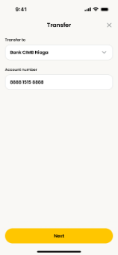 | When user click [Next] button | For Intrabank Transfer: 1. Via Beneficiary Listing, when tap on Beneficiary: a. If beneficiary selected is with Account Type = GAA, system to display "Select currency drawer". Select currency option to proceed. Else skip this step. b. Display Input Amount page. 2. Via [+Transfer], at "Input Acct No" page, when tap on [Next]: a. Perform fields validation. - If account number field is empty, display inline error message "Required field". b. Perform an inquiry to check Account Type & retrieve Beneficiary Name. - If invalid account, display inline error "Please enter a valid account number" c. If Bene Account Type = GAA, system to display "Select currency drawer", select currency option to proceed. If Bene Account Type is not GAA, skip this step. d. Display Input Amount page. | getBeneficiaryInquiry | erp-beneficiary | GET | /v1/internal/inquiry?accountId=529122393933&bicCode=MBBEMYKL&currency=IDR |  | { "status": 200, "message": "Request processed successfully", "timestamp": "2026-01-13T12:00:00", "correlationId": "abc123-correlation-id", "meta": { "provider": "erp" }, "data": { "account": { "serviceChannelCode": "BIFAST", "accountId": "187283923827", "status": "ACTIVE", "type": "CA", "name": "NORWATI IND", "shortName": "NORWATI IND", "minimunPaymentAmount": 100, "maximunPaymentAmount": 400 } }, "link": {} } | { "status": 500, "message": "Request processed failed", "timestamp": "2026-01-13T12:00:00", "correlationId": "abc123-correlation-id", } | Y | N | ESB: Sheet: ESB_API_Spec_TransferInquiry_v1.4 -> AcctInquiry Intrabank Url: /api/rg/rt/account/inquiries/withinbank ServiceCode: RGRTTDPYI0002 | BE Validation: 1. Validate bicCode 2. If bicCode = MBBEMYKL, call ESB for IBASS, VA and SYSTEMATIC
 |  |  | For Interbank Transfer: 1. Via Beneficiary Listing, when tap on Beneficiary: a. Display Input Amount page. 2. Via [+Transfer], when tap on [Next]: a. Perform fields validation. - If account number field is empty, display inline error message "Required field". b. Perform Beneficiary Account Inquiry using below payment rails in sequence, based on the Bene bank's membership: - BI-FAST - RTOL (i) In the event BI-FAST: - return "Invalid Account" or timeout, proceed to check beneficiary account using RTOL network. (ii) In the event RTOL return: - "Invalid Account", display toastbar error message: "Please enter a valid account number" - timeout, proceed to Input Amount Page. c. If Bank is not maintained within BI-FAST/RTOL (flag at NGBO), skips beneficiary account inquiry and navigate to Input Amount page. d. If beneficiary account number is valid, navigate to Input Amount page. Refer Table 1 below for scenarios & handling. | getBeneficiaryInquiry | erp-beneficiary | GET | /v1/internal/inquiry?accountId=529122393933&bicCode=MBBEMYKL&currency=IDR&serviceChannel=BIFAST |  | { "status": 200, "message": "Request processed successfully", "timestamp": "2026-01-13T12:00:00", "correlationId": "abc123-correlation-id", "meta": { "provider": "erp" }, "data": { "account": { "serviceChannelCode": "BIFAST", "accountId": "187283923827", "status": "ACTIVE", "type": "CA", "name": "NORWATI IND", "shortName": "NORWATI IND", "minimunPaymentAmount": 100, "maximunPaymentAmount": 400 } }, "link": {} } | { "status": 500, "message": "Request processed failed", "timestamp": "2026-01-13T12:00:00", "correlationId": "abc123-correlation-id", } | Y | N | ESB: Sheet: ESB_API_Spec_TransferInquiry_v1.4 -> AcctInquiry Interbank BIFAST Url: /api/rg/rt/account/inquiries/bifast ServiceCode: RGRTTDPYI0001 Interbank RTOL Url: /api/rg/rt/account/inquiries/rtol ServiceCode: RGRTTDPYI0004 | BE Validation: 1. Validate bicCode 2. If bicCode != MBBEMYKL, call ESB for BIFAST and RTOL

1.1.2 Trf - Input Amt
No | Screen | User Action | Business Logic | API Name | Microservice Ownership | Method | Endpoint | Request JSON | Success Response JSON | Failed Response JSON | Esb | Eclipse DB | Source | BE Logic
1 | 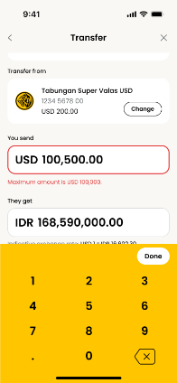 | When user click [Change] button | Transfer From (Source of Funds): 1. Retrieve & default to primary account (from Settings > Primary App Account). 2. User can tap on [Change] to change SoF. IF user changes the SoF account, it will not change/update the default SoF for the subsequent transfers. 3. Transfer From Drawer: a. Retrieve list of user's account based on "Table 1 - SoF Eligibility Check" b. Indicate Primary Account 3. IF user has only 1 SoF account, [Change] button will be hidden. Transfer to OWN account: a. User is not allowed to select SoF as the same as receiving account number. If selected SoF is the same as receiving account number, system displays toastbar error message "You cannot send money to the same account you're transferring from.". | getDashboard | erp-xp-dashboard | GET | /v1/external/accounts?accountGroup=CASA |  | { "status": 200, "message": "Request processed successfully", "timestamp": "2026-01-13T12:00:00", "correlationId": "abc123-correlation-id", "meta": { "provider": null }, "data": { "aggregated": { "balance": 107856305.1, "count": 3, "currency": "IDR" }, "accounts": [ { "status": "ACTIVE", "accountId": "514013314526", "cardNumber": "888812138888", "currency": "IDR", "type": "CA", "ownership": "INDIVIDUAL", "nickname": "ddev6 income account", "productType": "CONVENTIONAL", "group": "CASA", "category": "ASSET", "name": "Current Account", "balance": 98592617.15, "updateDatetime": "2026-05-06 20:25:34", "isPrimary": true, "productCode": "03" }, { "status": "ACTIVE", "accountId": "014012654593", "cardNumber": "888812138888", "currency": "MYR", "type": "CA", "ownership": "INDIVIDUAL", "productType": "CONVENTIONAL", "group": "CASA", "category": "ASSET", "name": "MAE Wallet", "balance": 868.19, "updateDatetime": "2026-05-06 20:25:33", "isPrimary": false, "productCode": "CC" }, { "status": "ACTIVE", "accountId": "900000020478", "currency": "IDR", "cardNumber": "888812138888", "type": "CA", "ownership": "INDIVIDUAL", "nickname": "", "productType": "ISLAMIC", "group": "CASA", "category": "ASSET", "name": "Maybank Tabungan Global Access", "balance": 3381557, "updateDatetime": "2026-02-06 20:25:29", "openingDateTime": "", "productCode": "CE", "buckets": [ { "currency": "IDR", "balance": 31155532, "convertedBalance": 31155532, | { "status": 500, "message": "Request processed failed", "timestamp": "2026-01-13T12:00:00", "correlationId": "abc123-correlation-id", } | Y | Y | ESB: ESB_API_Spec_AccountInfo_v2.8 ->AccountSummary_CASA_CC ECLIPSE DB: 1. account_nickname 2. primary_account 3. feature_code 4. product_catalog

1.1.7 Trf - Final
No | Screen | User Action | Business Logic | API Name | Microservice Ownership | Method | Endpoint | Request JSON | Success Response JSON | Failed Response JSON | Esb | Eclipse DB | Source | Note
1 |  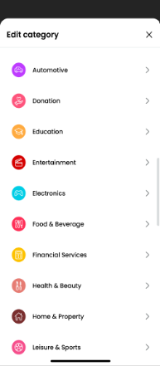 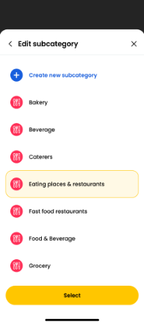 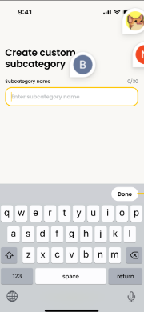 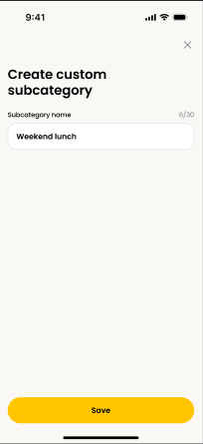 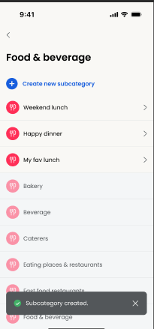 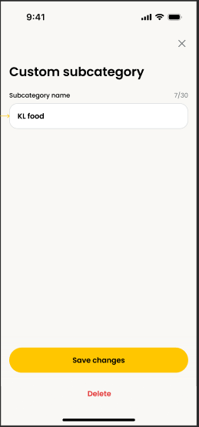 | When execute s2u api, require to call eclipse API in order to get the pre-defined subCategory |  | getSubCategoryClassification | erp-pfm | GET | /v1/external/sub-categories/classification?key=TRANSFER&subKey=INTERBANK&description=makan |  | { "status": 200, "message": "Request processed successfully", "timestamp": "2026-01-13T12:00:00", "correlationId": "abc123-correlation-id", "meta": { "provider": "erp" }, "data": { "subCategory": { "categoryId": "001", "id": "009", "name": "Abu Cafe", "colorCode": "#FFAB40", "icon": "restaurant", "isSystem": false } }, "link": {} } | { "status": 500, "message": "Request processed failed", "timestamp": "2026-01-13T12:00:00", "correlationId": "abc123-correlation-id", } | N | Y | ECLIPSE DB: 1. dim_category 2. dim_sub_category | BE Logic: 1. Get the categories & subcategories from DB, put inside BE cache.
 |  | After transaction success |  |  | erp-event-streaming |  |  | Kafka topic: ID_TRANSACTIONS_COMPLETED { "eventId": "uuid", "eventTimestamp": "sysdate", "eventType": "transfer", "eventVersion": "v1", "sourceSystem": "pnt", "payload": { "gcif": "value", "beneficiaryAccountId": "value", "beneficiaryBankCode": "value", "beneficiaryBankName": "value", "beneficiaryCif": "value", "latestTransactionDateTime": "value", "transactionReferenceId": "value", "transactionCurrencyCode": "value", "transactionAmount": "value", "localCurrencyCode": "value", "localAmount": "value", "incomeExpenses": "value", "subCategoryId": "value", "receiptTemplatId": "value", "receiptTemplateVersion": "value" } } |  | { "status": 500, "message": "Request processed failed", "timestamp": "2026-01-13T12:00:00", "correlationId": "abc123-correlation-id", } | Y | Y | ECLIPSE DB: 1. user_transaction_history 2. recent_transfer 3. receipt 4. fact_transaction | Once transaction successful, P&T require to publish kafka event. FLINK job consume and lookup for external call which is ESB (ESB_API_Spec_AccountInfo_v2.8 -> Account Listing) in order to get the creditor beneficiary cif for profileImage purpose. Once FLINK transformation done then insert to ECLIPSE DB
 |  | When user click [love] icon | Adding to favourite: 1. Tapping love icon will add beneficiary to favourite. As a result, heart shape will be filled with a full black color. Retapping on black heart will remove the added beneficiary from favourite. No maximum attempts. S2U is not required. 2. For Transfer to Beneficiary that is already a favourite, love icon is hidden. 3. For Transfer to Maybnak's one-off VA account (closedPayment flag), heart icon is hidden. | addBeneficiaries | erp-beneficiary | POST | /v1/external/transfer | { "groups": [ { "type": "FAVOURITES", "name": "Favourites" } ], "beneficiaries": [ { "accountId": "4700025122", "accountHolderName": "MUHAMMAD ALI MUTHU", "nickname": "ali nickname", "bicCode": "PBBEMYKL", "bankName": "PUBLIC BANK", "transactionType": "TRANSFER/PAYMENT", "transactionSubtype": "INTERBANK", "transactionMetadata": { "serviceFees": 11, "firstTimeTac": "1", "idNumber": null, "idType": null, "mobileNumber": "", "idFlag": "", "swiftCode": "PBBEMYKL", "acquirerId": "564162", "accountType": "", "accountSubType": "", "currency": "", "balance": 0, "paymentCode": "01" } } ] } | { "status": 200, "message": "add_beneficiaries_success", "timestamp": "2026-01-13T12:00:00", "correlationId": "abc123-correlation-id", "meta": { "provider": "erp" } } | { "status": 500, "message": "Request processed failed", "timestamp": "2026-01-13T12:00:00", "correlationId": "abc123-correlation-id", } | N | Y | ECLIPSE DB: 1. favourite_group 2. favourite_account 3. favourite_group_account 4. account_nickname
 |  | When user click Tagging |  | getCategories | erp-pfm | GET | /v1/external/categories |  | { "status": 200, "message": "Request processed successfully", "timestamp": "2026-01-13T12:00:00", "correlationId": "abc123-correlation-id", "meta": { "provider": "erp" }, "data": { "categories": [ { "id": 1, "name": "Automotive", "colorCode": "#BE3BFF", "icon": "car", "subCategories": [ { "id": 1, "name": "Auto maintenance", "colorCode": "#BE3BFF", "icon": "car", "isSystem": true }, { "id": 2, "name": "Car wash", "colorCode": "#BE3BFF", "icon": "car", "isSystem": true }, { "id": 3, "name": "Automotive", "colorCode": "#BE3BFF", "icon": "car", "isSystem": true } ] }, { "id": 2, "name": "Education", "colorCode": "#FFAB40", "icon": "education", "subCategories": [ { "id": 4, "name": "Education", "colorCode": "#FFAB40", "icon": "education", "isSystem": true }, { "id": 5, "name": "Education - others", "colorCode": "#FFAB40", "icon": "education", "isSystem": true }, { "id": 6, "name": "Elementary School", "colorCode": "#FFAB40", "icon": "education", "isSystem": false }, { "id": 7, "name": "College & University", "colorCode": "#FFAB40", "icon": "education", "isSystem": false } ] } ] }, "Link": {} } | { "status": 500, "message": "Request processed failed", "timestamp": "2026-01-13T12:00:00", "correlationId": "abc123-correlation-id", } | N | Y | ECLIPSE DB: 1. dim_category 2. dim_sub_category 3. dim_custom_sub_category
 |  | When user click [select] button |  |  | erp-pfm | POST | /v1/external/transactions/{transactionReferenceId} | Kafka topic: ID_TRANSACTIONS_COMPLETED { "eventId": "uuid", "eventTimestamp": "sysdate", "eventType": "pfm", "eventVersion": "v1", "sourceSystem": "eclipse", "payload": { "gcif": "value", "latestTransactionDateTime": "value", "transactionReferenceId": "value", "subCategoryId": "value" } } |  |  |  | Y | ECLIPSE DB: 1. fact_transaction
 |  | When user click Create new subcategory key in value for subcategory click [save] button |  | addSubCategory | erp-pfm | POST | /v1/external/sub-categories | { "categoryId": "FB001", "name": "Restaurant", "colorCode": "#FFAB40", "icon": "restaurant" } | { "status": 200, "message": "add_sub_category_success", "timestamp": "2026-01-13T12:00:00", "correlationId": "abc123-correlation-id", "meta": { "provider": "erp" }, "data": { "subCategory": { "categoryId": "001", "id": "009", "name": "Abu Cafe", "colorCode": "#FFAB40", "icon": "restaurant", "isSystem": false } }, "link": {} } | { "status": 500, "message": "Request processed failed", "timestamp": "2026-01-13T12:00:00", "correlationId": "abc123-correlation-id", } | N | Y | ECLIPSE DB: 1. dim_category 2. dim_custom_sub_category
 |  | When user click customer preferences subcategory key in value for subcategory click [Save changes] button |  | updateSubCategory | erp-pfm | PATCH | /v1/external/sub-categories/{subCategoryId} | { "name": "Restaurant", "colorCode": "#FFAB40", "icon": "restaurant" } | { "status": 200, "message": "update_sub_category_success", "timestamp": "2026-01-13T12:00:00", "correlationId": "abc123-correlation-id", "meta": { "provider": "erp" }, "data": { "subCategory": { "categoryId": "001", "id": "009", "name": "Abu Cafe", "colorCode": "#FFAB40", "icon": "restaurant", "isSystem": false } }, "link": {} } | { "status": 500, "message": "Request processed failed", "timestamp": "2026-01-13T12:00:00", "correlationId": "abc123-correlation-id", } | N | Y | ECLIPSE DB: 1. dim_category 2. dim_custom_sub_category
 |  | When user click customer preferences subcategory click [Delete] button |  | deleteSubCategory | erp-pfm | DELETE | /v1/external/sub-categories/{subCategoryId} |  | { "status": 200, "message": "delete_sub_category_success", "timestamp": "2026-01-13T12:00:00", "correlationId": "abc123-correlation-id", "meta": { "provider": "erp" } } | { "status": 500, "message": "Request processed failed", "timestamp": "2026-01-13T12:00:00", "correlationId": "abc123-correlation-id", } | N | Y | ECLIPSE DB: 1. dim_category 2. dim_custom_sub_category

1.2 Recipient - Create New
No | Screen | User Action | Business Logic | API Name | Microservice Ownership | Method | Endpoint | Request JSON | Success Response JSON | Failed Response JSON | Esb | Eclipse DB | Source | Note
1 | 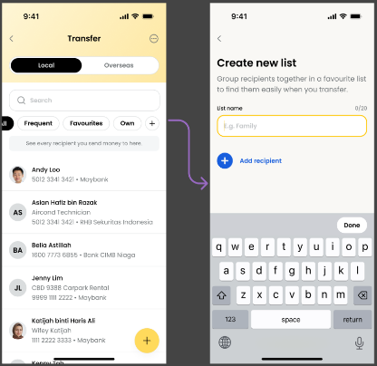 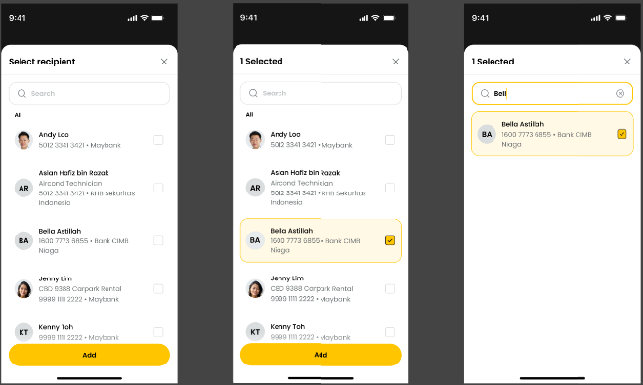 | When user click [Add recipient] | At Create New List Screen, user is required to enter the List Name. To add recipient(s), user is required to tap [(+) Add recipient] button, system to display select recipient drawer: 1. If beneficiary is already in the list, and user tap on it, display toast bar error message "This recipient is already in the list". 2. Single tap will mark and highlight the recipient with a checkbox ticked. 3. Multiple recipients selection is supported. 4. Re-tapping recipient will de-select and uncheck recipient. 5. Tap [Save] to confirm the selection. Selected recipients will be moved to Create New List Screen. Upon tapping [Add] button: 1. If no selected recipient(s), system displays toastbar message "Please select at least 1 recipient." | getTransferBeneficiaries | erp-beneficiary | GET | /v1/external/transfer?scope=LOCAL&groupType=ALL&page=0&limit=10 |  | { "status": 200, "message": "Request processed successfully", "timestamp": "2026-01-13T12:00:00", "correlationId": "abc123-correlation-id", "meta": { "provider": "erp", "page": 0, "limit": 10, "total": 55, "nextPage": "1" }, "data": { "beneficiaries": [ { "accountId": "4700025122", "accountHolderName": "MUHAMMAD ALI MUTHU", "nickname": "ali account", "bicCode": "PBBEMYKL", "bankName": "PUBLIC BANK", "profileImage": "3dieieo383992020202", "groups": [ { "id": "G001", "type": "FAVORITES", "name": "Favorites" }, { "id": "G002", "type": "CUSTOM", "name": "Family" }, { "id": "G003", "type": "CUSTOM", "name": "Friends" } ], "transactionType": "TRANSFER/PAYMENT", "transactionSubtype": "INTERBANK", "transactionMetadata": { "serviceFees": 11, "firstTimeTac": "1", "idNumber": null, "idType": null, "mobileNumber": "", "idFlag": "", "acquirerId": "564162", "currency": "", "balance": 0, "paymentCode": "01" } }, { "accountId": "5500025133", "accountHolderName": "MUHAMMAD AHMAD ", "nickname": "ahmad account", "bicCode": "PBBEMYKL", "bankName": "PUBLIC BANK", "profileImage": "3dieieo383992020202", "groups": [ { "id": "G001", "type": "FAVORITES", "name": "Favorites" }, { "id": "G003", "type": "CUSTOM", "name": "Friends" } ], "transactionType": "TRANSFER/PAYMENT", "transactionSubtype": "INTERBANK", "tran | { "status": 500, "message": "Request processed failed", "timestamp": "2026-01-13T12:00:00", "correlationId": "abc123-correlation-id", } | N | Y | ECLIPSE DB: 1. recent_transfer 2. favourite_group 3. favourite_account 4. favourite_group_account 5. account_nickname | BE Logic: 1. Get the beneficiaries from DB, sorted it put full list inside BE cache.
2 |  | When user has entered 3 characters | Search Bar: 1. Upon tapping the Search bar textbox, system to display phone's keyboard for user to type in. 2. Wildcard search will be performed once the user has entered 3 characters (key up). Searching of beneficiaries include fields below: a. Beneficiaries Account Name b. Beneficiaries Nickname c. Beneficiaries Account Number d. Beneficiaries Bank Name. | getTransferBeneficiariesSearch | erp-beneficiary | GET | /v1/external/transfer/search?scope=LOCAL&groupType=ALL&keyword=ABC&page=0&limit=10 |  | { "status": 200, "message": "Request processed successfully", "timestamp": "2026-01-13T12:00:00", "correlationId": "abc123-correlation-id", "meta": { "provider": "erp", "page": 0, "limit": 10, "total": 55, "nextPage": "1" }, "data": { "beneficiaries": [ { "accountId": "4700025122", "accountHolderName": "MUHAMMAD ALI MUTHU", "nickname": "ali account", "bicCode": "PBBEMYKL", "bankName": "PUBLIC BANK", "profileImage": "3dieieo383992020202", "groups": [ { "id": "G001", "type": "FAVORITES", "name": "Favorites" }, { "id": "G002", "type": "CUSTOM", "name": "Family" }, { "id": "G003", "type": "CUSTOM", "name": "Friends" } ], "transactionType": "TRANSFER/PAYMENT", "transactionSubtype": "INTERBANK", "transactionMetadata": { "serviceFees": 11, "firstTimeTac": "1", "idNumber": null, "idType": null, "mobileNumber": "", "idFlag": "", "acquirerId": "564162", "currency": "", "balance": 0, "paymentCode": "01" } }, { "accountId": "5500025133", "accountHolderName": "MUHAMMAD AHMAD ", "nickname": "ahmad account", "bicCode": "PBBEMYKL", "bankName": "PUBLIC BANK", "profileImage": "3dieieo383992020202", "groups": [ { "id": "G001", "type": "FAVORITES", "name": "Favorites" }, { "id": "G003", "type": "CUSTOM", "name": "Friends" } ], "transactionType": "TRANSFER/PAYMENT", "transactionSubtype": "INTERBANK", "tran | { "status": 500, "message": "Request processed failed", "timestamp": "2026-01-13T12:00:00", "correlationId": "abc123-correlation-id", } | N | Y | ECLIPSE DB: 1. recent_transfer 2. favourite_group 3. favourite_account 4. favourite_group_account 5. account_nickname
3 | 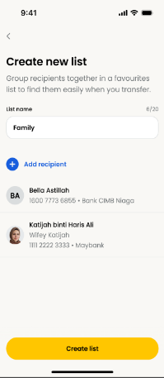 | When user click [Create list] button | Upon tapping [Create list] button, system performs: 1. Mandatory checking. If List name is empty, system displays inline error message "Required field." 2. Duplication checking, list name cannot be the same as other existing custom list AND default list (All, Frequent, Own, Favourite). System display inline error message: "Name cannot be the same as existing lists." 3. IF there is no recipient(s), system displays toastbar message "Please select at least 1 recipient." 4. There is no limit to the maximum recipient(s) in a single custom list. Upon succesful creation, system to display a toast message "List Updated" and Custom List is created & placed in the right most tab. System then navigates to the newly created custom beneficiary category tab. | addBeneficiaries | erp-beneficiary | POST | /v1/external/transfer | { "groups": [ { "type": "FAVOURITES", "name": "Favourites" } ], "beneficiaries": [ { "accountId": "4700025122", "accountHolderName": "MUHAMMAD ALI MUTHU", "nickname": "ali nickname", "bicCode": "PBBEMYKL", "bankName": "PUBLIC BANK", "transactionType": "TRANSFER/PAYMENT", "transactionSubtype": "INTERBANK", "transactionMetadata": { "serviceFees": 11, "firstTimeTac": "1", "idNumber": null, "idType": null, "mobileNumber": "", "idFlag": "", "swiftCode": "PBBEMYKL", "acquirerId": "564162", "accountType": "", "accountSubType": "", "currency": "", "balance": 0, "paymentCode": "01" } } ] } | { "status": 200, "message": "add_beneficiaries_success", "timestamp": "2026-01-13T12:00:00", "correlationId": "abc123-correlation-id", "meta": { "provider": "erp" } } | { "status": 500, "message": "Request processed failed", "timestamp": "2026-01-13T12:00:00", "correlationId": "abc123-correlation-id", } | N | Y | ECLIPSE DB: 1. favourite_group 2. favourite_account 3. favourite_group_account 4. account_nickname

1.2.1 Recipient - Add Note
No | Screen | User Action | Business Logic | API Name | Microservice Ownership | Method | Endpoint | Request JSON | Success Response JSON | Failed Response JSON | Esb | Eclipse DB | Source | Note
1 | 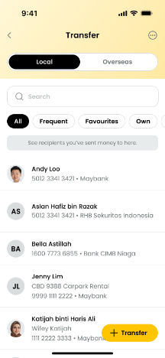 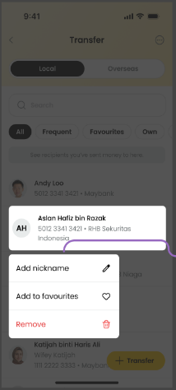 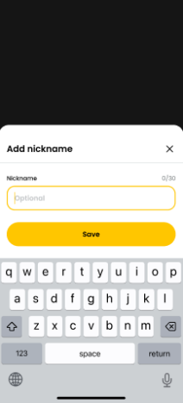 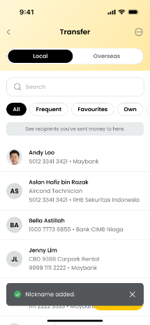 | When user click [Save] button | Upon entering nickname: 1. If user enter OR paste other than allowable characters, display inline error message "only alphabets, digits, and spaces are allowed." 2. If user sets the nickname with empty value and tap [Save] button, proceed to save with no value. 3. If user enter valid value, proceed to save and once successful, redirect user to the last active tab and display a successful toast message "Nickname added". 4. Saved nickname will be reflected across the other tabs (Frequent, Fav or Custom) i.e. 1 beneficiary will only have 1 nickname. 5. For unsuccessful creation, system to redirect user to the last active tab and display a successful toast message "Service Temporary unavailable". | addNickname | erp-beneficiary | POST | /v1/external/accounts/nickname | { "accountId": "504233415671", "nickname": "MUTHU" } | { "status": 200, "message": "add_nickname_success", "timestamp": "2026-01-13T12:00:00", "correlationId": "abc123-correlation-id", "meta": { "provider": "erp" } } | { "status": 500, "message": "Request processed failed", "timestamp": "2026-01-13T12:00:00", "correlationId": "abc123-correlation-id", } | N | Y | ECLIPSE DB: 1. account_nickname | BE Logic: 1. Validate nickname record exist in ECLIPSE DB based on accountId and gcif from token
 |  |  | 1. Long press is not applicable for OWN tab. 2. Long press at ALL, FREQUENT, FAVOURITE, or CUSTOM LIST will lead to 3 options: a. Add/Edit Nickname. - If no nickname, display Add. - if has existing nickname, display Edit. b. Add to/Edit Favourites List. - If not in any Favourites or Custom list, display Add. - if in Favourites or Custom list, display Edit. c. Remove

1.2.2 Recipient - Add to Fav
No | Screen | User Action | Business Logic | API Name | Microservice Ownership | Method | Endpoint | Request JSON | Success Response JSON | Failed Response JSON | Esb | Eclipse DB | Source | Note
1 | 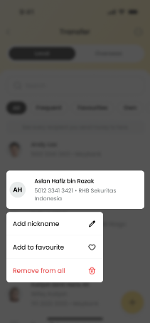 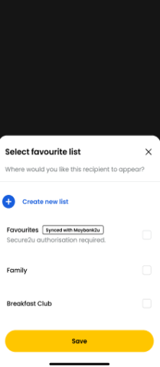 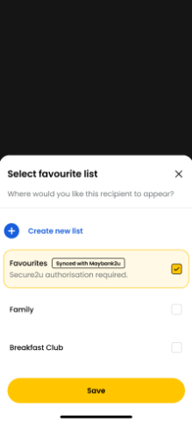  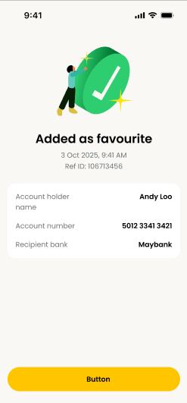 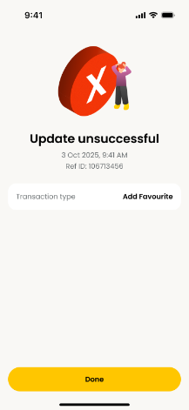 | After user key in Passcode | 1. Upon tapping [Save] button: a. If the beneficiary is added to "Favourites" list, S2U is required. b. If the beneficiary is added to Custom list only, S2U is not required. c. Combination of list selection which includes Favourites, S2U is required. d. If beneficiary is already in Favourites and is now added to Custom list, S2U is not required. e. If none of the Fav or Custom list is selected, display toastbar error message "Please select an option to proceed." 2. For adding to favourites/custom list: a. If action requires S2U, display Status End Screen as a result. b. If action does not require S2U, display toastbar message. For successful addition, system displays "List added." c. Combination of favourite and custom add to list will always result Status End screen as this requires S2U authorisation. 3. For successful attempt: - recipient will be added to the selected Fav/Custom tabs 4. For unsuccessful attempt: - If S2U required and failed to save, display Update unsuccessful screen. - If S2U is not required and failed to save, display toastbar error message "Service temporarily unavailable". Notes: - M2U/RMBP Favourite List will be synced with NGA Favourites list and displayed in NGA. | S2UBeneficiaries | erp-xp-transaction | POST | /v1/external/beneficiaries | { "group": [ { "operation": "add", "type": "FAVORITES", "name": "Favorites" } ], "beneficiaries": [ { "accountNumber": "4700025122", "accountHolderName": "", "bankCode": "PUBLIC", "bankName": "PUBLIC BANK", "transactionType": "TRANSFER", "transactionSubtype": "", "transactionMetadata": { "serviceFees": null, "firstTimeTac": null, "idNumber": null, "idType": null, "mobileNumber": "", "idFlag": "", "swiftCode": "PBBEMYKL", "acquirerId": "564162", "accountType": null, "accountSubType": null, "currency": null, "balance": null, "paymentCode": null } } ] } | { "status": "success", "extra": "", "note": "", "header": "added_as_favourite_success_header", "desc": "", "details": "{\"reference_id\":\"268614863M\",\"date_time\":\"07 May 2026, 04:05 PM\",\"account_holder_name\":\"Andy Loo\",\"account_number\":\"5042 3341 3421\",\"recipient_bank\":\"Maybank\"}", "receipt": "" } | { "status": "failed", "extra": "", "note": "", "header": "added_as_favourite_unsuccessful_header", "desc": "", "details": "{\"transaction_type\":\"Add Favourite\"}", "receipt": "" } | N | Y | ECLIPSE DB: 1. favourite_group 2. favourite_account 3. favourite_group_account 4. account_nickname

1.2.3 Recipient - Edit Fav
No | Screen | User Action | Business Logic | API Name | Microservice Ownership | Method | Endpoint | Request JSON | Success Response JSON | Failed Response JSON | Esb | Eclipse DB | Source | Note
1 | 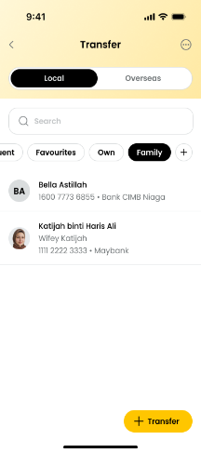 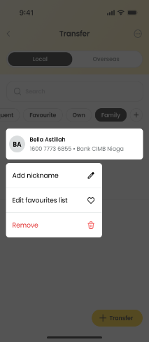 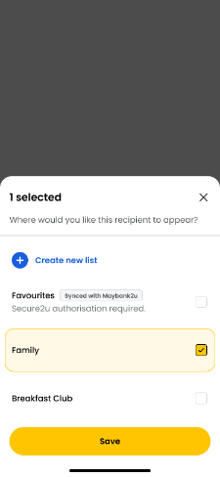 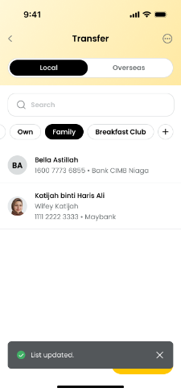 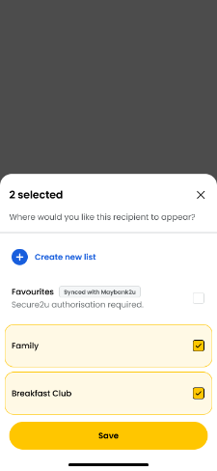 | When user click "Save" button | 1. Upon tapping [Save] button, system to check: a. If the beneficiary is either added to or removed from "favourite" list, S2U is required. b. If action does not require S2U and for successful attempt, system displays a toastbar message "List updated." c. If none of the Fav or Custom list is selected, render the [Save] button to [Remove] button, it will trigger Remove function. Refer to Recipient - Add to Fav Business Rules for status screen behaviour. | updateBeneficiaries | erp-beneficiary | PATCH | /v1/external/transfer | { "groups": [ { "operation": "add", "id": "G001", "type": "FAVORITES", "name": "Favorites" }, { "operation": "delete", "id": "G002", "type": "CUSTOM", "name": "Friends" } ], "beneficiaries": [ { "accountId": "4700025122", "accountHolderName": "MUHAMMAD ALI MUTHU", "nickname": "ali nickname", "bicCode": "PBBEMYKL", "bankName": "PUBLIC BANK", "transactionType": "TRANSFER/PAYMENT", "transactionSubtype": "INTERBANK", "transactionMetadata": { "serviceFees": 11, "firstTimeTac": "1", "idNumber": null, "idType": null, "mobileNumber": "", "idFlag": "", "acquirerId": "564162", "accountType": "", "accountSubType": "", "currency": "", "balance": 0, "paymentCode": "01" } } ] } | { "status": 200, "message": "update_beneficiaries_success", "timestamp": "2026-01-13T12:00:00", "correlationId": "abc123-correlation-id", "meta": { "provider": "erp" } } | { "status": 500, "message": "Request processed failed", "timestamp": "2026-01-13T12:00:00", "correlationId": "abc123-correlation-id", } | N | Y | ECLIPSE DB: 1. favourite_group 2. favourite_account 3. favourite_group_account 4. account_nickname | BE Logic: 1. Validate recipient already tight to Custom group

1.2.4 Recipient - Remove Fr Tab
No | Screen | User Action | Business Logic | API Name | Microservice Ownership | Method | Endpoint | Request JSON | Success Response JSON | Failed Response JSON | Esb | Eclipse DB | Source | BE Logic
1 | 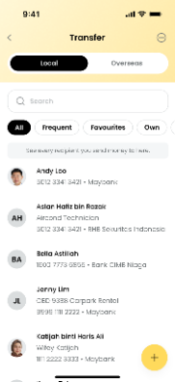 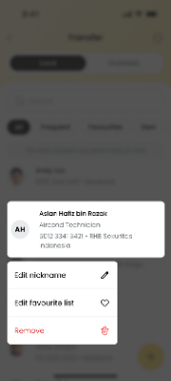 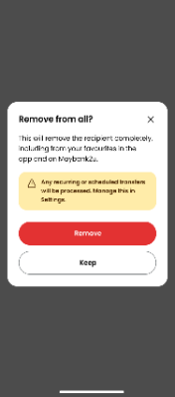 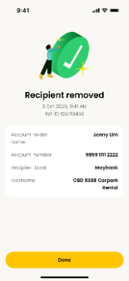 | When user click [Remove] button in All tab | Removing Beneficiary from ALL tab: a. Remove the selected beneficiary from All, Frequent, Favourite, and Custom lists where selected Bene exist. b. If removal of beneficiary that appears under Favourite, navigate to S2U authorisation screen. c. If action requires S2U, upon successful removal, navigate to Status removed screen. d. If action does not require S2U, upon successful removal, system displays "Recipient removed." Else display "Service temporarily unavailable". | deleteBeneficiaries | erp-beneficiary | DELETE | /v1/external/transfer?groupType=ALL&accountId=598322219222 |  | { "status": 200, "message": "delete_beneficiaries_success", "timestamp": "2026-01-13T12:00:00", "correlationId": "abc123-correlation-id", "meta": { "provider": "erp" } } | { "status": 500, "message": "Request processed failed", "timestamp": "2026-01-13T12:00:00", "correlationId": "abc123-correlation-id", } | N | Y | ECLIPSE DB: 1. recent_transfer 2. favourites_group 3. favourites_account 4. favourites_group_account
 |  | When user click [Remove] button in Frequent tab | Removing Beneficiary from FREQUENT tab: a. Remove the beneficiary from Frequent list only. b. For successful removal, to navigate to Transfer Landing Page under Frequent tab and display a toast message "Recipient removed." | deleteBeneficiaries | erp-beneficiary | DELETE | /v1/external/transfer?groupType=FREQUENT&accountId=598322219222 |  | { "status": 200, "message": "delete_beneficiaries_success", "timestamp": "2026-01-13T12:00:00", "correlationId": "abc123-correlation-id", "meta": { "provider": "erp" } } | { "status": 500, "message": "Request processed failed", "timestamp": "2026-01-13T12:00:00", "correlationId": "abc123-correlation-id", } | N | Y | ECLIPSE DB: 1. recent_transfer
 |  | When user click [Remove] button in Favourites tab | Removing Beneficiary from FAVOURITES tab: a. Remove the beneficiary from Favourites list only. b. S2U authorisation is required to confirm the removal from the list. c. Upon successful removal, navigate to Status removed screen. | deleteBeneficiaries | erp-beneficiary | DELETE | /v1/external/transfer?groupType=FAVOURITES&accountId=598322219222 |  | { "status": 200, "message": "delete_beneficiaries_success", "timestamp": "2026-01-13T12:00:00", "correlationId": "abc123-correlation-id", "meta": { "provider": "erp" } } | { "status": 500, "message": "Request processed failed", "timestamp": "2026-01-13T12:00:00", "correlationId": "abc123-correlation-id", } | N | Y | ECLIPSE DB: 1. favourites_group 2. favourites_account 3. favourites_group_account
 |  | When user click [Remove] button in Custom tab | Removing Beneficiary from a CUSTOM tab: a. Remove the beneficiary from the selected custom list only. b. For successful removal, to navigate to Transfer Landing Page under the selected custom tab and display a toast message "Recipient removed." | deleteBeneficiaries | erp-beneficiary | DELETE | /v1/external/transfer?groupType=CUSTOM&groupId=G001&accountId=598322219222 |  | { "status": 200, "message": "delete_beneficiaries_success", "timestamp": "2026-01-13T12:00:00", "correlationId": "abc123-correlation-id", "meta": { "provider": "erp" } } | { "status": 500, "message": "Request processed failed", "timestamp": "2026-01-13T12:00:00", "correlationId": "abc123-correlation-id", } | N | Y | ECLIPSE DB: 1. favourites_group 2. favourites_account 3. favourites_group_account
 |  | After user key in Passcode |  | S2UBeneficiaries | erp-xp-transaction | POST | /v1/external/beneficiaries | { "groups": [ { "operation": "delete", "type": "FAVOURITES", "name": "Favourites" } ], "beneficiaries": [ { "accountId": "4700025122", "accountHolderName": "MUHAMMAD ALI MUTHU", "nickname": "ali nickname", "bicCode": "PBBEMYKL", "bankName": "PUBLIC BANK", "transactionType": "TRANSFER/PAYMENT", "transactionSubtype": "INTERBANK", "transactionMetadata": { "serviceFees": 11, "firstTimeTac": "1", "idNumber": null, "idType": null, "mobileNumber": "", "idFlag": "", "swiftCode": "PBBEMYKL", "acquirerId": "564162", "accountType": "", "accountSubType": "", "currency": "", "balance": 0, "paymentCode": "01" } } ] } | { "status": "success", "extra": "", "note": "", "header": "recipient_removed_success_header", "desc": "", "details": "{\"reference_id\":\"268614863M\",\"date_time\":\"07 May 2026, 04:05 PM\",\"account_holder_name\":\"Andy Loo\",\"account_number\":\"5042 3341 3421\",\"recipient_bank\":\"Maybank\", \"nickname\":\"andy loo nickname\"}", "receipt": "" } | { "status": "failed", "extra": "", "note": "", "header": "remove_favourite_unsuccessful_header", "desc": "", "details": "{\"transaction_type\":\"Remove Favourite\"}", "receipt": "" } | N | Y | ECLIPSE DB: 1. recent_transfer 2. favourites_group 3. favourites_account 4. favourites_group_account

1.2.5 Recipient - Edit Del Note
No | Screen | User Action | Business Logic | API Name | Microservice Ownership | Method | Endpoint | Request JSON | Success Response JSON | Failed Response JSON | Esb | Eclipse DB | Source | BE Logic
 | 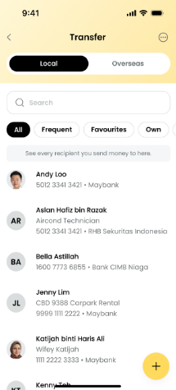 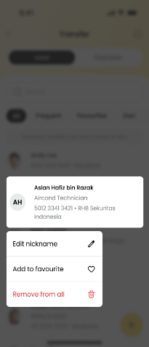 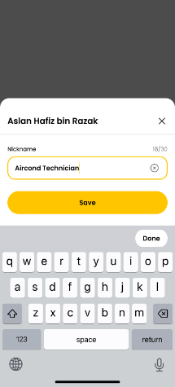 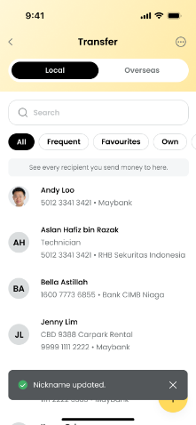 | When user click [Save] button | "Upon entering Nickname: 1. If user enter OR paste other than allowable characters, display inline error message ""only alphabets, digits, and spaces are allowed."" 2. If user cleared the nickname with empty value, [Save] button will be changed to [Remove]. 3. If user enter valid value, proceed to save and once successful, redirect user to the last active tab and display a successful toast message ""Nickname updated"". 4. If user tap on [Remove], delete the nickname and once successful, redirect user to the last active tab and display a successful toast message ""Nickname removed"". 5. Nickname update will be reflected across the other tabs (Frequent, Fav or Custom) i.e. 1 beneficiary will only have 1 nickname. 6. For unsuccessful update or removal, system to redirect user to the last active tab and display a successful toast message ""Service Temporary unavailable""." | updateNickname | erp-beneficiary | PATCH | /v1/external/accounts/nickname | { "accountId": "504233415671", "nickname": "MUTHU" } | { "status": 200, "message": "update_nickname_success", "timestamp": "2026-01-13T12:00:00", "correlationId": "abc123-correlation-id", "meta": { "provider": "erp" } } | { "status": 500, "message": "Request processed failed", "timestamp": "2026-01-13T12:00:00", "correlationId": "abc123-correlation-id", } | N | Y | ECLIPSE DB: 1. account_nickname
 | 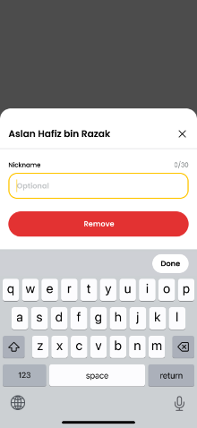 | When user click [Remove] button | Upon entering Nickname: 1. If user cleared the nickname with empty value, [Save] button will be changed to [Remove]. 2. If user tap on [Remove], delete the nickname and once successful, redirect user to the last active tab and display a successful toast message "Nickname removed". 3. Nickname update will be reflected across the other tabs (Frequent, Fav or Custom) i.e. 1 beneficiary will only have 1 nickname. 4. For unsuccessful update or removal, system to redirect user to the last active tab and display a successful toast message "Service Temporary unavailable". | deleteNickname | erp-beneficiary | DELETE | /v1/external/accounts/nickname?accountId=3939393933 |  | { "status": 200, "message": "delete_nickname_success", "timestamp": "2026-01-13T12:00:00", "correlationId": "abc123-correlation-id", "meta": { "provider": "erp" } } | { "status": 500, "message": "Request processed failed", "timestamp": "2026-01-13T12:00:00", "correlationId": "abc123-correlation-id", } | N | Y | ECLIPSE DB: 1. account_nickname

1.3 Manage Fav - Dashboard
No | Screen | User Action | Business Logic | API Name | Microservice Ownership | Method | Endpoint | Request JSON | Success Response JSON | Failed Response JSON | Esb | Eclipse DB | Source | Note
1 | 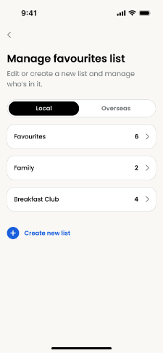 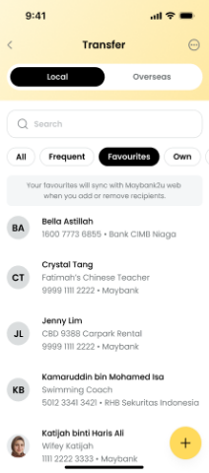 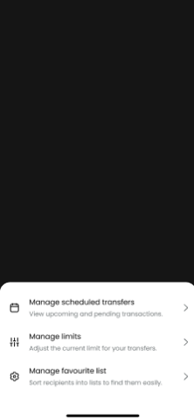 | When user click [Manage favorite list] button |  | getManageGroups | erp-beneficiary | GET | /v1/external/transfer/groups/management?scope=LOCAL |  | { "status": 200, "message": "Request processed successfully", "timestamp": "2026-01-13T12:00:00", "correlationId": "abc123-correlation-id", "meta": { "provider": "erp" }, "data": { "groups": [ { "id": "G001", "type": "FAVORITES", "name": "Favorites", "count": 3 }, { "id": "G002", "type": "CUSTOM", "name": "Family", "count": 4 }, { "id": "G003", "type": "CUSTOM", "name": "Friends", "count": 2 } ] }, "link": {} } | { "status": 500, "message": "Request processed failed", "timestamp": "2026-01-13T12:00:00", "correlationId": "abc123-correlation-id", } | N | Y | ECLIPSE DB: 1. favorites_group 2. favorites_account 3. favorites_group_account | BE Logic: 1. If the user don't have any recipient tight to Favourites, when return the response we need to add Favourite record with count 0

1.3.1 Manage Fav - Detail Group
No | Screen | User Action | Business Logic | API Name | Microservice Ownership | Method | Endpoint | Request JSON | Success Response JSON | Failed Response JSON | Esb | Eclipse DB | Source | Note
1 | 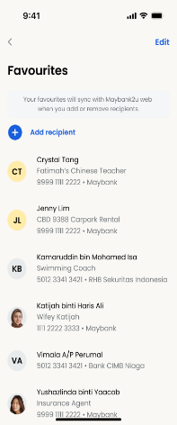 | When user click [Favourites] tab | Favourites Listing: 1. Display beneficiaries in Favouritess, sorted in ascending order (A-Z, 0-9) in the below order: - Beneficiary Name - Beneficiary Bank Name - Account Number 2. If the recipient list is not empty, [Edit] option will be displayed. Otherwise hide. 3. Lazy load is available | getTransferBeneficiaries | erp-beneficiary | GET | /v1/external/transfer?scope=LOCAL&groupType=FAVORITES&page=0&limit=10 |  | { "status": 200, "message": "Request processed successfully", "timestamp": "2026-01-13T12:00:00", "correlationId": "abc123-correlation-id", "meta": { "provider": "erp", "page": 0, "limit": 10, "total": 55, "nextPage": "1" }, "data": { "beneficiaries": [ { "accountId": "4700025122", "accountHolderName": "MUHAMMAD ALI MUTHU", "nickname": "ali account", "bicCode": "PBBEMYKL", "bankName": "PUBLIC BANK", "profileImage": "3dieieo383992020202", "transactionType": "TRANSFER/PAYMENT", "transactionSubtype": "INTERBANK", "transactionMetadata": { "serviceFees": 11, "firstTimeTac": "1", "idNumber": null, "idType": null, "mobileNumber": "", "idFlag": "", "acquirerId": "564162", "currency": "", "balance": 0, "paymentCode": "01" } }, { "accountId": "5500025133", "accountHolderName": "MUHAMMAD AHMAD ", "nickname": "ahmad account", "bicCode": "PBBEMYKL", "bankName": "PUBLIC BANK", "profileImage": "3dieieo383992020202", "transactionType": "TRANSFER/PAYMENT", "transactionSubtype": "INTERBANK", "transactionMetadata": { "serviceFees": 11, "firstTimeTac": "1", "idNumber": null, "idType": null, "mobileNumber": "", "idFlag": "", "acquirerId": "564162", "currency": "", "balance": 0, "paymentCode": "01" } } ] }, "link": {} } | { "status": 500, "message": "Request processed failed", "timestamp": "2026-01-13T12:00:00", "correlationId": "abc123-correlation-id", } | N | Y | ECLIPSE DB: 1. favourite_group 2. favourite_account 3. favourite_group_account 4. account_nickname | BE Logic: 1. Get the beneficiaries from DB, sorted it put full list inside BE cache.
2 | 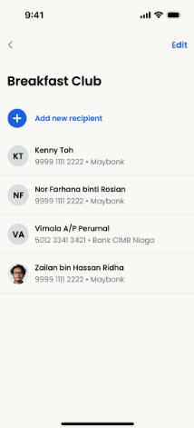 | When user click any Custom tab | Custom Listing: 1. Display beneficiaries in selected Custom list, sorted in ascending order (A-Z, 0-9) in the below order: - Beneficiary Name - Beneficiary Bank Name - Account Number 2. If the recipient list is not empty, [Edit] option will be displayed. Otherwise hide. 3. Lazy load is available | getTransferBeneficiaries | erp-beneficiary | GET | /v1/external/transfer?scope=LOCAL&groupType=CUSTOM&groupId=G002&page=0&limit=10 |  | { "status": 200, "message": "Request processed successfully", "timestamp": "2026-01-13T12:00:00", "correlationId": "abc123-correlation-id", "meta": { "provider": "erp", "page": 0, "limit": 10, "total": 55, "nextPage": "1" }, "data": { "beneficiaries": [ { "accountId": "4700025122", "accountHolderName": "MUHAMMAD ALI MUTHU", "nickname": "ali account", "bicCode": "PBBEMYKL", "bankName": "PUBLIC BANK", "profileImage": "3dieieo383992020202", "transactionType": "TRANSFER/PAYMENT", "transactionSubtype": "INTERBANK", "transactionMetadata": { "serviceFees": 11, "firstTimeTac": "1", "idNumber": null, "idType": null, "mobileNumber": "", "idFlag": "", "acquirerId": "564162", "currency": "", "balance": 0, "paymentCode": "01" } }, { "accountId": "5500025133", "accountHolderName": "MUHAMMAD AHMAD ", "nickname": "ahmad account", "bicCode": "PBBEMYKL", "bankName": "PUBLIC BANK", "profileImage": "3dieieo383992020202", "transactionType": "TRANSFER/PAYMENT", "transactionSubtype": "INTERBANK", "transactionMetadata": { "serviceFees": 11, "firstTimeTac": "1", "idNumber": null, "idType": null, "mobileNumber": "", "idFlag": "", "acquirerId": "564162", "currency": "", "balance": 0, "paymentCode": "01" } } ] }, "link": {} } | { "status": 500, "message": "Request processed failed", "timestamp": "2026-01-13T12:00:00", "correlationId": "abc123-correlation-id", } | N | Y | ECLIPSE DB: 1. favourite_group 2. favourite_account 3. favourite_group_account 4. account_nickname | BE Logic: 1. Get the beneficiaries from DB, sorted it put full list inside BE cache.

1.3.2 Manage Fav Add fr Acct No
No | Screen | User Action | Business Logic | API Name | Microservice Ownership | Method | Endpoint | Request JSON | Success Response JSON | Failed Response JSON | Esb | Eclipse DB | Source | Note
1 | 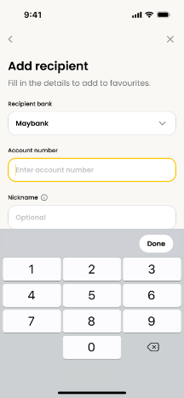 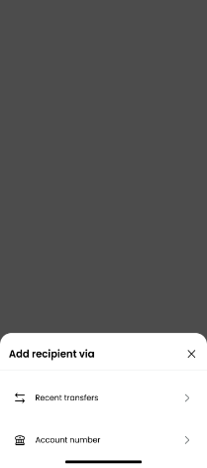 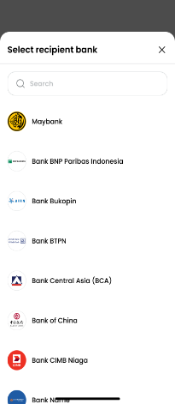 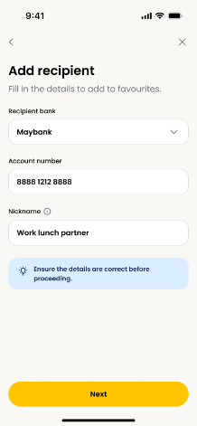 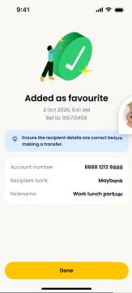 | When user select Maybank, click [Next] tab (INTRABANK) | Upon tapping [Next] button, system to perform: 1. Mandatory checking. If field is empty, system displays inline error message "Required field." 2. If validation passed, trigger S2U authorisation. Refer to Manage Fav - Final for Status end screen. | getBeneficiaryInquiry | erp-beneficiary | GET | /v1/internal/inquiry?accountId=529122393933&bicCode=MBBEMYKL&currency=IDR |  | { "success": false, "message": { "messageKey": "0000", "messageDescription": "Records retrieved successfully" }, "meta": { "provider": "erp" }, "data": { "accountInquiry": { "accountStatus": "ACTIVE", "accountHolderName": "NORWATI IND", "accountHolderShortName": "NORWATI IND", "accountId": "187283923827", "accountType": "CA" } }, "link": {} } | { "status": 500, "message": "Request processed failed", "timestamp": "2026-01-13T12:00:00", "correlationId": "abc123-correlation-id", } | Y | N | ESB: Sheet: ESB_API_Spec_TransferInquiry_v1.4 -> AcctInquiry Intrabank Url: /api/rg/rt/account/inquiries/withinbank ServiceCode: RGRTTDPYI0002
2 |  | When user select other than Maybank, click [Next] tab (INTERBANK) |  | getBeneficiaryInquiry | erp-beneficiary | GET | /v1/internal/inquiry?accountId=529122393933&bicCode=HLBBMYKL&currency=IDR&serviceChannel=BIFAST |  | { "success": false, "message": { "messageKey": "0000", "messageDescription": "Records retrieved successfully" }, "meta": { "provider": "erp" }, "data": { "accountInquiry": { "accountStatus": "ACTIVE", "accountHolderName": "NORWATI IND", "accountHolderShortName": "NORWATI IND", "accountId": "187283923827", "accountType": "CA" } }, "link": {} } | { "status": 500, "message": "Request processed failed", "timestamp": "2026-01-13T12:00:00", "correlationId": "abc123-correlation-id", } | Y | N | ESB: Sheet: ESB_API_Spec_TransferInquiry_v1.4 -> AcctInquiry Interbank BIFAST Url: /api/rg/rt/account/inquiries/bifast ServiceCode: RGRTTDPYI0001 Interbank RTOL Url: /api/rg/rt/account/inquiries/rtol ServiceCode: RGRTTDPYI0004
 |  | After user key in Passcode |  | S2UBeneficiaries | erp-xp-transaction | POST | /v1/external/beneficiaries | { "groups": [ { "operation": "add", "type": "FAVOURITES", "name": "Favourites" } ], "beneficiaries": [ { "accountId": "4700025122", "accountHolderName": "MUHAMMAD ALI MUTHU", "nickname": "ali nickname", "bicCode": "PBBEMYKL", "bankName": "PUBLIC BANK", "transactionType": "TRANSFER/PAYMENT", "transactionSubtype": "INTERBANK", "transactionMetadata": { "serviceFees": 11, "firstTimeTac": "1", "idNumber": null, "idType": null, "mobileNumber": "", "idFlag": "", "swiftCode": "PBBEMYKL", "acquirerId": "564162", "accountType": "", "accountSubType": "", "currency": "", "balance": 0, "paymentCode": "01" } } ] } | { "status": "success", "extra": "", "note": "", "header": "added_as_favourite_success_header", "desc": "", "details": "{\"reference_id\":\"268614863M\",\"date_time\":\"07 May 2026, 04:05 PM\",\"account_holder_name\":\"Andy Loo\",\"account_number\":\"5042 3341 3421\",\"recipient_bank\":\"Maybank\"}", "receipt": "" } | { "status": "failed", "extra": "", "note": "", "header": "added_as_favourite_unsuccessful_header", "desc": "", "details": "{\"transaction_type\":\"Add Favourite\"}", "receipt": "" } | N | Y | ECLIPSE DB: 1. favourite_group 2. favourite_account 3. favourite_group_account 4. account_nickname

1.3.3 Mng Fav Add fr Recent Trf
No | Screen | User Action | Business Logic | API Name | Microservice Ownership | Method | Endpoint | Request JSON | Success Response JSON | Failed Response JSON | Esb | Eclipse DB | Source | BE Logic
1 | 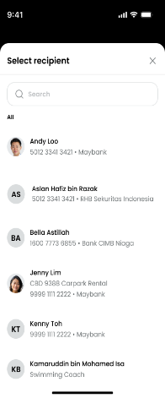  | When user click [Recent transfers] tab | Select Recipient: 1. Listing of beneficiary will be the same as Transfer Landing Page ALL tab. Refer to Trf - Landing Page - Business rules for "Display criteria for ALL list are:" item a to c. 2. Wildcard search will be performed once the user has entered 3 characters. Searching of beneficiaries include fields below: a. Beneficiaries Account Name b. Beneficiaries Nickname c. Beneficiaries Account Number d. Beneficiaries Bank Name. 3. For search result that returns EMPTY: a. System to display "We couldn't find a match for <input data>" | getTransferBeneficiaries | erp-beneficiary | GET | /v1/external/transfer?scope=LOCAL&groupType=ALL&page=0&limit=10 |  | { "status": 200, "message": "Request processed successfully", "timestamp": "2026-01-13T12:00:00", "correlationId": "abc123-correlation-id", "meta": { "provider": "erp", "page": 0, "limit": 10, "total": 55, "nextPage": "1" }, "data": { "beneficiaries": [ { "accountId": "4700025122", "accountHolderName": "MUHAMMAD ALI MUTHU", "nickname": "ali account", "bicCode": "PBBEMYKL", "bankName": "PUBLIC BANK", "profileImage": "3dieieo383992020202", "groups": [ { "id": "G001", "type": "FAVORITES", "name": "Favorites" }, { "id": "G002", "type": "CUSTOM", "name": "Family" }, { "id": "G003", "type": "CUSTOM", "name": "Friends" } ], "transactionType": "TRANSFER/PAYMENT", "transactionSubtype": "INTERBANK", "transactionMetadata": { "serviceFees": 11, "firstTimeTac": "1", "idNumber": null, "idType": null, "mobileNumber": "", "idFlag": "", "acquirerId": "564162", "currency": "", "balance": 0, "paymentCode": "01" } }, { "accountId": "5500025133", "accountHolderName": "MUHAMMAD AHMAD ", "nickname": "ahmad account", "bicCode": "PBBEMYKL", "bankName": "PUBLIC BANK", "profileImage": "3dieieo383992020202", "groups": [ { "id": "G001", "type": "FAVORITES", "name": "Favorites" }, { "id": "G003", "type": "CUSTOM", "name": "Friends" } ], "transactionType": "TRANSFER/PAYMENT", "transactionSubtype": "INTERBANK", "tran | { "status": 500, "message": "Request processed failed", "timestamp": "2026-01-13T12:00:00", "correlationId": "abc123-correlation-id", } | N | Y | ECLIPSE DB: 1. recent_transfer 2. favourite_group 3. favourite_account 4. favourite_group_account 5. account_nickname
2 |  | When user has entered 3 characters | Select Recipient: 1. Listing of beneficiary will be the same as Transfer Landing Page ALL tab. Refer to Trf - Landing Page - Business rules for "Display criteria for ALL list are:" item a to c. 2. Wildcard search will be performed once the user has entered 3 characters. Searching of beneficiaries include fields below: a. Beneficiaries Account Name b. Beneficiaries Nickname c. Beneficiaries Account Number d. Beneficiaries Bank Name. 3. For search result that returns EMPTY: a. System to display "We couldn't find a match for <input data>" | getTransferBeneficiariesSearch | erp-beneficiary | GET | /v1/external/transfer/search?scope=LOCAL&groupType=ALL&keyword=ABC&page=0&limit=10 |  | { "status": 200, "message": "Request processed successfully", "timestamp": "2026-01-13T12:00:00", "correlationId": "abc123-correlation-id", "meta": { "provider": "erp", "page": 0, "limit": 10, "total": 55, "nextPage": "1" }, "data": { "beneficiaries": [ { "accountId": "4700025122", "accountHolderName": "MUHAMMAD ALI MUTHU", "nickname": "ali account", "bicCode": "PBBEMYKL", "bankName": "PUBLIC BANK", "profileImage": "3dieieo383992020202", "groups": [ { "id": "G001", "type": "FAVORITES", "name": "Favorites" }, { "id": "G002", "type": "CUSTOM", "name": "Family" }, { "id": "G003", "type": "CUSTOM", "name": "Friends" } ], "transactionType": "TRANSFER/PAYMENT", "transactionSubtype": "INTERBANK", "transactionMetadata": { "serviceFees": 11, "firstTimeTac": "1", "idNumber": null, "idType": null, "mobileNumber": "", "idFlag": "", "acquirerId": "564162", "currency": "", "balance": 0, "paymentCode": "01" } }, { "accountId": "5500025133", "accountHolderName": "MUHAMMAD AHMAD ", "nickname": "ahmad account", "bicCode": "PBBEMYKL", "bankName": "PUBLIC BANK", "profileImage": "3dieieo383992020202", "groups": [ { "id": "G001", "type": "FAVORITES", "name": "Favorites" }, { "id": "G003", "type": "CUSTOM", "name": "Friends" } ], "transactionType": "TRANSFER/PAYMENT", "transactionSubtype": "INTERBANK", "tran | { "status": 500, "message": "Request processed failed", "timestamp": "2026-01-13T12:00:00", "correlationId": "abc123-correlation-id", } | N | Y | ECLIPSE DB: 1. recent_transfer 2. favourite_group 3. favourite_account 4. favourite_group_account 5. account_nickname
3 | 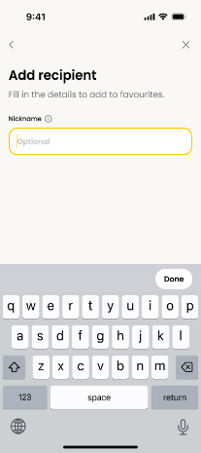 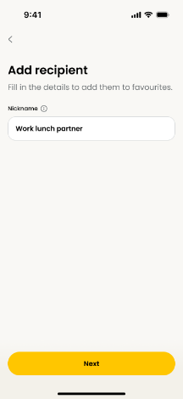 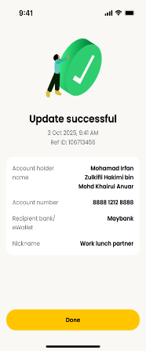 | After user key in Passcode |  | S2UBeneficiaries | erp-xp-transaction | POST | /v1/external/beneficiaries | { "groups": [ { "operation": "add", "type": "FAVOURITES", "name": "Favourites" } ], "beneficiaries": [ { "accountId": "4700025122", "accountHolderName": "MUHAMMAD ALI MUTHU", "nickname": "ali nickname", "bicCode": "PBBEMYKL", "bankName": "PUBLIC BANK", "transactionType": "TRANSFER/PAYMENT", "transactionSubtype": "INTERBANK", "transactionMetadata": { "serviceFees": 11, "firstTimeTac": "1", "idNumber": null, "idType": null, "mobileNumber": "", "idFlag": "", "swiftCode": "PBBEMYKL", "acquirerId": "564162", "accountType": "", "accountSubType": "", "currency": "", "balance": 0, "paymentCode": "01" } } ] } | { "status": "success", "extra": "", "note": "", "header": "added_as_favourite_success_header", "desc": "", "details": "{\"reference_id\":\"268614863M\",\"date_time\":\"07 May 2026, 04:05 PM\",\"account_holder_name\":\"Andy Loo\",\"account_number\":\"5042 3341 3421\",\"recipient_bank\":\"Maybank\"}", "receipt": "" } | { "status": "failed", "extra": "", "note": "", "header": "added_as_favourite_unsuccessful_header", "desc": "", "details": "{\"transaction_type\":\"Add Favourite\"}", "receipt": "" } | N | Y | ECLIPSE DB: 1. favourite_group 2. favourite_account 3. favourite_group_account 4. account_nickname
4 |  | S2U execute | Upon tapping a beneficiary: 1. If selected beneficiary is not in favourites list and has no nickname, navigate to "Add Recipient". User can enter nickname. 2. If selected beneficiary is not in favourites list but has nickname, navigate to "Edit Nickname". User can edit nickname. 3. If selected beneficiary is already a favourites, display toastbar error message "This recipient is already in this list.". For #1 & #2, upon tapping [Next] button, system navigates to S2U. Refer to Manage Fav - Final for Status end screen. Upon Confirm, below are the possible status: a. Added as favourites - successfully adding to favourites via account number OR past transfer. b. Update successful - successfully edit favourites nickname. c. Update unsuccessful - failed in adding a favourites or editing a favourites's nickname. For successful adding to favourites, beneficiary will be populated under Favourites list. | addBeneficiaries | erp-beneficiary | POST | /v1/external/transfer | { "groups": [ { "type": "FAVOURITES", "name": "Favourites" } ], "beneficiaries": [ { "accountId": "4700025122", "accountHolderName": "MUHAMMAD ALI MUTHU", "nickname": "ali nickname", "bicCode": "PBBEMYKL", "bankName": "PUBLIC BANK", "transactionType": "TRANSFER/PAYMENT", "transactionSubtype": "INTERBANK", "transactionMetadata": { "serviceFees": 11, "firstTimeTac": "1", "idNumber": null, "idType": null, "mobileNumber": "", "idFlag": "", "swiftCode": "PBBEMYKL", "acquirerId": "564162", "accountType": "", "accountSubType": "", "currency": "", "balance": 0, "paymentCode": "01" } } ] } | { "status": 200, "message": "add_beneficiaries_success", "timestamp": "2026-01-13T12:00:00", "correlationId": "abc123-correlation-id", "meta": { "provider": "erp" } } | { "status": 500, "message": "Request processed failed", "timestamp": "2026-01-13T12:00:00", "correlationId": "abc123-correlation-id", } | N | Y | ECLIPSE DB: 1. favourite_group 2. favourite_account 3. favourite_group_account 4. account_nickname

1.3.5 Mng Fav Edit Remove Grp
No | Screen | User Action | Business Logic | API Name | Microservice Ownership | Method | Endpoint | Request JSON | Success Response JSON | Failed Response JSON | Esb | Eclipse DB | Source | BE Logic
1 | 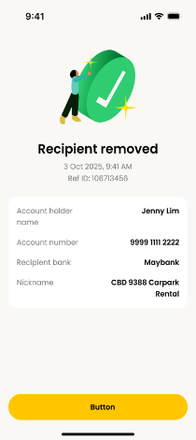      | After user key in Passcode | Favourites List For deletion of recipient, upon S2U authorisation, navigate to Status end screen: a. Recipient removed successfully - navigate to Recipient Removed screen. b. Update unsuccessful - navigate to Update Unsuccessful screen, no change. | S2UBeneficiaries | erp-xp-transaction | POST | /v1/external/beneficiaries | { "groups": [ { "operation": "delete", "type": "FAVOURITES", "name": "Favourites" } ], "beneficiaries": [ { "accountId": "4700025122", "accountHolderName": "MUHAMMAD ALI MUTHU", "nickname": "ali nickname", "bicCode": "PBBEMYKL", "bankName": "PUBLIC BANK", "transactionType": "TRANSFER/PAYMENT", "transactionSubtype": "INTERBANK", "transactionMetadata": { "serviceFees": 11, "firstTimeTac": "1", "idNumber": null, "idType": null, "mobileNumber": "", "idFlag": "", "swiftCode": "PBBEMYKL", "acquirerId": "564162", "accountType": "", "accountSubType": "", "currency": "", "balance": 0, "paymentCode": "01" } } ] } | { "status": "success", "extra": "", "note": "", "header": "recipient_removed_success_header", "desc": "", "details": "{\"reference_id\":\"268614863M\",\"date_time\":\"07 May 2026, 04:05 PM\",\"account_holder_name\":\"Andy Loo\",\"account_number\":\"5042 3341 3421\",\"recipient_bank\":\"Maybank\", \"nickname\":\"andy loo nickname\"}", "receipt": "" } | { "status": "failed", "extra": "", "note": "", "header": "remove_favourite_unsuccessful_header", "desc": "", "details": "{\"transaction_type\":\"Remove Favourite\"}", "receipt": "" } | N | Y | ECLIPSE DB: 1. favourites_group 2. favourites_account 3. favourites_group_account
2 |     | When user click [Done] icon | Custom List During Custome Edit, amend List name, tap on [Done]. Peform below: a. Mandatory checking on List name. b. If list name is duplicate, display inline error message: "Name cannot be the same as existing lists." c. If validation passed & update successfully, display toast message "List name updated." d. If update failed, display toast error message "Service temporarily unavailable." | updateBeneficiaryGroup | erp-beneficiary | PATCH | /v1/external/transfer/groups/{groupId} | { "groupName": "New best friend" } | { "status": 200, "message": "update_beneficiaries_group_success", "timestamp": "2026-01-13T12:00:00", "correlationId": "abc123-correlation-id", "meta": { "provider": "erp" } } | { "status": 500, "message": "Request processed failed", "timestamp": "2026-01-13T12:00:00", "correlationId": "abc123-correlation-id", } | N | Y | ECLIPSE DB: 1. favourites_group
3 |   | When user click [Delete] icon | Custom List For deletion (tapping trash icon): 1. For every recipient removed successfully, to display a toast message "Recipient removed." If failed, display toast error message "Service temporarily unavailable." 2. For edit, system allows all recipients to be removed, i.e. custom list can have 0 recipient. 3. User is able to delete the whole custom list by tapping on [Remove List]. A pop up confirmation will be displayed: a. Tap on [Remove]: Delete the custom list and the recipients, navigate to manage favourite list dashboard with toast message "List removed." If failed, display toast error message "Service temporarily unavailable." b. Tap on [Keep]: No changes, whole list is retained. | deleteBeneficiaries | erp-beneficiary | DELETE | /v1/external/transfer?groupType=CUSTOM&groupId=G001&accountId=598322219222 |  | { "status": 200, "message": "delete_beneficiaries_success", "timestamp": "2026-01-13T12:00:00", "correlationId": "abc123-correlation-id", "meta": { "provider": "erp" } } | { "status": 500, "message": "Request processed failed", "timestamp": "2026-01-13T12:00:00", "correlationId": "abc123-correlation-id", } | N | Y | ECLIPSE DB: 1. favourites_group 2. favourites_account 3. favourites_group_account
4 |   | When user click [Remove] icon | Custom List 1. User is able to delete the whole custom list by tapping on [Remove List]. A pop up confirmation will be displayed: a. Tap on [Remove]: Delete the custom list and the recipients, navigate to manage favourite list dashboard with toast message "List removed." If failed, display toast error message "Service temporarily unavailable." b. Tap on [Keep]: No changes, whole list is retained. | deleteBeneficiaryGroup | erp-beneficiary | DELETE | /v1/external/transfer/groups/{groupId} |  | { "status": 200, "message": "delete_beneficiaries_group_success", "timestamp": "2026-01-13T12:00:00", "correlationId": "abc123-correlation-id", "meta": { "provider": "erp" } } | { "status": 500, "message": "Request processed failed", "timestamp": "2026-01-13T12:00:00", "correlationId": "abc123-correlation-id", } | N | Y | ECLIPSE DB: 1. favourites_group 2. favourites_account 3. favourites_group_account

