Splash Screen
Journey Index | Journey_Index!A1 | Journey_Index!A1 | Journey_Index!A1 | Journey_Index!A1
Journey Name |  | Splash Screen
Journey Code |  | Splash_Screen
Description |  | Splash Screen when user open the NGA Apps

Step No | Screen Component Name | Screenshots | User Action | System Behaviour | Business Rule / Validation | API Name | Microservice Ownership | Method | Endpoint | Request JSON | Response JSON | Mapping (to FE) | Downstream System | Remarks
1 | Splash Screen | 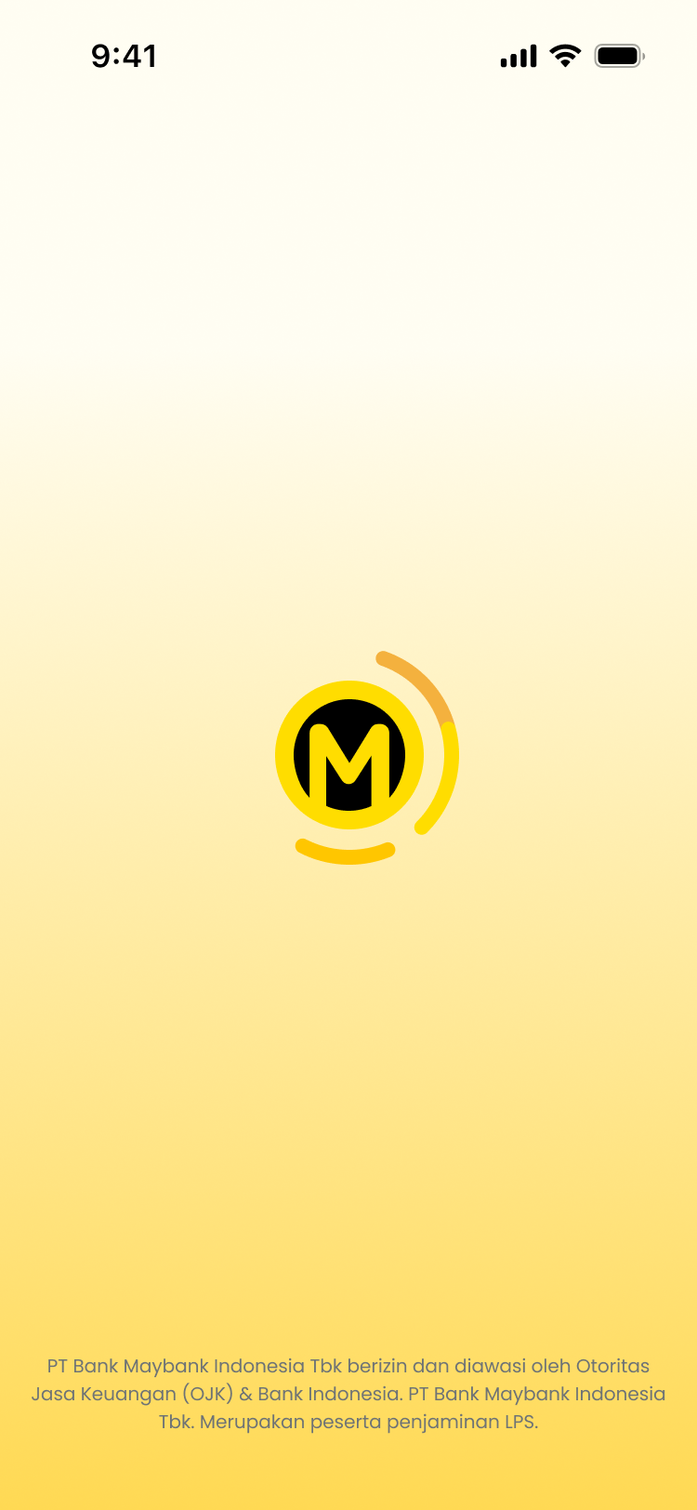 | User opens the NGA app | This step runs fully on the device, there is no backend call behind it in dep-dashboard. Root and jailbreak checks, whatever integrity checks exist, all happen locally before the app talks to any server. | Nothing here is backed by a dep-dashboard API today, security checks at this point are local to the device. | Refer To Identity | Refer To Identity | Refer To Identity | Refer To Identity | Refer To Identity | Refer To Identity | Refer To Identity | None, this runs fully on-device | Refer To Identity
2 |  |  |  | There's no CMS call wired up in dep-dashboard for this step either, we looked and there's no CMS client or journey endpoint anywhere in the module. If a static content shell loads here, it's coming from somewhere outside dep-dashboard, not this backend. | Not backed by a real dep-dashboard endpoint today, treat this as a placeholder until a real CMS integration exists. | Home Dashboard Static Init | CMS | GET | /cms/api/journey/home_dashboard?locale="en" | N/A | { ""journeyId"": ""home_dashboard"", ""version"": 1, ""screens"": [ { ""screenId"": ""splash_screen"", ""asset"": { ""illustration"": [ { ""id"": ""splash_screen_icon"", ""iconName"": ""splash_image"" } ] }, ""core"": { ""typo"": [ { ""id"": ""splash_screen_text"", ""value"": ""PT Bank Maybank Indonesia Tbk berizin dan diawasi oleh Otoritas Jasa Keuangan (OJK) & Bank Indonesia. PT Bank Maybank Indonesia Tbk. Merupakan peserta penjaminan LPS."" } ] } }, { ""screenId"": ""home_dashboard_screen"", ""action"": { ""bottomQuickAction"": [ { ""id"": ""main_bottom_nav"", ""items"": [ { ""id"": ""home_bottom_nav"", ""label"": ""Home"", ""iconName"": ""mbbHomeIcon"" }, { ""id"": ""accounts_bottom_nav"", ""label"": ""Accounts"", ""iconName"": ""mbbAccountsIcon"" }, { ""id"": ""scan_pay_bottom_nav"", ""label"": """", ""iconName"": ""mbbScanIcon"" }, { ""id"": ""interact_bottom_nav"", ""label"": ""Interact"", ""iconName"": ""mbbInteractIcon"" }, { ""id"": ""menu_bottom_nav"", ""label"": ""Menu"", ""iconName"": ""mbbMenuIcon"" } ] } ], ""button"": [ { ""id"": ""security_centre_button"", ""label"": ""Security centre"", ""iconName"": ""mbbSecurityIcon"" }, { ""id"": ""open_account_button"", ""labe | N/A | None confirmed, no CMS integration exists in dep-dashboard for this step | N/A
3 |  |  |  | 1. App calls GET /dep/dashboard/init/v1/flags with domain, module and subModule as query params 2. Validator checks domain, module, subModule are present, plus region and app pulled out of the UserContext header, fails with a 400 if anything is missing 3. The service loads every init_record and init_env row for that domain, region, platform, module and subModule from dep-maintenance and joins them 4. It walks the record tree recursively: a record with no value type is just a container holding its children, a record with a value type is a leaf whose actual value comes from the matching env row 5. Returns the assembled tree as-is | domain, module, subModule are required, and so are region and app inside the UserContext header, miss any of them and you get a 400. The whole response tree is built from init_record and init_env data, nothing about its shape is hardcoded in the backend, so NGBO can add or change flags without a new release. One more thing, this is the one dashboard endpoint that's allowed to be called with no gcif at all, since it needs to work before the customer is even bound. A theme flag (enable/endpoint) is now included in the response tree alongside the other module flags, seeded the same way via init_record/init_env rows. | Home Dashboard Domain Init | Digital Experience Platform | GET | /dep/dashboard/init/v1/flags?domain=dep&module=dashboard&subModule=banking |  | { "status": "200", "message": "Success", "timestamp": "2026-08-14T03:54:53.698339Z", "correlationId": null, "data": { "appVersion": { "minAppVersion": "1.0.2", "latestAppVersion": "1.0.5" }, "mainPreview": { "enable": true, "endpoint": "/dep/dashboard/v1/main-preview", "defaultShowAmount": true }, "mediumWidget": { "enable": true, "endpoint": "/dep/dashboard/v1/medium-widget" }, "platform": { "android": { "minVersion": "10.0" }, "ios": { "minVersion": "16.0" } }, "startup": { "splashDuration": 5 }, "dashboardVersion": { "name": "Dashboard", "checksum": "alnsuie7f834r43i8qwef9134", "entryPoint": "https://mfe_nga/dashboard/android/1.0.0/mf-manifest.json", "version": "1.0.0", "minVersion": "1.0.0" }, "forYouTiles": { "enable": true, "endpoint": "/dep/dashboard/v1/for-you-tiles" }, "userHeader": { "nudgeDuration": 5, "endpoint": "/dep/dashboard/v1/user-header", "customerClassQualification": true, "enable": true, "defaultHideAmount": false, "maxNudgeCount": 999 }, "tempBanner": { "endpoint": "/dep/dashboard/v1/temp-banner", "enable": true }, "largeWidget": { "enable": true, "endpoint": "/dep/dashboard/v1/large-widget" }, "quickActions": { "enable": true, "endpoint": "/dep/dashboard/v1/quick-actions" }, "smallWidget": { "endpoint": "/dep/dashboard/v1/small-widget", "enable": true }, "searchEngine": { "enable": true }, "theme": { "enable": true, "endpoint": "/v1/theme" } }, "error": null, "meta": {} } | N/A | dep-maintenance (init_record and init_env data) | N/A

