Manage_Dashboard
No | Sheet | Screen | User Action | Business Rule / Validation | API Name | Microservice Ownership | Method | Endpoint | Esb | Eclipse DB | Remarks
1 | 2.0 Main Display Amt (All) | 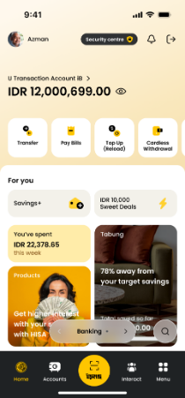 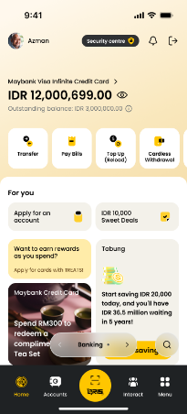 | App Dashboard - Primary Account Balance (Default) | Upon page load, FE call /dashboard/v1/primary to retrieve primary account balance. BE call erp-account to get primary accountId and accountType from ECLIPSE primary DB. Based on the accountType to indicate which module need to call either casa or card. Flow: erp-dashboard -> erp-account (get primary accountId from ECLIPSE DB) -> erp-{casa/card} (get account from ESB) | getPrimary | dep-dashboard | GET | //v1/external/primary | Y | Y
2 | 2.0 Main Display Amt (All) | 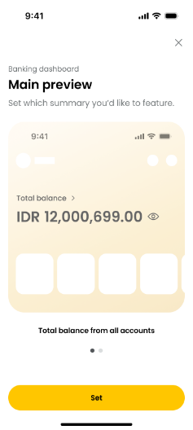  | App Dashboard - Total balance from all accounts (Deposit) App Dashboard - Total available credit limit (Credit Card) | Customer can change the main view for banking dashboard. Upon page load, FE need to based on the main view customer choose to decide which accountGroup to pass in. Refer to AccountGroupRule sheet for accountGroup and accountType rules Flow: erp-dashboard -> erp-customer (get holdings from ECLIPSE DB) -> erp-{casa/card} (get account from ESB) | getDashbaord | dep-dashboard | GET | /v1/external/accounts?accountGroup=DEPOSIT /v1/external/accounts?accountType=CC | Y | Y
3 | 2.0 Main Display Amt (All) |  | App Dashboard - Total investment value (Default) App Dashboard - Total investement + time deposits App Dashboard - Total time deposit value App Dashboard - Total gold value App Dashboard - Total mutual funds value App Dashboard - Total bonds value App Dashboard - Total assets - total liabilities | Customer can change the main view for wealth dashboard. Upon page load, FE need to based on the main view customer choose to decide which accountGroup to pass in. Refer to AccountGroupRule sheet for accountGroup and accountType rules Flow: erp-dashboard -> erp-customer (get holdings from ECLIPSE DB) -> erp-{investment/time-deposit/casa/card} (get account from ESB) | getDashbaord | dep-dashboard | GET | /v1/external/accounts?accountGroup=INVESTMENT /v1/external/accounts?accountGroup=INVESTMENT&accountGroup=FIXED_DEPOSIT /v1/external/accounts?accountGroup=FIXED_DEPOSIT /v1/external/accounts?accountType=GOLD /v1/external/accounts?accountType=MF /v1/external/accounts?accountType=BOND /v1/external/accounts?accountGroup=NET_WORTH | Y | Y

Manage_2P
No | Sheet | Screen | User Action | Business Rule / Validation | API Name | Microservice Ownership | Method | Endpoint | Esb | Eclipse DB | Remarks
1 | 4.0 2Ps-Privilege & Premier | 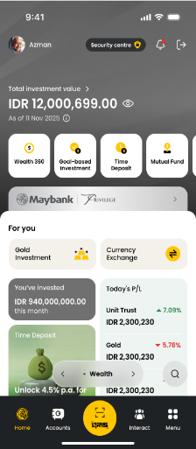 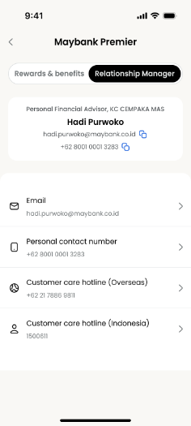 | Relationship manager (privilege & premier) | Upon click Relationship Manager tab, FE call /customer/v1/relationship-manager. BE call DCIF to retrieve the relationship manager information | getRelationshipManager | info-customer | GET | /v1/external/relationship-manager | Y (DCIF)

Manage_Small_Bento
No | Sheet | Screen | User Action | Business Rule / Validation | API Name | Microservice Ownership | Method | Endpoint | Esb | Eclipse DB | Remarks
1 | 6.1 S Bento (All) |  | Banking - Spending bento | To retrieve the aggregated expenses based on fromDate and toDate FE pass in. Upon page load, FE to check the feature flag from init API. Refer to featureRule sheet | getAggregatedExpenses | dep-dashboard | GET | /v1/external/pfm/expenses?fromDate=2026-04-16&toDate=2026-04-20 fromDate and toDate is Mandatory dateFormat : DD-MM-YYYY or YYYY-MM-DD, further discuss date format, standardized across platform |  | Y | Batch 3
2 | 6.1 S Bento (All) | 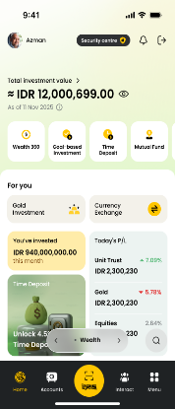 | Wealth - Investment bento | To retrieve aggregated investment funds (gold, mutual funds, bonds) based on fromDate and toDate FE pass in Upon page load, FE to check the feature flag from init API. Refer to featureRule sheet | getAggregatedInvestment | dep-dashboard | GET | /v1/external/investment/funds?fromDate=2026-04-16&toDate=2026-04-20 fromDate and toDate is Mandatory dateFormat : DD-MM-YYYY or YYYY-MM-DD, further discuss date format, standardized across platform |  |  | Batch 3

Manage_Large_Bento
No | Sheet | Screen | User Action | Business Rule / Validation | API Name | Microservice Ownership | Method | Endpoint | Esb | Eclipse DB | Remarks
1 | 6.3 L Bento (All) | 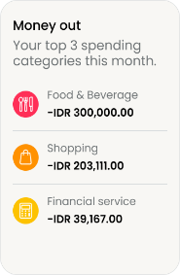 | Money out - Top categories | To retrieve expenses based on all param FE pass in. BE fetch all record from DB based on fromDate and toDate, aggregate amount based on groupBy. At backend logic, take the top 3 highest total expenses and return. groupBy: 1. date (default) 2. category 3. merchant 4. tag 5. currency limit: 1. 3 (default) | getTopCategoriesExpenses | dep-dashboard | GET | /v1/external/pfm/expenses/top-categories?fromDate=2026-04-16&toDate=2026-04-20&groupBy=category&limit=3 dateFormat : DD-MM-YYYY or YYYY-MM-DD, further discuss date format, standardized across platform |  | Y
2 | 6.3 L Bento (All) | 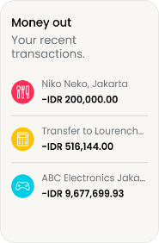 | Money out - Recent transaction | To retrieve recent transaction. limit: 1. 3 (default) | getRecentExpenses | info-pfm | GET | /v1/expenses/recent?limit=3 |  | Y
3 | 6.3 L Bento (All) | 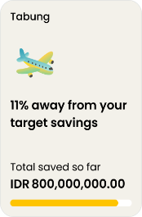 | Tabung | To retrieve tabung with highest contribution example : 1. Tabung A, target 3000, savedAmount 1500 2. Tabung B, target 5000, savedAmount 4000 3. Tabung C, target 8000, savedAmount 3000 output : Tabung B | getTabung | dep-dashboard | GET | /v1/external/tabung |  |  | Batch 3
4 | 6.3 L Bento (All) | 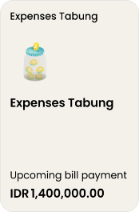 | Expenses tabung (Pocket) |  |  | P&T ???
5 | 6.3 L Bento (All) | 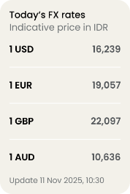 | Fx | To retrieve the latest FX rate | getForeignExchangeRate | erp-maintenance | GET | /maintenance/v1/external/exchange-rate?date=2026-04-25&baseCurrency=IDR dateFormat : DD-MM-YYYY or YYYY-MM-DD, further discuss date format, standardized across platform |  |  | TBC the data source
6 | 6.3 L Bento (All) | 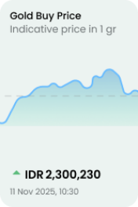 | Gold price (Graph) |  |  | ??? |  |  |  |  | TBC the data source
7 | 6.3 L Bento (All) | 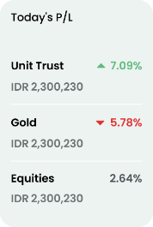 | Investment (Unit Trust, Gold, Equities) |  |  | ??? |  |  |  |  | Batch 3 TBC the data source
8 | 6.3 L Bento (All) | 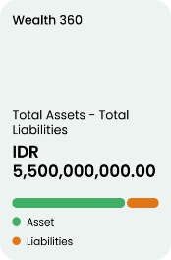 | Wealth 360 - Total asset - total liabilities |  | getDashbaord | erp-dashboard | GET | /dashboard/v1/external/accounts?accountGroup=NET_WORTH | Y
9 | 6.3 L Bento (All) | 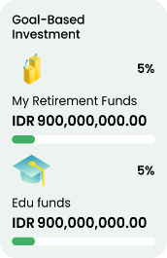 | Goal Based Investment |  | getGbi | erp-goal | GET | /xp-dashboard/v1/external/goal/gbi | Y |  | Batch 5 TBC the data source and sorting rules

