Pivot Analysis
 |  |  |  |  |  |  | Data Source: CMS ICH-CAHPS Facility Data
ICH-CAHPS Dialysis Facility Analysis Pivot Analysis |  |  |  |  |  |  | File: ICH_CAHPS_FACILITY.csv
 |  |  |  |  |  |  | Last Updated: 2024-XX-XX
 |  |  |  |  |  |  | Prepared by: Ashlee

Overview
This sheet documents key data-quality checks and summary statistics used to validate the dataset, define the analytical population, and understand who is represented before conducting performance analysis.
1
Data Availability
Question: What do the ICH-CAHPS data availability codes represent, and what implications could data availability have for the analysis?

During the initial review of the dataset, the ICH-CAHPS data availability field was evaluated to determine its relevance to the analysis. The codes identify whether patient-experience results are available for each facility and, when unavailable, indicate the reason. Reviewing the distribution of these codes establishes the amount of patient-experience data available for initial analysis and provides context for later evaluating whether data availability may limit or affect the interpretation of the findings.

Total |  | 7490 | 100.00%

Key Takeaways
• 7,490 facilities are represented in the source dataset. • 2,594 facilities (34.63%) have reportable ICH-CAHPS patient-experience data. • 4,896 facilities (65.37%) do not have reportable results. • Small facilities without reportable data represent the largest unavailable category (3,926 facilities; 52.42% of all records), followed by facilities that did not participate (899; 12.00%).

Note: Facilities without reportable ICH-CAHPS results are retained in the working dataset. Because available results represent 34.63% of the source facility records, data availability will be revisited when interpreting findings to determine whether the amount or distribution of unavailable data limits the conclusions that can reasonably be drawn.

2
Chain Organization Representation
How are facilities with reportable ICH-CAHPS results distributed across chain organizations, and how should differences in representation be considered when comparing performance?

This review examines how the 2,594 facilities with reportable ICH-CAHPS results are distributed across chain organizations. Understanding the number and proportion of facilities represented by each organization provides context for subsequent performance comparisons and helps identify organizations with limited representation that may require more cautious interpretation.

Chain Organization | Facility count | Percent of available data (2,594)
Independent Dialysis Foundation (IDF) | 1 | 0.04%
Innovative Dialysis Systems | 1 | 0.04%
Intermountain Healthcare | 1 | 0.04%
Kaiser Permanente | 1 | 0.04%
Sanford Health | 1 | 0.04%
Satellite Healthcare | 1 | 0.04%
Scott & White Memorial Hospital | 1 | 0.04%
Diversified Specialty Institutes (DSI) | 3 | 0.12%
North Central Pennsylvania Dialysis Clinics | 3 | 0.12%
Puget Sound Kidney Centers | 3 | 0.12%
Satellite Dialysis | 3 | 0.12%
Central Florida Kidney Centers | 4 | 0.15%
Mayo Clinic Dialysis | 4 | 0.15%
Centers for Dialysis Care | 5 | 0.19%
Atlantic Dialysis Management Services | 8 | 0.31%
Greenfield Health Systems | 9 | 0.35%
State Owned | 9 | 0.35%
Wake Forest University | 10 | 0.39%
Northwest Kidney Centers | 11 | 0.42%
Atlantis Healthcare Group | 15 | 0.58%
Other | 15 | 0.58%
Dialysis Clinic, Inc. | 33 | 1.27%
American Renal Associates | 89 | 3.43%
Independent | 116 | 4.47%
US Renal Care, Inc. | 221 | 8.52%
DaVita | 871 | 33.58%
Fresenius Medical Care | 1155 | 44.53%
Total | 2594 | 100.00%

Key Takeaways
• All 2,594 facilities with reportable ICH-CAHPS data are represented in the chain distribution. • Fresenius Medical Care has the largest representation with 1,155 facilities (44.5%), followed by DaVita with 871 facilities (33.6%). • Together, Fresenius and DaVita account for approximately 78.1% of facilities with reportable data. • Representation drops substantially among the remaining organizations, with U.S. Renal Care representing 221 facilities (8.5%) and Independent facilities representing 116 (4.5%).

Note: Facility counts provide important context for later performance comparisons. Results for organizations represented by relatively few facilities may be less representative of organization-wide performance and should be interpreted cautiously.

3
Overall Patient Experience Performance by Chain Organization
How does patient-reported experience vary across chain organizations with reportable ICH-CAHPS results, and what limitations should be considered when comparing their performance?

This analysis compares patient-reported experience across all 27 chain-organization categories with reportable ICH-CAHPS results. The six patient-experience domains are evaluated primarily using average Linearized Scores, with Lower Box percentages, Top Box percentages and Star Ratings providing supporting context. The highest and lowest Linearized Scores are highlighted within each domain, and DaVita's scores are identified separately to support comparison.

 | Nephrologist Communication & Caring |  |  |  | Quality of Dialysis Center & Operations |  |  | Providing Information to Patients | Rating of the Nephrologist | Rating of Dialysis Center Staff | Rating of the Dialysis Facility

Key Takeaways
• DaVita's average Linearized Scores range from 79.8 for Providing Information to Patients to 87.6 for Rating of the Dialysis Facility. • Several of the highest-scoring organizations have very few reportable facilities. For example, Intermountain Healthcare has one reportable facility but records the highest Linearized Score in multiple domains. • The highest and lowest scores across all organizations provide useful exploratory context, but they are not necessarily suitable organization-wide benchmarks for DaVita.

Note: Results represent unweighted averages of facility-level scores for facilities with reportable ICH-CAHPS data. Organizations differ substantially in the number of reportable facilities, so results from organizations with limited representation should be interpreted cautiously.

Analytical Decision: The initial analysis revealed that some of the highest scores came from organizations represented by very few facilities. To establish a more meaningful comparison for DaVita, the next section focuses on the five named chain organizations with the largest numbers of reportable facilities: Fresenius Medical Care, DaVita, U.S. Renal Care, Inc., American Renal Associates and Dialysis Clinic, Inc. Independent facilities are excluded from this focused comparison because they constitute an aggregate category rather than a single named chain organization.

4
Focused Patient Experience Comparison
How does DaVita's patient-reported experience compare with the five most represented named dialysis chains, and which patient-experience domains present the greatest opportunities for improvement?

This analysis focuses on the five named chain organizations with the largest numbers of reportable facilities: Fresenius Medical Care, DaVita, U.S. Renal Care, Inc., American Renal Associates, and Dialysis Clinic, Inc. Average Linearized Scores are used as the primary performance measure across the six patient-experience domains. Lower Box percentages, Top Box percentages and Star Ratings provide supporting context. The focused comparison helps identify DaVita's relative strengths and weaknesses while reducing the influence of organizations represented by only a handful of facilities.

 | Nephrologist Communication & Caring |  |  |  | Quality of Dialysis Center & Operations |  |  | Providing Information to Patients | Rating the Nephrologist | Rating of Dialysis Center Staff | Rating of the Dialysis Facility

Key Takeaways
• DaVita has the lowest average Linearized Score among the five selected chains in five of the six patient-experience domains: Nephrologist Communication & Caring, Quality of Dialysis Center Care & Operations, Rating of the Nephrologist, Rating of Dialysis Center Staff, and Rating of the Dialysis Facility. • Providing Information to Patients is the exception: Fresenius Medical Care has the lowest average Linearized Score (78.9), while DaVita scores 79.8. • Dialysis Clinic, Inc. has the highest average Linearized Score across all six domains; however, only 33 of its facilities are represented compared with 871 DaVita facilities and 1,155 Fresenius facilities. • The large differences in facility representation mean that average organization-level scores alone may not provide sufficient context for determining whether apparent performance differences represent consistent organization-wide performance.

Note: Results represent unweighted averages of facility-level scores for facilities with reportable ICH-CAHPS data. The five organizations differ substantially in the number of reportable facilities represented, so average scores should be interpreted alongside the distribution of facility-level performance.

Analytical Decision: Because facility representation varies substantially across the five organizations—ranging from 33 reportable facilities for Dialysis Clinic, Inc. to 1,155 for Fresenius Medical Care—additional facility-level distribution measures were examined before drawing conclusions from the average scores. Median, minimum, maximum, 25th percentile and 75th percentile values were calculated to evaluate the consistency and spread of performance within each organization.

5
Facility-Level Performance Validation
How does facility-level performance vary within the five comparison organizations, and what does the distribution tell us about interpreting organization-level average performance?

This analysis examines facility-level performance within the five comparison organizations to provide additional context for the organization-level averages. Median, minimum, maximum, 25th percentile and 75th percentile Linearized Scores were calculated for Nephrologist Communication & Caring to evaluate the center and spread of facility performance within each organization.

Chain Organization | Reportable Facilities | Median | Minimum | Maximum | 25th Percentile | 75th Percentile
American Renal Associates | 89 | 83 | 68 | 95 | 78 | 87
DaVita | 871 | 81 | 51 | 95 | 76 | 84
Dialysis Clinic, Inc. | 33 | 87 | 71 | 98 | 82 | 90
Fresenius Medical Care | 1155 | 82 | 51 | 97 | 77 | 86
US Renal Care, Inc. | 221 | 82 | 65 | 95 | 78 | 86

Key Takeaways
• Dialysis Clinic, Inc. has the highest median Linearized Score (87) and the highest middle 50% range (82–90), supporting the stronger average performance observed in Section 4 for Nephrologist Communication & Caring. • DaVita has the lowest median score (81), compared with 82 for Fresenius Medical Care and U.S. Renal Care, 83 for American Renal Associates, and 87 for Dialysis Clinic, Inc. • DaVita and Fresenius show substantial overlap in facility-level performance: DaVita's middle 50% ranges from 76–84, compared with 77–86 for Fresenius. This suggests their performance in this domain is more similar than the ranking of their averages alone might imply. • Dialysis Clinic, Inc.'s stronger distribution should be interpreted cautiously because it is based on 33 reportable facilities, substantially fewer than DaVita (871) and Fresenius (1,155).

Note: Distribution statistics are based on facility-level Linearized Scores for Nephrologist Communication & Caring among facilities with reportable ICH-CAHPS results. These descriptive statistics provide additional context for organization-level averages but do not establish whether observed differences between organizations are statistically significant.

Analytical Decision: Because facility representation varies substantially across the five organizations—ranging from 33 reportable facilities for Dialysis Clinic, Inc. to 1,155 for Fresenius Medical Care—additional facility-level distribution measures were examined before drawing conclusions from the average scores. Median, minimum, maximum, 25th percentile and 75th percentile values were calculated to evaluate the consistency and spread of performance within each organization.

Stakeholder Summary
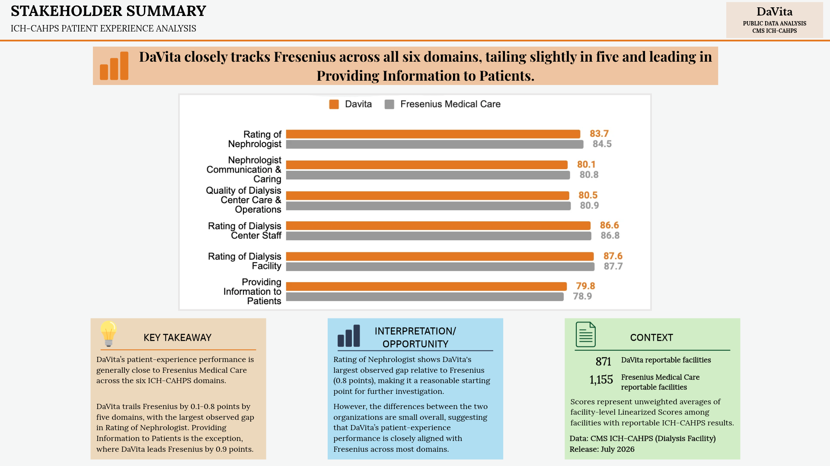

DaVita closely tracks Fresenius across all six domains, trailing slightly in five and leading in Providing Information to Patients.
Facility-Level Domain Comparison |  |  |  |  |  |  |  |  | Chart Data (DaVita vs. Fresenius)
Patient-Experience Domain | DaVita | Fresenius | U.S. Renal Care | American Renal Associates | Dialysis Clinic | Gap vs. Comparison Average | Gap vs. Fresenius | Primary Benchmark | Patient-Experience Domain | Davita | Fresenius Medical Care
Nephrologist Communication & Caring | 80.1 | 80.8 | 81.4 | 82.7 | 85.5 | -2.5 | -0.7 | Fresenius Medical Care | Rating of Nephrologist | 83.7 | 84.5
Quality of Dialysis Center Care & Operations | 80.5 | 80.9 | 81.6 | 82.4 | 86 | -2.2 | -0.4 |  | Nephrologist Communication & Caring | 80.1 | 80.8
Providing Information to Patients | 79.8 | 78.9 | 79.9 | 81.1 | 83.1 | -1.0 | 0.9 |  | Quality of Dialysis Center Care & Operations | 80.5 | 80.9
Rating of Nephrologist | 83.7 | 84.5 | 84.9 | 85.7 | 87.3 | -1.9 | -0.8 |  | Rating of Dialysis Center Staff | 86.6 | 86.8
Rating of Dialysis Center Staff | 86.6 | 86.8 | 87.5 | 88.4 | 91.2 | -1.9 | -0.2 |  | Rating of Dialysis Facility | 87.6 | 87.7
Rating of Dialysis Facility | 87.6 | 87.7 | 88.6 | 89.5 | 92.3 | -1.9 | -0.1 |  | Providing Information to Patients | 79.8 | 78.9

