Results
 |  | MaritalStatus_NumSingle | MaritalStatus_NumSingle | MaritalStatus_NumSingle | MaritalStatus_NumSingle | MaritalStatus_NumSingle | MaritalStatus_NumSingle | MaritalStatus_NumSingle | MaritalStatus_NumSingle
 |  | Number of Single persons in a HH | Number of Single persons in a HH | Number of Single persons in a HH | Number of Single persons in a HH | Number of Single persons in a HH | Number of Single persons in a HH | Number of Single persons in a HH | Number of Single persons in a HH
Number of HH Members | Presence of Children(0-16) in a HH -yes(1)/no(0) | 0 | 1 | 2 | 3 | 4 | 5 | 6 | 7
1 | 0 | 246 | 151 | 0 | 0 | 0 | 0 | 0 | 0 | 1-2 People HH | 0 'Single' in HH | Children 0-16 Present | 0 | Description: 1/2 Persons, 0 Singles, children present=yes (2max HH people couple with children)
2 | 0 | 833 | 341 | 76 | 0 | 0 | 0 | 0 | 0 | 1-2 People HH | 0 'Single' in HH | No Children 0-16 | 1079 | Description: 2people max, 0 Singles, children present=no (2 people max HH, couple with No children)
2 | 1 | 0 | 40 | 5 | 0 | 0 | 0 | 0 | 0 | 1-2 People HH | 1-2'Single' in HH | Children 0-16 Present | 45
3 | 0 | 137 | 928 | 180 | 39 | 0 | 0 | 0 | 0 | 1-2 People HH | 1-2 'Single' in HH | No Children 0-16 | 568
3 | 1 | 0 | 380 | 71 | 6 | 0 | 0 | 0 | 0 | 1-2 People HH | 3+ 'Single' in HH | Children 0-16 Present | 0
4 | 0 | 156 | 200 | 727 | 39 | 8 | 0 | 0 | 0 | 1-2 People HH | 3+ 'Single' in HH | No Children 0-16 | 0
4 | 1 | 0 | 140 | 1134 | 49 | 9 | 0 | 0 | 0 | 3+ People HH | 0 'Single' in HH | Children 0-16 Present | 3
5 | 0 | 20 | 137 | 122 | 182 | 3 | 3 | 0 | 0 | 3+ People HH | 0 'Single' in HH | No Children 0-16 | 325
5 | 1 | 2 | 188 | 573 | 628 | 9 | 3 | 0 | 0 | 3+ People HH | 1-2 'Single' in HH | Children 0-16 Present | 3197
6 | 0 | 10 | 13 | 54 | 27 | 18 | 0 | 0 | 0 | 3+ People HH | 1-2 'Single' in HH | No Children 0-16 | 2368
6 | 1 | 0 | 23 | 608 | 293 | 97 | 1 | 2 | 0 | 3+ People HH | 3+ 'Single' in HH | Children 0-16 Present | 1666
7 | 0 | 2 | 1 | 6 | 14 | 4 | 4 | 1 | 0 | 3+ People HH | 3+ 'Single' in HH | No Children 0-16 | 348
7 | 1 | 0 | 8 | 41 | 303 | 64 | 9 | 0 | 0
8 | 0 | 0 | 0 | 0 | 3 | 2 | 0 | 0 | 0 |  |  | Check Total | 9599
8 | 1 | 1 | 0 | 23 | 25 | 71 | 9 | 3 | 0
9 | 0 | 0 | 0 | 0 | 0 | 0 | 1 | 0 | 0
9 | 1 | 0 | 0 | 7 | 16 | 12 | 10 | 2 | 1 | 1-2 People HH | 0-2'Single' in HH | Children 0-16 Present | 45
10 | 1 | 0 | 0 | 0 | 1 | 19 | 11 | 0 | 0 | 1-2 People HH | 0-2'Single' in HH | No Children 0-16 | 1647
11 | 1 | 0 | 0 | 1 | 0 | 1 | 4 | 1 | 0 | 1-2 People HH | 3+ 'Single' in HH | Children 0-16 Present | 0
12 | 1 | 0 | 0 | 0 | 1 | 3 | 0 | 2 | 0 | 1-2 People HH | 3+ 'Single' in HH | No Children 0-16 | 0
13 | 1 | 0 | 0 | 0 | 0 | 0 | 0 | 0 | 1 | 3+ People HH | 0-2'Single' in HH | Children 0-16 Present | 3200
 |  |  |  |  |  |  |  |  |  | 3+ People HH | 0-2'Single' in HH | No Children 0-16 | 2693
 |  |  |  |  |  |  |  |  |  | 3+ People HH | 3+ 'Single' in HH | Children 0-16 Present | 1666
 |  |  |  |  |  |  |  |  |  | 3+ People HH | 3+ 'Single' in HH | No Children 0-16 | 348

 |  |  |  |  |  |  |  |  |  |  |  | Check Total | 9599
 |  |  |  |  |  |  |  |  |  | Final [proposed]:
 |  |  |  |  |  |  |  |  |  | 1-2 People HH | 0-2'Single' in HH | Children 0-16 Present | 45
 |  |  |  |  |  |  |  |  |  | 1-2 People HH | 0-2'Single' in HH | No Children 0-16 | 1647
 |  |  |  |  |  |  |  |  |  | 3+ People HH | 0-2'Single' in HH | Children 0-16 Present | 3200
 |  |  |  |  |  |  |  |  |  | 3+ People HH | 0-2'Single' in HH | No Children 0-16 | 2693
 |  |  |  |  |  |  |  |  |  | 3+ People HH | 3+ 'Single' in HH | Children 0-16 Present | 1666
 |  |  |  |  |  |  |  |  |  | 3+ People HH | 3+ 'Single' in HH | No Children 0-16 | 348

Software output
 | Independent Variables Used
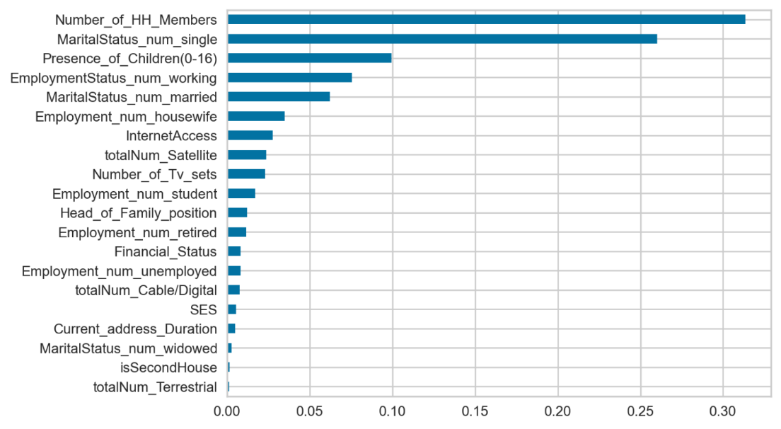
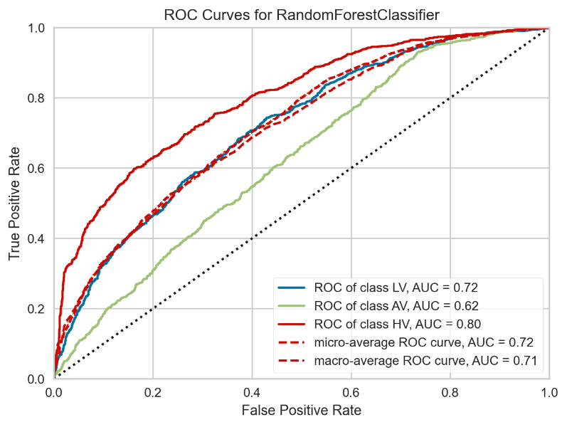
0 | Number_of_Tv_sets
1 | Total_SmartTVs
2 | totalNum_Terrestrial
3 | totalNum_Satellite
4 | totalNum_Cable/Digital
5 | Number_of_HH_Members
6 | InternetAccess
7 | SES
8 | Head_of_Family_position
9 | Financial_Status
10 | isSecondHouse
11 | Current_address_Duration
12 | EmploymentStatus_num_working
13 | Employment_num_unemployed
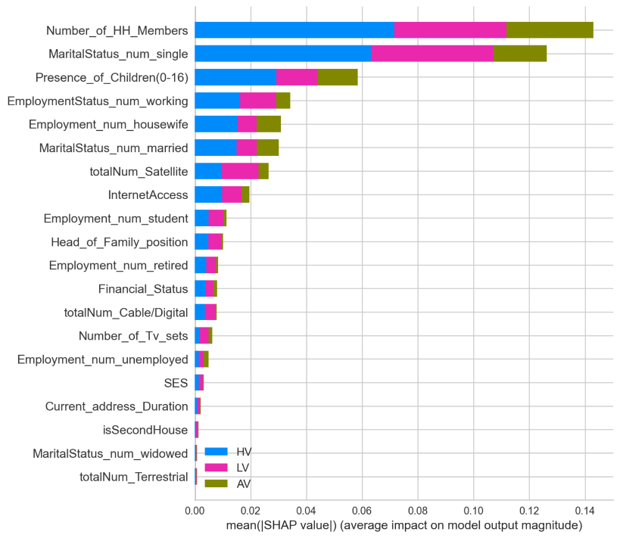
14 | Employment_num_housewife
15 | Employment_num_retired
16 | Employment_num_student
17 | MaritalStatus_num_single
18 | MaritalStatus_num_divorced
19 | MaritalStatus_num_married
20 | MaritalStatus_num_widowed
21 | Presence_of_Children(0-16)

