Dashboard
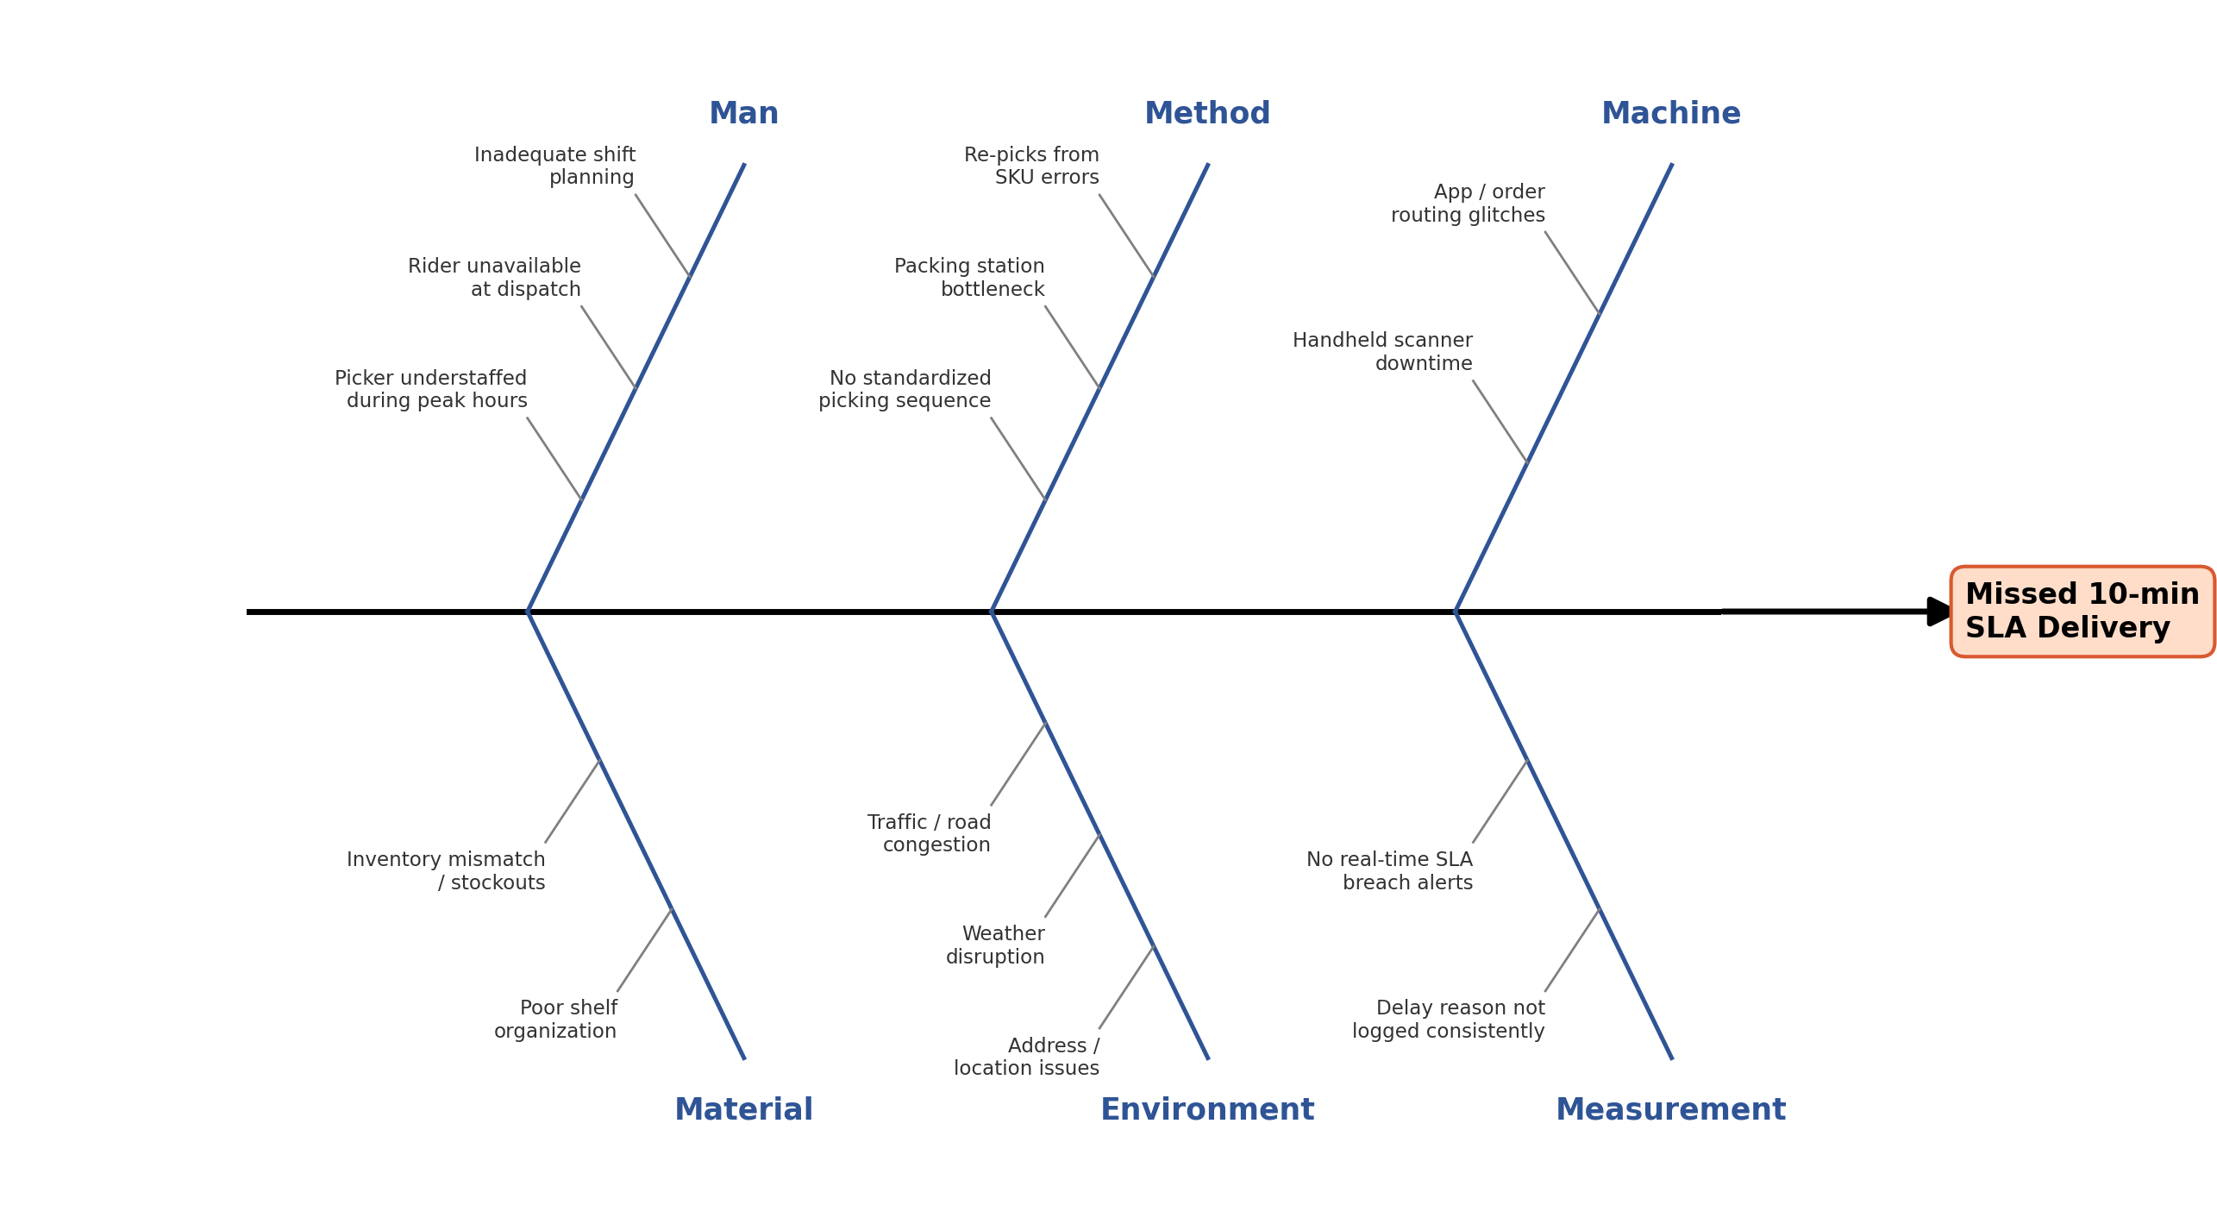
Dark Store & Last-Mile SLA Performance Dashboard
SLA Compliance Dashboard | Synthetic dataset, 30 days-operational Analysis

Total Orders | SLA Met (Y) | SLA Compliance % | Avg Delivery Time (min) | Peak SLA % | Non-Peak SLA %
45000 | 32728 | 72.73 | 8.28 | 63.63 | 96.52

SLA Compliance by Dark Store |  |  |  |  |  |  | Category | Breach_Count | Order_Hour | SLA_Pct
Dark_Store_ID | City | Zone | Rider_Fleet | Total_Orders | SLA_Met_Orders | SLA_% | Man | 6015 | 0 | 96.36
DS001 | Bengaluru | Koramangala | 22 | 4505 | 3279 | 72.79 | Method | 3406 | 1 | 96.53
DS002 | Bengaluru | Whitefield | 18 | 4409 | 3257 | 73.87 | Material | 1161 | 2 | 0
DS003 | Delhi | Saket | 25 | 4688 | 3393 | 72.38 | Environment | 998 | 3 | 0
DS004 | Delhi | Rohini | 17 | 4491 | 3213 | 71.54 | Machine | 692 | 4 | 0
DS005 | Mumbai | Andheri | 20 | 4463 | 3274 | 73.36 |  |  | 5 | 0
DS006 | Mumbai | Powai | 21 | 4420 | 3179 | 71.92 |  |  | 6 | 0
DS007 | Hyderabad | Gachibowli | 16 | 4491 | 3245 | 72.26 |  |  | 7 | 96.06
DS008 | Pune | Hinjewadi | 19 | 4613 | 3378 | 73.23 |  |  | 8 | 62.64
DS009 | Chennai | T Nagar | 18 | 4456 | 3221 | 72.28 | Time_Period | SLA_Pct | 9 | 63.61
DS010 | Kolkata | Salt Lake | 17 | 4464 | 3289 | 73.68 | Peak | 63.63 | 10 | 96.76
 |  |  |  |  |  |  | Non-Peak | 96.52 | 11 | 96.89
 |  |  |  |  |  |  |  |  | 12 | 63.89
 |  |  |  |  |  |  |  |  | 13 | 63.9
Pareto Analysis — Root Causes of SLA Breach |  |  |  |  |  |  |  |  | 14 | 62.65
Delay_Reason | Fishbone_Category | Breach_Count | Pct_of_Breaches | Cumulative_Pct |  |  |  |  | 15 | 95.9
Picker Unavailable / Understaffed | Man | 3238 | 26.39 | 26.39 |  |  |  |  | 16 | 97.25
Rider Unavailable at Dispatch | Man | 2777 | 22.63 | 49.02 |  |  |  |  | 17 | 95.44
Packing Station Bottleneck | Method | 1719 | 14.01 | 63.03 |  |  |  |  | 18 | 64.19
Incorrect Picking (SKU error, re-pick) | Method | 1687 | 13.75 | 76.78 |  |  |  |  | 19 | 64.03
Inventory Mismatch / Stockout | Material | 1161 | 9.46 | 86.24 |  |  |  |  | 20 | 63.89
Traffic / Road Congestion | Environment | 679 | 5.53 | 91.77 |  |  |  |  | 21 | 63.6
App/Order Routing Glitch | Machine | 387 | 3.15 | 94.92 |  |  |  |  | 22 | 97.11
Handheld Scanner Downtime | Machine | 305 | 2.49 | 97.41 |  |  |  |  | 23 | 96.77
Customer Address / Location Issue | Environment | 246 | 2 | 99.41
SLA Breaches by Root-Cause Category (Fishbone)
Weather Disruption | Environment | 73 | 0.59 | 100

SLA Compliance % by Dark Store

SLA % — Peak vs Non-Peak

Pareto Chart — Root Causes of SLA Breach

Daily SLA Compliance Trend (30 Days)
 | SLA_Pct
2025-06-01 | 72.5
2025-06-02 | 69.57
2025-06-03 | 73.92
2025-06-04 | 72.21
2025-06-05 | 74.48
2025-06-06 | 72.16
2025-06-07 | 72.26
2025-06-08 | 72.25
2025-06-09 | 74.25
2025-06-10 | 73.37
2025-06-11 | 74.28
2025-06-12 | 72.56
2025-06-13 | 73.99
2025-06-14 | 70.46
2025-06-15 | 70.8
2025-06-16 | 72.79
2025-06-17 | 72.01
2025-06-18 | 73.07
2025-06-19 | 73.81
2025-06-20 | 73.03
2025-06-21 | 72.96
2025-06-22 | 71.46
2025-06-23 | 72.75
2025-06-24 | 73.4
2025-06-25 | 73.02
2025-06-26 | 72.6
2025-06-27 | 72.7
2025-06-28 | 72.68
2025-06-29 | 75.42
2025-06-30 | 72.03

Hourly SLA Compliance (24-Hour Pattern)

Fishbone (Ishikawa) Diagram — Root Cause Categories

