GA4 Certification
Name | GA4 Completion | GA4 Certification link | GA4 Certiticate Expiration | Comments
Bhavani V | Yes |  | 9-May-25
Krishna Kumar | No
Pooja Manohar Jadhav | Yes | https://skillshop.credential.net/1ca90f03-5556-4d10-9dbc-4fc225cfffa8 | 7-May-25
Mohit Goyal | Yes | https://skillshop.exceedlms.com/student/award/UAN9Uog1aUWTXmghVHHPdHMd | 22-Mar-25
Gajendra Reddy | Yes |  | 10-May-25 | 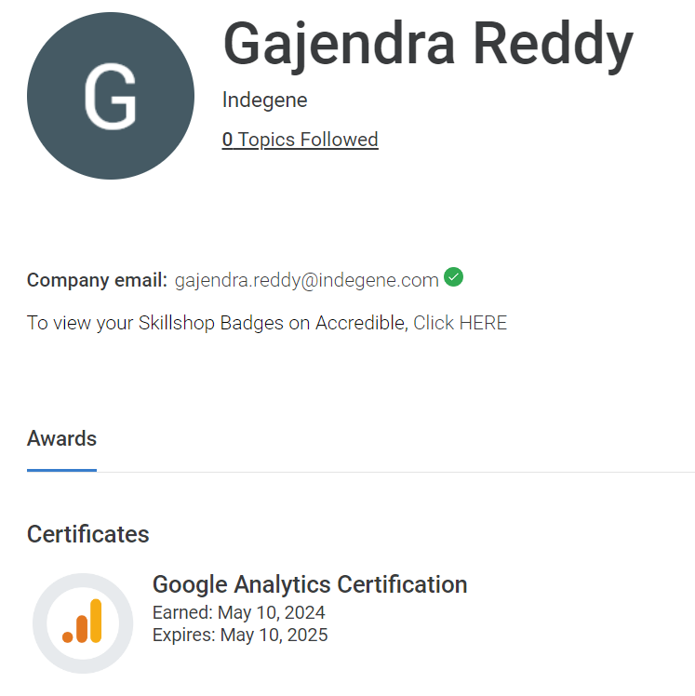
Apurv Rustagi | Yes | https://skillshop.credential.net/14fbfcb1-3c07-4c9e-a5c1-5488f5470a2c#acc.DexSdvgk | 21-May-26
Arpana Kulkarni | Yes |  | 14-May-25 | 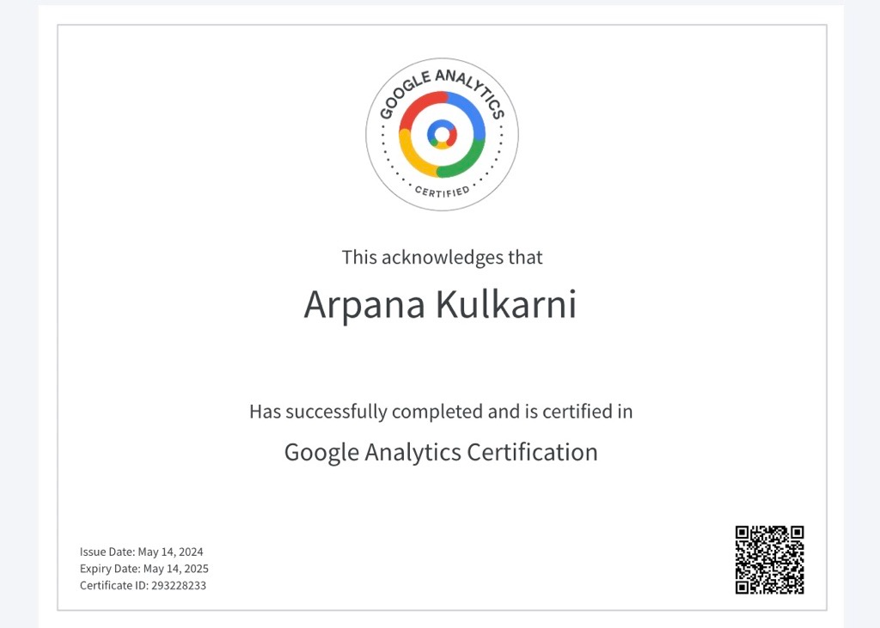
Atul Thakur | Yes |  | 14-May-25 | https://skillshop.exceedlms.com/profiles/f5aeb7efc8f24e05aac8ba37a38029bc

 |  |  |  | 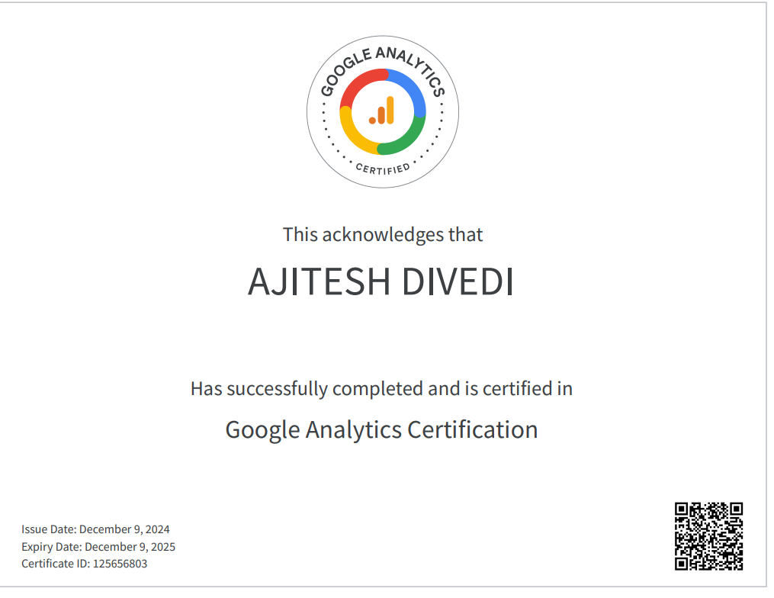

 |  |  |  |  | Yes
 |  |  |  |  | No

