Index
Power Query and Power Pivot Excel Dashboards with Ashutosh Gautam

Go to Sheet
 | Active Dashboard
Go to Sheet
 | Excel Version Differences

Go to Sheet
 | Dashboard Protection

DashBoard
 | F | M
<30 | 83 | 95
30-49 | 30 | 56
50+ | 11 | 38
HR Management Dashboard | Total Emp | 60.4% | 39.6% |  |  |  |  |  |  | Turn Over

Go Back to Index
 |  |  |  | Hourly | 95.8% | 89.5% | Full Time | 22.2% | 40.3%
 | 313 | 189 | 124 | Salary | 4.2% | 10.5% | Part Time | 77.8% | 59.7% |  | 174.76% | 166.67% | 187.10%
Total Active Employees
 | Active Employee | New Hires
Qtr1 | 58 | 1
Qtr2 | 65 | 7
Qtr3 | 69 | 4
Qtr4 | 77 | 9
Qtr1 | 86 | 7
Qtr2 | 92 | 6
Qtr3 | 105 | 15
Qtr4 | 118 | 17
Qtr1 | 123 | 14
Qtr2 | 124 | 28
Qtr3 | 130 | 38
Qtr4 | 136 | 39
Qtr1 | 139 | 29
Qtr2 | 197 | 116
Qtr3 | 200 | 79
Qtr4 | 189 | 34
Actives by Ethenic Group
 | FT | PT
F | 5 | 13
M | 7 | 18
F | 7 | 8
M | 5 | 22
F | 6 | 7
M | 2 | 38
F | 5 | 13
M | 8 | 17
F | 11 | 10
M | 4 | 17
F | 6 | 13
M | 6 | 19
F | 10 | 10
M | 10 | 16

Saperations
 | Saperation | Bad Hires
2015 | 4 | 4
2016 | 27 | 26
2018 | 284 | 198
Active Employee by Region
 | FT | PT
Central | 10 | 32
North | 17 | 52
South | 15 | 63
Average Tenure - Months
 | FT | PT
F | 50 | 38
M | 181 | 21
F | 72 | 11
M | 61 | 15
F | 67 | 12
M | 207 | 21
F | 111 | 24
M | 88 | 21
F | 85 | 14
M | 35 | 34
F | 80 | 11
M | 97 | 15
F | 62 | 7
M | 125 | 21

Termination Reason
 | Involuntary | Voluntary
2015 | 4
2016 | 20 | 7
2018 | 64 | 220

Protection
Go back to Index
Protecting Your Dashboard

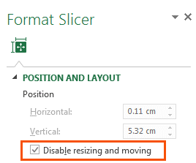
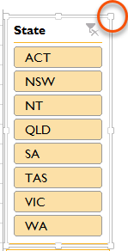
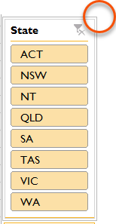
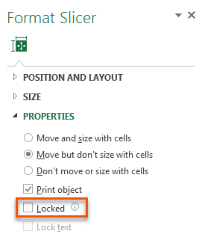
1. Slicers - prevent users activating the pull handles when using the Slicer by selecting 'Disable resizing and moving' in the Slicer Position and Layout setting (right-click Slicer).
Or Slicers - Simply protect the worksheet containing the Dashboard, but make sure you 'unprotect' Slicers so that they can still be clicked:
Before Disabling Resizing
After Disabling Resizing

2. Worksheet Protection - You'll find the Worksheet Protection on the Review tab:

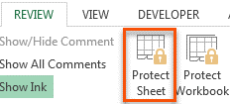
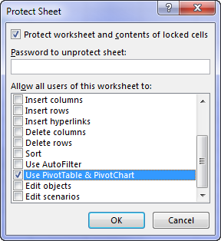

If your Dashboard sheet contains a PivotTable, make sure 'Use PivotTable & PivotChart' is checked so that Slicers work.
Note, this will prevent the PivotTables in the entire file from being refreshed, so if you're planning on updating your dashboard with new data, then option 3 is preferred.

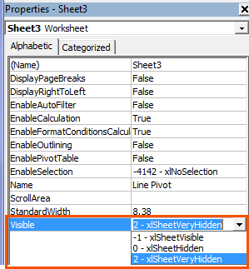
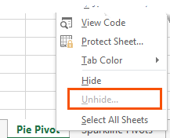
3. Hide Worksheets
A better solution is to set the property for the
sheets containing your data and workings to
VeryHidden in the VB Editor Alt+F11.
When you right-click the sheet tab there is no
indication that worksheets are hidden when
their properties are set to 'xlSheetVeryHidden'

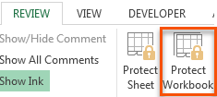
4. Protect Workbook
Once you've 'VeryHidden' the sheets containing your workings and data you need to protect your workbook so your users can't unhide them.
WARNING: this protection is not bullet proof. If a user wants to get to your underlying data they can find a way. A Google search will reveal various ways to crack your password, or simply remove the protection.
Therefore Worksheet Protection should be used to prevent users breaking your report, but don't count on it protecting super sensitive information.

Versions
Go back to Index
Excel Version Diffrences

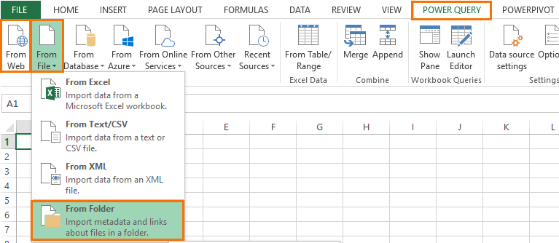
Power Query: In Excel 2010 and 2013 Power Query is on its own tab in the Ribbon (see first image below), whereas in Excel 2016 onward it's included in the Data tab in the Get and Transform group of buttons (see second image below).
Power Query Load To dialog box
In Excel 2013 the Power Query Load To dialog box has less options than Excel 2016 onward, but you can still load direct to the Data Model, which is Power Pivot (see image on right).
In Excel 2010 you can't load your data direct to Power Pivot as the data model is an add-in that's integrated differently. Instead, in Excel 2010 we need to load it to Power Pivot via the Existing Connections. I cover this in detail in my Power Query course.
Excel 2010 & 2013

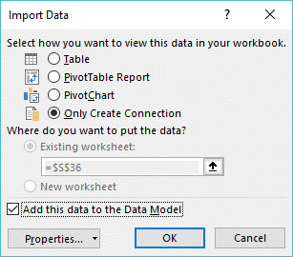
Excel 2016
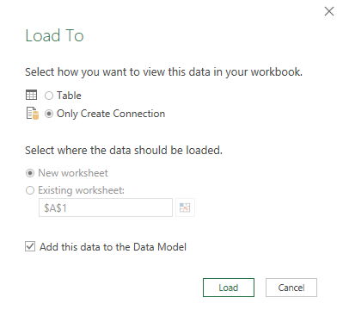
Excel 2013

Excel 2016

Power Pivot: The icon for adding an Excel Table to Power Pivot/Data Model is slighly different in each version of Excel:
Excel 2010
Excel 2016
Excel 2013

