Sheet1
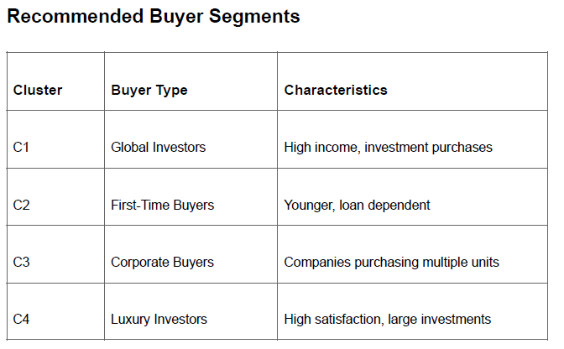
 | FOR VISUALISATION
Raw Data | 1 | DELETE | Delete either client_ref or client_id, both are common columns
Visualisation Data |  |  | Delete first_name, and last_name
Model training Data |  |  | Delete unit_number
 | 2 | FEATURE EXTRACTION | Find age of the client from date_of_birth, substract birth date of the client from till date
 |  |  | Making different clusters for different types of property buyers
 |  |  | Extract a new feature from sale_price for different price segment property (such as cheap, normal, expensive, etc)
 | 3 | MISSING VALUES | Keep missing value rows for visualization Data is missing because of unsold property units, hence leading to lack of customer data.
 | FOR MODEL BUILDING
 | 3 | SCALER | unit_number, floor_area_sqft, sale_price, satisfaction_score
 | 4 | ENCODER (these features are also categorical features) | tower_number, unit_category, listing_status, client_type, gender, country, region, acquisition purpose, load_applied, referral_channel
 | 5 | MISSING VALUES | remove missing values while training the model

 |  |  | Once you remove all the rows with missing buyer data (the unsold units), the listing_status for all the remaining 7,305 rows will likely be exactly the same (e.g., "Sold"). If a column only has one unique value, it provides zero variance and zero information to the model. You should check this, and if it only has one value, drop the listing_status column before modeling.

 |  |  | 1. Clean the sale_price column (remove symbols, convert to numeric).
 |  |  | 2. Move tower_number to the Encoder list instead of the Scaler list.
 |  |  | 3. Drop unit_number for the model (unless you extract a floor_level feature).
 |  |  | 4. Add the extracted Age feature to the Scaler list.
 |  |  | 5. Check and likely drop listing_status after dropping missing values.

