bill
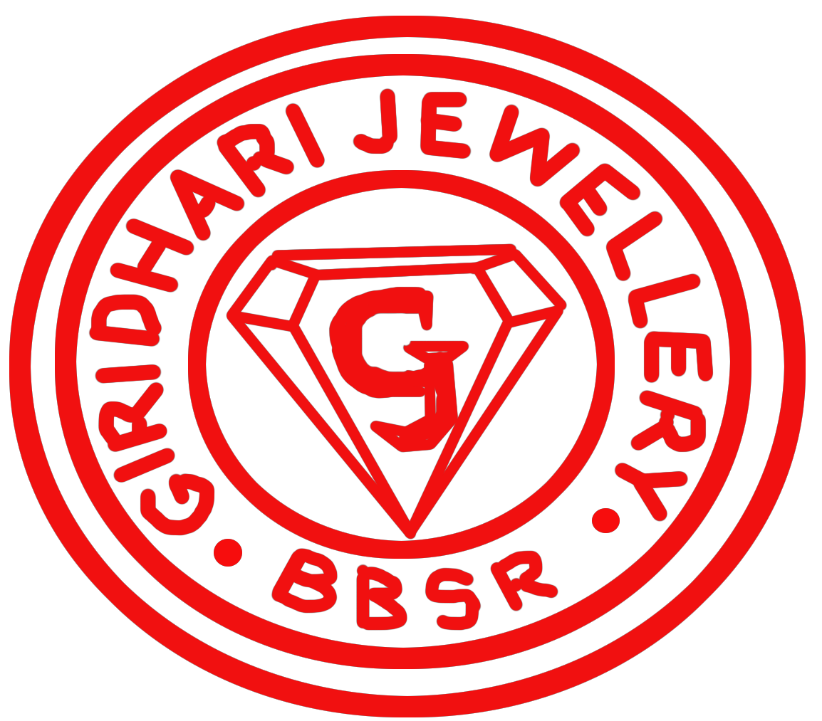

 |  |  | GIRIDHARI JEWELLERY
 |  |  | Badheibanka Chawk, Old Town, Bhubaneswar, Mob.: 9090280083,9861230757
 |  |  |  | 916 GOLD AND SILVER ORNAMENT
 |  |  |  |  | Tax Invoice
GSTIN - 21AYRPK4931F1ZH |  |  |  |  | Bill. No.: | 115 |  | Date: 23-Apr-22 - (Saturday)
Name: | Ashu |  |  | Mobile No. | 7894100604 |  | Addhar No. | 1234
 |  |  |  |  | Gold Rate: | 40000
Si. | Description Of Goods |  |  | HSN | Weight | MC | Unit | CGST | SGST | Net
 |  |  |  | SAC |  |  | Price | 1.5% | 1.5% | Total
1 | Fing |  |  | 7113 | 4.55gm | 1526.51 | 4000 | 377.18 | 377.18 | 25900

Si. |  |  | Old Jewellery |  |  |  |  | Weight | Unit Price | Total

Si. |  | Other Addition Or Deduction |  |  |  |  |  |  |  | Amount
1 | Others |  |  |  |  |  |  |  |  | 3000

 |  |  |  | Mode Of Payment |  |  |  | Credit Card
Total in Words |  | Twenty Eight Thousand, Nine Hundred |  |  |  |  |  |  | Total Paid : | 28900.0

