Dashboard
Sales Performance Dashboard 2024

Total Revenue | Total Orders | Best Salesperson | Return Rate
88015803 | 300 | Britney Siddaley | 29%

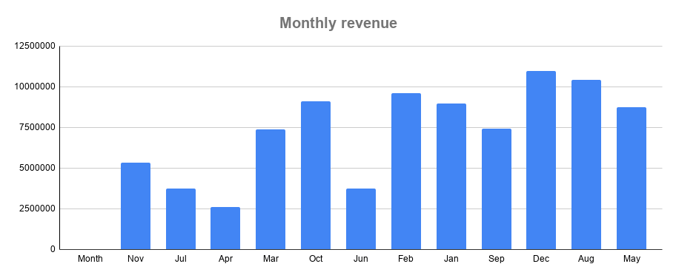
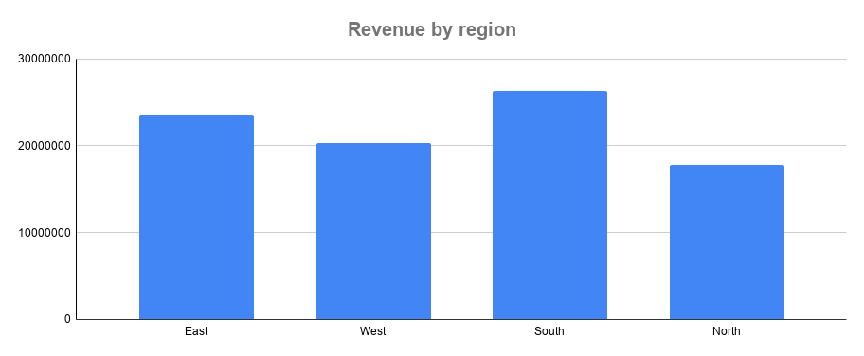

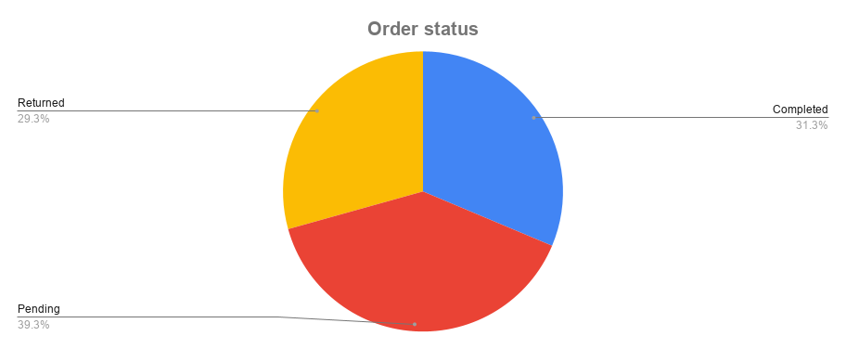
Month Number, East, North, South, West…

