Sling
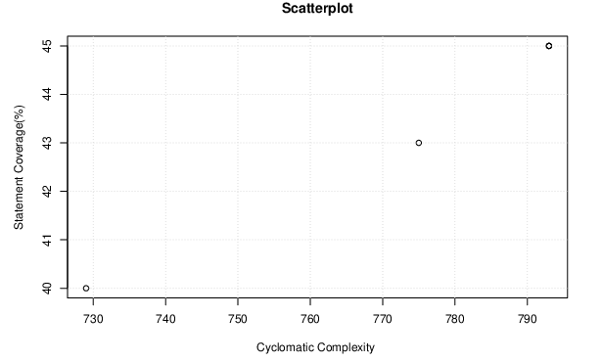
Version | Cyclomatic Complexity | Statement Coverage(%) |  | Pearson Correlation (R-value)
v2.15.0 | 729 | 40 |  | Spearman Correlation (rs)
v2.16.0 | 775 | 43
v2.18.0 | 793 | 45
v2.18.2 | 793 | 45
v2.20.0 | 793 | 45

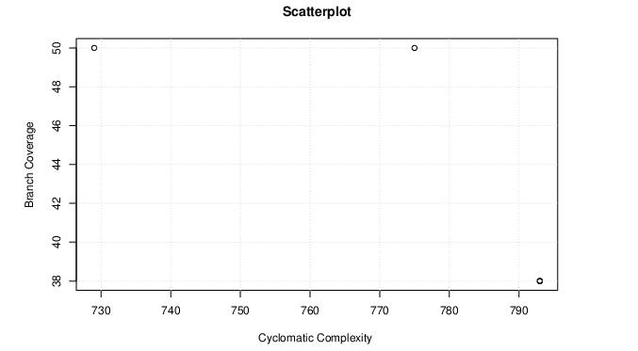
Version | Cyclomatic Complexity | Branch Coverage(%)
v2.15.0 | 729 | 50
v2.16.0 | 775 | 50 |  | Pearson Correlation (R-value)
v2.18.0 | 793 | 38 |  | Spearman Correlation (rs)
v2.18.2 | 793 | 38
v2.20.0 | 793 | 38

SEE ANALYSIS BELOW -
 | Pearson Correlation | How well x and y are correlated based on Pearson correlation
Line Coverage | 0.98611686457 | Very strong positive correlation

 | Pearson Correlation | How well x and y are correlated based on Pearson correlation
Branch Coverage | -0.94324221828 | Very strong negative correlation

 | Spearman Correlation rs | How well x and y are correlated based on rs? | Evidence for rejecting null hypothesis
Line Coverage | 1 | Perfect positive correlation | There is a 2% probability that your null hypothesis is correct p=0.02 (98% statistical significance level). So you must accept the alternative hypothesis (that there is a very strong positive correlation between your data sets) and reject the null hypothesis that there is no correlation. This correlation does not imply causation. One variable may not cause the other.

 | Spearman Correlation rs | How well x and y are correlated based on rs? | Evidence for rejecting null hypothesis
Branch Coverage | -0.525 | A moderate negative correlation | There is a 50% probability that your null hypothesis is correct p=0.50 (50% statistical significance level). So you must accept the null hypothesis that there is no correlation.

Math
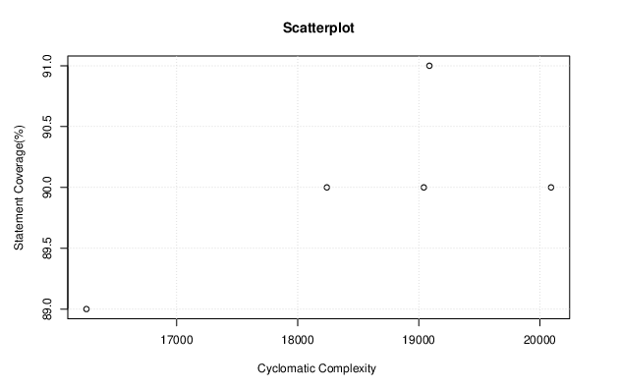
Version | Cyclomatic Complexity | Statement Coverage(%) |  | Pearson Correlation (R-value)
v 3.2 | 16,255 | 89 |  | Spearman Correlation (rs)
v 3.3 | 18,241 | 90
v 3.4 | 19,042 | 90
v 3.5 | 19,088 | 91
v 3.6 | 20,093 | 90

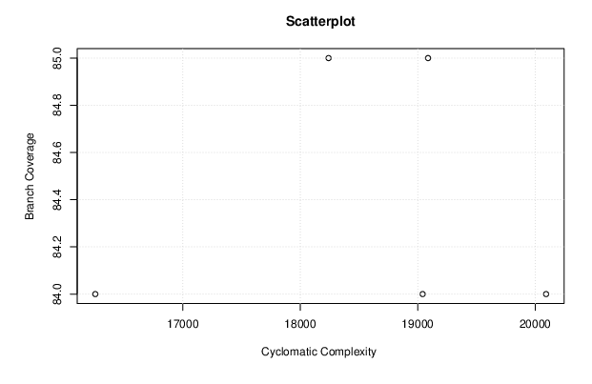
Version | Cyclomatic Complexity | Branch Coverage(%)
v 3.2 | 16,255 | 84 |  | Pearson Correlation (R-value)
v 3.3 | 18,241 | 85 |  | Spearman Correlation (rs)
v 3.4 | 19,042 | 84
v 3.5 | 19,088 | 85
v 3.6 | 20,093 | 84

SEE ANALYSIS BELOW -
 | Pearson Correlation | How well x and y are correlated based on Pearson correlation
Line Coverage | 0 | No correlation

 | Pearson Correlation | How well x and y are correlated based on Pearson correlation
Branch Coverage | -0.31506301891 | Positive correlation

 | Spearman Correlation rs | How well x and y are correlated based on rs? | Evidence for rejecting null hypothesis
Line Coverage | 0.2 | Weak positive correlation | There is a greater than 50% probability that your null hypothesis is correct p = > 0.50 (below 50% statistical significance level). So you must accept the null hypothesis that there is no correlation.

 | Spearman Correlation rs | How well x and y are correlated based on rs? | Evidence for rejecting null hypothesis
Branch Coverage | 0.225 | Weak positive correlation | There is a greater than 50% probability that your null hypothesis is correct p = > 0.50 (below 50% statistical significance level). So you must accept the null hypothesis that there is no correlation.

Lang
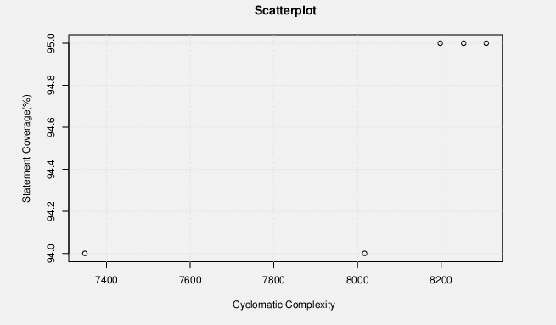
Version | Cyclomatic Complexity | Statement Coverage(%) |  | Pearson Correlation (R-value)
v3.4 | 7,348 | 94 |  | Spearman Correlation (rs)
v 3.5 | 8,017 | 94
v 3.6 | 8,198 | 95
v 3.7 | 8,254 | 95
v 3.8 | 8,308 | 95

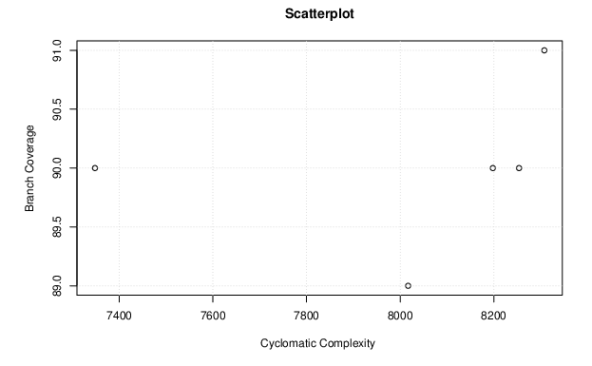
Version | Cyclomatic Complexity | Branch Coverage(%)
v3.4 | 7,348 | 90 |  | Spearman Correlation (rs)
v 3.5 | 8,017 | 89 |  | Pearson Correlation (R-value)
v 3.6 | 8,198 | 90 |  | Spearman Correlation (rs)
v 3.7 | 8,254 | 90
v 3.8 | 8,308 | 91

SEE ANALYSIS BELOW -
 | Pearson Correlation | How well x and y are correlated based on Pearson correlation
Line Coverage | 0.6123724357 | strong positive correlation

 | Pearson Correlation | How well x and y are correlated based on Pearson correlation
Branch Coverage | 0.79056941504 | strong positive correlation

 | Spearman Correlation rs | How well x and y are correlated based on rs? | Evidence for rejecting null hypothesis
Line Coverage | 0.75 | Strong positive correlation | There is a 50% probability that your null hypothesis is correct p=0.50 (50% statistical significance level). So you must accept the null hypothesis that there is no correlation.

 | Spearman Correlation rs | How well x and y are correlated based on rs? | Evidence for rejecting null hypothesis
Branch Coverage | 0.85 | Strong positive correlation | There is a 20% probability that your null hypothesis is correct p=0.20 (80% statistical significance level). So you must accept the null hypothesis that there is no correlation.

FileUpload
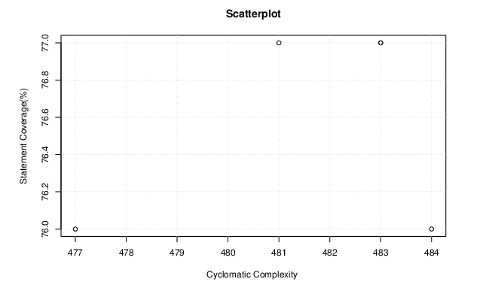
Version | Cyclomatic Complexity | Statement Coverage(%) |  | Pearson Correlation (R-value)
v 1.3 | 481 | 77 |  | Spearman Correlation (rs)
v 1.3.1 | 483 | 77 |  | Spearman Correlation (p)
v 1.3.2 | 483 | 77
v 1.3.3 | 484 | 76
v 1.4 | 477 | 76

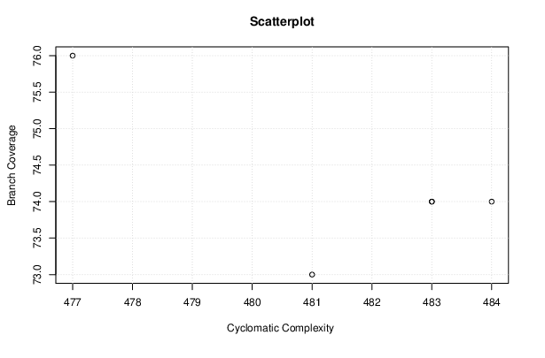

Version | Cyclomatic Complexity | Branch Coverage(%)
v 1.3 | 481 | 73 |  | Pearson Correlation (R-value)
v 1.3.1 | 483 | 74 |  | Spearman Correlation (rs)
v 1.3.2 | 483 | 74 |  | Spearman Correlation (p)
v 1.3.3 | 484 | 74
v 1.4 | 477 | 76

SEE ANALYSIS BELOW -
 | Pearson Correlation | How well x and y are correlated based on Pearson correlation
Line Coverage | 0.56949479745 | strong positive correlation

 | Pearson Correlation | How well x and y are correlated based on Pearson correlation
Branch Coverage | -0.97288694565 | Very strong negative correlation

 | Spearman Correlation rs | How well x and y are correlated based on rs? | Evidence for rejecting null hypothesis
Line Coverage | 0.55 | A moderate positive correlation | There is a 50% probability that your null hypothesis is correct p=0.50 (50% statistical significance level). So you must accept the null hypothesis that there is no correlation.

 | Spearman Correlation rs | How well x and y are correlated based on rs? | Evidence for rejecting null hypothesis
Branch Coverage | -0.675 | A moderate negative correlation | There is a 50% probability that your null hypothesis is correct p=0.50 (50% statistical significance level). So you must accept the null hypothesis that there is no correlation.

Common Collection
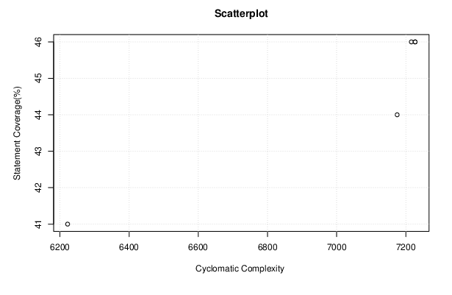
Version | Cyclomatic Complexity | Statement Coverage(%) |  |  | Pearson Correlation (R-value)
v 4.0 | 6,222 | 41 |  |  | Spearman Correlation (rs)
v 4.1 | 7,175 | 44 |  |  | Spearman Correlation (p)
v 4.2 | 7,216 | 46
v 4.3 | 7,227 | 46
v 4.3 RC2 | 7,227 | 46

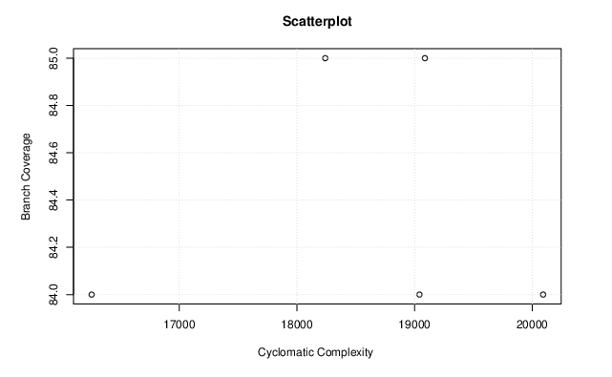
Version | Cyclomatic Complexity (%) | Branch Coverage(%)
v 4.0 | 6,222 | 77 |  |  | Pearson Correlation (R-value)
v 4.1 | 7,175 | 78 |  |  | Spearman Correlation (rs)
v 4.2 | 7,216 | 81 |  |  | Spearman Correlation (p)
v 4.3 | 7,227 | 81
v 4.3 RC2 | 7,227 | 81

SEE ANALYSIS BELOW -
 | Pearson Correlation | How well x and y are correlated based on Pearson correlation
Line Coverage |  | Very strong positive correlation

 | Pearson Correlation | How well x and y are correlated based on Pearson correlation
Branch Coverage |  | positive correlation

 | Spearman Correlation rs | Spearman Correlation p(2-tailed) | How well x and y are correlated based on rs? | Evidence for rejecting null hypothesis
Line Coverage |  |  | Perfect positive correlation | Very strong evidence for rejecting null hypothesis

 | Spearman Correlation rs | Spearman Correlation p(2-tailed) | How well x and y are correlated based on rs? | Evidence for rejecting null hypothesis
Branch Coverage |  |  | Very strong positive correlation | Very strong evidence for rejecting null hypothesis

