Collection
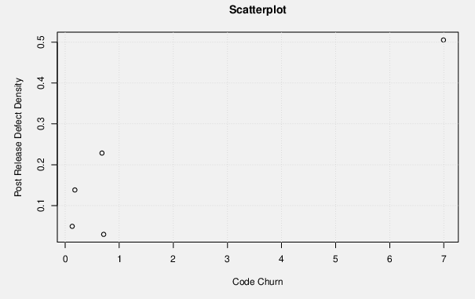
version | code churn | post release bug defect density
v4.0 | 6.993144284 | 0.5055611729
V4.1 | 0.6808971401 | 0.2285291429
V4.1-RC1 | 0.1794493964 | 0.1381442621
v4.2 | 0.1305091185 | 0.04902441416
v4.3 | 0.7123771334 | 0.02934128808

Formula Used -

Relative code churn = Churned LOC/ Total LOC

SEE ANALYSIS BELOW -
Project | Pearson Correlation | How well x and y are correlated based on Pearson correlation
Apache Commons Collections | 0.9510950073 | Very strong positive correlation

Project | Spearman Correlation rs | How well x and y are correlated based on rs? | Evidence for rejecting null hypothesis
Apache Commons Collections | 0.4 | Positively related | Very strong null hypothesis

Sling
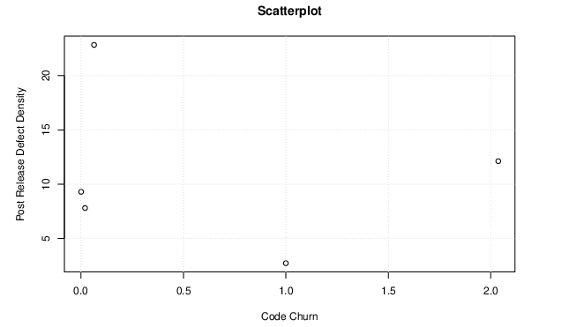
version | code churn | post release bug defect density
v2.15 | 1 | 2.715211355
v2.16 | 0.02004099294 | 7.800045548
v2.18 | 2.036526648 | 12.12020588
v2.18.2 | 0.0008298755187 | 9.294605809
v2.20 | 0.06406044678 | 22.83180026

Formula Used -

Relative code churn = Churned LOC/ Total LOC

SEE ANALYSIS BELOW -
Project | Pearson Correlation | How well x and y are correlated based on Pearson correlation
Apache Commons Collections | -0.1931447983 | weak negative correlation

Project | Spearman Correlation rs | How well x and y are correlated based on rs? | Evidence for rejecting null hypothesis
Apache Commons Collections | 0.1 | very weak positive correlation | Very strong null hypothesis

FileUpload
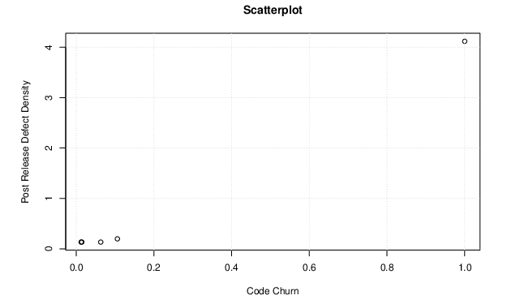
version | code churn | post release bug defect density
v1.3 | 1 | 4.119053946
v1.3.1 | 0.0631663113 | 0.1332622601
v1.3.2 | 0.01452558635 | 0.1332622601
v1.3.3 | 0.01257611861 | 0.1323801959
v1.4 | 0.1060297881 | 0.1968374779

Formula Used -

Relative code churn = Churned LOC/ Total LOC

SEE ANALYSIS BELOW -
Project | Pearson Correlation | How well x and y are correlated based on Pearson correlation
Apache Commons Collections | 0.9988429604 | Very strong positive correlation

Project | Spearman Correlation rs | How well x and y are correlated based on rs? | Evidence for rejecting null hypothesis
Apache Commons Collections | 0.975 | strong positively related | Very strong null hypothesis

Lang
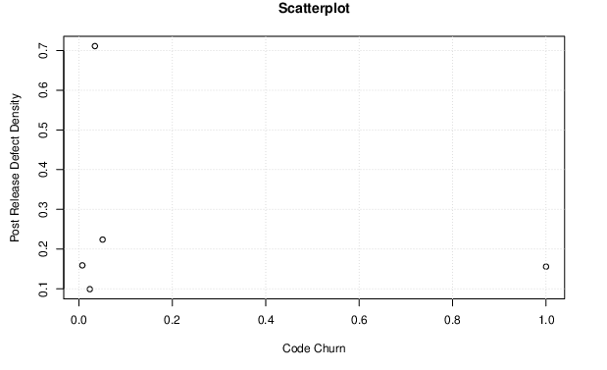
version | code churn | post release bug defect density
v1.3 | 1 | 0.1557052432
v1.3.1 | 0.03436146136 | 0.7112835435
v1.3.2 | 0.05086347304 | 0.2237943082
v1.3.3 | 0.02349611282 | 0.09887895979
v1.4 | 0.007406230522 | 0.1588795326

Formula Used -

Relative code churn = Churned LOC/ Total LOC

SEE ANALYSIS BELOW -
Project | Pearson Correlation | How well x and y are correlated based on Pearson correlation
Apache Commons Collections | -0.2431905594 | weak negative correlation

Project | Spearman Correlation rs | How well x and y are correlated based on rs? | Evidence for rejecting null hypothesis
Apache Commons Collections | 0.1 | very weak positive correlation | Very strong null hypothesis

