ASG
ASG : An Amazon EC2 Auto Scaling group (ASG) contains a collection of EC2 instances that share similar characteristics and are treated as a logical grouping for the purposes of fleet management and dynamic scaling.
We have to create a launch template then will be allowed to create an auto scaling group. In template, need to choose a sg, so we choosen as "my-first-security-group" because it has access only for ALB.
While creating ASG, choose all subnet that are available. So instance will be deployed in all 3 different subnet and will be highly available.
In Advance Details, choose Load Balancing as "Receive traffic from one or more load balancers" and in target group choose our target group which were created for ALB. That means if any instance get created in this ASG will registered in this tg.
Health check type choose as "ELB" and Health Check Grace Period (The length of time that Auto Scaling waits before checking an instance's health status) as 60 sec

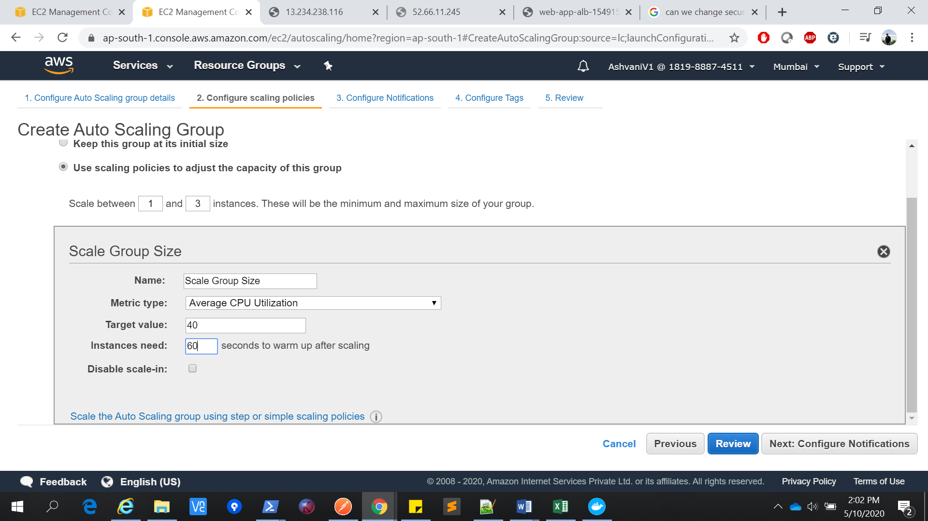

Once all the setup is competed, an instance would have been created and we can check it that in instances.
We choosed a target group as well, so if we see there also, a new entry would have been come for newly created instance.
So now if we hit load balancer, we could see the output from 2 different instances because whenever the request is coming, it is getting divided between these 2 instance.(misgt have same or different outcome based on instance data)

We can stop one instance and in Auto scaling , we can increase the ASG capacity from 1 to 2, so now the request will give the same output each time but request will go to different different instance each time.

