Sheet1
TEST CASE ID | MODULE | TEST CASE DESCRIPTION | TEST CASE STEPS | PRECONDITION | TEST DATA | EXPECTED RESULT | ACTUAL RESULT | STATUS | ATTACHMENT
TC_ABINT_001 | HOME PAGE | Verify whether the icon are functional | 1.Open https://abheesinteriors.com/ 2.click each individually | 1.user must have a proper internet connection 2.should be logged in 3.browser :brave 4.device :HP laptop | nil | user must be able to redirected to te prescribed page after clicking each icons | user is unable to redirected to the required field | Fail
TC_ABINT_002 | HOME PAGE | verify whether the learn more is working | 1.Open https://abheesinteriors.com/ 2.click the learn more button | 1.user must have a proper internet connection 2.should be logged in 3.browser :brave 4.device :HP laptop | nil | user must be able to enter into further details after cliking the learn more button | user is unable to redirected to the required field | Fail | 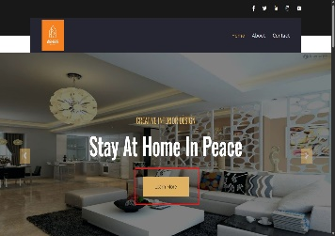
TC_ABINT_003 | HOME PAGE | verify whether the home button is working | 1.Open https://abheesinteriors.com/ 2.click the home button | 1.user must have a proper internet connection 2.should be logged in 3.browser :brave 4.device :HP laptop | nil | user must be able to redirect to the home page after clicking the home button | user is able to redirect to the home page after clicking the home button | Pass
TC_ABINT_004 | HOME PAGE | verify whether the contact us option is working | 1.Open https://abheesinteriors.com/ 2.click the contact us option | 1.user must have a proper internet connection 2.should be logged in 3.browser :brave 4.device :HP laptop | nil | user must be able to access the contact options after clicking the option | user is unable to access the contact details through the button | Faill
TC_ABINT_005 | HOME PAGE | verify whether the back to top icon is working | 1.Open https://abheesinteriors.com/ 2.click the contact us option | 1.user must have a proper internet connection 2.should be logged in 3.browser :brave 4.device :HP laptop | nil | user must be fast travelled to the top after clicking the back to top option | user Is redirected to the expected result | Pass
TC_ABINT_006 | HOME PAGE | verify whether the page is reloaded after clicking the page logo | 1.Open https://abheesinteriors.com/ 2.click the page logo option | 1.user must have a proper internet connection 2.should be logged in 3.browser :brave 4.device :HP laptop | nil | user page must be reloaded after clicking the logo page | user page is reloaded | Pass
TC_ABINT_007 | HOME PAGE | verify whether the category pictures is accessable | 1.Open https://abheesinteriors.com/ 2.click the category picture option | 1.user must have a proper internet connection 2.should be logged in 3.browser :brave 4.device :HP laptop | nil | user must be able to see the design ideas of differenr categories after clicking the pictures | user is unable to see the category pictures after clicking the pictures | Fail | 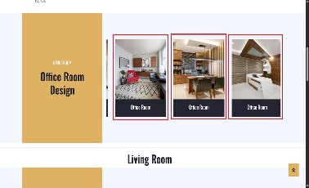
TC_ABINT_008 | HOME PAGE | after clicking the twitter and instagram icons the page is directed back to the home page | 1.Open https://abheesinteriors.com/ 2.click the icons | 1.user must have a proper internet connection 2.should be logged in 3.browser :brave 4.device :HP laptop | nil | user must be redirected to the prescribed site after clicking the icons | user Is redirected back to the home page | Fail

