8 Dec 2017
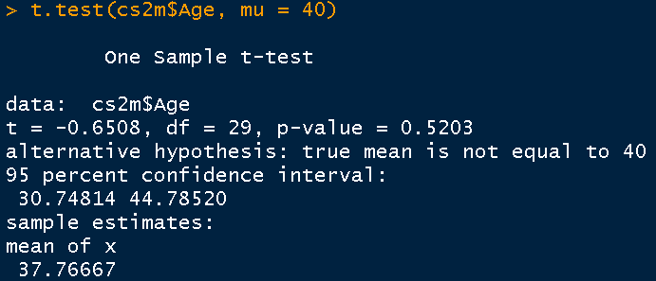
 |  |  |  |  |  | related samples t test
 | Population |  | One Sample t test |  |  | independent sample t test |  |  | cost
 | 200,000 | US |  | Mean Age of working professionals in IT Companies
 | 100,000 | Mexico
 | mean age < 40 |  |  | mean age > 40 |  |  |  | Type I Error is more expensive | Truth
 | 1 | Statement; Ho : The mean age is 40=mu |  |  |  | subjective, guess |  |  | Reality
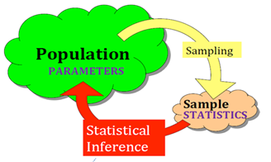
 |  | which we will test |  |  |  |  |  | TypeI Error | Rejected | TRUE
 |  |  |  | 0.05 |  |  |  | TypeII Error | Accepted | FALSE
 | 2 | Significance level = 5% |  |  | Type I Error, alpha, designed p value
t stat= -0.65
 |  | Critical values; 90%, 95%, 80%; = 1-significance level = CONFIDENCE LEVEL 95% |  |  |  |  |  |  |  |  |  |  | truth remains that mu NOT EQUAL TO 40 (FALSE)
 |  |  |  |  |  |  | x = sample mean = 37.77 |  |  |  |  |  |  | Ho: mu = 40, concluding = ACCEPTED
x= 37.77
 | 3 | calculate t statistics |  | SAMPLE 30# |  |  | = (x-mu)/SEmean |  | =SD/(SQRT(n) |  |  |  | alpha | Type II Error
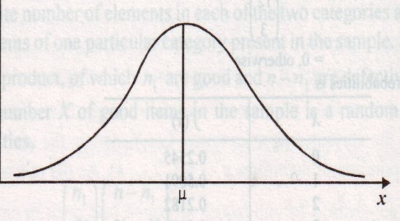
2.045
 |  |  |  |  |  |  | = -0.65
-2.045
 | 4 | critical value @ CONFIDENCE LEVEL OR SIGNIFICANCE LEVEL OR TYPE I ERROR

Decision | 5 | Compare critical value with t-statistics
 |  | OR |  |  |  |  | 0.5203 | 0.05 | ACCP
 | 6 | Find p-value, significance value |  |  |  | 0.52017189122 | if, p value<= alpha, Reject
= 40
 |  |  |  |  |  | 0.26008594561 | else ACCEPT
0.025
 | Wrong | Conclusion = The mean age is 36 years |  |  |  |  | 0.011 | REJ
0.025
 | Correct
 |  |  |  |  |  |  |  |  |  |  | rej zone | accept Ho |  | rej zone
 |  | t distribution = normal distribution
 |  | n --> large nos
x= 37.77
t stat= -2.7
 |  | small < 30
2.045
-2.045
30.75
44.79
 |  | z critical | t critical | df, degrees of freedom = n-1 = 30-1 = 29 |  |  |  | 2.0452296421 | =TINV(0.05,29)
 |  |  |  |  |  |  |  |  | n = 1000
 |  |  |  |  |  |  |  | 1.96 | 1.9623414611
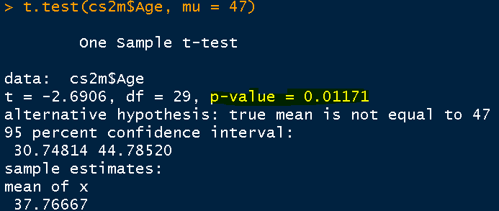
Significant, it means, p value <= alpha(0.05)
 |  |  |  |  |  |  |  | 2
= 47
sample mean + t crit*SEmean
37.77 + (2.045*3.43)
37.77 - (2.045*3.43) |  |  |  |  |  |  |  |  |  |  |  |  | truth remains that mu = 47
 |  |  |  |  |  |  |  |  |  |  |  |  | Ho: mu = 47, concluding = REJECT
 |  |  |  |  |  |  |  |  |  |  |  | alpha | Type I Error
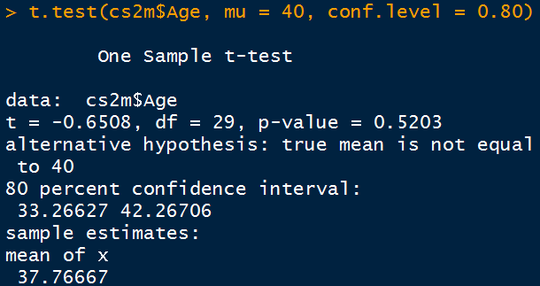

 | Excel's glory will enhance all the time
 | 2016 2007 excel

 | row size | 10 lacs

 |  | statistical softwares/languages
 |  | analyze BIG DATA
 |  |  |  |  |  |  |  | OLDEST
 |  | Christ University - UG Programmes statistics…….R |  |  |  |  | python | sas
 |  |  |  |  |  |  |  | statistical analysis systems - USA
 |  | Prerequisite / luxury |  |  |  | FREE |  | Very Expensive

 |  |  |  |  |  |  |  | Exact Science | approximation
 |  | CS | Data is to be made processible |  |  |  |  | physics
 |  |  |  |  |  |  |  | mathematics
 |  |  | Data Science |  | Analytics |  |  | chemistry
 |  |  |  |  | Data Cleaning |  |  | calculus
 |  |  |  |  |  |  |  | engg

 |  |  |  |  |  |  |  |  |  |  |  |  |  |  | active | inactive
 |  |  |  |  |  |  | 6 |  |  |  |  |  |  |  | 16
 |  |  |  |  | 65# |  | t1 | t2 |  |  |  | t10 |  |  | 12

 |  |  |  | Project | 10#
 |  |  |  |  |  |  |  |  |  |  |  |  |  | hyp
 |  |  |  |  |  |  |  |  |  |  |  |  |  | text mining
 |  |  |  |  |  |  |  |  |  |  |  |  |  | cluster analysis

age t
t= -0.65
n= | 30
s= | 18.796
Sample mean= | 37.77
Hypothesized mean = | 40
Sample mean - Hypo mean = | -2.23
SE of mean =s/sqrrt of n= | 3.431664397
t-statistics = | -0.64983044437
t-dist (p value for 2 tails) | 0.52093579621

0.2422
0.50-0.2422= 0.2578
0.2578
df 29, alpha/2 = 0.025 for 2 tail
 |  | Total Rejection Region = 0.2578+0.2578 = 0.5156 = 0.52
 |  | Observed probability =0.52, >0.05 hence accept Ho

indndnt t
BP | Anxty | BP | Anxty
100 | 0 | 110 | 1 | Mean x1= | 117.81 | n1= | 16 | s1= | 19.83 |  | n1+n2-2
120 | 0 | 120 | 1 | Mean x2= | 138.21 | n2= | 14 | s2= | 21.46 |  | 16+14-2 = 28
110 | 0 | 150 | 1
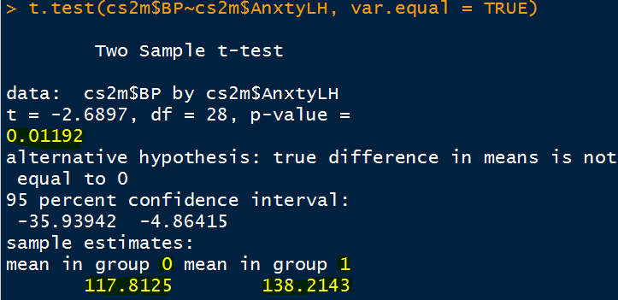
100 | 0 | 160 | 1 | σ=Spooled
95 | 0 | 120 | 1 | Numerator= | 11885.3443
125 | 0 | 120 | 1 | Denom= | 28
135 | 0 | 125 | 1 | σ=(N/D)^0.5= | 20.602829469
165 | 0 | 115 | 1
145 | 0 | 150 | 1
120 | 0 | 130 | 1 | t calc
100 | 0 | 170 | 1 | Num= | -20.4 |  |  |  |  | 0
100 | 0 | 145 | 1 | Denom=SE= | 7.5398635433
95 | 0 | 180 | 1 | t calc | -2.7056192573
120 | 0 | 140 | 1
125 | 0
130 | 0
117.8125 | <-avg-> | 138.21428571 |  |  |  |  |  |  |  |  | Ho: Mean BP of Low anxiety is same as Mean BP of high anxiety
 |  |  |  |  |  |  |  |  |  |  | 0.01192, < 0.05 ========== REJECT |  |  | categorical
 |  |  |  |  |  |  |  |  |  |  |  | tyre | carNO | F/R | treadLoss
 |  |  |  |  |  |  |  |  |  |  |  | 1 | 1 | F | 23
 |  |  |  |  |  |  |  |  |  |  |  | 2 | 1 | R | 27
 |  |  |  |  |  |  |  |  |  |  |  | 3 | 2 | R | 31
 |  |  |  |  |  |  |  |  |  |  |  | 4 | 2 | F | 28

 |  |  |  |  |  |  |  |  |  |  |  | 50

