Sheet1
Observation no | Advt | Sales
1 | 92 | 930
2 | 94 | 900
3 | 97 | 1020
4 | 98 | 990
5 | 100 | 1100
6 | 102 | 1050
7 | 104 | 1150
8 | 105 | 1120
9 | 105 | 1130
10 | 107 | 1200
11 | 107 | 1250
12 | 110 | 1220

 | #NAME?

 |  | SUMMARY OUTPUT

 |  | Regression Statistics
 |  | Multiple R | 0.94916657428
 |  | R Square | 0.90091718572
 |  | Adjusted R Square | 0.89100890429
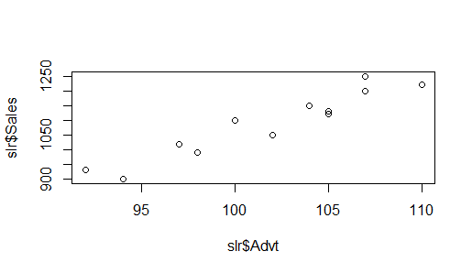
 |  | Standard Error | 37.10688403
 |  | Observations | 12

 |  | ANOVA
 |  |  | df | SS | MS | F | Significance F
 |  | Regression | 1 | 125197.45824 | 125197.45824 | 90.925675889 | 2.453819981E-06
 |  | Residual | 10 | 13769.208424 | 1376.9208424
 |  | Total | 11 | 138966.66667

 |  |  | Coefficients | Standard Error | t Stat | P-value | Lower 95% | Upper 95% | Lower 95.0% | Upper 95.0%
 |  | Intercept | -852.0842411 | 203.77588866 | -4.1814772431 | 0.0018832835904 | -1306.1252157 | -398.04326649 | -1306.1252157 | -398.04326649
 |  | Advt | 19.070442992 | 1.9999425136 | 9.5354955765 | 2.453819981E-06 | 14.614293376 | 23.526592608 | 14.614293376 | 23.526592608

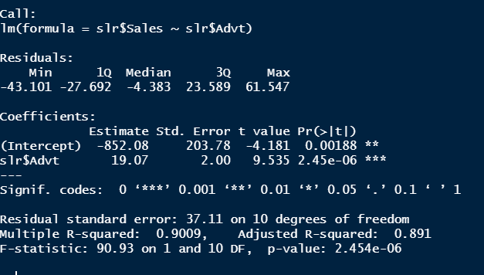
 |  | RESIDUAL OUTPUT

 |  | Observation | Predicted Sales | Residuals
 |  | 1 | 902.39651416 | 27.603485839
 |  | 2 | 940.53740015 | -40.537400145
 |  | 3 | 997.74872912 | 22.251270879
 |  | 4 | 1016.8191721 | -26.819172113
 |  | 5 | 1054.9600581 | 45.039941903
 |  | 6 | 1093.1009441 | -43.100944081
 |  | 7 | 1131.2418301 | 18.758169935
 |  | 8 | 1150.3122731 | -30.312273057
 |  | 9 | 1150.3122731 | -20.312273057
 |  | 10 | 1188.453159 | 11.546840959
 |  | 11 | 1188.453159 | 61.546840959
 |  | 12 | 1245.664488 | -25.664488017

