HB_Architecture
Entity/Model |  | Hibernate Session |  |  | Server / Database
 | User /Client /main() |  | hibernate.cfg.xml | Database specific info
 | Main Application -GUI
 |  |  | Save/Persist /SaveOrUpdate | CUST_GEN | cust_seq_ANTN | 125 | nextval | 126
Transient State
Persistant / Managed State
Class | Object |  |  |  | Table
Customer | Customer |  | Delete() |  | MyNewCust | CustId | custName | email | phone
int custId; | 1150 | temp/short lived | continuing to exist for longer period. | Flush |  | 126 | Ritwik | Ritwik@g.com | 123234345
String custName; | Ritwik |  | Customer | Automatically called when commit
String email; | Ritwik@g.com |  | 126
String phone; | 123234345 |  | Ritwik |  | find/get/load
Newly Created
 |  |  | Ritwik@g.com |  | All queries
setters getters |  |  | 123234345
constructors
toString |  |  | detach/evict/clear/close
Detached

 |  |  | Customer
 |  |  | 126
 |  | merge/update | Ritwik
 |  |  | Ritwik@g.com
Removed
 |  |  | 123234345

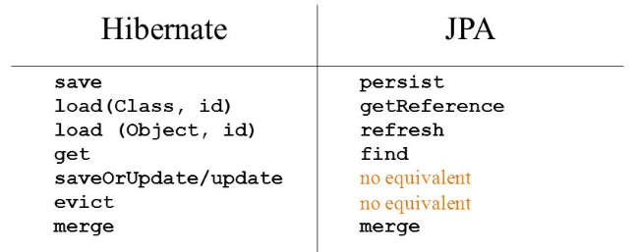
 |  |  |  | Garbage collected
 |  |  |  | close session / clear cache

 |  |  | ORM Softwares | Vendor Names
 |  |  | Hibernate | JBOSS
 |  |  | IBATIS | Apache
 |  |  | TopLink | Oracle Corporation
 |  |  | OJB(Object Java Bean) | Apache
 |  |  | JDO(Java Data Object) | Adobe

