Read me
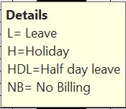
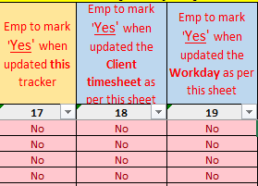
Select Appropriate non-billable reason for working days(Mon-Fri) from dropdown in each cell. If working days are blank but allocation on billed code, then will be considered as billable days unless below reason is selected. | Once update is done, pls Mark 'Yes' appropriately 1. This leave tracker 2. Client timesheet if applicable 3. Workday

