nm_oil_price
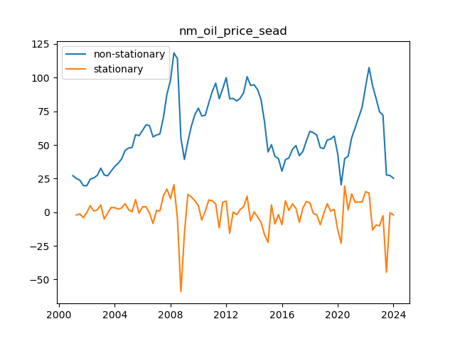
 | nm_oil_price | nm_oil_price_sead
2001-04-01 | 25.088831885 | -2.0720467819
2001-07-01 | 23.900175494 | -1.188656391
2001-10-01 | 19.760642549 | -4.1395329444
2002-01-01 | 19.701433119 | -0.059209430451
2002-04-01 | 24.594711434 | 4.8932783155
2002-07-01 | 25.530095403 | 0.9353839687
2002-10-01 | 27.35501083 | 1.8249154271
2003-01-01 | 32.775897332 | 5.420886502
2003-04-01 | 27.690137002 | -5.0857603298
2003-07-01 | 27.070278362 | -0.61985864021
2003-10-01 | 30.614304406 | 3.5440260436
2004-01-01 | 33.981369903 | 3.3670654974
2004-04-01 | 36.362768964 | 2.3813990612
2004-07-01 | 39.591402468 | 3.2286335037
2004-10-01 | 45.96021923 | 6.3688167617
2005-01-01 | 47.733339374 | 1.7731201446
2005-04-01 | 48.142475537 | 0.40913616313
2005-07-01 | 57.60110803 | 9.4586324925
2005-10-01 | 56.879735871 | -0.72137215904
2006-01-01 | 60.867537321 | 3.9878014503
2006-04-01 | 64.942352671 | 4.0748153495
2006-07-01 | 64.358535745 | -0.58381692559
2006-10-01 | 56.006079254 | -8.3524564911
2007-01-01 | 57.373061794 | 1.3669825405
2007-04-01 | 58.298673664 | 0.92561186968
2007-07-01 | 70.539569086 | 12.240895422
2007-10-01 | 87.751604824 | 17.212035738
2008-01-01 | 97.866076213 | 10.114471388
2008-04-01 | 118.42173809 | 20.555661875
2008-07-01 | 114.05543059 | -4.3663074997
2008-10-01 | 55.124800602 | -58.930629985
2009-01-01 | 39.228336567 | -15.896464036
2009-04-01 | 52.462601821 | 13.234265254
2009-07-01 | 63.857772208 | 11.395170387
2009-10-01 | 72.482726192 | 8.6249539844
2010-01-01 | 77.346191223 | 4.8634650304
2010-04-01 | 71.456542177 | -5.889649046
2010-07-01 | 72.1087266 | 0.65218442346
2010-10-01 | 81.223871522 | 9.115144922
2011-01-01 | 89.7412164 | 8.5173448774
2011-04-01 | 95.936009813 | 6.194793413
2011-07-01 | 84.301567709 | -11.634442103
2011-10-01 | 91.743916583 | 7.4423488737
2012-01-01 | 99.984407711 | 8.2404911284
2012-04-01 | 84.360843114 | -15.623564597
2012-07-01 | 84.529506295 | 0.16866318073
2012-10-01 | 82.725160404 | -1.8043458915
2013-01-01 | 84.662794792 | 1.9376343884
2013-04-01 | 88.741690927 | 4.0788961349
2013-07-01 | 100.72048062 | 11.978789689
2013-10-01 | 94.323529201 | -6.3969514144
2014-01-01 | 94.625983724 | 0.30245452267
2014-04-01 | 91.266637634 | -3.3593460901
2014-07-01 | 83.777259132 | -7.4893785017
2014-10-01 | 67.166765013 | -16.610494119
2015-01-01 | 44.839971735 | -22.326793278
2015-04-01 | 50.253587301 | 5.4136155663
2015-07-01 | 41.514710827 | -8.7388764742
2015-10-01 | 39.811825097 | -1.70288573
2016-01-01 | 30.501761063 | -9.3100640338
2016-04-01 | 39.051883925 | 8.5501228618
2016-07-01 | 40.420300904 | 1.3684169792
2016-10-01 | 46.640356511 | 6.2200556066
2017-01-01 | 49.582965001 | 2.9426084903
2017-04-01 | 42.076798778 | -7.5061662235
2017-07-01 | 45.089168799 | 3.0123700216
2017-10-01 | 53.003064432 | 7.9138956323
2018-01-01 | 60.052075535 | 7.049011104
2018-04-01 | 59.15456836 | -0.8975071757
2018-07-01 | 57.293355741 | -1.8612126187
2018-10-01 | 47.997148254 | -9.2962074873
2019-01-01 | 47.259953761 | -0.73719449266
2019-04-01 | 53.613680999 | 6.3537272378
2019-07-01 | 54.365560734 | 0.75187973491
2019-10-01 | 56.566430537 | 2.200869803
2020-01-01 | 43.465758882 | -13.100671655
2020-04-01 | 20.376926253 | -23.088832629
2020-07-01 | 39.811973861 | 19.435047608
2020-10-01 | 41.660168537 | 1.8481946762
2021-01-01 | 55.364769826 | 13.704601289
2021-04-01 | 62.748868612 | 7.3840987859
2021-07-01 | 70.325344476 | 7.5764758638
2021-10-01 | 78.017151667 | 7.6918071912
2022-01-01 | 93.299826694 | 15.282675027
2022-04-01 | 107.53270694 | 14.232880242
2022-07-01 | 94.200351367 | -13.33235557
2022-10-01 | 84.695404365 | -9.5049470014
2023-01-01 | 74.607937566 | -10.087466799
2023-04-01 | 72.131554978 | -2.4763825875
2023-07-01 | 27.624836198 | -44.50671878
2023-10-01 | 27.296861106 | -0.32797509202
2024-01-01 | 25.25484955 | -2.0420115563

wti_spot_price
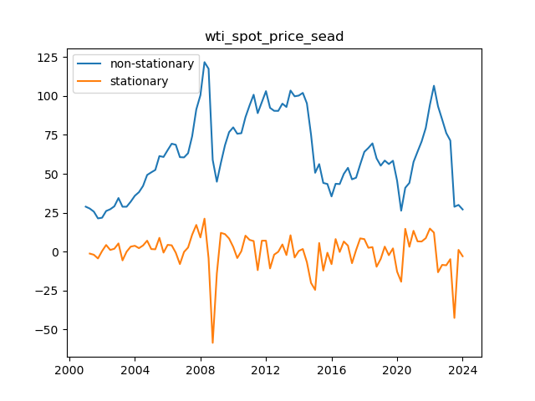
 | wti_spot_price_sea | wti_spot_price_sead
2001-04-01 | 27.699687541 | -1.2104777933
2001-07-01 | 25.730333004 | -1.9693545374
2001-10-01 | 21.387950075 | -4.3423829289
2002-01-01 | 21.815040502 | 0.42709042728
2002-04-01 | 26.129851666 | 4.314811164
2002-07-01 | 27.25750523 | 1.1276535634
2002-10-01 | 29.148620294 | 1.8911150641
2003-01-01 | 34.468131891 | 5.3195115976
2003-04-01 | 28.87850109 | -5.5896308011
2003-07-01 | 28.870413068 | -0.0080880221571
2003-10-01 | 32.130409722 | 3.2599966536
2004-01-01 | 35.930253171 | 3.7998434495
2004-04-01 | 38.206934236 | 2.2766810649
2004-07-01 | 42.198725204 | 3.9917909683
2004-10-01 | 49.266382816 | 7.0676576122
2005-01-01 | 50.959215009 | 1.6928321924
2005-04-01 | 52.502304661 | 1.5430896522
2005-07-01 | 61.406729713 | 8.9044250522
2005-10-01 | 60.829215115 | -0.57751459848
2006-01-01 | 65.217935393 | 4.3887202783
2006-04-01 | 69.321840116 | 4.1039047226
2006-07-01 | 68.664070656 | -0.65776945939
2006-10-01 | 60.70217393 | -7.9618967261
2007-01-01 | 60.546301477 | -0.15587245289
2007-04-01 | 63.233873622 | 2.687572145
2007-07-01 | 74.150483109 | 10.916609486
2007-10-01 | 91.343569178 | 17.19308607
2008-01-01 | 100.49153729 | 9.1479681086
2008-04-01 | 121.70184436 | 21.210307069
2008-07-01 | 117.46614439 | -4.2356999621
2008-10-01 | 58.936035113 | -58.53010928
2009-01-01 | 44.92085614 | -14.015178974
2009-04-01 | 57.016174922 | 12.095318782
2009-07-01 | 68.310432479 | 11.294257557
2009-10-01 | 76.767449445 | 8.4570169663
2010-01-01 | 79.839437378 | 3.0719879332
2010-04-01 | 75.757212586 | -4.0822247928
2010-07-01 | 76.072807011 | 0.31559442552
2010-10-01 | 86.371773223 | 10.298966212
2011-01-01 | 93.952794245 | 7.5810210218
2011-04-01 | 100.79583093 | 6.843036687
2011-07-01 | 88.960323851 | -11.83550708
2011-10-01 | 96.018881943 | 7.0585580922
2012-01-01 | 103.09342247 | 7.0745405312
2012-04-01 | 92.366267233 | -10.727155241
2012-07-01 | 90.447711261 | -1.9185559728
2012-10-01 | 90.411222591 | -0.036488670095
2013-01-01 | 95.068783172 | 4.6575605816
2013-04-01 | 92.921986679 | -2.1467964935
2013-07-01 | 103.47709423 | 10.555107554
2013-10-01 | 99.772946774 | -3.7041474581
2014-01-01 | 100.24485557 | 0.47190879769
2014-04-01 | 101.97060788 | 1.7257523123
2014-07-01 | 95.224285744 | -6.7463221401
2014-10-01 | 75.175669687 | -20.048616057
2015-01-01 | 50.666961041 | -24.508708646
2015-04-01 | 56.246751084 | 5.5797900434
2015-07-01 | 44.134337974 | -12.11241311
2015-10-01 | 43.476567259 | -0.65777071479
2016-01-01 | 35.486380511 | -7.990186748
2016-04-01 | 43.604409841 | 8.1180293301
2016-07-01 | 43.426934648 | -0.17747519376
2016-10-01 | 49.97083228 | 6.5438976328
2017-01-01 | 53.856523493 | 3.8856912122
2017-04-01 | 46.473270526 | -7.3832529664
2017-07-01 | 47.48688252 | 1.0136119933
2017-10-01 | 56.028759324 | 8.5418768044
2018-01-01 | 64.108572259 | 8.0798129348
2018-04-01 | 66.626541154 | 2.5179688953
2018-07-01 | 69.56166614 | 2.9351249861
2018-10-01 | 59.902328341 | -9.6593377994
2019-01-01 | 55.257098089 | -4.6452302513
2019-04-01 | 58.519860934 | 3.2627628448
2019-07-01 | 56.269210917 | -2.2506500175
2019-10-01 | 58.397194352 | 2.1279834358
2020-01-01 | 45.608454088 | -12.788740265
2020-04-01 | 26.327610918 | -19.28084317
2020-07-01 | 41.017165694 | 14.689554776
2020-10-01 | 44.17390166 | 3.1567359658
2021-01-01 | 57.592483062 | 13.418581403
2021-04-01 | 64.235833099 | 6.6433500362
2021-07-01 | 70.786841949 | 6.5510088502
2021-10-01 | 79.466281871 | 8.6794399226
2022-01-01 | 94.306887704 | 14.840605833
2022-04-01 | 106.56244264 | 12.255554931
2022-07-01 | 93.36377203 | -13.198670605
2022-10-01 | 84.889991258 | -8.4737807719
2023-01-01 | 76.167379679 | -8.7226115787
2023-04-01 | 71.38344151 | -4.7839381689
2023-07-01 | 28.855085108 | -42.528356402
2023-10-01 | 30.03685209 | 1.1817669818
2024-01-01 | 27.11252232 | -2.9243297701

brent_spot_price
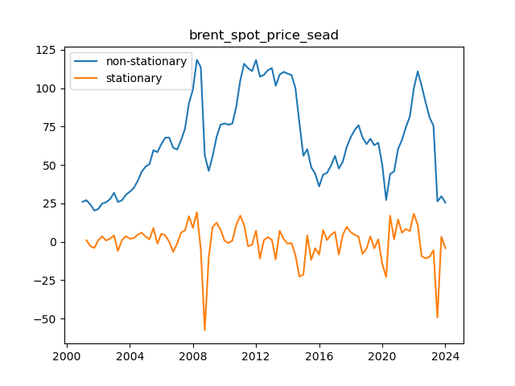
 | brent_spot_price_sea | brent_spot_price_sead
2001-04-01 | 27.07263961 | 1.0449394331
2001-07-01 | 24.308927728 | -2.7637118819
2001-10-01 | 20.340461117 | -3.968466611
2002-01-01 | 21.362576348 | 1.022115231
2002-04-01 | 24.89942145 | 3.5368451018
2002-07-01 | 25.754892872 | 0.85547142185
2002-10-01 | 27.799404848 | 2.0445119768
2003-01-01 | 31.909133011 | 4.1097281621
2003-04-01 | 25.984279666 | -5.9248533444
2003-07-01 | 26.961307808 | 0.97702814204
2003-10-01 | 30.613866991 | 3.6525591828
2004-01-01 | 32.645378016 | 2.0315110255
2004-04-01 | 35.00513901 | 2.3597609937
2004-07-01 | 39.617045722 | 4.6119067121
2004-10-01 | 45.571682216 | 5.9546364937
2005-01-01 | 48.960126287 | 3.3884440711
2005-04-01 | 50.59146215 | 1.6313358626
2005-07-01 | 59.596436691 | 9.0049745416
2005-10-01 | 58.39362993 | -1.2028067609
2006-01-01 | 63.64900561 | 5.2553756799
2006-04-01 | 67.792701365 | 4.1436957551
2006-07-01 | 67.830505529 | 0.037804163721
2006-10-01 | 61.256406206 | -6.574099323
2007-01-01 | 60.087971032 | -1.1684351738
2007-04-01 | 66.13151204 | 6.0435410075
2007-07-01 | 73.558815037 | 7.4273029969
2007-10-01 | 90.187601764 | 16.628786728
2008-01-01 | 99.222426075 | 9.0348243107
2008-04-01 | 118.47358899 | 19.251162916
2008-07-01 | 113.70113897 | -4.7724500186
2008-10-01 | 56.265477094 | -57.435661878
2009-01-01 | 46.157223566 | -10.108253528
2009-04-01 | 55.7491956 | 9.5919720349
2009-07-01 | 68.176069774 | 12.426874173
2009-10-01 | 76.207142135 | 8.0310723618
2010-01-01 | 77.043654469 | 0.83651233396
2010-04-01 | 76.233456703 | -0.81019776671
2010-07-01 | 76.947408475 | 0.71395177212
2010-10-01 | 88.037441269 | 11.090032794
2011-01-01 | 105.02142872 | 16.983987452
2011-04-01 | 115.93458687 | 10.913158152
2011-07-01 | 113.01462859 | -2.9199582843
2011-10-01 | 111.10319586 | -1.9114327315
2012-01-01 | 118.40181413 | 7.2986182733
2012-04-01 | 107.51792808 | -10.883886046
2012-07-01 | 108.66944751 | 1.1515194268
2012-10-01 | 111.66913923 | 2.9996917193
2013-01-01 | 113.09321258 | 1.4240733515
2013-04-01 | 101.62060743 | -11.472605156
2013-07-01 | 108.78818027 | 7.1675728398
2013-10-01 | 110.64259416 | 1.8544138902
2014-01-01 | 109.50452655 | -1.1380676041
2014-04-01 | 108.63054209 | -0.87398446232
2014-07-01 | 100.08865339 | -8.5418887006
2014-10-01 | 77.412732336 | -22.675921052
2015-01-01 | 56.041093115 | -21.371639221
2015-04-01 | 60.296661911 | 4.2555687958
2015-07-01 | 48.55058207 | -11.746079841
2015-10-01 | 44.38142147 | -4.1691605998
2016-01-01 | 36.061295615 | -8.3201258554
2016-04-01 | 43.724957601 | 7.6636619859
2016-07-01 | 44.865290727 | 1.1403331265
2016-10-01 | 49.496756746 | 4.6314660186
2017-01-01 | 55.936811573 | 6.4400548268
2017-04-01 | 47.628565203 | -8.3082463699
2017-07-01 | 52.054406147 | 4.4258409439
2017-10-01 | 61.773869375 | 9.7194632284
2018-01-01 | 68.089231025 | 6.31536165
2018-04-01 | 72.684049531 | 4.5948185059
2018-07-01 | 75.895732865 | 3.2116833334
2018-10-01 | 68.094348771 | -7.8013840936
2019-01-01 | 63.57332424 | -4.5210245312
2019-04-01 | 67.110138958 | 3.536814718
2019-07-01 | 62.893361651 | -4.2167773065
2019-10-01 | 64.481949344 | 1.5885876925
2020-01-01 | 50.143984849 | -14.337964495
2020-04-01 | 27.230116162 | -22.913868687
2020-07-01 | 44.181797893 | 16.951681732
2020-10-01 | 45.796144943 | 1.6143470499
2021-01-01 | 60.394401305 | 14.598256362
2021-04-01 | 66.338668388 | 5.9442670829
2021-07-01 | 74.591735623 | 8.2530672356
2021-10-01 | 81.588892266 | 6.9971566422
2022-01-01 | 99.825165092 | 18.236272826
2022-04-01 | 110.91536963 | 11.090204535
2022-07-01 | 101.53609846 | -9.3792711648
2022-10-01 | 90.800792948 | -10.735305513
2023-01-01 | 80.980203392 | -9.8205895557
2023-04-01 | 75.566273996 | -5.4139293964
2023-07-01 | 26.314549735 | -49.251724261
2023-10-01 | 29.627590651 | 3.3130409165
2024-01-01 | 25.531283297 | -4.0963073543

dubai_price
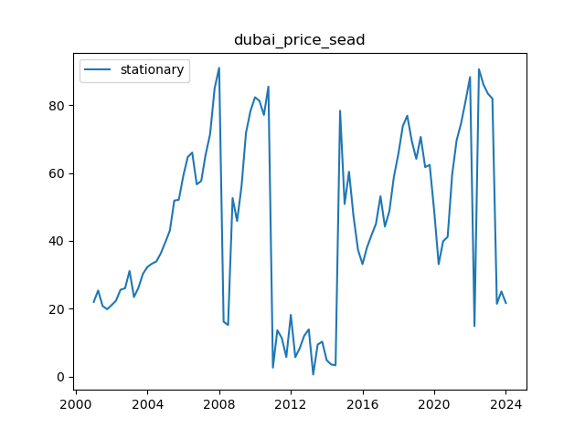
 | dubai_price_sea
2001-01-01 | 22.000184007
2001-04-01 | 25.356694631
2001-07-01 | 20.780828777
2001-10-01 | 19.839120485
2002-01-01 | 21.054339996
2002-04-01 | 22.390446221
2002-07-01 | 25.571611753
2002-10-01 | 26.010083791
2003-01-01 | 31.110477668
2003-04-01 | 23.432002443
2003-07-01 | 26.161316447
2003-10-01 | 30.290531586
2004-01-01 | 32.332695492
2004-04-01 | 33.2599947
2004-07-01 | 33.925084578
2004-10-01 | 36.392916226
2005-01-01 | 39.65992768
2005-04-01 | 43.01552
2005-07-01 | 51.902927481
2005-10-01 | 52.124401328
2006-01-01 | 59.230393278
2006-04-01 | 64.727644189
2006-07-01 | 66.065429717
2006-10-01 | 56.677594017
2007-01-01 | 57.660939479
2007-04-01 | 65.477634508
2007-07-01 | 71.520359555
2007-10-01 | 85.044730143
2008-01-01 | 91.039037319
2008-04-01 | 16.157069201
2008-07-01 | 15.168943546
2008-10-01 | 52.624620782
2009-01-01 | 45.857009818
2009-04-01 | 56.063722859
2009-07-01 | 71.87211385
2009-10-01 | 78.347329231
2010-01-01 | 82.369850425
2010-04-01 | 81.3117273
2010-07-01 | 77.155360465
2010-10-01 | 85.517796199
2011-01-01 | 2.5968159816
2011-04-01 | 13.633954403
2011-07-01 | 11.339367413
2011-10-01 | 5.716691206
2012-01-01 | 18.158962204
2012-04-01 | 5.6710605131
2012-07-01 | 8.3713621246
2012-10-01 | 12.052198108
2013-01-01 | 13.884380753
2013-04-01 | 0.57468757723
2013-07-01 | 9.4054118229
2013-10-01 | 10.273120865
2014-01-01 | 4.7743781225
2014-04-01 | 3.5406866322
2014-07-01 | 3.3094317107
2014-10-01 | 78.381724504
2015-01-01 | 50.880234884
2015-04-01 | 60.384507044
2015-07-01 | 47.324410153
2015-10-01 | 37.342178481
2016-01-01 | 33.128295394
2016-04-01 | 38.05675038
2016-07-01 | 41.636466428
2016-10-01 | 45.038738739
2017-01-01 | 53.169507315
2017-04-01 | 44.23497326
2017-07-01 | 48.75014967
2017-10-01 | 58.871839949
2018-01-01 | 65.684582755
2018-04-01 | 73.858210419
2018-07-01 | 76.939829325
2018-10-01 | 69.483708293
2019-01-01 | 64.185797491
2019-04-01 | 70.692058272
2019-07-01 | 61.766285196
2019-10-01 | 62.433377771
2020-01-01 | 48.763072788
2020-04-01 | 33.121917782
2020-07-01 | 39.899527023
2020-10-01 | 41.171798715
2021-01-01 | 59.534259037
2021-04-01 | 69.61819285
2021-07-01 | 74.645546606
2021-10-01 | 81.258923254
2022-01-01 | 88.328895529
2022-04-01 | 14.845542669
2022-07-01 | 90.634137119
2022-10-01 | 86.095091744
2023-01-01 | 83.41186224
2023-04-01 | 81.985328427
2023-07-01 | 21.431273405
2023-10-01 | 25.06606739
2024-01-01 | 21.659933298

index_china_gdp
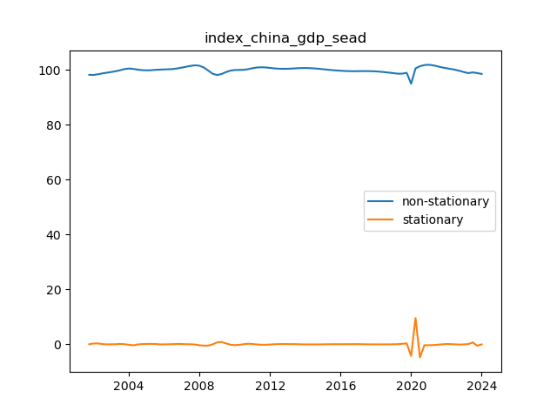
 | index_china_gdp_sea | index_china_gdp_sead | index_china_gdp_sead_1
2001-10-01 | 98.201104534 | -0.32201933864 | 0.0063413481147
2002-01-01 | 98.153884575 | -0.047219958471 | 0.27479938017
2002-04-01 | 98.41114272 | 0.25725814404 | 0.30447810251
2002-07-01 | 98.709636905 | 0.29849418573 | 0.041236041691
2002-10-01 | 98.976308301 | 0.26667139531 | -0.031822790429
2003-01-01 | 99.229815783 | 0.25350748216 | -0.013163913142
2003-04-01 | 99.486646781 | 0.25683099867 | 0.003323516508
2003-07-01 | 99.876172111 | 0.38952532963 | 0.13269433095
2003-10-01 | 100.28545902 | 0.40928690548 | 0.01976157585
2004-01-01 | 100.50444147 | 0.2189824494 | -0.19030445607
2004-04-01 | 100.33818639 | -0.16625507172 | -0.38523752113
2004-07-01 | 100.08942823 | -0.24875816614 | -0.082503094421
2004-10-01 | 99.901915315 | -0.18751291288 | 0.061245253261
2005-01-01 | 99.814275334 | -0.087639980831 | 0.099872932053
2005-04-01 | 99.864590017 | 0.050314682553 | 0.13795466338
2005-07-01 | 100.00384283 | 0.13925281134 | 0.088938128787
2005-10-01 | 100.10334123 | 0.099498406344 | -0.039754404996
2006-01-01 | 100.16106316 | 0.057721925849 | -0.041776480495
2006-04-01 | 100.22190927 | 0.060846112236 | 0.003124186387
2006-07-01 | 100.31456157 | 0.092652295609 | 0.031806183373
2006-10-01 | 100.53202688 | 0.21746531256 | 0.12481301695
2007-01-01 | 100.8336963 | 0.30166942221 | 0.084204109643
2007-04-01 | 101.14235033 | 0.3086540283 | 0.006984606097
2007-07-01 | 101.45294971 | 0.31059938136 | 0.001945353056
2007-10-01 | 101.66032738 | 0.20737767106 | -0.1032217103
2008-01-01 | 101.50807572 | -0.15225166339 | -0.35962933445
2008-04-01 | 100.85576043 | -0.65231528911 | -0.50006362572
2008-07-01 | 99.726986512 | -1.128773919 | -0.47645862992
2008-10-01 | 98.576983068 | -1.1500034445 | -0.021229525437
2009-01-01 | 98.109596544 | -0.4673865238 | 0.68261692067
2009-04-01 | 98.492631764 | 0.38303522019 | 0.85042174399
2009-07-01 | 99.178361431 | 0.68572966715 | 0.30269444695
2009-10-01 | 99.722779935 | 0.5444185042 | -0.14131116294
2010-01-01 | 99.948321041 | 0.22554110583 | -0.31887739837
2010-04-01 | 99.974150084 | 0.025829042516 | -0.19971206331
2010-07-01 | 100.01714974 | 0.042999656174 | 0.017170613658
2010-10-01 | 100.25454019 | 0.23739045487 | 0.19439079869
2011-01-01 | 100.59073815 | 0.3361979515 | 0.098807496629
2011-04-01 | 100.85807317 | 0.2673350282 | -0.068862923298
2011-07-01 | 100.95488789 | 0.096814718968 | -0.17052030923
2011-10-01 | 100.88566124 | -0.069226655897 | -0.16604137487
2012-01-01 | 100.71098571 | -0.17467553098 | -0.10544887508
2012-04-01 | 100.53791077 | -0.17307493783 | 0.001600593144
2012-07-01 | 100.42321202 | -0.1146987473 | 0.058376190538
2012-10-01 | 100.39030101 | -0.03291100988 | 0.081787737415
2013-01-01 | 100.41412431 | 0.023823294257 | 0.056734304137
2013-04-01 | 100.48166575 | 0.067541444054 | 0.043718149797
2013-07-01 | 100.57969556 | 0.098029812394 | 0.03048836834
2013-10-01 | 100.65074837 | 0.071052810291 | -0.026977002103
2014-01-01 | 100.66515269 | 0.014404316246 | -0.056648494045
2014-04-01 | 100.63029006 | -0.034862633783 | -0.049266950029
2014-07-01 | 100.54244558 | -0.08784447018 | -0.052981836397
2014-10-01 | 100.41000595 | -0.13243963355 | -0.044595163375
2015-01-01 | 100.2459428 | -0.16406315621 | -0.031623522652
2015-04-01 | 100.07503822 | -0.17090457896 | -0.006841422756
2015-07-01 | 99.921799505 | -0.15323871141 | 0.017665867554
2015-10-01 | 99.792020169 | -0.12977933537 | 0.023459376038
2016-01-01 | 99.679294357 | -0.1127258127 | 0.017053522668
2016-04-01 | 99.58635817 | -0.092936186832 | 0.01978962587
2016-07-01 | 99.529756024 | -0.056602145596 | 0.036334041236
2016-10-01 | 99.511992868 | -0.017763156044 | 0.038838989553
2017-01-01 | 99.529471872 | 0.01747900367 | 0.035242159714
2017-04-01 | 99.549690011 | 0.020218138979 | 0.002739135309
2017-07-01 | 99.555140255 | 0.0054502442059 | -0.014767894773
2017-10-01 | 99.518712488 | -0.036427767496 | -0.041878011702
2018-01-01 | 99.448478177 | -0.070234310137 | -0.033806542641
2018-04-01 | 99.326141449 | -0.12233672896 | -0.052102418825
2018-07-01 | 99.179283444 | -0.14685800444 | -0.024521275479
2018-10-01 | 98.987999045 | -0.19128439949 | -0.044426395051
2019-01-01 | 98.792980876 | -0.19501816844 | -0.0037337689452
2019-04-01 | 98.619371276 | -0.17360960024 | 0.021408568199
2019-07-01 | 98.619423285 | 5.2009514405E-05 | 0.17366160975
2019-10-01 | 98.926466786 | 0.3070435007 | 0.30699149119
2020-01-01 | 94.962539248 | -3.9639275386 | -4.2709710393
2020-04-01 | 100.53156016 | 5.5690209147 | 9.5329484533
2020-07-01 | 101.3163881 | 0.78482793609 | -4.7841929786
2020-10-01 | 101.75163772 | 0.43524962253 | -0.34957831357
2021-01-01 | 101.85080874 | 0.099171023353 | -0.33607859917
2021-04-01 | 101.65117474 | -0.19963400466 | -0.29880502801
2021-07-01 | 101.28974759 | -0.36142715266 | -0.161793148
2021-10-01 | 100.90094127 | -0.38880631627 | -0.027379163612
2022-01-01 | 100.59558435 | -0.30535692255 | 0.083449393726
2022-04-01 | 100.33513429 | -0.2604500611 | 0.044906861444
2022-07-01 | 100.04037606 | -0.29475822369 | -0.034308162591
2022-10-01 | 99.633730158 | -0.40664590536 | -0.11188768167
2023-01-01 | 99.1874352 | -0.44629495805 | -0.039649052693
2023-04-01 | 98.806505351 | -0.38092984888 | 0.065365109174
2023-07-01 | 99.093091035 | 0.28658568365 | 0.66751553253
2023-10-01 | 98.822080031 | -0.27101100404 | -0.55759668769
2024-01-01 | 98.522365108 | -0.29971492239 | -0.028703918353

index_us_gdp
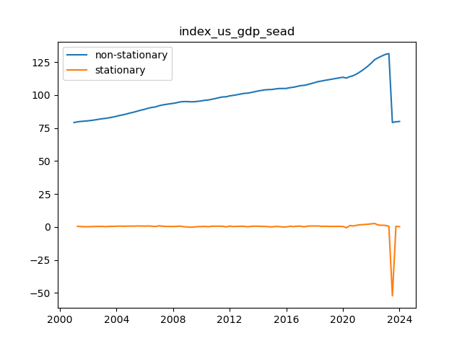
 | index_us_gdp_sea | index_us_gdp_sead
2001-04-01 | 79.683667988 | 0.48107099951
2001-07-01 | 80.007308064 | 0.32364007597
2001-10-01 | 80.234999852 | 0.22769178876
2002-01-01 | 80.50203526 | 0.26703540788
2002-04-01 | 80.783828365 | 0.28179310446
2002-07-01 | 81.182178132 | 0.3983497671
2002-10-01 | 81.629172718 | 0.44699458613
2003-01-01 | 82.043770871 | 0.41459815267
2003-04-01 | 82.328513479 | 0.28474260879
2003-07-01 | 82.802391369 | 0.47387788917
2003-10-01 | 83.300833094 | 0.49844172595
2004-01-01 | 83.895401639 | 0.59456854433
2004-04-01 | 84.570063368 | 0.67466172923
2004-07-01 | 85.110792026 | 0.54072865766
2004-10-01 | 85.766739159 | 0.65594713334
2005-01-01 | 86.460576397 | 0.69383723838
2005-04-01 | 87.084952215 | 0.62437581778
2005-07-01 | 87.861193193 | 0.77624097781
2005-10-01 | 88.582431705 | 0.7212385117
2006-01-01 | 89.222269008 | 0.63983730328
2006-04-01 | 90.011956283 | 0.78968727547
2006-07-01 | 90.602841362 | 0.59088507804
2006-10-01 | 90.957826432 | 0.35498507065
2007-01-01 | 91.862566853 | 0.90474042089
2007-04-01 | 92.471851095 | 0.60928424186
2007-07-01 | 92.900798363 | 0.42894726764
2007-10-01 | 93.309577125 | 0.40877876296
2008-01-01 | 93.683988981 | 0.37441185588
2008-04-01 | 94.155802835 | 0.47181385347
2008-07-01 | 94.805787818 | 0.64998498326
2008-10-01 | 95.037348834 | 0.23156101584
2009-01-01 | 95.05479571 | 0.017446875661
2009-04-01 | 94.877984346 | -0.17681136382
2009-07-01 | 94.921561782 | 0.043577436506
2009-10-01 | 95.235575754 | 0.31401397211
2010-01-01 | 95.562002624 | 0.32642686999
2010-04-01 | 96.019480909 | 0.45747828443
2010-07-01 | 96.252154913 | 0.23267400401
2010-10-01 | 96.81018556 | 0.55803064735
2011-01-01 | 97.388595667 | 0.57841010712
2011-04-01 | 98.010405221 | 0.62180955341
2011-07-01 | 98.564212661 | 0.55380744022
2011-10-01 | 98.678158396 | 0.11394573489
2012-01-01 | 99.367025851 | 0.68886745495
2012-04-01 | 99.726452809 | 0.35942695854
2012-07-01 | 100.1900931 | 0.46364028628
2012-10-01 | 100.70439739 | 0.51430429525
2013-01-01 | 101.2166259 | 0.5122285077
2013-04-01 | 101.42564064 | 0.20901473658
2013-07-01 | 101.8574436 | 0.43180296922
2013-10-01 | 102.48776295 | 0.63031934759
2014-01-01 | 103.03057084 | 0.54280788716
2014-04-01 | 103.50984379 | 0.47927294713
2014-07-01 | 103.92555241 | 0.41570862787
2014-10-01 | 104.12792177 | 0.20236935236
2015-01-01 | 104.21316522 | 0.085243456978
2015-04-01 | 104.63790679 | 0.42474156191
2015-07-01 | 104.9492244 | 0.31131761662
2015-10-01 | 104.96353 | 0.01430559803
2016-01-01 | 104.99540353 | 0.031873531808
2016-04-01 | 105.57706076 | 0.58165722719
2016-07-01 | 105.90162011 | 0.32455934788
2016-10-01 | 106.48303124 | 0.581411134
2017-01-01 | 107.13375603 | 0.6507247934
2017-04-01 | 107.29063143 | 0.15687539106
2017-07-01 | 107.89772073 | 0.60708930247
2017-10-01 | 108.66730393 | 0.76958320581
2018-01-01 | 109.39517864 | 0.72787470541
2018-04-01 | 110.16924771 | 0.77406907524
2018-07-01 | 110.62424583 | 0.45499811916
2018-10-01 | 111.16707214 | 0.54282630427
2019-01-01 | 111.62080046 | 0.45372831839
2019-04-01 | 112.08472336 | 0.46392290613
2019-07-01 | 112.54792986 | 0.46320649529
2019-10-01 | 113.02263738 | 0.47470751919
2020-01-01 | 113.4555416 | 0.4329042239
2020-04-01 | 112.89594378 | -0.55959781853
2020-07-01 | 113.96651844 | 1.0705746585
2020-10-01 | 114.7668179 | 0.80029946438
2021-01-01 | 116.14254092 | 1.375723016
2021-04-01 | 117.8271939 | 1.6846529833
2021-07-01 | 119.70888212 | 1.8816882114
2021-10-01 | 121.79319288 | 2.0843107662
2022-01-01 | 124.17499104 | 2.3817981556
2022-04-01 | 126.82412941 | 2.6491383765
2022-07-01 | 128.2715303 | 1.4474008876
2022-10-01 | 129.58968669 | 1.3181563932
2023-01-01 | 130.78928244 | 1.19959575
2023-04-01 | 131.37905459 | 0.58977214929
2023-07-01 | 79.211495079 | -52.167559515
2023-10-01 | 79.727411888 | 0.51591680958
2024-01-01 | 79.983504667 | 0.25609277823

us_unemploy
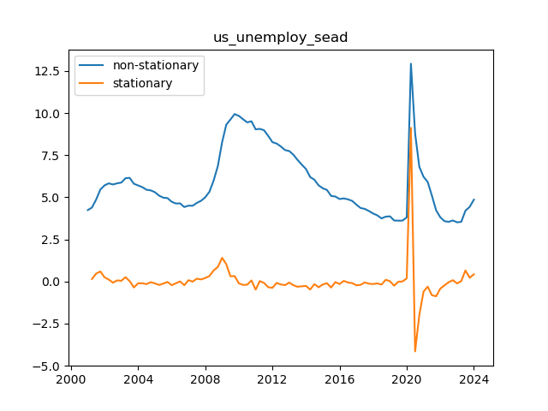
 | us_unemploy_sea | us_unemploy_sead
2001-04-01 | 4.3931351716 | 0.15107444485
2001-07-01 | 4.8641150896 | 0.470979918
2001-10-01 | 5.4623000744 | 0.59818498483
2002-01-01 | 5.7112007493 | 0.24890067484
2002-04-01 | 5.8291712236 | 0.11797047437
2002-07-01 | 5.7629444975 | -0.066226726177
2002-10-01 | 5.8301423852 | 0.067197887736
2003-01-01 | 5.8759200876 | 0.045777702375
2003-04-01 | 6.1342803467 | 0.25836025907
2003-07-01 | 6.1562867579 | 0.022006411278
2003-10-01 | 5.8053317862 | -0.35095497172
2004-01-01 | 5.7046140488 | -0.1007177374
2004-04-01 | 5.6018468704 | -0.10276717844
2004-07-01 | 5.450498047 | -0.15134882334
2004-10-01 | 5.4125845636 | -0.037913483397
2005-01-01 | 5.3032805707 | -0.10930399298
2005-04-01 | 5.0999634675 | -0.20331710315
2005-07-01 | 4.9793150553 | -0.12064841223
2005-10-01 | 4.9526081528 | -0.026706902469
2006-01-01 | 4.736884377 | -0.21572377581
2006-04-01 | 4.6322292307 | -0.10465514631
2006-07-01 | 4.6405224261 | 0.0082931954382
2006-10-01 | 4.4240935971 | -0.21642882907
2007-01-01 | 4.5050597667 | 0.08096616965
2007-04-01 | 4.4994493271 | -0.0056104396257
2007-07-01 | 4.6684362716 | 0.16898694455
2007-10-01 | 4.793808939 | 0.1253726674
2008-01-01 | 5.0055003741 | 0.21169143509
2008-04-01 | 5.3344275241 | 0.32892714997
2008-07-01 | 5.996602526 | 0.66217500194
2008-10-01 | 6.8636064395 | 0.8670039135
2009-01-01 | 8.2725890119 | 1.4089825724
2009-04-01 | 9.3049796324 | 1.0323906205
2009-07-01 | 9.6189037112 | 0.3139240788
2009-10-01 | 9.9422911934 | 0.32338748224
2010-01-01 | 9.8346032835 | -0.10768790994
2010-04-01 | 9.6363761681 | -0.19822711544
2010-07-01 | 9.4499610816 | -0.18641508644
2010-10-01 | 9.5149022864 | 0.064941204817
2011-01-01 | 9.0360839968 | -0.4788182896
2011-04-01 | 9.0636073383 | 0.027523341451
2011-07-01 | 8.9837966172 | -0.079810721095
2011-10-01 | 8.6488117179 | -0.33498489928
2012-01-01 | 8.2735075269 | -0.37530419101
2012-04-01 | 8.1921694425 | -0.081338084364
2012-07-01 | 8.0217936333 | -0.17037580919
2012-10-01 | 7.8065147119 | -0.21527892142
2013-01-01 | 7.7471704994 | -0.059344212489
2013-04-01 | 7.5279199534 | -0.21925054598
2013-07-01 | 7.2188046661 | -0.3091152873
2013-10-01 | 6.9389369547 | -0.27986771143
2014-01-01 | 6.6767943808 | -0.26214257395
2014-04-01 | 6.2019588224 | -0.47483555839
2014-07-01 | 6.0482196606 | -0.15373916175
2014-10-01 | 5.7096006383 | -0.3386190223
2015-01-01 | 5.5367908385 | -0.17280979983
2015-04-01 | 5.437937122 | -0.098853716464
2015-07-01 | 5.081776436 | -0.35616068607
2015-10-01 | 5.0481472719 | -0.033629164015
2016-01-01 | 4.8989021524 | -0.14924511949
2016-04-01 | 4.9365080191 | 0.037605866687
2016-07-01 | 4.8797398866 | -0.056768132579
2016-10-01 | 4.7876652287 | -0.092074657873
2017-01-01 | 4.564926704 | -0.22273852465
2017-04-01 | 4.3662334135 | -0.19869329055
2017-07-01 | 4.3143247594 | -0.051908654044
2017-10-01 | 4.1862220847 | -0.1281026747
2018-01-01 | 4.0366891648 | -0.14953291994
2018-04-01 | 3.9281439121 | -0.10854525272
2018-07-01 | 3.7489371995 | -0.1792067126
2018-10-01 | 3.8528436985 | 0.10390649904
2019-01-01 | 3.8730657386 | 0.020222040115
2019-04-01 | 3.6262086181 | -0.24685712052
2019-07-01 | 3.6149217155 | -0.011286902641
2019-10-01 | 3.618912946 | 0.0039912305311
2020-01-01 | 3.8090625835 | 0.19014963749
2020-04-01 | 12.932389616 | 9.1233270328
2020-07-01 | 8.7849992979 | -4.1473903184
2020-10-01 | 6.8083820034 | -1.9766172945
2021-01-01 | 6.2151362302 | -0.59324577327
2021-04-01 | 5.914086201 | -0.30105002919
2021-07-01 | 5.103163526 | -0.81092267494
2021-10-01 | 4.2294329793 | -0.87373054678
2022-01-01 | 3.8111458413 | -0.41828713795
2022-04-01 | 3.5847041946 | -0.22644164673
2022-07-01 | 3.5444510512 | -0.040253143328
2022-10-01 | 3.6272112308 | 0.082760179598
2023-01-01 | 3.5148234903 | -0.11238774055
2023-04-01 | 3.5464003857 | 0.031576895359
2023-07-01 | 4.2058791826 | 0.65947879699
2023-10-01 | 4.432572522 | 0.22669333935
2024-01-01 | 4.8624001991 | 0.42982767707

index_cboe_volt
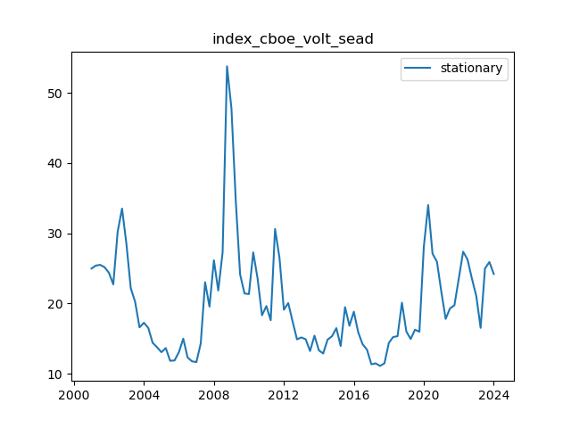
 | index_cboe_volt_sea
2001-01-01 | 24.991458721
2001-04-01 | 25.410035805
2001-07-01 | 25.512075671
2001-10-01 | 25.182126911
2002-01-01 | 24.369796048
2002-04-01 | 22.733795452
2002-07-01 | 30.21672628
2002-10-01 | 33.527721458
2003-01-01 | 28.459931587
2003-04-01 | 22.195486403
2003-07-01 | 20.260785545
2003-10-01 | 16.620580292
2004-01-01 | 17.277730673
2004-04-01 | 16.535940618
2004-07-01 | 14.426566569
2004-10-01 | 13.787427502
2005-01-01 | 13.087294286
2005-04-01 | 13.673207785
2005-07-01 | 11.863592964
2005-10-01 | 11.908975442
2006-01-01 | 13.101778837
2006-04-01 | 15.016997531
2006-07-01 | 12.330126838
2006-10-01 | 11.783056838
2007-01-01 | 11.686545803
2007-04-01 | 14.334250169
2007-07-01 | 23.042781083
2007-10-01 | 19.573474025
2008-01-01 | 26.165413635
2008-04-01 | 21.86806512
2008-07-01 | 27.307775274
2008-10-01 | 53.768500493
2009-01-01 | 47.806317907
2009-04-01 | 34.711544964
2009-07-01 | 24.167414842
2009-10-01 | 21.44357204
2010-01-01 | 21.352063707
2010-04-01 | 27.291485623
2010-07-01 | 23.583457374
2010-10-01 | 18.340210099
2011-01-01 | 19.649628804
2011-04-01 | 17.63528649
2011-07-01 | 30.618382128
2011-10-01 | 26.540643176
2012-01-01 | 19.130995996
2012-04-01 | 20.085240095
2012-07-01 | 17.468732025
2012-10-01 | 14.914542178
2013-01-01 | 15.185488331
2013-04-01 | 14.918508355
2013-07-01 | 13.253239686
2013-10-01 | 15.442771481
2014-01-01 | 13.343302305
2014-04-01 | 12.898675325
2014-07-01 | 14.868551864
2014-10-01 | 15.348779931
2015-01-01 | 16.509308258
2015-04-01 | 13.961841317
2015-07-01 | 19.499765756
2015-10-01 | 16.850347168
2016-01-01 | 18.849502205
2016-04-01 | 15.92689902
2016-07-01 | 14.226631731
2016-10-01 | 13.452181288
2017-01-01 | 11.368770888
2017-04-01 | 11.496859839
2017-07-01 | 11.129526287
2017-10-01 | 11.504221051
2018-01-01 | 14.415905095
2018-04-01 | 15.242551231
2018-07-01 | 15.357769085
2018-10-01 | 20.12994175
2019-01-01 | 16.046921159
2019-04-01 | 14.961196582
2019-07-01 | 16.284169547
2019-10-01 | 16.002694865
2020-01-01 | 28.079109727
2020-04-01 | 34.025213699
2020-07-01 | 27.103988788
2020-10-01 | 25.963655716
2021-01-01 | 21.685817466
2021-04-01 | 17.822103002
2021-07-01 | 19.326611984
2021-10-01 | 19.757060862
2022-01-01 | 23.591642437
2022-04-01 | 27.390427264
2022-07-01 | 26.29310743
2022-10-01 | 23.570405539
2023-01-01 | 21.06729562
2023-04-01 | 16.543778068
2023-07-01 | 25.000077446
2023-10-01 | 25.923153103
2024-01-01 | 24.216521854

index_ip_mining
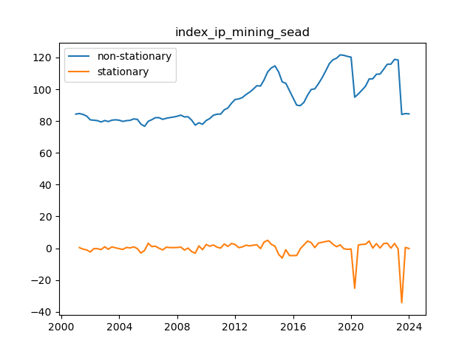
 | index_ip_mining_sea | index_ip_mining_sead
2001-04-01 | 84.751169874 | 0.40035976909
2001-07-01 | 84.186466395 | -0.56470347878
2001-10-01 | 83.137242127 | -1.0492242679
2002-01-01 | 80.764340609 | -2.3729015183
2002-04-01 | 80.52871518 | -0.23562542863
2002-07-01 | 80.263409145 | -0.26530603556
2002-10-01 | 79.407090893 | -0.85631825114
2003-01-01 | 80.325203053 | 0.91811215961
2003-04-01 | 79.684714103 | -0.64048895005
2003-07-01 | 80.563151199 | 0.87843709618
2003-10-01 | 80.797727231 | 0.23457603156
2004-01-01 | 80.524362035 | -0.27336519552
2004-04-01 | 79.777049655 | -0.74731238003
2004-07-01 | 80.256243152 | 0.47919349663
2004-10-01 | 80.449330062 | 0.1930869105
2005-01-01 | 81.324414199 | 0.87508413631
2005-04-01 | 81.101074917 | -0.2233392821
2005-07-01 | 78.0790366 | -3.0220383163
2005-10-01 | 76.697230919 | -1.3818056812
2006-01-01 | 79.833903242 | 3.1366723227
2006-04-01 | 80.862212269 | 1.0283090273
2006-07-01 | 82.129045856 | 1.266833587
2006-10-01 | 82.113671805 | -0.015374051045
2007-01-01 | 81.059702199 | -1.0539696061
2007-04-01 | 81.740803416 | 0.68110121731
2007-07-01 | 82.165062213 | 0.42425879647
2007-10-01 | 82.546864656 | 0.38180244309
2008-01-01 | 83.020454158 | 0.47358950201
2008-04-01 | 83.725347414 | 0.70489325602
2008-07-01 | 82.597071969 | -1.1282754452
2008-10-01 | 82.693651056 | 0.096579087308
2009-01-01 | 80.543180669 | -2.1504703867
2009-04-01 | 77.42486512 | -3.1183155497
2009-07-01 | 78.908826681 | 1.4839615616
2009-10-01 | 77.969113251 | -0.93971343015
2010-01-01 | 80.33468677 | 2.3655735189
2010-04-01 | 81.585751196 | 1.2510644259
2010-07-01 | 83.641309533 | 2.0555583373
2010-10-01 | 84.30495983 | 0.66365029693
2011-01-01 | 84.404667451 | 0.099707620517
2011-04-01 | 87.05885498 | 2.6541875298
2011-07-01 | 88.202736255 | 1.1438812744
2011-10-01 | 91.204662622 | 3.0019263674
2012-01-01 | 93.561581879 | 2.3569192571
2012-04-01 | 93.920593003 | 0.35901112361
2012-07-01 | 94.764220601 | 0.84362759832
2012-10-01 | 96.698394387 | 1.9341737856
2013-01-01 | 98.158450983 | 1.4600565959
2013-04-01 | 100.06774524 | 1.9092942595
2013-07-01 | 102.22175679 | 2.1540115496
2013-10-01 | 102.02242339 | -0.19933339898
2014-01-01 | 105.97291038 | 3.9504869888
2014-04-01 | 110.95898111 | 4.9860707328
2014-07-01 | 113.42398268 | 2.4650015654
2014-10-01 | 114.69152362 | 1.267540939
2015-01-01 | 110.87465634 | -3.8168672826
2015-04-01 | 104.65484339 | -6.2198129443
2015-07-01 | 103.74494642 | -0.90989696788
2015-10-01 | 99.15975108 | -4.5851953442
2016-01-01 | 94.527713847 | -4.6320372327
2016-04-01 | 89.989176845 | -4.5385370018
2016-07-01 | 89.690061409 | -0.29911543585
2016-10-01 | 91.829967639 | 2.1399062295
2017-01-01 | 96.348519011 | 4.5185513717
2017-04-01 | 99.852684453 | 3.5041654419
2017-07-01 | 100.23895669 | 0.38627223818
2017-10-01 | 103.49300026 | 3.2540435654
2018-01-01 | 107.23054459 | 3.7375443307
2018-04-01 | 111.47109184 | 4.2405472512
2018-07-01 | 116.06580872 | 4.5947168858
2018-10-01 | 118.54577521 | 2.4799664907
2019-01-01 | 119.52675524 | 0.98098002341
2019-04-01 | 121.62494437 | 2.098189136
2019-07-01 | 121.35331676 | -0.27162761713
2019-10-01 | 120.67507256 | -0.67824419289
2020-01-01 | 120.18422117 | -0.49085139332
2020-04-01 | 95.000870671 | -25.183350499
2020-07-01 | 97.03034067 | 2.0294699989
2020-10-01 | 99.447046319 | 2.4167056489
2021-01-01 | 101.98489408 | 2.537847762
2021-04-01 | 106.47468358 | 4.4897895019
2021-07-01 | 106.56538471 | 0.090701127481
2021-10-01 | 109.44623236 | 2.880847647
2022-01-01 | 109.5872276 | 0.14099524094
2022-04-01 | 112.52511727 | 2.9378896693
2022-07-01 | 115.70943016 | 3.1843128953
2022-10-01 | 115.78873117 | 0.079301008913
2023-01-01 | 118.79437942 | 3.00564825
2023-04-01 | 118.39440857 | -0.39997085218
2023-07-01 | 84.155880696 | -34.238527874
2023-10-01 | 84.693977939 | 0.53809724321
2024-01-01 | 84.506098676 | -0.18787926306

index_cpi_china
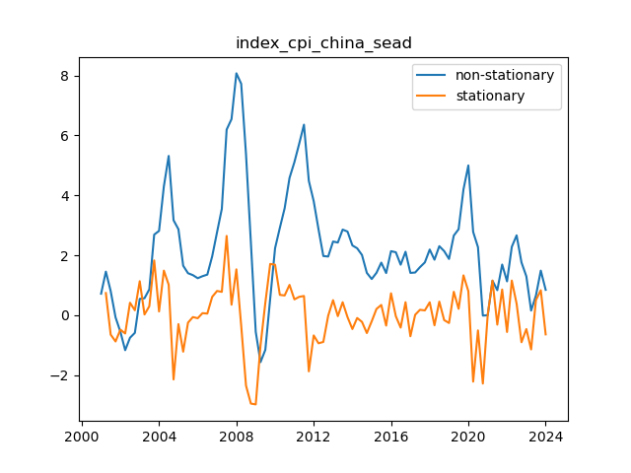
 | index_cpi_china_sea | index_cpi_china_sead
2001-04-01 | 1.4538640816 | 0.7374124345
2001-07-01 | 0.804454256 | -0.6494098256
2001-10-01 | -0.073919741518 | -0.87837399751
2002-01-01 | -0.55775605642 | -0.4838363149
2002-04-01 | -1.16944632 | -0.6116902636
2002-07-01 | -0.75435068597 | 0.41509563405
2002-10-01 | -0.59031559996 | 0.16403508601
2003-01-01 | 0.54278812472 | 1.1331037247
2003-04-01 | 0.56507215455 | 0.022284029825
2003-07-01 | 0.86243974007 | 0.29736758553
2003-10-01 | 2.6891878713 | 1.8267481312
2004-01-01 | 2.8125637827 | 0.12337591137
2004-04-01 | 4.2999176195 | 1.4873538368
2004-07-01 | 5.3147985071 | 1.0148808876
2004-10-01 | 3.1682067087 | -2.1465917984
2005-01-01 | 2.8688799361 | -0.29932677261
2005-04-01 | 1.6502628868 | -1.2186170492
2005-07-01 | 1.4000783864 | -0.2501845004
2005-10-01 | 1.3359534445 | -0.064124941907
2006-01-01 | 1.2335491628 | -0.10240428175
2006-04-01 | 1.3009843812 | 0.067435218441
2006-07-01 | 1.3533336427 | 0.052349261474
2006-10-01 | 1.9638731811 | 0.61053953842
2007-01-01 | 2.7718742257 | 0.80800104456
2007-04-01 | 3.5492272857 | 0.77735306006
2007-07-01 | 6.1941433662 | 2.6449160804
2007-10-01 | 6.5435278786 | 0.34938451241
2008-01-01 | 8.0725759018 | 1.5290480232
2008-04-01 | 7.7242381127 | -0.34833778912
2008-07-01 | 5.3731760409 | -2.3510620718
2008-10-01 | 2.4219449747 | -2.9512310662
2009-01-01 | -0.55748024147 | -2.9794252161
2009-04-01 | -1.5687826382 | -1.0113023967
2009-07-01 | -1.1582297719 | 0.41055286632
2009-10-01 | 0.55145577951 | 1.7096855514
2010-01-01 | 2.2344298591 | 1.6829740796
2010-04-01 | 2.9122113614 | 0.67778150231
2010-07-01 | 3.5693671771 | 0.65715581568
2010-10-01 | 4.5799660685 | 1.0105988914
2011-01-01 | 5.1063686716 | 0.52640260306
2011-04-01 | 5.7174031653 | 0.6110344937
2011-07-01 | 6.3573824112 | 0.63997924588
2011-10-01 | 4.4820701571 | -1.8753122541
2012-01-01 | 3.8058596353 | -0.67621052181
2012-04-01 | 2.8670911024 | -0.93876853284
2012-07-01 | 1.9734956797 | -0.89359542272
2012-10-01 | 1.9571302002 | -0.016365479453
2013-01-01 | 2.4577124593 | 0.50058225907
2013-04-01 | 2.4244398089 | -0.033272650462
2013-07-01 | 2.8565563864 | 0.43211657749
2013-10-01 | 2.7905366088 | -0.066019777506
2014-01-01 | 2.3272200377 | -0.46331657112
2014-04-01 | 2.2327393182 | -0.094480719509
2014-07-01 | 2.0085026705 | -0.22423664771
2014-10-01 | 1.4111149943 | -0.59738767621
2015-01-01 | 1.2059328373 | -0.20518215696
2015-04-01 | 1.4126595048 | 0.20672666743
2015-07-01 | 1.7539850749 | 0.34132557014
2015-10-01 | 1.4050541302 | -0.34893094475
2016-01-01 | 2.1361098405 | 0.73105571035
2016-04-01 | 2.0993737542 | -0.036736086251
2016-07-01 | 1.6841597053 | -0.41521404896
2016-10-01 | 2.1164435833 | 0.43228387798
2017-01-01 | 1.4109169566 | -0.70552662666
2017-04-01 | 1.4231374568 | 0.012220500224
2017-07-01 | 1.6020539559 | 0.1789164991
2017-10-01 | 1.7606524586 | 0.1585985027
2018-01-01 | 2.1907250222 | 0.43007256354
2018-04-01 | 1.8506913631 | -0.34003365903
2018-07-01 | 2.3030493416 | 0.45235797843
2018-10-01 | 2.1379123655 | -0.16513697606
2019-01-01 | 1.8762479549 | -0.26166441059
2019-04-01 | 2.6567113866 | 0.78046343172
2019-07-01 | 2.8681031586 | 0.21139177193
2019-10-01 | 4.1972990492 | 1.3291958906
2020-01-01 | 4.9974247494 | 0.80012570018
2020-04-01 | 2.7780130601 | -2.2194116892
2020-07-01 | 2.2690039298 | -0.50900913035
2020-10-01 | -0.014431857925 | -2.2834357877
2021-01-01 | -0.003740884488 | 0.010690973437
2021-04-01 | 1.1502223883 | 1.1539632728
2021-07-01 | 0.83362790231 | -0.31659448599
2021-10-01 | 1.6895826949 | 0.85595479263
2022-01-01 | 1.127675762 | -0.56190693291
2022-04-01 | 2.282103664 | 1.154427902
2022-07-01 | 2.6638365571 | 0.38173289304
2022-10-01 | 1.7598505887 | -0.90398596835
2023-01-01 | 1.2956258925 | -0.46422469623
2023-04-01 | 0.15267497146 | -1.142950921
2023-07-01 | 0.65458102715 | 0.50190605568
2023-10-01 | 1.4868564675 | 0.83227544037
2024-01-01 | 0.84514329063 | -0.64171317689

opec
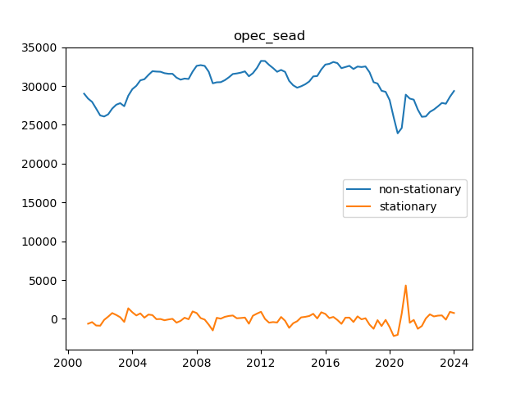
 | opec_sea | opec_sead
2001-04-01 | 28384.333435 | -630.09623576
2001-07-01 | 27959.032322 | -425.30111237
2001-10-01 | 27098.500271 | -860.5320516
2002-01-01 | 26212.007318 | -886.49295307
2002-04-01 | 26075.612187 | -136.39513018
2002-07-01 | 26353.955434 | 278.34324618
2002-10-01 | 27097.899099 | 743.94366554
2003-01-01 | 27595.485315 | 497.58621632
2003-04-01 | 27795.617545 | 200.13222914
2003-07-01 | 27399.80058 | -395.81696465
2003-10-01 | 28756.600683 | 1356.8001027
2004-01-01 | 29598.874776 | 842.27409386
2004-04-01 | 30034.305515 | 435.43073889
2004-07-01 | 30736.54197 | 702.23645437
2004-10-01 | 30881.801048 | 145.25907779
2005-01-01 | 31434.73922 | 552.93817218
2005-04-01 | 31912.01118 | 477.27196025
2005-07-01 | 31867.60201 | -44.409169468
2005-10-01 | 31843.646876 | -23.955134205
2006-01-01 | 31659.071031 | -184.57584563
2006-04-01 | 31579.201886 | -79.869144609
2006-07-01 | 31578.212861 | -0.9890250193
2006-10-01 | 31083.404443 | -494.80841759
2007-01-01 | 30821.901422 | -261.50302195
2007-04-01 | 30963.64202 | 141.74059862
2007-07-01 | 30909.504134 | -54.137886399
2007-10-01 | 31858.102889 | 948.59875548
2008-01-01 | 32602.454849 | 744.35196017
2008-04-01 | 32695.691992 | 93.237142602
2008-07-01 | 32596.280936 | -99.411055797
2008-10-01 | 31847.039684 | -749.24125169
2009-01-01 | 30350.635971 | -1496.4037139
2009-04-01 | 30482.169201 | 131.53323034
2009-07-01 | 30502.28937 | 20.120168546
2009-10-01 | 30755.807273 | 253.51790315
2010-01-01 | 31126.161454 | 370.35418114
2010-04-01 | 31553.84268 | 427.68122605
2010-07-01 | 31625.278928 | 71.436248187
2010-10-01 | 31731.644189 | 106.36526138
2011-01-01 | 31891.544048 | 159.89985835
2011-04-01 | 31261.535748 | -630.00829994
2011-07-01 | 31659.928173 | 398.39242547
2011-10-01 | 32331.842298 | 671.91412426
2012-01-01 | 33239.347962 | 907.50566404
2012-04-01 | 33227.376683 | -11.971278105
2012-07-01 | 32733.710098 | -493.66658534
2012-10-01 | 32314.241565 | -419.46853299
2013-01-01 | 31840.259829 | -473.9817363
2013-04-01 | 32078.998696 | 238.73886686
2013-07-01 | 31825.908336 | -253.09035957
2013-10-01 | 30667.967895 | -1157.9404411
2014-01-01 | 30097.365939 | -570.601956
2014-04-01 | 29787.930833 | -309.43510614
2014-07-01 | 29974.086343 | 186.15551047
2014-10-01 | 30228.430523 | 254.34417927
2015-01-01 | 30592.201709 | 363.77118609
2015-04-01 | 31242.373287 | 650.17157867
2015-07-01 | 31291.557019 | 49.183732115
2015-10-01 | 32135.090373 | 843.53335372
2016-01-01 | 32768.275399 | 633.18502622
2016-04-01 | 32860.835718 | 92.560318662
2016-07-01 | 33103.728993 | 242.89327447
2016-10-01 | 32955.106491 | -148.62250194
2017-01-01 | 32306.043343 | -649.06314759
2017-04-01 | 32453.576764 | 147.53342081
2017-07-01 | 32606.425558 | 152.84879388
2017-10-01 | 32197.680788 | -408.74476935
2018-01-01 | 32514.299514 | 316.61872576
2018-04-01 | 32450.592677 | -63.706836939
2018-07-01 | 32525.755977 | 75.163299783
2018-10-01 | 31776.381213 | -749.37476404
2019-01-01 | 30496.657507 | -1279.7237058
2019-04-01 | 30324.838847 | -171.81866055
2019-07-01 | 29392.75414 | -932.08470646
2019-10-01 | 29256.798407 | -135.95573327
2020-01-01 | 28181.679514 | -1075.1188931
2020-04-01 | 25965.849879 | -2215.8296352
2020-07-01 | 23904.833728 | -2061.0161504
2020-10-01 | 24592.334091 | 687.50036243
2021-01-01 | 28888.725281 | 4296.3911909
2021-04-01 | 28385.471825 | -503.25345632
2021-07-01 | 28246.697224 | -138.77460124
2021-10-01 | 26963.022966 | -1283.6742574
2022-01-01 | 26037.998123 | -925.02484309
2022-04-01 | 26083.329211 | 45.331087856
2022-07-01 | 26663.968052 | 580.63884095
2022-10-01 | 26972.564379 | 308.59632699
2023-01-01 | 27383.147394 | 410.58301453
2023-04-01 | 27824.054055 | 440.90666159
2023-07-01 | 27721.71196 | -102.34209501
2023-10-01 | 28619.048689 | 897.33672869
2024-01-01 | 29364.652351 | 745.60366219

non_opec
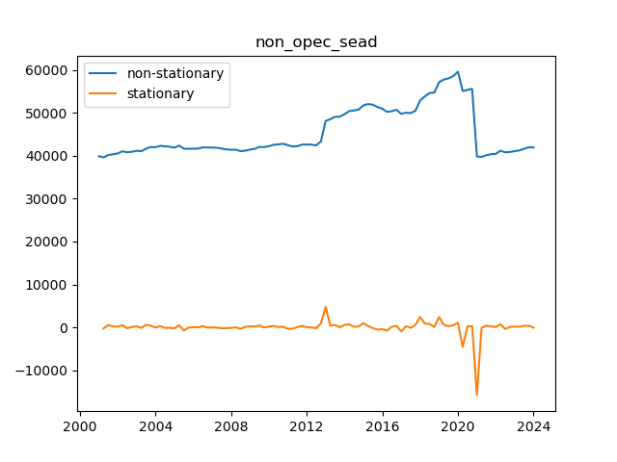
 | non_opec_sea | non_opec_sead
2001-04-01 | 39625.159698 | -254.34123462
2001-07-01 | 40144.627619 | 519.46792153
2001-10-01 | 40354.480376 | 209.85275712
2002-01-01 | 40519.732408 | 165.252032
2002-04-01 | 41034.6907 | 514.95829148
2002-07-01 | 40822.331906 | -212.3587938
2002-10-01 | 40927.066553 | 104.73464702
2003-01-01 | 41162.958965 | 235.89241178
2003-04-01 | 41058.197498 | -104.76146699
2003-07-01 | 41644.023277 | 585.82577906
2003-10-01 | 42048.767395 | 404.74411783
2004-01-01 | 42000.55252 | -48.214874296
2004-04-01 | 42309.98575 | 309.43323011
2004-07-01 | 42194.878337 | -115.10741305
2004-10-01 | 42104.400093 | -90.478243991
2005-01-01 | 41889.152601 | -215.24749234
2005-04-01 | 42368.251164 | 479.09856268
2005-07-01 | 41654.57622 | -713.67494342
2005-10-01 | 41615.591317 | -38.984903432
2006-01-01 | 41651.516075 | 35.924758115
2006-04-01 | 41663.341802 | 11.82572712
2006-07-01 | 41951.455364 | 288.11356166
2006-10-01 | 41909.410479 | -42.044885191
2007-01-01 | 41911.240756 | 1.8302772301
2007-04-01 | 41858.02716 | -53.213596132
2007-07-01 | 41676.220829 | -181.80633068
2007-10-01 | 41490.687591 | -185.53323798
2008-01-01 | 41383.702219 | -106.98537158
2008-04-01 | 41404.702401 | 21.000181834
2008-07-01 | 41065.767115 | -338.93528662
2008-10-01 | 41195.059941 | 129.29282661
2009-01-01 | 41431.428839 | 236.36889758
2009-04-01 | 41621.670245 | 190.24140609
2009-07-01 | 42059.843485 | 438.17324049
2009-10-01 | 42024.897167 | -34.946318409
2010-01-01 | 42221.911401 | 197.01423371
2010-04-01 | 42565.915275 | 344.00387458
2010-07-01 | 42652.670115 | 86.754839906
2010-10-01 | 42797.615885 | 144.94576955
2011-01-01 | 42468.487482 | -329.1284028
2011-04-01 | 42161.470653 | -307.01682898
2011-07-01 | 42224.593969 | 63.123316051
2011-10-01 | 42582.060516 | 357.46654731
2012-01-01 | 42611.328218 | 29.267701754
2012-04-01 | 42589.238784 | -22.08943443
2012-07-01 | 42409.907373 | -179.3314111
2012-10-01 | 43346.205507 | 936.29813491
2013-01-01 | 48116.784771 | 4770.5792635
2013-04-01 | 48523.70178 | 406.91700865
2013-07-01 | 49076.397591 | 552.69581166
2013-10-01 | 49103.352278 | 26.954687201
2014-01-01 | 49678.856336 | 575.50405759
2014-04-01 | 50420.083843 | 741.22750668
2014-07-01 | 50536.78568 | 116.70183675
2014-10-01 | 50767.741323 | 230.95564348
2015-01-01 | 51752.798313 | 985.05698995
2015-04-01 | 52054.673874 | 301.87556134
2015-07-01 | 51880.268275 | -174.40559949
2015-10-01 | 51351.493845 | -528.77442969
2016-01-01 | 50963.207256 | -388.28658939
2016-04-01 | 50224.630923 | -738.57633259
2016-07-01 | 50383.556929 | 158.92600635
2016-10-01 | 50711.267642 | 327.7107126
2017-01-01 | 49751.379843 | -959.88779859
2017-04-01 | 50027.645657 | 276.26581343
2017-07-01 | 49934.319813 | -93.325844377
2017-10-01 | 50482.594584 | 548.27477169
2018-01-01 | 52925.318571 | 2442.723987
2018-04-01 | 53808.572682 | 883.25411123
2018-07-01 | 54629.754283 | 821.18160078
2018-10-01 | 54709.579742 | 79.825458767
2019-01-01 | 57129.992444 | 2420.4127019
2019-04-01 | 57763.948061 | 633.95561695
2019-07-01 | 58020.581722 | 256.63366082
2019-10-01 | 58546.794206 | 526.21248465
2020-01-01 | 59606.471718 | 1059.6775114
2020-04-01 | 55082.797426 | -4523.6742916
2020-07-01 | 55339.054662 | 256.25723597
2020-10-01 | 55575.868809 | 236.81414665
2021-01-01 | 39818.268609 | -15757.600199
2021-04-01 | 39728.485364 | -89.783245354
2021-07-01 | 40115.834131 | 387.3487671
2021-10-01 | 40342.405711 | 226.57158018
2022-01-01 | 40438.371845 | 95.9661332
2022-04-01 | 41170.269843 | 731.89799812
2022-07-01 | 40799.884235 | -370.38560785
2022-10-01 | 40885.081341 | 85.197105699
2023-01-01 | 41077.644767 | 192.56342607
2023-04-01 | 41227.9121 | 150.26733326
2023-07-01 | 41610.681409 | 382.76930877
2023-10-01 | 41977.801939 | 367.1205304
2024-01-01 | 41931.872883 | -45.929055539

index_cpi_us
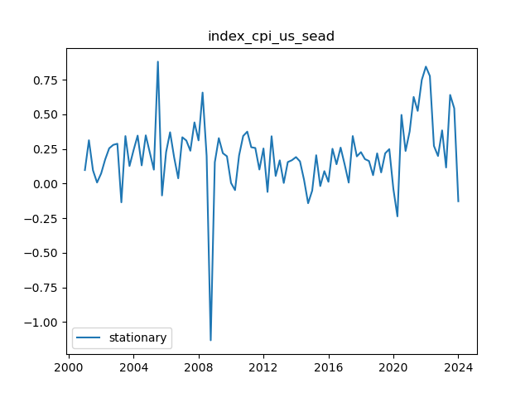
 | index_cpi_us_sea
2001-01-01 | 0.098147754648
2001-04-01 | 0.313271519
2001-07-01 | 0.096393579103
2001-10-01 | 0.0081057378314
2002-01-01 | 0.073489170907
2002-04-01 | 0.17388415141
2002-07-01 | 0.25512754701
2002-10-01 | 0.28003769789
2003-01-01 | 0.28818538311
2003-04-01 | -0.13492607294
2003-07-01 | 0.34345469759
2003-10-01 | 0.12726152271
2004-01-01 | 0.24248705247
2004-04-01 | 0.34690353661
2004-07-01 | 0.13205540189
2004-10-01 | 0.34884703802
2005-01-01 | 0.22290459976
2005-04-01 | 0.10120303599
2005-07-01 | 0.88083618977
2005-10-01 | -0.085314527901
2006-01-01 | 0.22737156001
2006-04-01 | 0.37110497349
2006-07-01 | 0.18972785831
2006-10-01 | 0.038599663127
2007-01-01 | 0.3348957051
2007-04-01 | 0.31172314102
2007-07-01 | 0.23742555871
2007-10-01 | 0.44239691197
2008-01-01 | 0.31251719828
2008-04-01 | 0.65772978192
2008-07-01 | 0.20001265248
2008-10-01 | -1.1316085662
2009-01-01 | 0.15434183046
2009-04-01 | 0.32864167708
2009-07-01 | 0.21987400304
2009-10-01 | 0.19752114908
2010-01-01 | 0.004648900576
2010-04-01 | -0.046807056336
2010-07-01 | 0.20372653998
2010-10-01 | 0.3441489927
2011-01-01 | 0.37556702744
2011-04-01 | 0.26303408467
2011-07-01 | 0.25744239676
2011-10-01 | 0.10181506155
2012-01-01 | 0.25392340044
2012-04-01 | -0.059860077254
2012-07-01 | 0.3422407415
2012-10-01 | 0.055654619522
2013-01-01 | 0.16829511422
2013-04-01 | 0.0048332613153
2013-07-01 | 0.15582445518
2013-10-01 | 0.1690880938
2014-01-01 | 0.19172615712
2014-04-01 | 0.16057297726
2014-07-01 | 0.027989541253
2014-10-01 | -0.14157199888
2015-01-01 | -0.050031408185
2015-04-01 | 0.20509208496
2015-07-01 | -0.017645122405
2015-10-01 | 0.090242676406
2016-01-01 | 0.013415759714
2016-04-01 | 0.2518362076
2016-07-01 | 0.14006997278
2016-10-01 | 0.26031311411
2017-01-01 | 0.13722558178
2017-04-01 | 0.0076730493027
2017-07-01 | 0.34351619446
2017-10-01 | 0.19691694869
2018-01-01 | 0.22755015234
2018-04-01 | 0.17714461729
2018-07-01 | 0.16345646756
2018-10-01 | 0.061089160121
2019-01-01 | 0.21871470402
2019-04-01 | 0.080940491749
2019-07-01 | 0.21904981845
2019-10-01 | 0.24910892969
2020-01-01 | -0.039063086713
2020-04-01 | -0.23634939312
2020-07-01 | 0.49639290665
2020-10-01 | 0.23611448646
2021-01-01 | 0.3766755884
2021-04-01 | 0.62626720727
2021-07-01 | 0.52546165512
2021-10-01 | 0.74932917832
2022-01-01 | 0.84525914648
2022-04-01 | 0.77716967882
2022-07-01 | 0.27259440249
2022-10-01 | 0.19964037378
2023-01-01 | 0.38457402628
2023-04-01 | 0.11661959739
2023-07-01 | 0.64084042288
2023-10-01 | 0.54417846332
2024-01-01 | -0.12728357942

index_energy
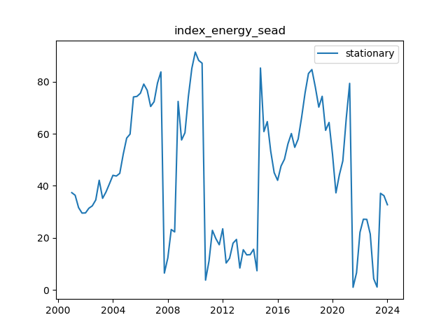
 | index_energy_sea
2001-01-01 | 37.365113213
2001-04-01 | 36.36976403
2001-07-01 | 31.625120406
2001-10-01 | 29.522924371
2002-01-01 | 29.581693353
2002-04-01 | 31.382044328
2002-07-01 | 32.301879659
2002-10-01 | 34.560931933
2003-01-01 | 42.127863555
2003-04-01 | 35.192374628
2003-07-01 | 37.635686209
2003-10-01 | 40.79551632
2004-01-01 | 44.032014216
2004-04-01 | 43.738530207
2004-07-01 | 44.778852589
2004-10-01 | 52.099486555
2005-01-01 | 58.325200371
2005-04-01 | 59.846850023
2005-07-01 | 74.122720767
2005-10-01 | 74.325100886
2006-01-01 | 75.538602011
2006-04-01 | 79.06143751
2006-07-01 | 76.682608711
2006-10-01 | 70.454311288
2007-01-01 | 72.304793242
2007-04-01 | 79.450766732
2007-07-01 | 83.734651838
2007-10-01 | 6.4934423217
2008-01-01 | 12.328864642
2008-04-01 | 23.21976823
2008-07-01 | 22.292780097
2008-10-01 | 72.402386189
2009-01-01 | 57.596086053
2009-04-01 | 60.375135209
2009-07-01 | 74.295145971
2009-10-01 | 85.09125344
2010-01-01 | 91.346828631
2010-04-01 | 88.14166562
2010-07-01 | 87.08986925
2010-10-01 | 3.7835971513
2011-01-01 | 11.12806856
2011-04-01 | 22.897614308
2011-07-01 | 19.759906558
2011-10-01 | 17.358018816
2012-01-01 | 23.488692424
2012-04-01 | 10.354266278
2012-07-01 | 12.145954303
2012-10-01 | 17.952194604
2013-01-01 | 19.417024831
2013-04-01 | 8.4369991131
2013-07-01 | 15.454963628
2013-10-01 | 13.48063277
2014-01-01 | 13.568810248
2014-04-01 | 15.634414922
2014-07-01 | 7.3808064802
2014-10-01 | 85.230961329
2015-01-01 | 60.814253755
2015-04-01 | 64.659170348
2015-07-01 | 53.296300726
2015-10-01 | 45.06348033
2016-01-01 | 42.10027708
2016-04-01 | 47.583856914
2016-07-01 | 50.209794121
2016-10-01 | 56.074309587
2017-01-01 | 60.080515636
2017-04-01 | 54.76930637
2017-07-01 | 57.970656409
2017-10-01 | 66.340664826
2018-01-01 | 75.706927849
2018-04-01 | 83.116319191
2018-07-01 | 84.633467808
2018-10-01 | 77.865757847
2019-01-01 | 70.214982193
2019-04-01 | 74.37240138
2019-07-01 | 61.296553592
2019-10-01 | 64.328853833
2020-01-01 | 52.043009974
2020-04-01 | 37.293210642
2020-07-01 | 44.194203638
2020-10-01 | 49.553093459
2021-01-01 | 65.982929715
2021-04-01 | 79.33141086
2021-07-01 | 1.0352689159
2021-10-01 | 6.6033072336
2022-01-01 | 22.153428157
2022-04-01 | 27.16106323
2022-07-01 | 27.104929051
2022-10-01 | 21.486895972
2023-01-01 | 4.3195810514
2023-04-01 | 1.1249143663
2023-07-01 | 37.118059477
2023-10-01 | 36.196411104
2024-01-01 | 32.729646993

index_metal
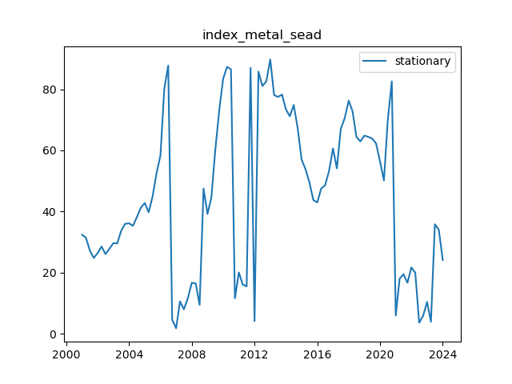
 | index_metal_sea
2001-01-01 | 32.400042763
2001-04-01 | 31.45503366
2001-07-01 | 27.302006871
2001-10-01 | 24.809338937
2002-01-01 | 26.429117601
2002-04-01 | 28.561953133
2002-07-01 | 26.088023994
2002-10-01 | 27.841471954
2003-01-01 | 29.667867984
2003-04-01 | 29.550419893
2003-07-01 | 33.668185251
2003-10-01 | 35.983144195
2004-01-01 | 36.135011701
2004-04-01 | 35.322216684
2004-07-01 | 38.172437599
2004-10-01 | 41.254227383
2005-01-01 | 42.771768311
2005-04-01 | 39.765434207
2005-07-01 | 44.858711946
2005-10-01 | 52.466350197
2006-01-01 | 58.391742156
2006-04-01 | 80.182151834
2006-07-01 | 87.752334672
2006-10-01 | 4.6235108852
2007-01-01 | 1.7897225473
2007-04-01 | 10.598236842
2007-07-01 | 8.0166705335
2007-10-01 | 11.641296408
2008-01-01 | 16.705486267
2008-04-01 | 16.45361051
2008-07-01 | 9.4733530457
2008-10-01 | 47.518965875
2009-01-01 | 39.20416586
2009-04-01 | 44.636506206
2009-07-01 | 60.113484421
2009-10-01 | 73.144309324
2010-01-01 | 83.5092671
2010-04-01 | 87.313383236
2010-07-01 | 86.518971634
2010-10-01 | 11.593240689
2011-01-01 | 20.077059006
2011-04-01 | 16.086690588
2011-07-01 | 15.52190005
2011-10-01 | 87.007855449
2012-01-01 | 4.1569438063
2012-04-01 | 85.778731743
2012-07-01 | 81.063701145
2012-10-01 | 82.556207013
2013-01-01 | 89.723253457
2013-04-01 | 78.06211413
2013-07-01 | 77.503146709
2013-10-01 | 78.254290727
2014-01-01 | 73.447920371
2014-04-01 | 71.146754903
2014-07-01 | 74.858543444
2014-10-01 | 67.343777528
2015-01-01 | 56.944397129
2015-04-01 | 53.889891955
2015-07-01 | 49.555852545
2015-10-01 | 43.743314024
2016-01-01 | 42.986950919
2016-04-01 | 47.508252301
2016-07-01 | 48.598736126
2016-10-01 | 53.258876266
2017-01-01 | 60.65995679
2017-04-01 | 54.10911742
2017-07-01 | 67.022641806
2017-10-01 | 70.557461403
2018-01-01 | 76.267794006
2018-04-01 | 72.791276569
2018-07-01 | 64.420210804
2018-10-01 | 62.914431413
2019-01-01 | 64.827055558
2019-04-01 | 64.430301498
2019-07-01 | 63.875133726
2019-10-01 | 62.263935383
2020-01-01 | 56.381467966
2020-04-01 | 50.156879764
2020-07-01 | 70.200203563
2020-10-01 | 82.583801493
2021-01-01 | 5.9759788454
2021-04-01 | 18.01789506
2021-07-01 | 19.499237394
2021-10-01 | 16.696683785
2022-01-01 | 21.711027605
2022-04-01 | 19.973195845
2022-07-01 | 3.624210984
2022-10-01 | 5.8925688833
2023-01-01 | 10.418086901
2023-04-01 | 3.9256162372
2023-07-01 | 35.822886428
2023-10-01 | 34.019280733
2024-01-01 | 24.128690572

index_precious
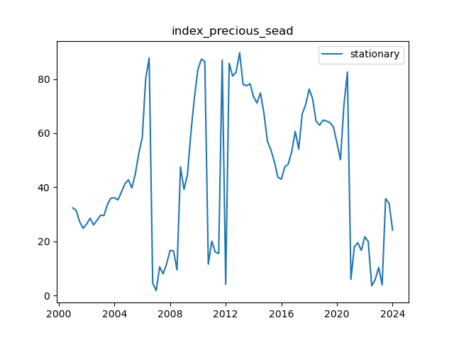
 | index_precious_sea
2001-01-01 | 32.400042763
2001-04-01 | 31.45503366
2001-07-01 | 27.302006871
2001-10-01 | 24.809338937
2002-01-01 | 26.429117601
2002-04-01 | 28.561953133
2002-07-01 | 26.088023994
2002-10-01 | 27.841471954
2003-01-01 | 29.667867984
2003-04-01 | 29.550419893
2003-07-01 | 33.668185251
2003-10-01 | 35.983144195
2004-01-01 | 36.135011701
2004-04-01 | 35.322216684
2004-07-01 | 38.172437599
2004-10-01 | 41.254227383
2005-01-01 | 42.771768311
2005-04-01 | 39.765434207
2005-07-01 | 44.858711946
2005-10-01 | 52.466350197
2006-01-01 | 58.391742156
2006-04-01 | 80.182151834
2006-07-01 | 87.752334672
2006-10-01 | 4.6235108852
2007-01-01 | 1.7897225473
2007-04-01 | 10.598236842
2007-07-01 | 8.0166705335
2007-10-01 | 11.641296408
2008-01-01 | 16.705486267
2008-04-01 | 16.45361051
2008-07-01 | 9.4733530457
2008-10-01 | 47.518965875
2009-01-01 | 39.20416586
2009-04-01 | 44.636506206
2009-07-01 | 60.113484421
2009-10-01 | 73.144309324
2010-01-01 | 83.5092671
2010-04-01 | 87.313383236
2010-07-01 | 86.518971634
2010-10-01 | 11.593240689
2011-01-01 | 20.077059006
2011-04-01 | 16.086690588
2011-07-01 | 15.52190005
2011-10-01 | 87.007855449
2012-01-01 | 4.1569438063
2012-04-01 | 85.778731743
2012-07-01 | 81.063701145
2012-10-01 | 82.556207013
2013-01-01 | 89.723253457
2013-04-01 | 78.06211413
2013-07-01 | 77.503146709
2013-10-01 | 78.254290727
2014-01-01 | 73.447920371
2014-04-01 | 71.146754903
2014-07-01 | 74.858543444
2014-10-01 | 67.343777528
2015-01-01 | 56.944397129
2015-04-01 | 53.889891955
2015-07-01 | 49.555852545
2015-10-01 | 43.743314024
2016-01-01 | 42.986950919
2016-04-01 | 47.508252301
2016-07-01 | 48.598736126
2016-10-01 | 53.258876266
2017-01-01 | 60.65995679
2017-04-01 | 54.10911742
2017-07-01 | 67.022641806
2017-10-01 | 70.557461403
2018-01-01 | 76.267794006
2018-04-01 | 72.791276569
2018-07-01 | 64.420210804
2018-10-01 | 62.914431413
2019-01-01 | 64.827055558
2019-04-01 | 64.430301498
2019-07-01 | 63.875133726
2019-10-01 | 62.263935383
2020-01-01 | 56.381467966
2020-04-01 | 50.156879764
2020-07-01 | 70.200203563
2020-10-01 | 82.583801493
2021-01-01 | 5.9759788454
2021-04-01 | 18.01789506
2021-07-01 | 19.499237394
2021-10-01 | 16.696683785
2022-01-01 | 21.711027605
2022-04-01 | 19.973195845
2022-07-01 | 3.624210984
2022-10-01 | 5.8925688833
2023-01-01 | 10.418086901
2023-04-01 | 3.9256162372
2023-07-01 | 35.822886428
2023-10-01 | 34.019280733
2024-01-01 | 24.128690572

del_supply_nonopec
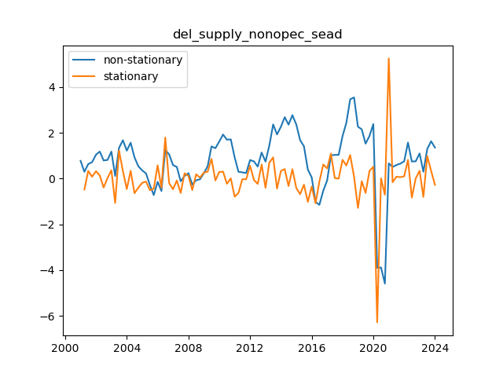
 | del_supply_nonopec_sea | del_supply_nonopec_sead
2001-04-01 | 0.2981609429 | -0.47712690221
2001-07-01 | 0.63696590043 | 0.33880495753
2001-10-01 | 0.72142937221 | 0.084463471777
2002-01-01 | 1.0461692314 | 0.32473985923
2002-04-01 | 1.1830756862 | 0.13690645476
2002-07-01 | 0.79476540431 | -0.38831028189
2002-10-01 | 0.81639090072 | 0.021625496414
2003-01-01 | 1.1822438475 | 0.36585294675
2003-04-01 | 0.1181880567 | -1.0640557908
2003-07-01 | 1.3457227509 | 1.2275346942
2003-10-01 | 1.6794580719 | 0.333735321
2004-01-01 | 1.2231859363 | -0.45627213561
2004-04-01 | 1.5703679584 | 0.3471820221
2004-07-01 | 0.93398106575 | -0.63638689264
2004-10-01 | 0.53923441797 | -0.39474664778
2005-01-01 | 0.35810435325 | -0.18113006472
2005-04-01 | 0.22870170342 | -0.12940264983
2005-07-01 | -0.27656644465 | -0.50526814807
2005-10-01 | -0.71943420307 | -0.44286775842
2006-01-01 | -0.1401210903 | 0.57931311278
2006-04-01 | -0.53981932098 | -0.39969823068
2006-07-01 | 1.2569099625 | 1.7967292835
2006-10-01 | 1.0572136122 | -0.19969635026
2007-01-01 | 0.59243121482 | -0.46478239741
2007-04-01 | 0.51044421557 | -0.081986999253
2007-07-01 | -0.11585649729 | -0.62630071286
2007-10-01 | 0.11743743778 | 0.23329393507
2008-01-01 | 0.24009642 | 0.12265898222
2008-04-01 | -0.26168660927 | -0.50178302927
2008-07-01 | -0.072584528534 | 0.18910208074
2008-10-01 | -0.026888034751 | 0.045696493782
2009-01-01 | 0.23819200642 | 0.26508004117
2009-04-01 | 0.54376819468 | 0.30557618827
2009-07-01 | 1.4080450709 | 0.86427687625
2009-10-01 | 1.3295717424 | -0.078473328495
2010-01-01 | 1.6222032243 | 0.29263148183
2010-04-01 | 1.9280741697 | 0.30587094547
2010-07-01 | 1.7033000713 | -0.22477409842
2010-10-01 | 1.7152516211 | 0.011951549738
2011-01-01 | 0.92532583413 | -0.78992578693
2011-04-01 | 0.30007882587 | -0.62524700826
2011-07-01 | 0.27347369489 | -0.02660513098
2011-10-01 | 0.24729998786 | -0.026173707034
2012-01-01 | 0.81237726535 | 0.56507727749
2012-04-01 | 0.75575603021 | -0.056621235137
2012-07-01 | 0.52637248157 | -0.22938354864
2012-10-01 | 1.1429127114 | 0.61654022984
2013-01-01 | 0.74447850042 | -0.398434211
2013-04-01 | 1.4402981692 | 0.69581966879
2013-07-01 | 2.3699281775 | 0.92963000824
2013-10-01 | 1.933450903 | -0.43647727447
2014-01-01 | 2.2669897941 | 0.33353889112
2014-04-01 | 2.6859190484 | 0.41892925434
2014-07-01 | 2.3603378781 | -0.32558117031
2014-10-01 | 2.7753667768 | 0.41502889865
2015-01-01 | 2.3632770994 | -0.41208967735
2015-04-01 | 1.6819374282 | -0.68133967121
2015-07-01 | 1.4170761809 | -0.26486124733
2015-10-01 | 0.40114790829 | -1.0159282726
2016-01-01 | 0.053386552135 | -0.34776135615
2016-04-01 | -1.020101954 | -1.0734885062
2016-07-01 | -1.1446460326 | -0.12454407861
2016-10-01 | -0.52735933671 | 0.61728669592
2017-01-01 | -0.080305215785 | 0.44705412092
2017-04-01 | 1.0158422919 | 1.0961475077
2017-07-01 | 1.0390772225 | 0.023234930595
2017-10-01 | 1.0400306019 | 0.00095337938283
2018-01-01 | 1.8616798997 | 0.82164929786
2018-04-01 | 2.4366728664 | 0.5749929667
2018-07-01 | 3.4666006837 | 1.0299278173
2018-10-01 | 3.5496347941 | 0.083034110398
2019-01-01 | 2.268832725 | -1.2808020691
2019-04-01 | 2.155709536 | -0.113123189
2019-07-01 | 1.5290445011 | -0.62666503494
2019-10-01 | 1.8615116108 | 0.33246710975
2020-01-01 | 2.3837244918 | 0.52221288101
2020-04-01 | -3.8968306559 | -6.2805551477
2020-07-01 | -3.8828770443 | 0.013953611533
2020-10-01 | -4.5870638428 | -0.70418679851
2021-01-01 | 0.66646647662 | 5.2535303195
2021-04-01 | 0.50849720225 | -0.15796927438
2021-07-01 | 0.59367243308 | 0.085175230838
2021-10-01 | 0.65643295328 | 0.062760520192
2022-01-01 | 0.75815097602 | 0.10171802274
2022-04-01 | 1.5774764569 | 0.81932548089
2022-07-01 | 0.74844012836 | -0.82903632855
2022-10-01 | 0.75629482392 | 0.0078546955603
2023-01-01 | 1.1009623272 | 0.34466750324
2023-04-01 | 0.30059498768 | -0.80036733947
2023-07-01 | 1.2917872273 | 0.99119223964
2023-10-01 | 1.6336137784 | 0.34182655103
2024-01-01 | 1.3583278486 | -0.27528592974

del_cap_per
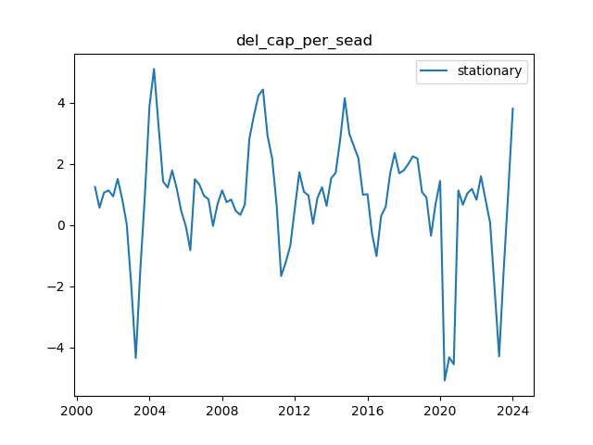
 | del_cap_per_sea
2001-01-01 | 1.247304597
2001-04-01 | 0.57184675393
2001-07-01 | 1.0645012929
2001-10-01 | 1.1381980635
2002-01-01 | 0.94195468478
2002-04-01 | 1.5127028955
2002-07-01 | 0.86150870061
2002-10-01 | 0.025518437067
2003-01-01 | -1.9954282086
2003-04-01 | -4.3432281323
2003-07-01 | -1.4631444827
2003-10-01 | 0.98804202221
2004-01-01 | 3.8914754719
2004-04-01 | 5.1057823583
2004-07-01 | 3.2628161859
2004-10-01 | 1.4267740052
2005-01-01 | 1.2305370052
2005-04-01 | 1.787381237
2005-07-01 | 1.2044357907
2005-10-01 | 0.45855118804
2006-01-01 | -0.033024817514
2006-04-01 | -0.81692154146
2006-07-01 | 1.5033021025
2006-10-01 | 1.3241206927
2007-01-01 | 0.96167952147
2007-04-01 | 0.84754452162
2007-07-01 | -0.025658270743
2007-10-01 | 0.68873477846
2008-01-01 | 1.1394925441
2008-04-01 | 0.75122615526
2008-07-01 | 0.83772772468
2008-10-01 | 0.46615629792
2009-01-01 | 0.33605118129
2009-04-01 | 0.67754316192
2009-07-01 | 2.8202548809
2009-10-01 | 3.5853493206
2010-01-01 | 4.2397172606
2010-04-01 | 4.4337405514
2010-07-01 | 2.9295048997
2010-10-01 | 2.1936775918
2011-01-01 | 0.6540365333
2011-04-01 | -1.660566972
2011-07-01 | -1.2249770717
2011-10-01 | -0.68535679926
2012-01-01 | 0.54415673756
2012-04-01 | 1.7293642016
2012-07-01 | 1.0977461163
2012-10-01 | 0.96822773998
2013-01-01 | 0.046352324684
2013-04-01 | 0.89593810489
2013-07-01 | 1.2403422982
2013-10-01 | 0.63185934625
2014-01-01 | 1.5311711098
2014-04-01 | 1.7119499996
2014-07-01 | 2.7959390175
2014-10-01 | 4.1490614064
2015-01-01 | 2.986747436
2015-04-01 | 2.5854676294
2015-07-01 | 2.1964710377
2015-10-01 | 0.99445610357
2016-01-01 | 1.0130560018
2016-04-01 | -0.27269478707
2016-07-01 | -1.0093520471
2016-10-01 | 0.29340875943
2017-01-01 | 0.60362234407
2017-04-01 | 1.6907392686
2017-07-01 | 2.3578207385
2017-10-01 | 1.6972826863
2018-01-01 | 1.7925124943
2018-04-01 | 2.0017368404
2018-07-01 | 2.2512222503
2018-10-01 | 2.1791901055
2019-01-01 | 1.0868162144
2019-04-01 | 0.90059037933
2019-07-01 | -0.34422153464
2019-10-01 | 0.69232170486
2020-01-01 | 1.4462178387
2020-04-01 | -5.0771602586
2020-07-01 | -4.3198310636
2020-10-01 | -4.5482180244
2021-01-01 | 1.1357536324
2021-04-01 | 0.66738874738
2021-07-01 | 1.0372874566
2021-10-01 | 1.1868340776
2022-01-01 | 0.82855229267
2022-04-01 | 1.5991618792
2022-07-01 | 0.83800925635
2022-10-01 | 0.081844541522
2023-01-01 | -2.1023735884
2023-04-01 | -4.284503938
2023-07-01 | -1.4851722109
2023-10-01 | 1.0681936516
2024-01-01 | 3.8082068498

del_world_gdp_per
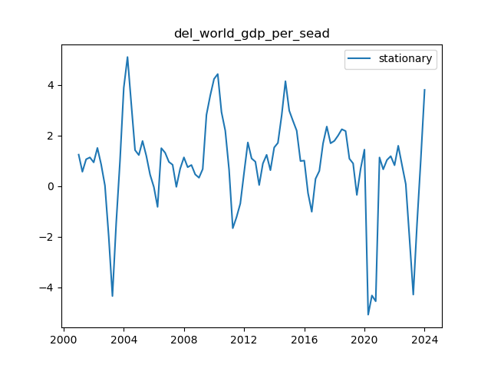
 | del_world_gdp_per_sea
2001-01-01 | 1.247304597
2001-04-01 | 0.57184675393
2001-07-01 | 1.0645012929
2001-10-01 | 1.1381980635
2002-01-01 | 0.94195468478
2002-04-01 | 1.5127028955
2002-07-01 | 0.86150870061
2002-10-01 | 0.025518437067
2003-01-01 | -1.9954282086
2003-04-01 | -4.3432281323
2003-07-01 | -1.4631444827
2003-10-01 | 0.98804202221
2004-01-01 | 3.8914754719
2004-04-01 | 5.1057823583
2004-07-01 | 3.2628161859
2004-10-01 | 1.4267740052
2005-01-01 | 1.2305370052
2005-04-01 | 1.787381237
2005-07-01 | 1.2044357907
2005-10-01 | 0.45855118804
2006-01-01 | -0.033024817514
2006-04-01 | -0.81692154146
2006-07-01 | 1.5033021025
2006-10-01 | 1.3241206927
2007-01-01 | 0.96167952147
2007-04-01 | 0.84754452162
2007-07-01 | -0.025658270743
2007-10-01 | 0.68873477846
2008-01-01 | 1.1394925441
2008-04-01 | 0.75122615526
2008-07-01 | 0.83772772468
2008-10-01 | 0.46615629792
2009-01-01 | 0.33605118129
2009-04-01 | 0.67754316192
2009-07-01 | 2.8202548809
2009-10-01 | 3.5853493206
2010-01-01 | 4.2397172606
2010-04-01 | 4.4337405514
2010-07-01 | 2.9295048997
2010-10-01 | 2.1936775918
2011-01-01 | 0.6540365333
2011-04-01 | -1.660566972
2011-07-01 | -1.2249770717
2011-10-01 | -0.68535679926
2012-01-01 | 0.54415673756
2012-04-01 | 1.7293642016
2012-07-01 | 1.0977461163
2012-10-01 | 0.96822773998
2013-01-01 | 0.046352324684
2013-04-01 | 0.89593810489
2013-07-01 | 1.2403422982
2013-10-01 | 0.63185934625
2014-01-01 | 1.5311711098
2014-04-01 | 1.7119499996
2014-07-01 | 2.7959390175
2014-10-01 | 4.1490614064
2015-01-01 | 2.986747436
2015-04-01 | 2.5854676294
2015-07-01 | 2.1964710377
2015-10-01 | 0.99445610357
2016-01-01 | 1.0130560018
2016-04-01 | -0.27269478707
2016-07-01 | -1.0093520471
2016-10-01 | 0.29340875943
2017-01-01 | 0.60362234407
2017-04-01 | 1.6907392686
2017-07-01 | 2.3578207385
2017-10-01 | 1.6972826863
2018-01-01 | 1.7925124943
2018-04-01 | 2.0017368404
2018-07-01 | 2.2512222503
2018-10-01 | 2.1791901055
2019-01-01 | 1.0868162144
2019-04-01 | 0.90059037933
2019-07-01 | -0.34422153464
2019-10-01 | 0.69232170486
2020-01-01 | 1.4462178387
2020-04-01 | -5.0771602586
2020-07-01 | -4.3198310636
2020-10-01 | -4.5482180244
2021-01-01 | 1.1357536324
2021-04-01 | 0.66738874738
2021-07-01 | 1.0372874566
2021-10-01 | 1.1868340776
2022-01-01 | 0.82855229267
2022-04-01 | 1.5991618792
2022-07-01 | 0.83800925635
2022-10-01 | 0.081844541522
2023-01-01 | -2.1023735884
2023-04-01 | -4.284503938
2023-07-01 | -1.4851722109
2023-10-01 | 1.0681936516
2024-01-01 | 3.8082068498

del_supply_saudi
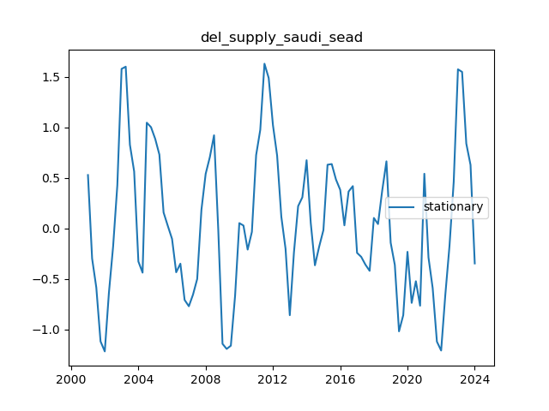
 | del_supply_saudi_sea
2001-01-01 | 0.5268558025
2001-04-01 | -0.29882031535
2001-07-01 | -0.58578668105
2001-10-01 | -1.118945883
2002-01-01 | -1.2182241944
2002-04-01 | -0.6386754741
2002-07-01 | -0.18042656768
2002-10-01 | 0.42734857388
2003-01-01 | 1.5776698748
2003-04-01 | 1.5993006325
2003-07-01 | 0.826712531
2003-10-01 | 0.56260524889
2004-01-01 | -0.32852856609
2004-04-01 | -0.43899046355
2004-07-01 | 1.0450855806
2004-10-01 | 1.0008184545
2005-01-01 | 0.8840975292
2005-04-01 | 0.72899695072
2005-07-01 | 0.1566438645
2005-10-01 | 0.023808460747
2006-01-01 | -0.10491665265
2006-04-01 | -0.43509593927
2006-07-01 | -0.35009830919
2006-10-01 | -0.70904657166
2007-01-01 | -0.77133753046
2007-04-01 | -0.65651454337
2007-07-01 | -0.50175922209
2007-10-01 | 0.18270431447
2008-01-01 | 0.53844525271
2008-04-01 | 0.70471633591
2008-07-01 | 0.920503478
2008-10-01 | -0.016208864463
2009-01-01 | -1.1432763436
2009-04-01 | -1.1935481464
2009-07-01 | -1.1616358105
2009-10-01 | -0.66787294212
2010-01-01 | 0.051333169695
2010-04-01 | 0.027320565625
2010-07-01 | -0.21066133513
2010-10-01 | -0.035288833314
2011-01-01 | 0.72416475038
2011-04-01 | 0.97475036233
2011-07-01 | 1.6287472565
2011-10-01 | 1.4871156796
2012-01-01 | 1.0219812958
2012-04-01 | 0.71940182431
2012-07-01 | 0.11516942803
2012-10-01 | -0.2032698261
2013-01-01 | -0.86000685872
2013-04-01 | -0.23966315248
2013-07-01 | 0.21907870799
2013-10-01 | 0.30679787778
2014-01-01 | 0.67365138978
2014-04-01 | 0.054177710671
2014-07-01 | -0.36583676072
2014-10-01 | -0.18166993808
2015-01-01 | -0.018038523579
2015-04-01 | 0.62897070574
2015-07-01 | 0.6357169869
2015-10-01 | 0.48271260915
2016-01-01 | 0.38066645371
2016-04-01 | 0.029317559983
2016-07-01 | 0.36359374038
2016-10-01 | 0.41743669523
2017-01-01 | -0.24316425047
2017-04-01 | -0.2823509545
2017-07-01 | -0.35930286324
2017-10-01 | -0.4210526266
2018-01-01 | 0.10231758023
2018-04-01 | 0.04198695514
2018-07-01 | 0.37274594078
2018-10-01 | 0.66274699525
2019-01-01 | -0.14264639003
2019-04-01 | -0.36238023982
2019-07-01 | -1.0195619984
2019-10-01 | -0.85947603434
2020-01-01 | -0.23273885367
2020-04-01 | -0.73795753694
2020-07-01 | -0.52349355038
2020-10-01 | -0.76592974579
2021-01-01 | 0.53978070945
2021-04-01 | -0.28815853136
2021-07-01 | -0.59134376942
2021-10-01 | -1.1213310722
2022-01-01 | -1.2094798752
2022-04-01 | -0.66134283099
2022-07-01 | -0.17600866189
2022-10-01 | 0.45979077331
2023-01-01 | 1.5731513123
2023-04-01 | 1.547432494
2023-07-01 | 0.83897274809
2023-10-01 | 0.62716677299
2024-01-01 | -0.3475977427

opec_spare_capacity
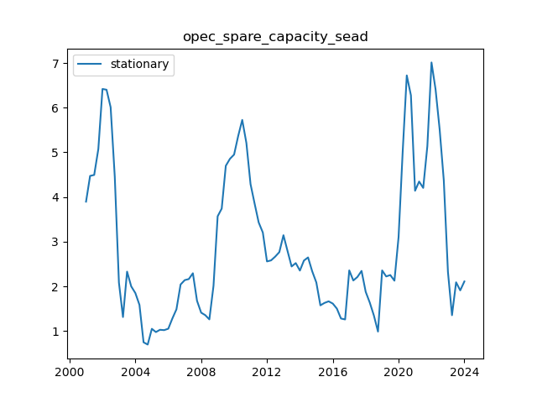
 | opec_spare_capacity_sea
2001-01-01 | 3.8956180208
2001-04-01 | 4.4720891238
2001-07-01 | 4.4941065013
2001-10-01 | 5.0751319672
2002-01-01 | 6.4185173195
2002-04-01 | 6.4013784886
2002-07-01 | 6.009794218
2002-10-01 | 4.4520410299
2003-01-01 | 2.0835636916
2003-04-01 | 1.3122653106
2003-07-01 | 2.3294519807
2003-10-01 | 1.9993320852
2004-01-01 | 1.8491250801
2004-04-01 | 1.5845273638
2004-07-01 | 0.74690370608
2004-10-01 | 0.69620468049
2005-01-01 | 1.0488127012
2005-04-01 | 0.97602712668
2005-07-01 | 1.0272076762
2005-10-01 | 1.019220091
2006-01-01 | 1.0509932975
2006-04-01 | 1.2786164635
2006-07-01 | 1.4850657763
2006-10-01 | 2.0406844547
2007-01-01 | 2.1389307535
2007-04-01 | 2.1626061504
2007-07-01 | 2.2929976567
2007-10-01 | 1.6758511395
2008-01-01 | 1.4101455154
2008-04-01 | 1.354800403
2008-07-01 | 1.2598623676
2008-10-01 | 2.0121728642
2009-01-01 | 3.5684089441
2009-04-01 | 3.7399885809
2009-07-01 | 4.6984651083
2009-10-01 | 4.8547947171
2010-01-01 | 4.949855461
2010-04-01 | 5.362182083
2010-07-01 | 5.7260739433
2010-10-01 | 5.2091038355
2011-01-01 | 4.2894452352
2011-04-01 | 3.8553982654
2011-07-01 | 3.4305138339
2011-10-01 | 3.2045772226
2012-01-01 | 2.5577914977
2012-04-01 | 2.581034401
2012-07-01 | 2.6645543949
2012-10-01 | 2.7650901509
2013-01-01 | 3.1446466331
2013-04-01 | 2.7935988371
2013-07-01 | 2.4444968422
2013-10-01 | 2.5206836041
2014-01-01 | 2.3524981788
2014-04-01 | 2.5778271699
2014-07-01 | 2.6469211004
2014-10-01 | 2.3375555983
2015-01-01 | 2.0860054745
2015-04-01 | 1.5740554326
2015-07-01 | 1.6284183832
2015-10-01 | 1.6641502124
2016-01-01 | 1.6139306323
2016-04-01 | 1.5013962252
2016-07-01 | 1.2795455966
2016-10-01 | 1.2586191935
2017-01-01 | 2.3570739538
2017-04-01 | 2.1310052159
2017-07-01 | 2.2092827891
2017-10-01 | 2.3453551709
2018-01-01 | 1.876705463
2018-04-01 | 1.6373535042
2018-07-01 | 1.3493002954
2018-10-01 | 0.98718594337
2019-01-01 | 2.3566050886
2019-04-01 | 2.2216140133
2019-07-01 | 2.2526473124
2019-10-01 | 2.1263509907
2020-01-01 | 3.1039005043
2020-04-01 | 5.0101219082
2020-07-01 | 6.7217718656
2020-10-01 | 6.2760410641
2021-01-01 | 4.1397859294
2021-04-01 | 4.3461091688
2021-07-01 | 4.2037343894
2021-10-01 | 5.1402694487
2022-01-01 | 7.0119525655
2022-04-01 | 6.410696378
2022-07-01 | 5.5117924531
2022-10-01 | 4.3709833706
2023-01-01 | 2.3220086185
2023-04-01 | 1.3537024804
2023-07-01 | 2.0902018248
2023-10-01 | 1.9095248342
2024-01-01 | 2.1090630701

oecd_inventory
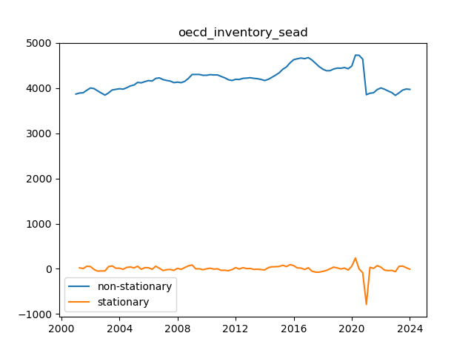
 | oecd_inventory_sea | oecd_inventory_sead
2001-04-01 | 3889.6134254 | 22.581693104
2001-07-01 | 3894.8199035 | 5.2064780735
2001-10-01 | 3951.1609846 | 56.341081118
2002-01-01 | 4001.609358 | 50.448373433
2002-04-01 | 3987.456819 | -14.15253901
2002-07-01 | 3936.4636543 | -50.993164669
2002-10-01 | 3889.2453287 | -47.218325638
2003-01-01 | 3843.5810412 | -45.664287509
2003-04-01 | 3892.6509677 | 49.069926528
2003-07-01 | 3957.0660744 | 64.415106644
2003-10-01 | 3970.572148 | 13.506073666
2004-01-01 | 3984.7021169 | 14.129968908
2004-04-01 | 3974.9974556 | -9.7046613553
2004-07-01 | 4006.489772 | 31.492316445
2004-10-01 | 4046.9855009 | 40.495728876
2005-01-01 | 4067.4101667 | 20.424665806
2005-04-01 | 4124.742331 | 57.332164259
2005-07-01 | 4115.3071933 | -9.4351377142
2005-10-01 | 4141.9975186 | 26.690325309
2006-01-01 | 4165.5493224 | 23.551803824
2006-04-01 | 4154.701608 | -10.847714353
2006-07-01 | 4212.9513026 | 58.249694608
2006-10-01 | 4224.9471158 | 11.995813188
2007-01-01 | 4186.842744 | -38.104371878
2007-04-01 | 4167.5308711 | -19.311872856
2007-07-01 | 4153.956591 | -13.574280147
2007-10-01 | 4119.6723096 | -34.284281382
2008-01-01 | 4130.8202922 | 11.147982659
2008-04-01 | 4118.7326924 | -12.087599803
2008-07-01 | 4148.3758331 | 29.643140678
2008-10-01 | 4214.3322512 | 65.956418062
2009-01-01 | 4299.8141587 | 85.481907558
2009-04-01 | 4300.3372814 | 0.52312270821
2009-07-01 | 4300.711396 | 0.37411458255
2009-10-01 | 4282.2779235 | -18.433472526
2010-01-01 | 4282.6535163 | 0.37559277019
2010-04-01 | 4296.1749334 | 13.521417157
2010-07-01 | 4289.7034732 | -6.4714602196
2010-10-01 | 4290.4538828 | 0.75040961156
2011-01-01 | 4256.8654987 | -33.588384089
2011-04-01 | 4226.2914538 | -30.574044883
2011-07-01 | 4183.7566749 | -42.534778972
2011-10-01 | 4166.5782862 | -17.178388711
2012-01-01 | 4193.2145397 | 26.636253552
2012-04-01 | 4188.7933739 | -4.4211657815
2012-07-01 | 4214.070951 | 25.27757705
2012-10-01 | 4219.5821786 | 5.5112276376
2013-01-01 | 4227.9965378 | 8.4143591641
2013-04-01 | 4214.9448522 | -13.051685594
2013-07-01 | 4206.9242021 | -8.0206500951
2013-10-01 | 4190.2254461 | -16.69875598
2014-01-01 | 4166.3112509 | -23.91419523
2014-04-01 | 4192.442604 | 26.131353143
2014-07-01 | 4237.8184467 | 45.375842638
2014-10-01 | 4285.2505582 | 47.432111519
2015-01-01 | 4337.699987 | 52.449428779
2015-04-01 | 4416.2691692 | 78.569182215
2015-07-01 | 4466.2456145 | 49.976445275
2015-10-01 | 4558.1134796 | 91.867865125
2016-01-01 | 4627.5235344 | 69.410054853
2016-04-01 | 4647.4399916 | 19.916457128
2016-07-01 | 4664.1974527 | 16.757461178
2016-10-01 | 4650.1407162 | -14.056736576
2017-01-01 | 4673.3616065 | 23.220890334
2017-04-01 | 4621.8605385 | -51.501068025
2017-07-01 | 4548.5024135 | -73.358124987
2017-10-01 | 4474.2336897 | -74.268723821
2018-01-01 | 4418.5952567 | -55.638432977
2018-04-01 | 4382.887039 | -35.708217673
2018-07-01 | 4384.1503802 | 1.2633411546
2018-10-01 | 4421.27167 | 37.121289845
2019-01-01 | 4441.287747 | 20.016077037
2019-04-01 | 4438.6241957 | -2.6635513477
2019-07-01 | 4453.8450023 | 15.220806603
2019-10-01 | 4427.0702154 | -26.774786938
2020-01-01 | 4487.4647399 | 60.394524552
2020-04-01 | 4726.9810579 | 239.51631798
2020-07-01 | 4725.2330795 | -1.7479784241
2020-10-01 | 4638.8741773 | -86.358902125
2021-01-01 | 3852.1746724 | -786.69950499
2021-04-01 | 3885.1870609 | 33.012388553
2021-07-01 | 3895.248201 | 10.061140068
2021-10-01 | 3965.8959266 | 70.647725597
2022-01-01 | 4002.6432751 | 36.747348548
2022-04-01 | 3974.1159892 | -28.527285917
2022-07-01 | 3934.5461531 | -39.5698361
2022-10-01 | 3899.5906784 | -34.955474673
2023-01-01 | 3837.5088842 | -62.081794212
2023-04-01 | 3892.0472989 | 54.538414684
2023-07-01 | 3954.2359001 | 62.188601192
2023-10-01 | 3977.9907093 | 23.754809206
2024-01-01 | 3969.4231874 | -8.5675219422

del_world_consump
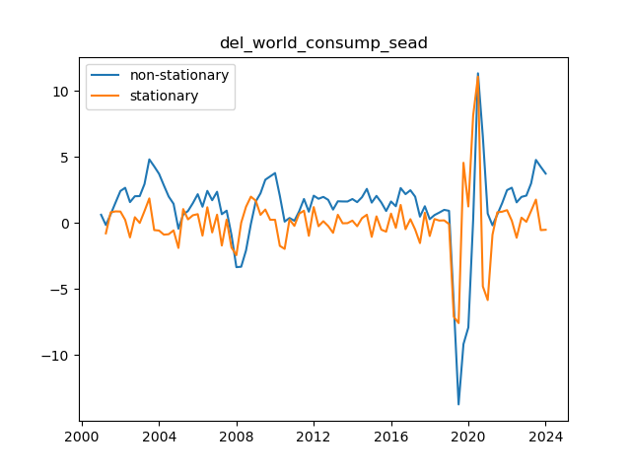
 | del_world_consump_sea | del_world_consump_sead
2001-04-01 | -0.14464004772 | -0.77570953069
2001-07-01 | 0.66855273547 | 0.81319278319
2001-10-01 | 1.554994048 | 0.88644131254
2002-01-01 | 2.4295004865 | 0.87450643845
2002-04-01 | 2.6725860771 | 0.24308559062
2002-07-01 | 1.5885755246 | -1.0840105525
2002-10-01 | 2.0338347586 | 0.44525923402
2003-01-01 | 2.0440931108 | 0.010258352201
2003-04-01 | 2.9545917982 | 0.9104986874
2003-07-01 | 4.8225647437 | 1.8679729455
2003-10-01 | 4.2937798134 | -0.52878493028
2004-01-01 | 3.7288256114 | -0.56495420201
2004-04-01 | 2.8541774346 | -0.87464817675
2004-07-01 | 2.0122678964 | -0.84190953825
2004-10-01 | 1.4599353419 | -0.55233255454
2005-01-01 | -0.42327119539 | -1.8832065373
2005-04-01 | 0.63949748816 | 1.0627686835
2005-07-01 | 0.91893058077 | 0.27943309261
2005-10-01 | 1.5108752013 | 0.5919446205
2006-01-01 | 2.188259929 | 0.67738472773
2006-04-01 | 1.2387490278 | -0.94951090118
2006-07-01 | 2.4391436761 | 1.2003946483
2006-10-01 | 1.7318327501 | -0.70731092603
2007-01-01 | 2.370543539 | 0.63871078889
2007-04-01 | 0.67445525087 | -1.6960882881
2007-07-01 | 0.94154032594 | 0.26708507507
2007-10-01 | -0.90799738254 | -1.8495377085
2008-01-01 | -3.3340612548 | -2.4260638723
2008-04-01 | -3.301820079 | 0.032241175783
2008-07-01 | -2.069513443 | 1.232306636
2008-10-01 | -0.067180488593 | 2.0023329544
2009-01-01 | 1.6312931783 | 1.6984736669
2009-04-01 | 2.2570545659 | 0.62576138756
2009-07-01 | 3.2847398299 | 1.027685264
2009-10-01 | 3.5361518594 | 0.25141202943
2010-01-01 | 3.7877389216 | 0.25158706227
2010-04-01 | 2.0639209176 | -1.723818004
2010-07-01 | 0.11219262454 | -1.9517282931
2010-10-01 | 0.38659288301 | 0.27440025846
2011-01-01 | 0.17505819092 | -0.21153469208
2011-04-01 | 0.89056941355 | 0.71551122262
2011-07-01 | 1.8261700792 | 0.93560066565
2011-10-01 | 0.86267420669 | -0.96349587251
2012-01-01 | 2.0763510435 | 1.2136768368
2012-04-01 | 1.8408272904 | -0.23552375308
2012-07-01 | 1.9833432925 | 0.14251600209
2012-10-01 | 1.7595632881 | -0.22378000447
2013-01-01 | 1.0225841846 | -0.73697910347
2013-04-01 | 1.6521185531 | 0.62953436852
2013-07-01 | 1.6380536892 | -0.014064863862
2013-10-01 | 1.6343916055 | -0.0036620837269
2014-01-01 | 1.8223745656 | 0.18798296004
2014-04-01 | 1.5867721081 | -0.2356024575
2014-07-01 | 1.9581559026 | 0.37138379451
2014-10-01 | 2.5914431323 | 0.63328722969
2015-01-01 | 1.5505616767 | -1.0408814555
2015-04-01 | 2.0601382536 | 0.50957657681
2015-07-01 | 1.5650582473 | -0.49508000627
2015-10-01 | 0.91546295281 | -0.64959529447
2016-01-01 | 1.6347622956 | 0.71929934276
2016-04-01 | 1.276482624 | -0.35827967158
2016-07-01 | 2.6535089264 | 1.3770263024
2016-10-01 | 2.1916187823 | -0.46189014404
2017-01-01 | 2.4876662999 | 0.29604751754
2017-04-01 | 2.0012651979 | -0.486401102
2017-07-01 | 0.48793669144 | -1.5133285064
2017-10-01 | 1.2764261432 | 0.78848945179
2018-01-01 | 0.29800368871 | -0.97842245452
2018-04-01 | 0.60618682644 | 0.30818313773
2018-07-01 | 0.79790580554 | 0.19171897911
2018-10-01 | 1.0028624714 | 0.20495666589
2019-01-01 | 0.93033060774 | -0.0725318637
2019-04-01 | -6.1533634878 | -7.0836940955
2019-07-01 | -13.722980658 | -7.5696171698
2019-10-01 | -9.1563735825 | 4.566607075
2020-01-01 | -7.8968554042 | 1.2595181783
2020-04-01 | 0.24947080609 | 8.1463262103
2020-07-01 | 11.336620314 | 11.087149508
2020-10-01 | 6.5435490259 | -4.7930712883
2021-01-01 | 0.71729921342 | -5.8262498125
2021-04-01 | -0.16728576084 | -0.88458497426
2021-07-01 | 0.65055550966 | 0.8178412705
2021-10-01 | 1.5129052555 | 0.86234974582
2022-01-01 | 2.4946030533 | 0.98169779779
2022-04-01 | 2.6787878037 | 0.18418475045
2022-07-01 | 1.5699173468 | -1.1088704569
2022-10-01 | 1.983744666 | 0.41382731918
2023-01-01 | 2.0815047407 | 0.097760074707
2023-04-01 | 3.0036484627 | 0.92214372194
2023-07-01 | 4.7835831268 | 1.7799346642
2023-10-01 | 4.2527848125 | -0.53079831436
2024-01-01 | 3.7485409142 | -0.50424389829

