Sheet1
Image | Name | Email
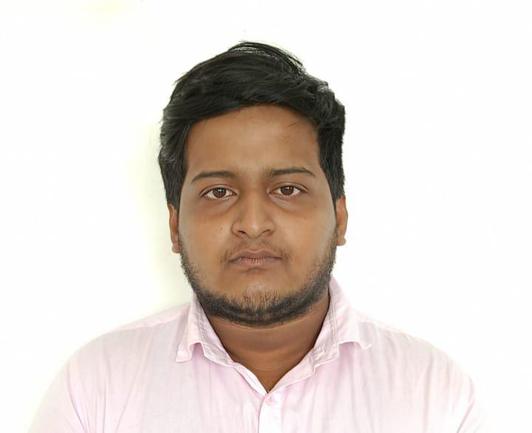 | Anurag Singha | anurag.singha076@gmail.com
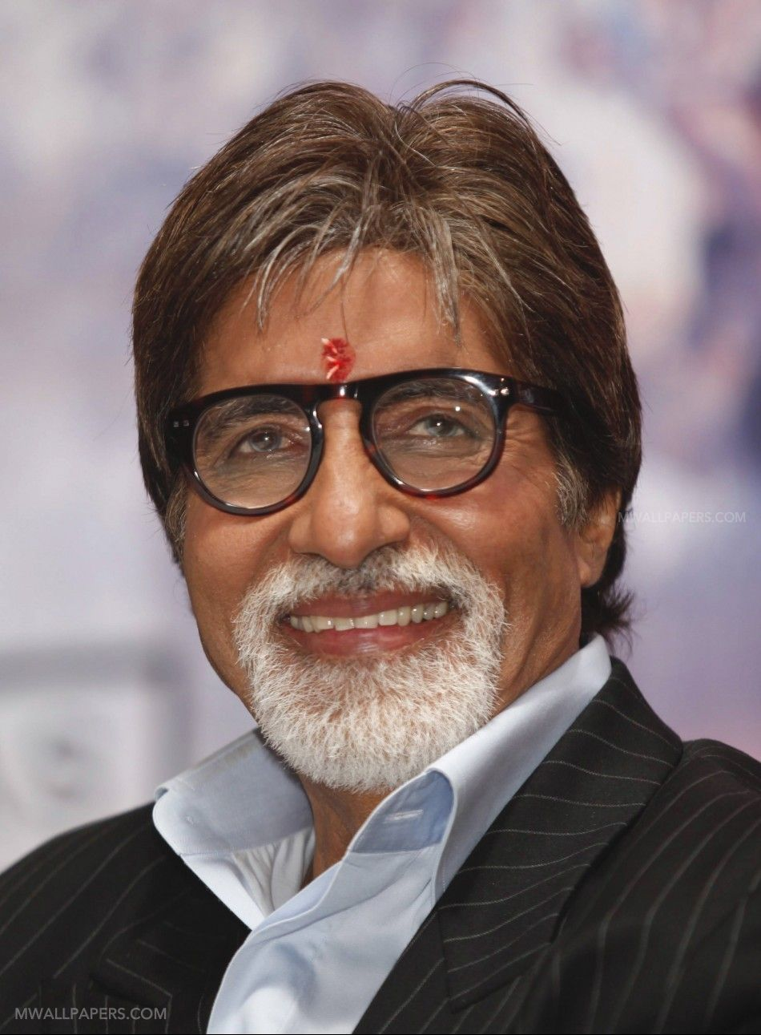 | Amitabh Bachan | xyz@gmail.com

