Above 95% Students
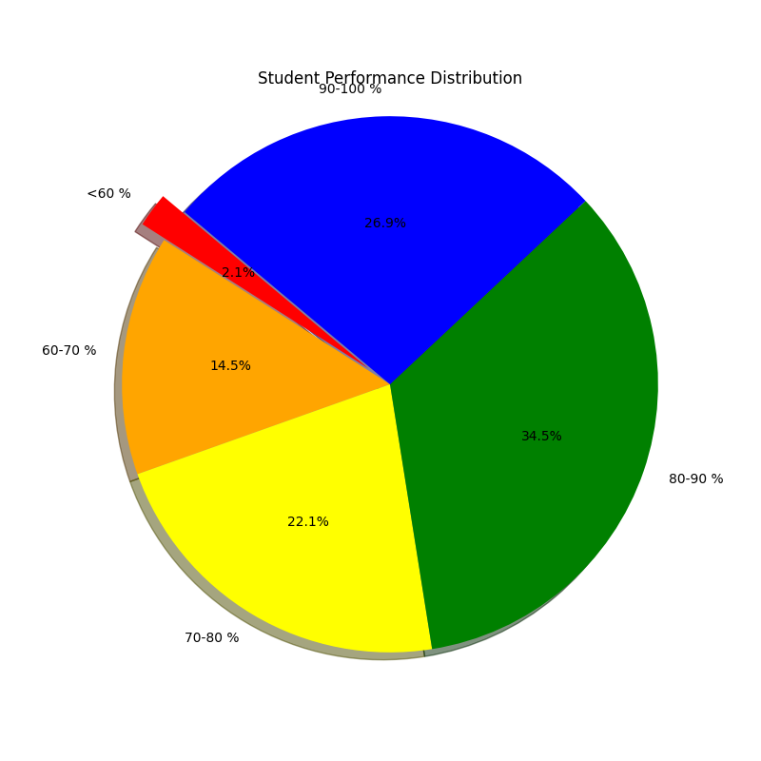
Sl. No. | Name | Percentage
1 | KKRITIKA RAJPAL | 98
2 | VRINDA SAXENA | 97.8
3 | SUDHISH GUPTA | 97.4
4 | PARI VAISH | 97.4
5 | PRIYA TRIPATHI | 97.4
6 | RUDRANSH AGARWAL | 97
7 | SHIKSHA SRIVASTAVA | 96.6
8 | GAGAN MAKHEJA | 96.2
9 | HARSHITA TANDON | 96.2
10 | ASMITA | 96
11 | NAVYA RAIZADA | 95.8
12 | SHREYA VERMA | 95.6
13 | MEENAL SRIVASTAVA | 95.2
14 | KHYATI SRIVASTAVA | 95

