Final Report
Final Report
a) My dataset was imported from a website called Kaggle (https://www.kaggle.com/meetnagadia/apple-stock-price-from-19802021/version/1 ). My dataset is of Apple stock prices from 1980-2021 which was collected from Yahoo Finance. I will be displaying various charts showing the performance of Apple stock from its IPO to 2021. Here I will be visualizing about various attributes such of a chart showing the highs and lows of apple stock prices and it also includes how many times the apple stock was traded. I also used multiple charts to compare different attributes such as stock price vs stock volume and displayed contrasts and similarities between different attributes
b) In progress meeting 1, we wrote down 10 goals and created charts from those goals. I personally learnt a lot from this progess meeting as we used parameters and filters to filter down data and display it. This was mostly the introduction part as it was just focusing the charts that were needed to be displayed in the front.
c) In progress meeting 2, we updated the document that we submitted for the progress meeting-2 and then we updated the dashboard and the storyboard for the project. I the dashboard we had to combine the goals to make one dashboard and then combine the dashboard to make a storyboard.

Goal 1
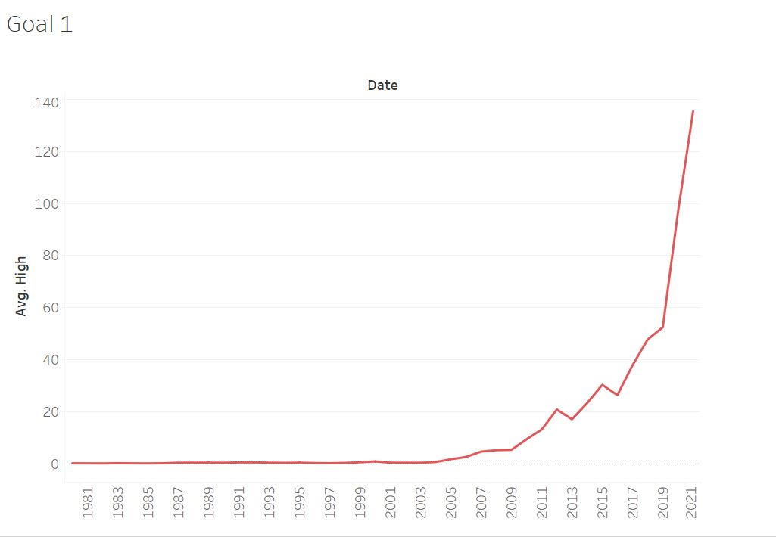
Goal 1: Display the price of Apple stock throughout from its IPO in 1981 to 2021.
Steps:
- Initialy, we have to have the years to compare the price of the stock so I dragged down the date attribute to the coloumn.
-Then, I dragged down the maximum price from each year and dragged it down to the row.
-Then, I changed the color of the chart for a better visibility and also changed the path to a line type so we can better analyze the chart.

Goal 2
Goal 2: Determine how many times the stock was traded every year by alligning the years and the volume

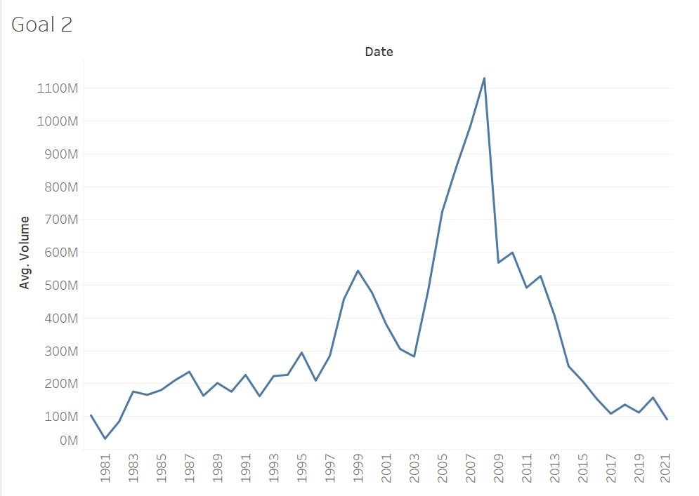
Steps:
-First I added the Date attributes by year to the column
-Then I added the volume attribute and choose the SUM option. This displayed the sum of all the total volumes that the stock of Apple traded in each year.
-

Goal 3
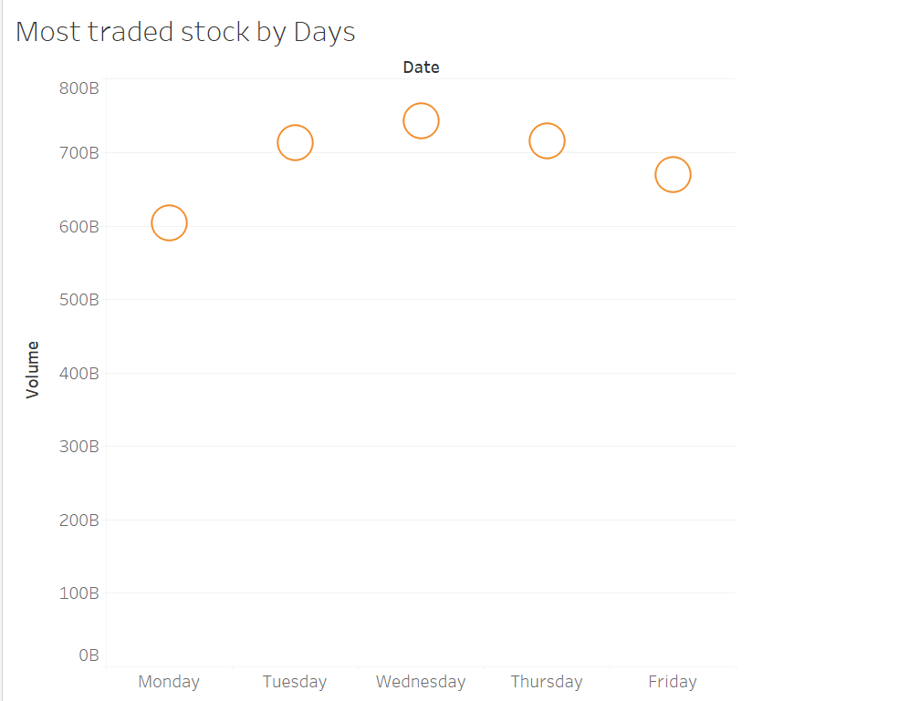
Goal 3: To determine which days the stock is traded the most and which days they are traded the least
Steps:
-First I used the date attribute and changed it to weekdays because stocks are only traded in weekdays.
-Then I dragged the date attribute to the column.
-Then I used the volume attribute and dragged it into a row.
-This chart showed that Wednesday is the busiest day in the stock market and people tend to slow down on the trading of Apple stick on Mondays.

Goal 4
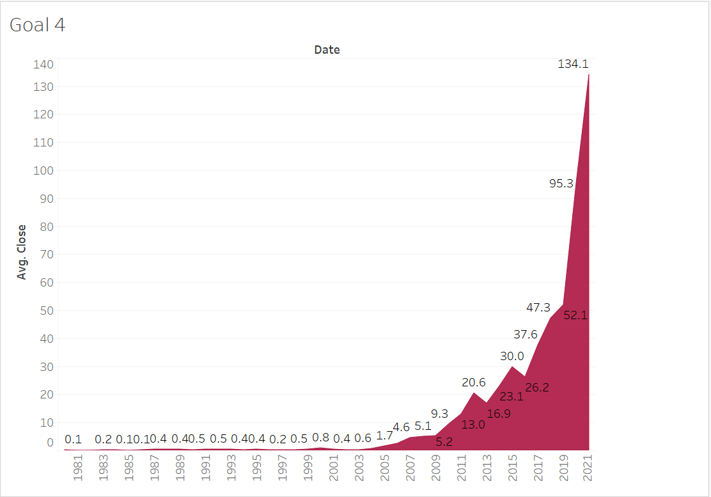
Goal 4: Determine the highest closing price every year.

Steps:
-Drag the date attribute into the coloumn and change its range to years
-Drag the Close attribute and compute its avarage by year
-Change the color and label the chart.

Goal 5
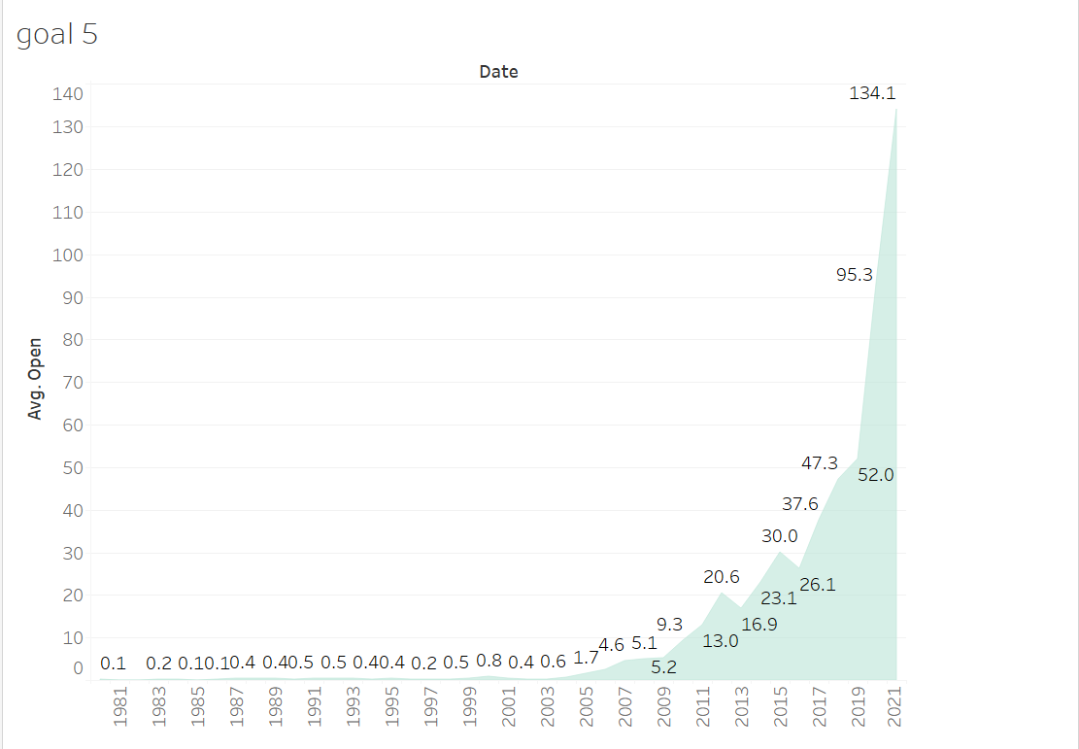
Goal 5: Determine the highest average opening price by year

Steps:
-Drag the date attribute into the coloumn and change its range to years
-Drag the Open attribute and compute its avarage by year
-Change the color and label the chart.

Goal 6
Goal 6: Compare between the high price and the low price every year since IPO
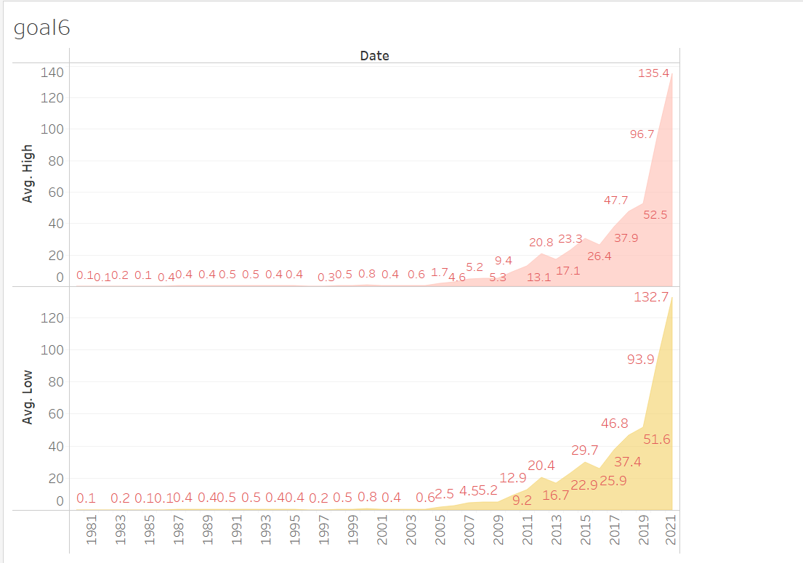
Steps:
- Drag the date attribute, change it to years and put it in the columns.
-Drag the high price and set it to calculate the avarage and keep it in the rows.
- Repeat the step above for the low price
-Label the chart and change its color.

Goal 7
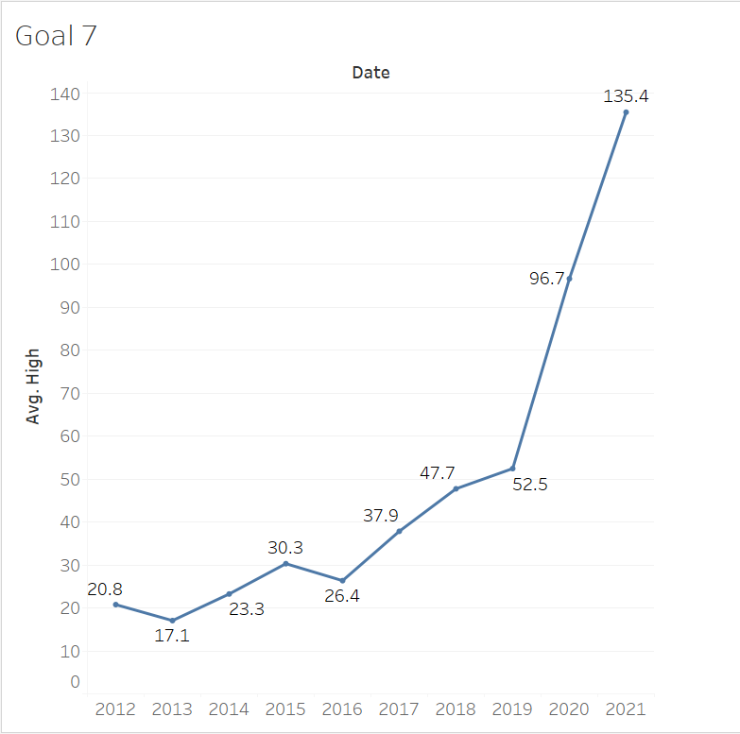
Goal 7: Determine the average high value for the stock in the last 10 years
Steps:
-Drag the date attribute, change it to years and put it in the columns.
-Drag the high price and calculate its avarage into the row section.
-Set the parameter of the years to compare only last 10 years.
-Label and color the chart.

Goal 8
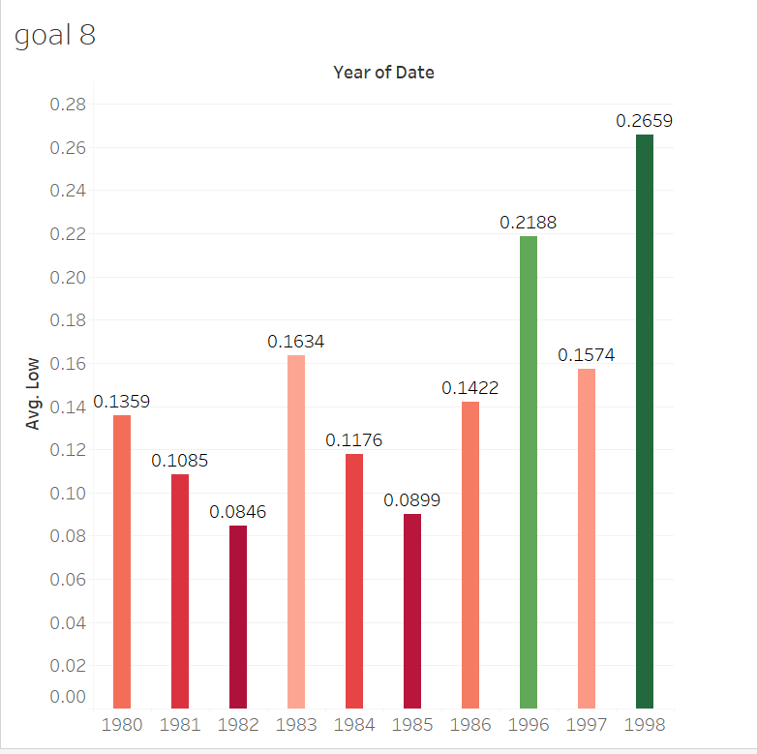
Goal 8: Determine the Top 10 low value of the stock by year

Steps:
- Drag the date attribute, change it to years and put it in the columns.
-Drag the low attribute and set it as avarage and place it in the row section
-Set it to calculate only the top 10 instances.

Goal 9
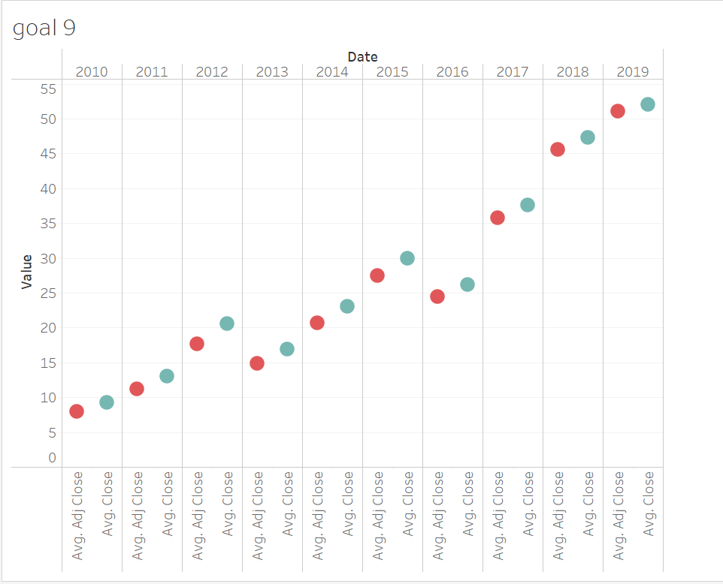
Goal 9: Determine the difference between close price and adjusted close price by year
Steps:
-Drag the date attribute, change it to years and put it in the columns.
-Set the parameters so that it only displays results for the last 10 years.
- Assign the names and the values.

Goal 10
Goal 10: Determine how much was the stock traded in each months of the pandamic
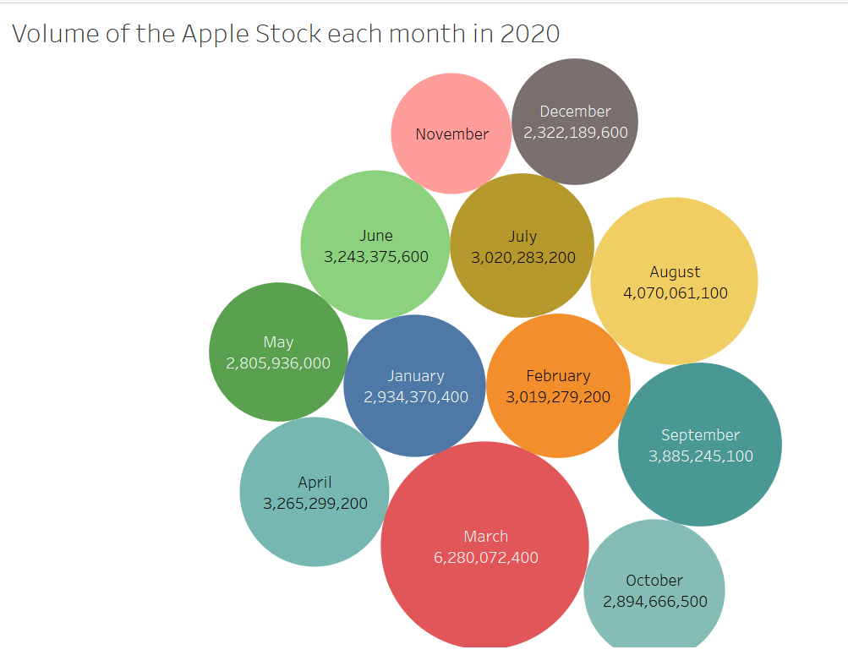
Steps:
-Drag the date attribute, change it to years and put it in the columns.
- Set the year to 2020 and set the type to months
-Drag the avarage value into the Marks table and change the chart type.

Dashboard 1
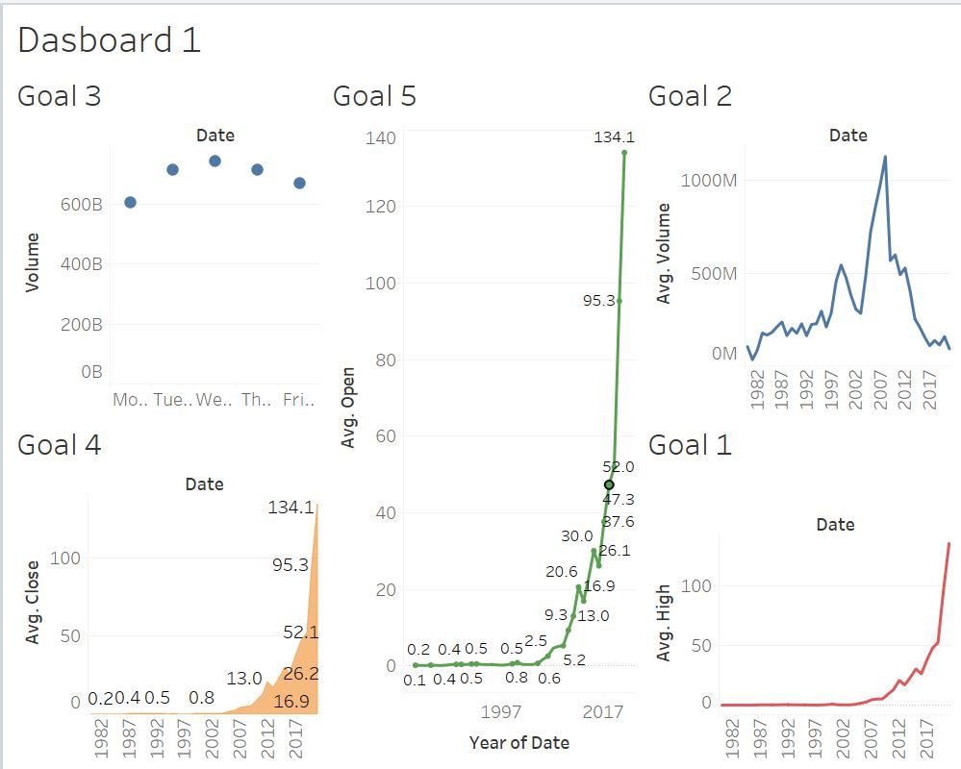
Dashboard 1

Dashboard 2
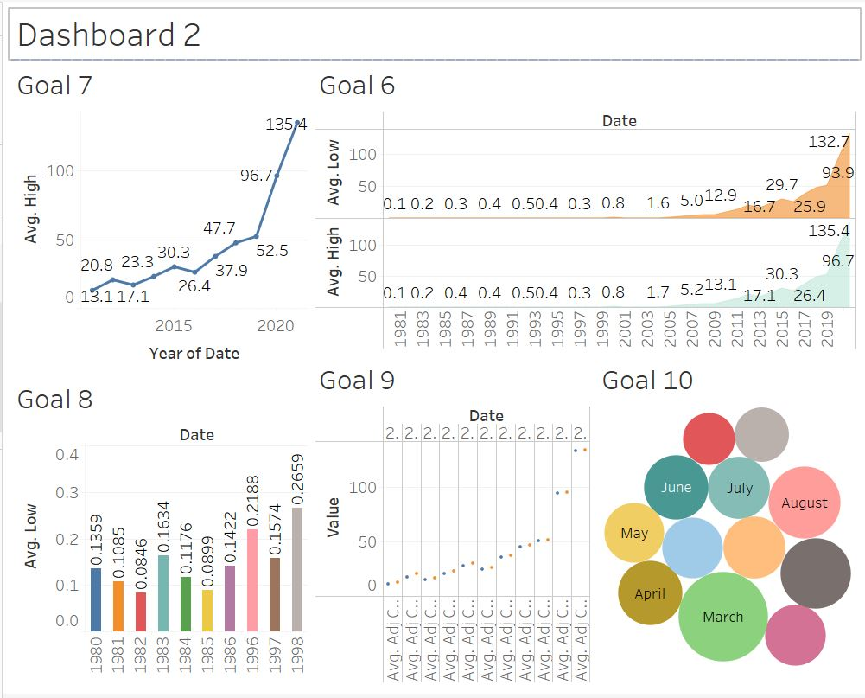
Dashboard 2

Storyboard 1
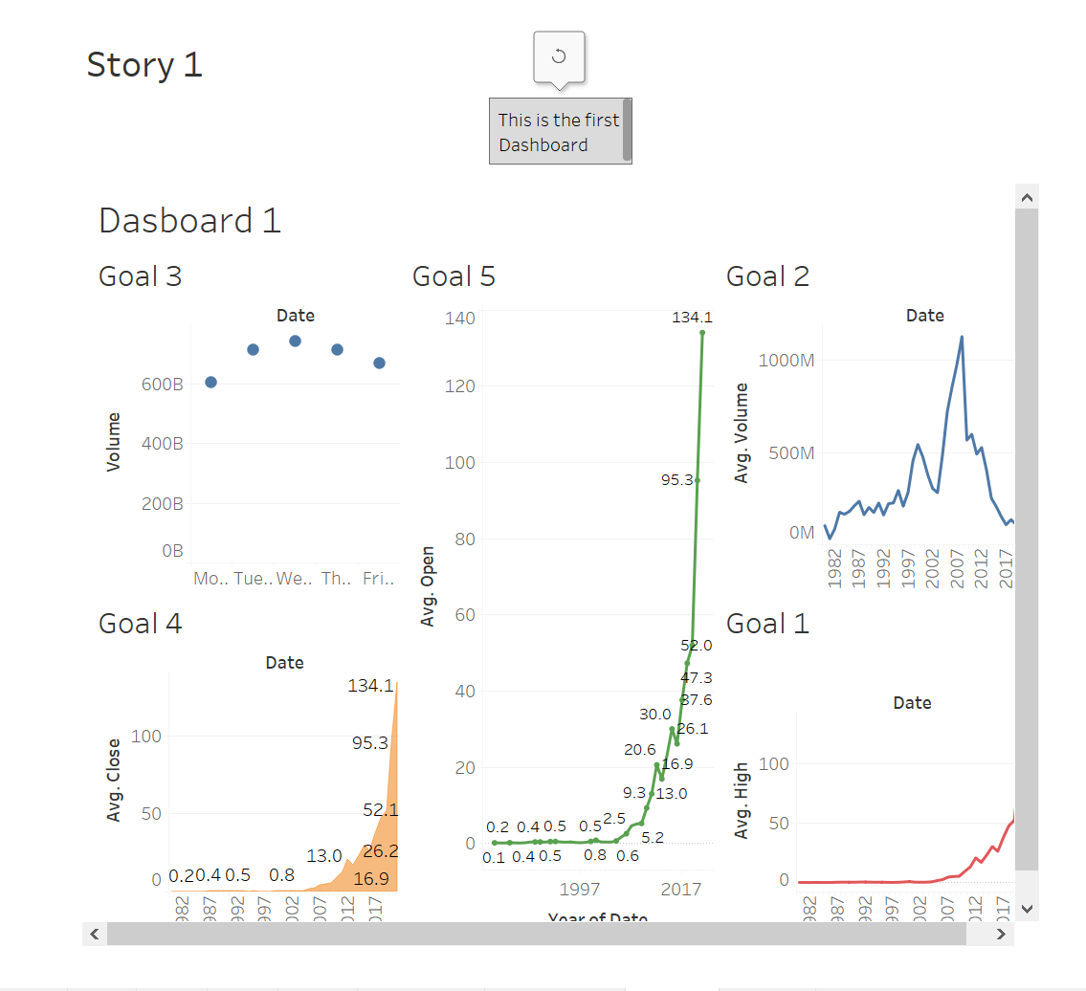
Storyboard 1

Storyboard 2
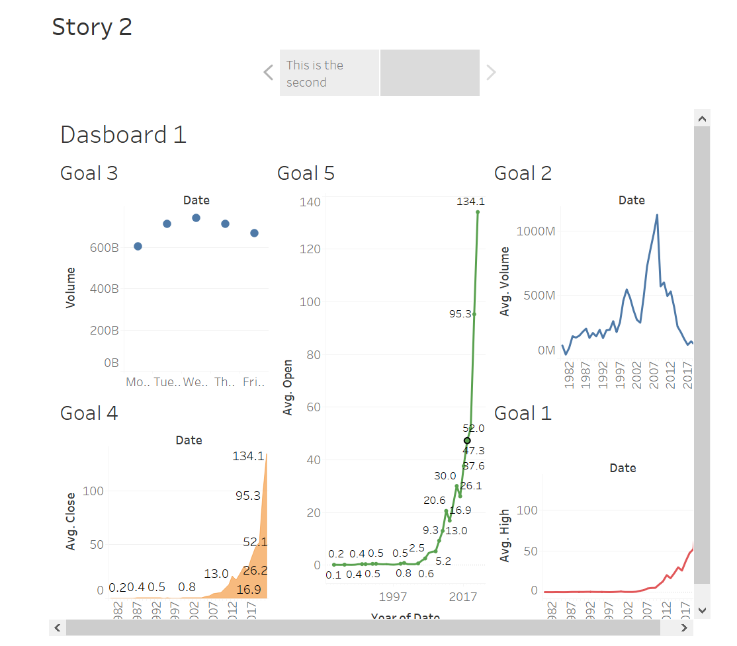
Storyboard 2

