Summary
High Level overview of OTP memory layout

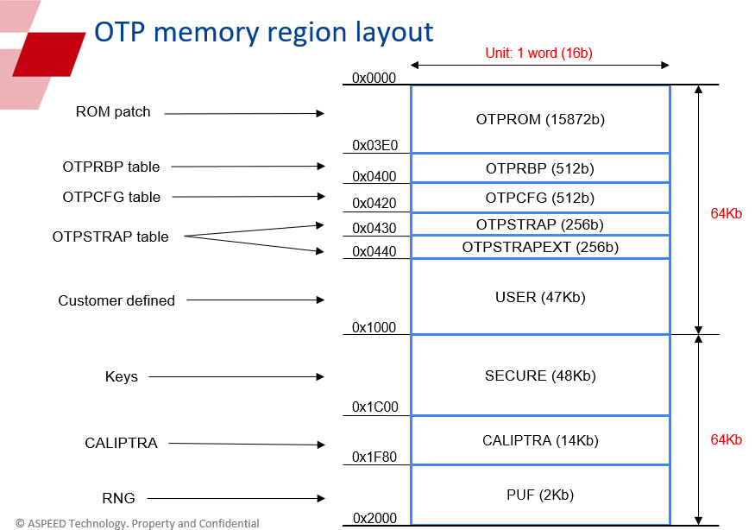
OTP Region | Start (W) | End (W) | Size (W) | Size (Bit) | Size (Byte) | Aspeed used | word | bit
OTPROM | 0 | 3DF | 992 | 15872 | 1984 | otprom | 0 | 0
OTPRBP | 3E0 | 3FF | 32 | 512 | 64 | otprbp | 21 | 336
OTPCFG | 400 | 41F | 32 | 512 | 64 | otpcfg | 32 | 512
OTPSTRAP | 420 | 42F | 16 | 256 | 32 | otpstrap | 16 | 256
OTPSTRAPEXT | 430 | 43F | 16 | 256 | 32 | otpstrap_ext | 16 | 256
USER | 440 | FFF | 3008 | 48128 | 6016 | user | 0 | 0
SECURE | 1000 | 1BFF | 3072 | 49152 | 6144 | secure | 1760 | 28160
CALIPTRA | 1C00 | 1F7F | 896 | 14336 | 1792 | caliptra | 658 | 10528
PUF | 1F80 | 1FFF | 128 | 2048 | 256 | puf | 128 | 2048
end | 2000 |  | 8192 | 131072 | 16384 |  |  | 42096
end | 2000
remains | 0 |  | 0 | 0 | 0

Total | 128Kb | 16KB
 | 131072

