Perf Overview + Raster Summary
Test Number | Method | Cost | Input Token | Output Token | Latency | Building | Floor | API Calls | Labels | Type | Notes
1.1 | Bitmap | N/A |  |  | 74.62 | Snowden Towers | L2 | N/A | 62 | Commercial Office | *Implementation is not good
1.2 | SA | N/A |  |  | 8.13 | Snowden Towers | L2 | N/A | 70 | Commercial Office | *150K iterations using a pre-computed summed-area table
1.3 | LLM-VBP | 0.23 | 25519 | 4122 | 35.387 | Snowden Towers | L2 | 3 | 70 | Commercial Office
1.4 | LLM-VSP | 0.55 | 98770 | 17920 | 77 | Snowden Towers | L2 | 70 | 70 | Commercial Office | *Data is extrapolated from the average of 24 API calls, results were rate limited. Input 1411, Output 256
1.5 | LLM-DEP | 0.26 | 47311 | 947 | 10.792 | Snowden Towers | L2 | 1 | 69 | Commercial Office
2.1 | LLM-DEP | 0.26 | 46611 | 1132 | 15.851 | Snowden Towers | L1 | 1 | 85 | Commercial Office
2.2 | LLM-DEP | 0.19 | 34810 | 649 | 8.093 | REVIT RAC Advanced Sample Project 2018 | L1 | 1 | 77 | Commercial Office
2.3 | LLM-DEP | 0.13 | 26238 | 201 | 3.084 | REVIT RAC Basic Sample Project 2018 | L1 | 1 | 19 | Residential House (Small) | https://bim-design.com/library/jp-contents/
2.4 | LLM-DEP | 0.15 | 27172 | 285 | 3.629 | REVIT RAC Basic Sample Project 2018 | L2 | 1 | 26 | Residential House (Small) | https://help.autodesk.com/view/RVT/2024/ENU/?guid=GUID-61EF2F22-3A1F-4317-B925-1E85F138BE88
2.5 | LLM-DEP | 0.23 | 46611 | 1132 | 15.851 | REVIT RAC Japan Sample Project 2020 (ver 1.7) | L7 | 1 | 111 | Commercial Office | *Poor placement due to unique tag types, need adjustment. Drafting conventions are broadly similar
2.6 | LLM-DEP | 0.17 | 32550 | 330 | 4.291 | REVIT RAC Germany Sample Project 2019 (DACH Studio) | L1 (EG) | 1 | 36 | Studio Office | *German/DACH Studio drafting standards have no border around tags, thus bounding boxes are not representative of tag area.
3 | LLM-DEP-TOT |  |  |  | 61.591 |  |  |  | 423

Version 1 Tests
1.1 | Bitmap | QTY | Dist_From_Centre |  | Dist_From_Optimal |  | Optimal_Dist_From_Centre
 |  |  | Mean | Median | Mean | Median | Mean | Median |  |  |  |  |  | Per label latency (ms)
 | All Tags | 62 | N/A | N/A | 36.988795819 | 38.183766184 | N/A | N/A |  |  | 0.97338936365 |  | Bitmap | 1203.5483871 | 1.2035483871
 | Door Tags | 13 | N/A | N/A | 52.891453019 | 33.941125497 | N/A | N/A |  |  | 1.3918803426 |  | SA | 116.14285714 | 0.11614285714
 | Window Tags | 16 | N/A | N/A | 39.702876673 | 38.183766184 | N/A | N/A |  |  | 1.044812544 |  | LLM-VBP | 505.52857143 | 0.50552857143
 | Wall Tags | 24 | N/A | N/A | 30.983439226 | 16.263455967 | N/A | N/A |  |  | 0.81535366383 |  | LLM-VSP | 1100 | 1.1
 | Room Tags | 9 | N/A | N/A | 25.207542592 | 0 | N/A | N/A |  |  | 0.66335638401 |  | LLM-DEP | 145.60520095 | 0.14560520095
 |  |  |  |  |  |  |  |  |  |  | 0
1.2 | SA | QTY | Dist_From_Centre |  | Dist_From_Optimal |  | Optimal_Dist_From_Centre |  |  |  | #VALUE!
Per label latency (ms)
 |  |  | Mean | Median | Mean | Median | Mean | Median |  |  | #VALUE!
 | All Tags | 70 | N/A | N/A | 65.686508718 | 53.786608206 | N/A | N/A |  |  | 1.7285923347
 | Door Tags | 15 | N/A | N/A | 72.581812601 | 69.462219947 | N/A | N/A |  |  | 1.9100477
 | Window Tags | 17 | N/A | N/A | 38.002334213 | 40.853396432 | N/A | N/A |  |  | 1.0000614267
 | Wall Tags | 26 | N/A | N/A | 73.590236861 | 54.179570724 | N/A | N/A |  |  | 1.9365851806
 | Room Tags | 12 | N/A | N/A | 79.161881768 | 98.706069855 | N/A | N/A |  |  | 2.0832074149
 |  |  |  |  |  |  |  |  |  |  | 0
1.3 | LLM-VBP | QTY | Dist_From_Centre |  | Dist_From_Optimal |  | Optimal_Dist_From_Centre |  |  |  | #VALUE!
 |  |  | Mean | Median | Mean | Median | Mean | Median | Confidence |  | #VALUE!
 | All Tags | 70 | N/A | N/A | 13.824254321 | 2.2360679775 | N/A | N/A | 0.83142857143 |  | 0.36379616634
 | Door Tags | 15 | N/A | N/A | 0.81617604581 | 1 | N/A | N/A | 0.80333333333 |  | 0.021478316995
 | Window Tags | 17 | N/A | N/A | 37.766045701 | 2.8284271247 | N/A | N/A | 0.87058823529 |  | 0.99384330792
 | Wall Tags | 26 | N/A | N/A | 7.0294356765 | 2.2360679775 | N/A | N/A | 0.83076923077 |  | 0.18498514938
 | Room Tags | 12 | N/A | N/A | 10.888921439 | 1.2071067812 | N/A | N/A | 0.8125 |  | 0.28655056419

1.4 | LLM-VSP | QTY | Dist_From_Centre |  | Dist_From_Optimal |  | Optimal_Dist_From_Centre
 |  |  | Mean | Median | Mean | Median | Mean | Median | Confidence
 | All Tags | 70 | N/A | N/A | 17.777777778 | 0 | N/A | N/A | 0.88111111111 |  | 0.46783625731
 | Door Tags | 15 | N/A | N/A | N/A | N/A | N/A | N/A | N/A |  | #VALUE!
Distance from Optimal
 | Window Tags | 17 | N/A | N/A | N/A | N/A | N/A | N/A | N/A |  | #VALUE!
 | Wall Tags | 26 | N/A | N/A | 60 | 60 | N/A | N/A | 0.8 |  | 1.5789473684
 | Room Tags | 12 | N/A | N/A | 5.7142857143 | 0 | N/A | N/A | 0.90428571429 |  | 0.15037593985

1.5 | LLM-DEP | QTY | Dist_From_Centre |  | Dist_From_Optimal |  | Optimal_Dist_From_Centre |  |  |  | 38px = 1ft
 |  |  | Mean | Median | Mean | Median | Mean | Median
 | All Tags | 69 | 3.9067766454 | 3.0255 | 2.5591816907 | 1.4319766094 | 2.7791568834 | 2.3542
 | Door Tags | 15 | 2.06748 | 2.2708 | 0.0086866666667 | 0 | 2.0675429271 | 2.2710143284
 | Window Tags | 17 | 2.4411235294 | 1.9803 | 0.058570588235 | 0 | 2.3825529412 | 1.9803
 | Wall Tags | 26 | 4.6742909036 | 4 | 3.951546492 | 2.6230813204 | 3.9078275045 | 3.1972697105
 | Room Tags | 11 | 6.8658840946 | 3.1316941262 | 6.6106661699 | 3.1316941262 | 1.6947059937 | 1.1667
 |  |  |  |  |  |  |  |  |  | 6.6106661699

 |  |  |  | LLM-DEP | LLM-VBP | LLM-VSP | SA | Bitmap
 | All Tags |  |  | 2.5591816907 | 0.36379616634 | 0.46783625731 | 1.7285923347 | 0.97338936365
 | Door Tags |  |  | 0.0086866666667 | 0.021478316995 | 0 | 1.9100477 | 1.3918803426
 | Window Tags |  |  | 0.058570588235 | 0.99384330792 | 0 | 1.0000614267 | 1.044812544
 | Wall Tags |  |  | 3.951546492 | 0.18498514938 | 1.5789473684 | 1.9365851806 | 0.81535366383
 | Room Tags |  |  | 6.6106661699 | 0.28655056419 | 0.15037593985 | 2.0832074149 | 0.66335638401

 |  |  |  |  |  |  |  |  |  | Building | Floor | Type | Area | Door Tags | Window Tags | Wall Tags | Room Tags | Total Tags
 |  |  |  |  |  |  |  |  |  | Snowden Towers | L2 | Commercial Office | 15718 | 15 | 17 | 26 | 11 | 69
 |  |  |  |  |  |  |  |  |  | Snowden Towers | L1 | Commercial Office | 13224 | 33 | 0 | 38 | 14 | 85
 |  |  |  |  |  |  |  |  |  | REVIT RAC Advanced Sample Project 2018 | L1 | Commercial Office | 17948 | 38 | 6 | 2 | 31 | 77
 |  |  |  |  |  |  |  |  |  | REVIT RAC Basic Sample Project 2018 | L1 | Residential House (Small) | 1738 | 5 | 8 | 0 | 6 | 19
 |  |  |  |  |  |  |  |  |  | REVIT RAC Basic Sample Project 2018 | L2 | Residential House (Small) | 1738 | 11 | 7 | 0 | 8 | 26
 |  |  |  |  |  |  |  |  |  | REVIT RAC Japan Sample Project 2020 (ver 1.7) | L7 | Commercial Office | 10746 | 14 | 3 | 83 | 11 | 111
 |  |  |  |  |  |  |  |  |  | REVIT RAC Germany Sample Project 2019 (DACH Studio) | L1 (EG) | Studio Office | 2334 | 0 | 4 | 18 | 14 | 36

 |  |  |  |  |  |  |  |  |  |  |  |  | 5 |  | Door Tags
 |  |  |  |  |  |  |  |  |  |  |  |  |  |  | Windows | 7
 |  |  |  |  |  |  |  |  |  |  |  |  |  |  | Wall Tags | 0 |  |  | Door Tags | 33
 |  |  |  |  |  |  |  |  |  |  |  |  |  |  | Room Tags | 8
 |  |  |  |  |  |  |  |  |  |  |  |  | 0 |  | Stairs Tags | 0 |  |  | Wall Tags | 38
 |  |  |  |  |  |  |  |  |  |  |  |  |  |  |  |  |  |  | Room Tags | 14
 |  |  |  |  |  |  |  |  |  |  |  |  |  |  |  |  |  |  | Door Tags | 14
 |  |  |  |  |  |  |  |  |  |  |  |  |  | Door Tags |  |  |  | Door Tags | Windows | 3
 |  |  |  |  |  |  |  |  |  |  |  |  |  | Windows |  |  |  | Windows | Wall Tags | 83
 |  |  |  |  |  |  |  |  |  |  |  |  |  | Wall Tags |  |  |  | Wall Tags | Room Tags | 11
 |  |  |  |  |  |  |  |  |  |  |  |  |  | Room Tags |  |  |  | Room Tags

 |  |  |  |  |  |  |  |  |  |  |  |  |  |  | All Tags | 69
 |  |  |  |  |  |  |  |  |  |  |  |  |  |  | Door Tags | 15
 |  |  |  |  |  |  |  |  |  |  |  |  |  |  | Window Tags | 17
 |  |  |  |  |  |  |  |  |  |  |  |  |  |  | Wall Tags | 26
 |  |  |  |  |  |  |  |  |  |  |  |  |  |  | Room Tags | 11

 |  |  |  |  |  |  |  |  | Building | Cost | Input Token | Output Token | Latency | Labels
 |  |  |  |  |  |  |  |  | Snowden Towers | 0.26 | 47311 | 947 | 10.792 | 69
 |  |  |  |  |  |  |  |  | Snowden Towers | 0.26 | 46611 | 1132 | 15.851 | 85
 |  |  |  |  |  |  |  |  | REVIT RAC Advanced Sample Project 2018 | 0.19 | 34810 | 649 | 8.093 | 77
 |  |  |  |  |  |  |  |  | REVIT RAC Basic Sample Project 2018 | 0.13 | 26238 | 201 | 3.084 | 19
 |  |  |  |  |  |  |  |  | REVIT RAC Basic Sample Project 2018 | 0.15 | 27172 | 285 | 3.629 | 26
 |  |  |  |  |  |  |  |  | REVIT RAC Japan Sample Project 2020 (ver 1.7) | 0.23 | 46611 | 1132 | 15.851 | 111
 |  |  |  |  |  |  |  |  | REVIT RAC Germany Sample Project 2019 (DACH Studio) | 0.17 | 32550 | 330 | 4.291 | 36

Analysis Summary
AUTOMATED LABEL PLACEMENT — RESULTS ANALYSIS

1 · PER-FLOORPLAN PERFORMANCE
Floorplan | Tags | Mean DfO | Median DfO | RMSE DfO | Win Rate | Cosine | Solver-vs-Human | % Further | Gross Fail | 95th Pct Dist_From_Optimal
Basic L1 | 19 | 2.11 | 1.18 | 3.16 | 73.7% | 0.623 | 0.86 | 15.8% | 0 | 5.886
Basic L2 | 26 | 2.05 | 1.85 | 2.81 | 61.1% | 0.534 | 0.82 | 16.7% | 0 | 3.317
Advanced L1 | 77 | 3.39 | 1.32 | 6.09 | 57.9% | 0.589 | 1.97 | 82.5% | 4 | 13.378
Snowden Tower L1 | 85 | 1.56 | 1.10 | 2.50 | 88.2% | 0.879 | 1.63 | 34.1% | 0 | 4.475
Snowden Tower L2 | 69 | 2.56 | 1.43 | 4.75 | 78.1% | 0.745 | 1.52 | 34.4% | 2 | 9.670
Germany L1 | 36 | 2.04 | 1.44 | 2.69 | 77.8% | 0.782 | 1.94 | 83.3% | 0 | 5.523 | 1 · PER-FLOORPLAN PERFORMANCE
Japan L7 | 111 | 9.34 | 1.94 | 20.85 | 38.2% | 0.216 | 9.20 | 80.0% | 18 | 56.484 | Floorplan | Tags | Median DfO | RMSE DfO | 95th Pct Dist_From_Optimal | Win Rate | Cosine | % Further | Gross Fail
Italic rows = Germany & Japan (alternative drafting conventions, evaluated separately). |  |  |  |  |  |  |  |  |  |  | Basic L1 | 19 | 1.1814 | 3.162827578 | 5.886 | 0.73684210526 | 0.62266301859 | 0.15789473684 | 0
 |  |  |  |  |  |  |  |  |  |  | Basic L2 | 26 | 1.8516596921 | 2.8081929947 | 3.317 | 0.61111111111 | 0.53357784464 | 0.16666666667 | 0
2 · PER TAG-TYPE PERFORMANCE (core 5 floorplans — Germany & Japan excluded) |  |  |  |  |  |  |  |  |  |  | Advanced L1 | 77 | 1.3159042556 | 6.0886005014 | 13.378 | 0.57894736842 | 0.58944561832 | 0.82456140351 | 4
Tag Type | Tags | Mean DfO | Median DfO | RMSE DfO | Win Rate | Cosine | Solver-vs-Human | % Further | Gross Fail | 95th Pct Dist_From_Optimal | Snowden Tower L1 | 85 | 1.103 | 2.5008403563 | 4.475 | 0.88235294118 | 0.87869499374 | 0.34117647059 | 0
Doors | 102 | 1.14 | 1.26 | 1.67 | 70.1% | 0.701 | 1.96 | 44.1% | 0 | 4.124 | Snowden Tower L2 | 69 | 1.4319766094 | 4.7450187447 | 9.67 | 0.78125 | 0.744933812 | 0.34375 | 2
Windows | 38 | 0.53 | 0.30 | 0.88 | 97.4% | 0.999 | 0.87 | 18.4% | 0 | 1.990 | Germany L1 | 36 | 1.4401 | 2.6880275962 | 5.523 | 0.77777777778 | 0.78160236254 | 0.83333333333 | 0
Walls | 66 | 3.20 | 2.37 | 4.14 | 75.8% | 0.662 | 1.17 | 48.5% | 0 | 8.863 | Japan L7 | 111 | 1.9413785849 | 20.845739431 | 56.484 | 0.38181818182 | 0.21613928482 | 0.8 | 18
Room Tags | 70 | 4.52 | 2.46 | 7.46 | 66.7% | 0.675 | 0.98 | 28.6% | 6 | 19.453 | Italic rows = Germany & Japan (alternative drafting conventions, evaluated separately).
Counts differ from the per-floorplan table totals because Germany L1 and Japan L7 are excluded here.
3 · HEADLINE — core floorplans vs. convention tests
Scope | Tags | Mean DfO | Median DfO | Win Rate | Cosine | Gross Fail |  |  |  | 95th Pct Dist_From_Optimal
Core floorplans (5) | 276 | 2.40 | 1.36 | 75.3% | 0.733 | 6 |  |  |  | 9.971
Convention tests (Germany+Japan) | 147 | 7.55 | 1.74 | 47.9% | 0.356 | 18 |  |  |  | 46.250
All floorplans (7) | 423 | 4.19 | 1.49 | 65.0% | 0.590 | 24 |  |  |  | 19.488

Win Rate by Floorplan
Mean vs Median Dist-From-Optimal by Floorplan

Win Rate by Tag Type (core 5 floorplans)
Mean vs Median DfO by Tag Type (core 5 — gap = tail risk)

Directional Agreement (Cosine) by Floorplan
Headline Win Rate — Core vs Convention vs All

Directional Agreement (Cosine) by Tag Type — core 5 floorplans

Movement Vectors
TAG MOVEMENT VECTORS BY FLOORPLAN
Each arrow starts at a tag's input position (the element centroid). Blue = where the solver moved it; green = where the human drafter moved it. Where blue and green overlap, the solver agreed with the human; divergent arrows show disagreement in direction or distance.

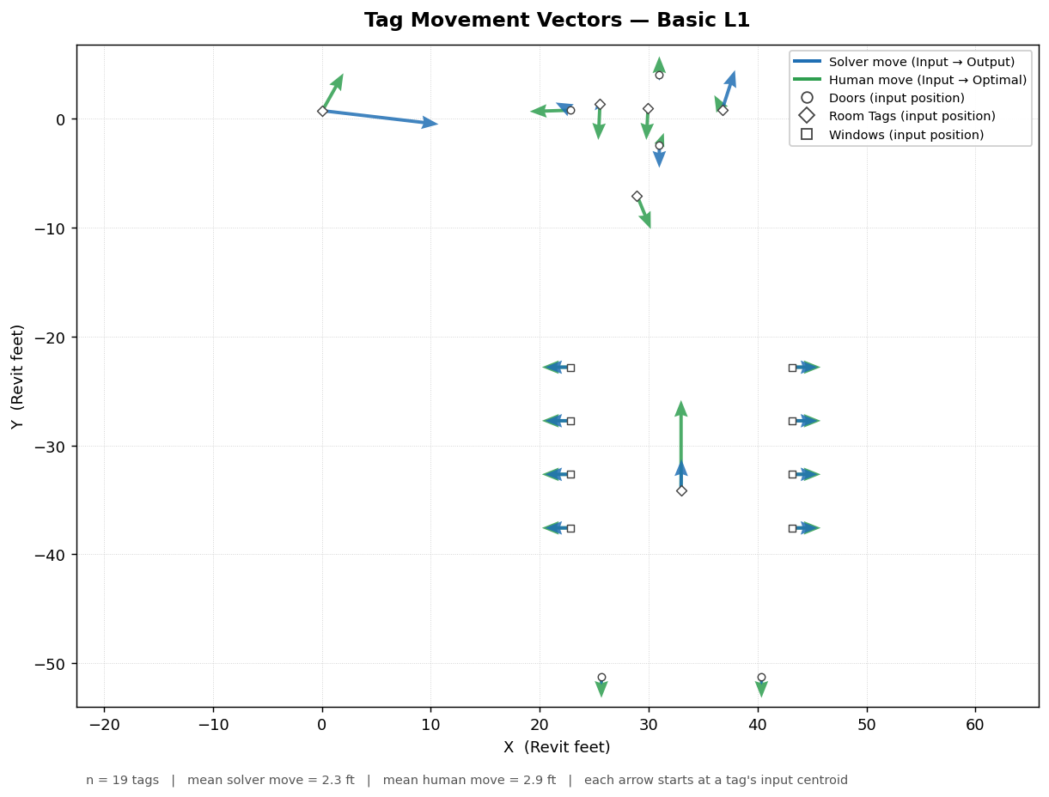
Basic L1

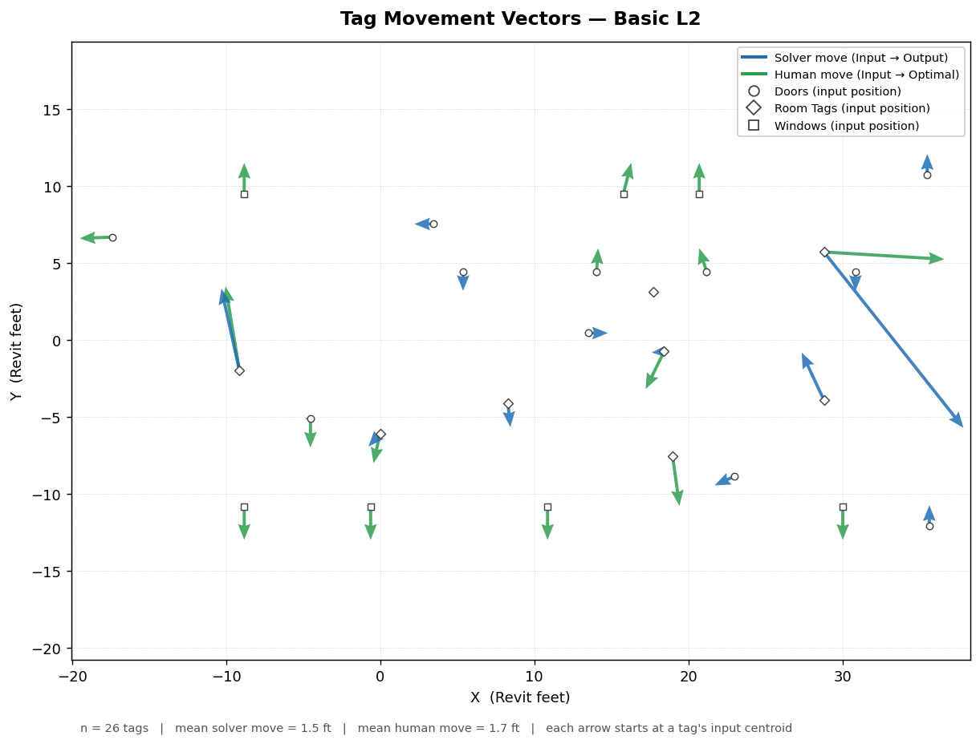
Basic L2

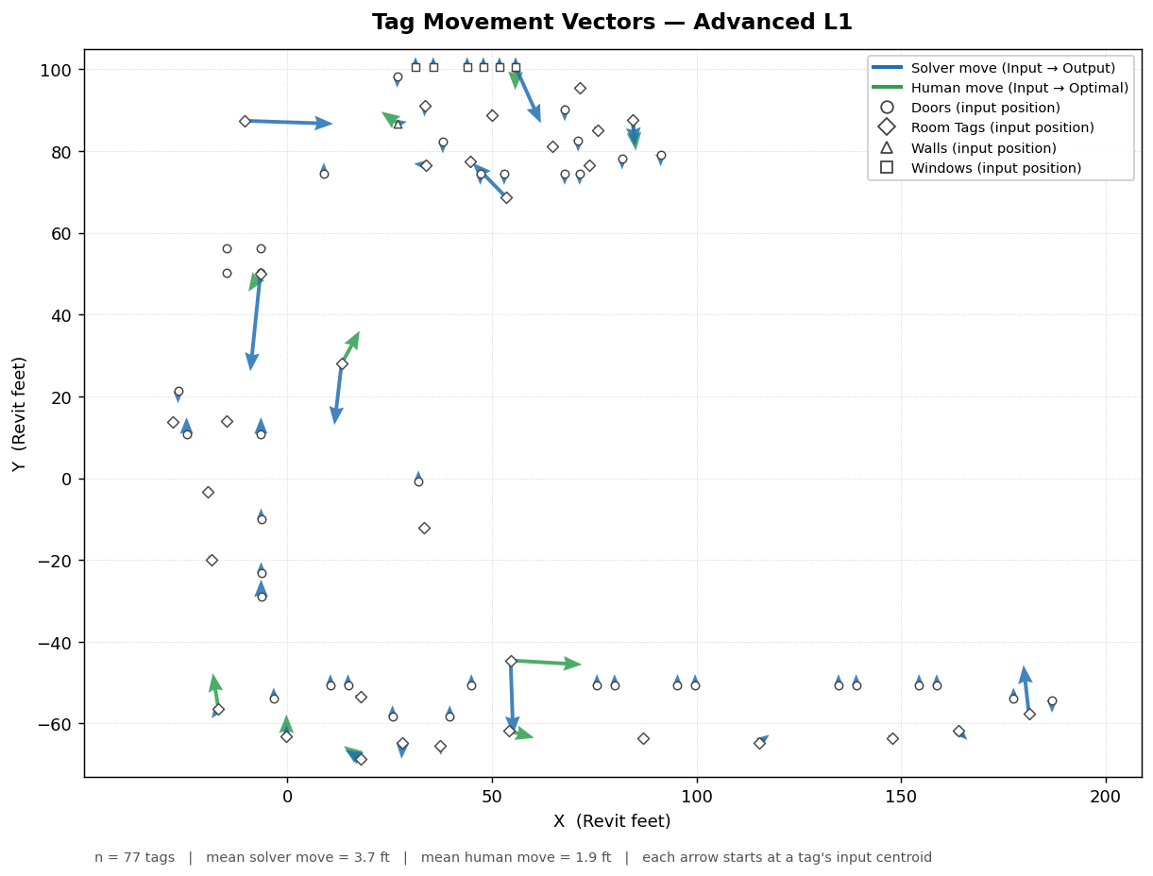
Advanced L1

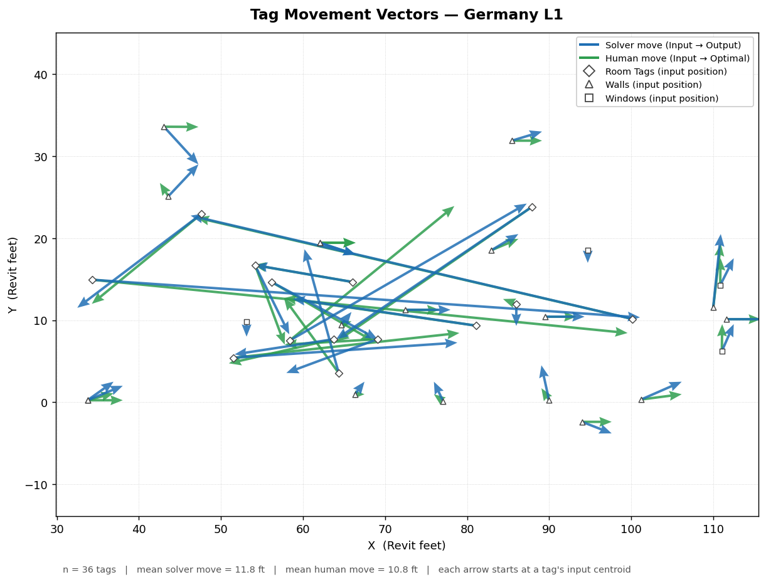
Germany L1

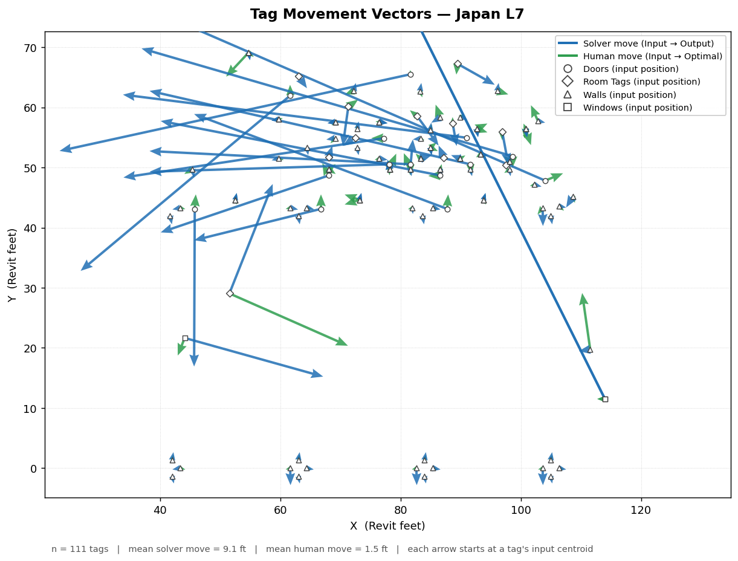
Japan L7

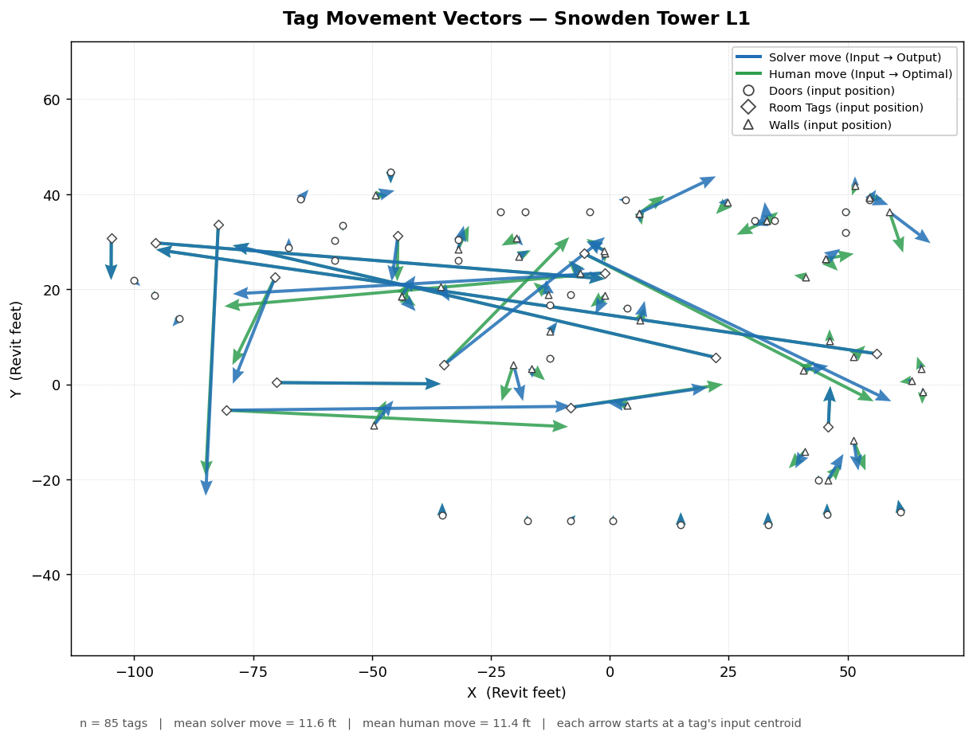
Snowden Tower L1

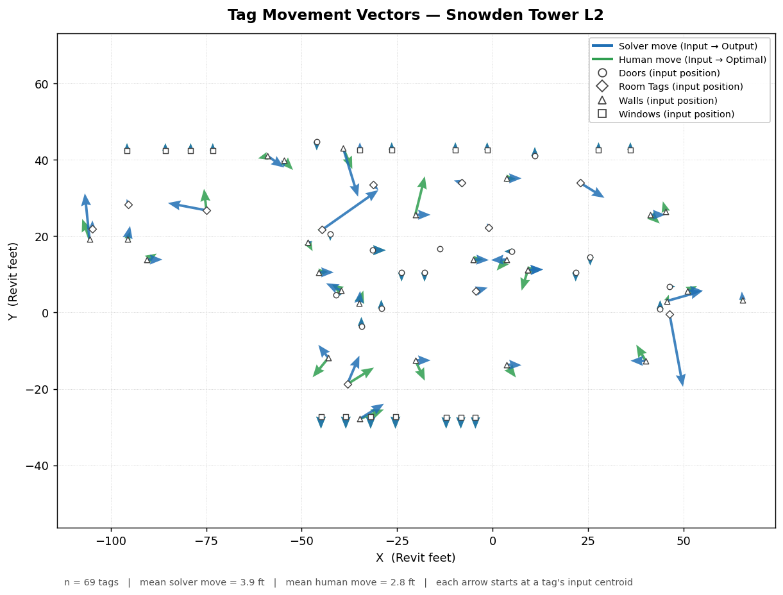
Snowden Tower L2

